Excercise_1
Initial Problem

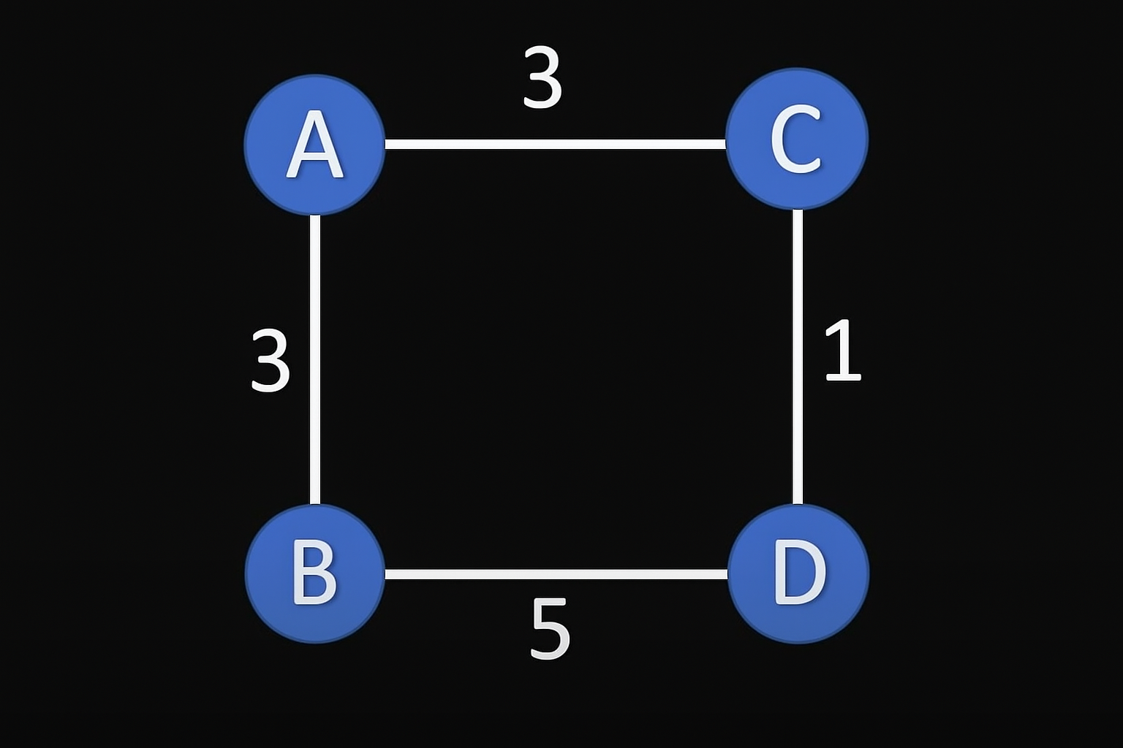
 |  | 3
 | A | ------- | B
3 | | | | |  | | | | | 1
 | C | ------- | D
 |  | 5

Start Point
 |  | 3 |  |  | Vertex | Distance | Previous Vertex
 | A | ------- | B |  | A | 0 | -
3 | | | | |  | | | | | 1 | B | ∞ |  | Visited=[]
 | C | ------- | D |  | C | ∞ |  | Unvisited=[A,B,C,D]
 |  | 5 |  |  | D | ∞

First Visit
 |  | 3 |  |  | Vertex | Distance | Previous Vertex
 | A | ------- | B |  | A | 0 | - | Visited=[]
3 | | | | |  | | | | | 1 | B | 3 | A | Unvisited=[A,B,C,D]
 | C | ------- | D |  | C | 3 | A
 |  | 5 |  |  | D | ∞

Second Visit
 |  | 3 |  |  | Vertex | Distance | Previous Vertex
 | A | ------- | B |  | A | 0 | - | Visited=[A]
3 | | | | |  | | | | | 1 | B | 3 | A | Unvisited=[B,C,D]
 | C | ------- | D |  | C | 3 | A
 |  | 5 |  |  | D | 3+5=8 | C

Third Visit
 |  | 3 |  |  | Vertex | Distance | Previous Vertex
 | A | ------- | B |  | A | 0 | - | Visited=[A,C]
3 | | | | |  | | | | | 1 | B | 3 | A | Unvisited=[B,D]
 | C | ------- | D |  | C | 3 | A
 |  | 5 |  |  | D | 3+1=4 | B

Fourth Visit
 |  | 3 |  |  | Vertex | Distance | Previous Vertex
 | A | ------- | B |  | A | 0 | - | Visited=[A,C,B]
3 | | | | |  | | | | | 1 | B | 3 | A | Unvisited=[D]
 | C | ------- | D |  | C | 3 | A
 |  | 5 |  |  | D | 4 | B

Final Result
 |  | 3 |  |  | Vertex | Distance | Previous Vertex
 | A | ------- | B |  | A | 0 | - | Visited=[A,C,B,D]
3 | | | | |  | | | | | 1 | B | 3 | A | Unvisited=[]
 | C | ------- | D |  | C | 3 | A
 |  | 5 |  |  | D | 4 | B

Example Shortest Paths

 | Start-End | Distance | Formula |  | Vertex | Distance | Previous Vertex
 | A->D | 4 | =G58 |  | A | 0 | - | Visited=[A,C,B,D]
 | A->C | 3 | =G57 |  | B | 3 | A | Unvisited=[]
 |  |  |  |  | C | 3 | A
 |  |  |  |  | D | 4 | B

Excercise_2
Initial Problem

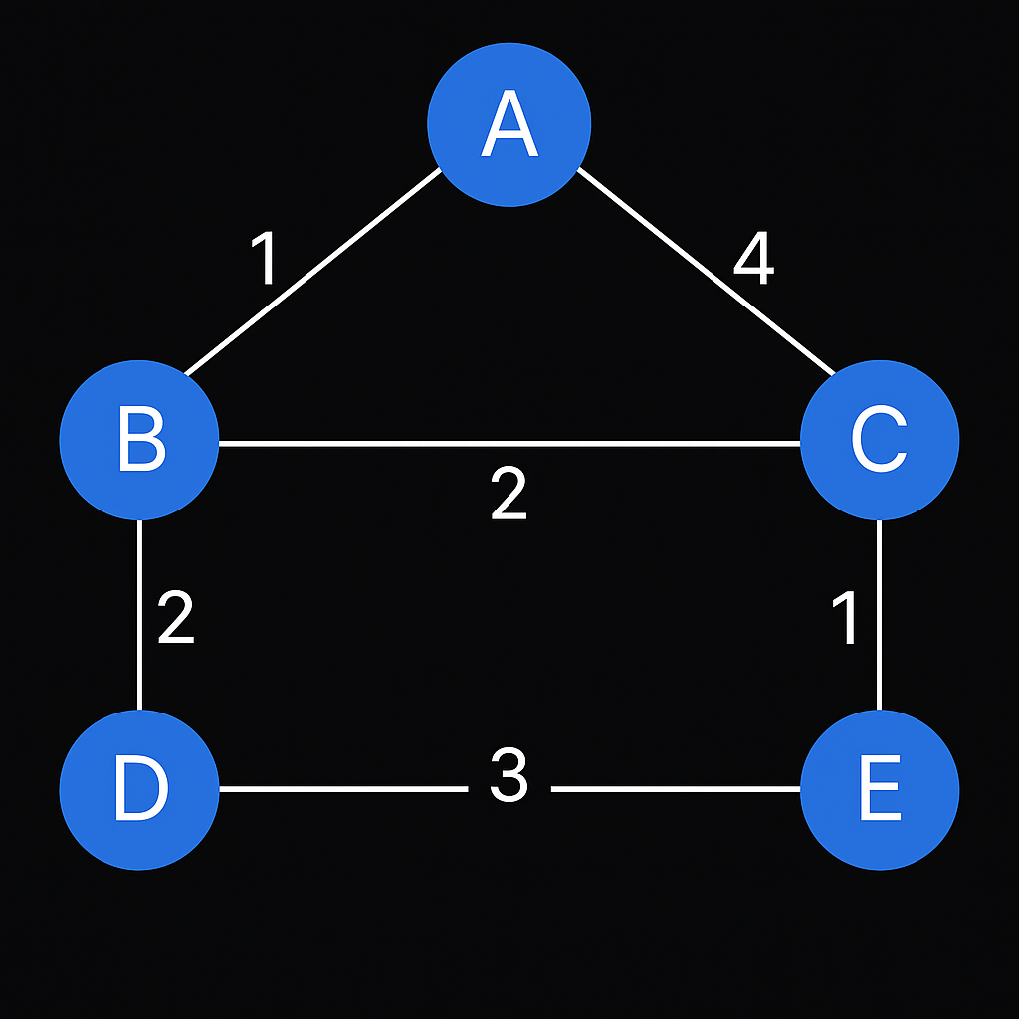
 | ---- | A | ----
1 | | | | |  | | | | | 4
 | B | ----- 2 ------ | C
2 | | | | |  | | | | | 1
 | D | ----- 3 ------ | E

Start Point

 | ---- | A | ---- |  | Vertex | Distance | Previous Vertex
1 | | | | |  | | | | | 4 | A | 0 | -
 | B | ----- 2 ------ | C |  | B | ∞ |  | Visited=[]
2 | | | | |  | | | | | 1 | C | ∞ |  | Unvisited=[A,B,C,D,E]
 | D | ----- 3 ------ | E |  | D | ∞
 |  |  |  |  | E | ∞

First Visit

 | ---- | A | ---- |  | Vertex | Distance | Previous Vertex
1 | | | | |  | | | | | 4 | A | 0 | -
 | B | ----- 2 ------ | C |  | B | 1 | A | Visited=[]
2 | | | | |  | | | | | 1 | C | 4 | A | Unvisited=[A,B,C,D,E]
 | D | ----- 3 ------ | E |  | D | ∞
 |  |  |  |  | E | ∞

Second Visit

 | ---- | A | ---- |  | Vertex | Distance | Previous Vertex
1 | | | | |  | | | | | 4 | A | 0 | -
 | B | ----- 2 ------ | C |  | B | 1 | A | Visited=[A]
2 | | | | |  | | | | | 1 | C | 1+2=3 | B | Unvisited=[B,C,D,E]
 | D | ----- 3 ------ | E |  | D | 1+2=3 | B
 |  |  |  |  | E | ∞

Third Visit

 | ---- | A | ---- |  | Vertex | Distance | Previous Vertex
1 | | | | |  | | | | | 4 | A | 0 | -
 | B | ----- 2 ------ | C |  | B | 1 | A | Visited=[A,B]
2 | | | | |  | | | | | 1 | C | 3 | B | Unvisited=[C,D,E]
 | D | ----- 3 ------ | E |  | D | 3 | B
 |  |  |  |  | E | 1+2+3=6 | D

Fourth Visit

 | ---- | A | ---- |  | Vertex | Distance | Previous Vertex
1 | | | | |  | | | | | 4 | A | 0 | -
 | B | ----- 2 ------ | C |  | B | 1 | A | Visited=[A,B,D]
2 | | | | |  | | | | | 1 | C | 3 | B | Unvisited=[C,E]
 | D | ----- 3 ------ | E |  | D | 3 | B
 |  |  |  |  | E | 3+1=4 | C

Fifth Visit

 | ---- | A | ---- |  | Vertex | Distance | Previous Vertex
1 | | | | |  | | | | | 4 | A | 0 | -
 | B | ----- 2 ------ | C |  | B | 1 | A | Visited=[A,B,D,C]
2 | | | | |  | | | | | 1 | C | 3 | B | Unvisited=[E]
 | D | ----- 3 ------ | E |  | D | 3 | B
 |  |  |  |  | E | 3+1=4 | C

Final Result

 | ---- | A | ---- |  | Vertex | Distance | Previous Vertex
1 | | | | |  | | | | | 4 | A | 0 | -
 | B | ----- 2 ------ | C |  | B | 1 | A | Visited=[A,B,D,C,E]
2 | | | | |  | | | | | 1 | C | 3 | B | Unvisited=[]
 | D | ----- 3 ------ | E |  | D | 3 | B
 |  |  |  |  | E | 4 | C

Example Shortest Paths

 | Start-End | Distance | Formula |  | Vertex | Distance | Previous Vertex
 | A->E | 4 | =G89 |  | A | 0 | - | Visited=[A,B,D,C,E]
 | A->C | 3 | =G88 |  | B | 1 | A | Unvisited=[]
 |  |  |  |  | C | 3 | B
 |  |  |  |  | D | 3 | B
 |  |  |  |  | E | 4 | C

Excercise_3
Initial Problem

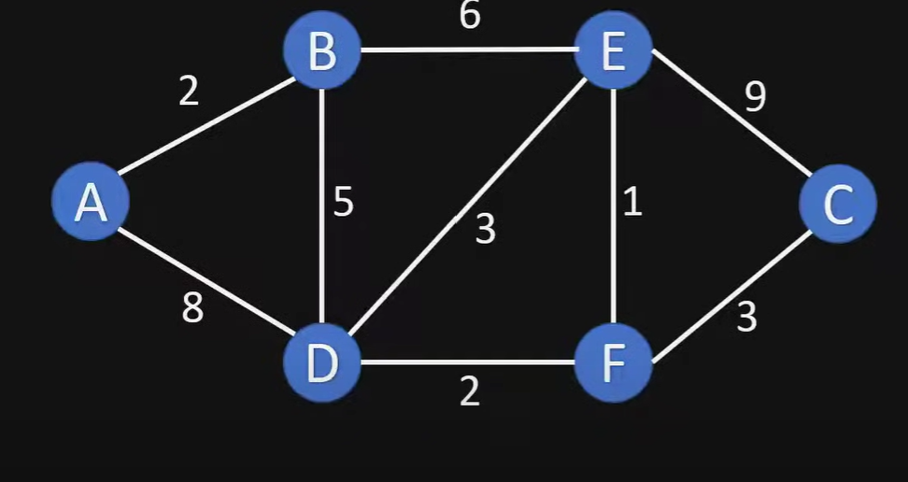
 | 2 |  |  |  |  |  |  |  | 9
 | ---- | -------- | B | -------- | 6 | -------- | E | ------ | -----
 | | | | |  | | | | |  |  | / / / | | | | |  | | | |
 | A |  | 5 |  | 3 |  | 1 |  | C
 | | | | |  | | | | | / / / |  |  | | | | |  | | | |
 | ---- | -------- | D | -------- | 2 | -------- | F | ------ | -----
 | 8 |  |  |  |  |  |  |  | 3

Start Point

 | 2 |  |  |  |  |  |  |  | 9 |  | Vertex | Distance | Previous Vertex
 | ---- | -------- | B | -------- | 6 | -------- | E | ------ | ----- |  | A | 0 | -
 | | | | |  | | | | |  |  | / / / | | | | |  | | | | |  | B | ∞ |  | Visited=[]
 | A |  | 5 |  | 3 |  | 1 |  | C |  | C | ∞ |  | Unvisited=[A,B,C,D,E,F]
 | | | | |  | | | | | / / / |  |  | | | | |  | | | | |  | D | ∞
 | ---- | -------- | D | -------- | 2 | -------- | F | ------ | ----- |  | E | ∞
 | 8 |  |  |  |  |  |  |  | 3 |  | F | ∞

First Visit

 | 2 |  |  |  |  |  |  |  | 9 |  | Vertex | Distance | Previous Vertex
 | ---- | -------- | B | -------- | 6 | -------- | E | ------ | ----- |  | A | 0 | -
 | | | | |  | | | | |  |  | / / / | | | | |  | | | | |  | B | 2 | A | Visited=[]
 | A |  | 5 |  | 3 |  | 1 |  | C |  | C | ∞ |  | Unvisited=[A,B,C,D,E,F]
 | | | | |  | | | | | / / / |  |  | | | | |  | | | | |  | D | 8 | A
 | ---- | -------- | D | -------- | 2 | -------- | F | ------ | ----- |  | E | ∞
 | 8 |  |  |  |  |  |  |  | 3 |  | F | ∞

Second Visit

 | 2 |  |  |  |  |  |  |  | 9 |  | Vertex | Distance | Previous Vertex
 | ---- | -------- | B | -------- | 6 | -------- | E | ------ | ----- |  | A | 0 | -
 | | | | |  | | | | |  |  | / / / | | | | |  | | | | |  | B | 2 | A | Visited=[A]
 | A |  | 5 |  | 3 |  | 1 |  | C |  | C | ∞ |  | Unvisited=[B,C,D,E,F]
 | | | | |  | | | | | / / / |  |  | | | | |  | | | | |  | D | 2+5=7 | B
 | ---- | -------- | D | -------- | 2 | -------- | F | ------ | ----- |  | E | 2+6=8 | B
 | 8 |  |  |  |  |  |  |  | 3 |  | F | ∞

Third Visit

 | 2 |  |  |  |  |  |  |  | 9 |  | Vertex | Distance | Previous Vertex
 | ---- | -------- | B | -------- | 6 | -------- | E | ------ | ----- |  | A | 0 | -
 | | | | |  | | | | |  |  | / / / | | | | |  | | | | |  | B | 2 | A | Visited=[A,B]
 | A |  | 5 |  | 3 |  | 1 |  | C |  | C | ∞ |  | Unvisited=[C,D,E,F]
 | | | | |  | | | | | / / / |  |  | | | | |  | | | | |  | D | 7 | B
 | ---- | -------- | D | -------- | 2 | -------- | F | ------ | ----- |  | E | 8 | B
 | 8 |  |  |  |  |  |  |  | 3 |  | F | 7+2=9 | D

Fourth Visit

 | 2 |  |  |  |  |  |  |  | 9 |  | Vertex | Distance | Previous Vertex
 | ---- | -------- | B | -------- | 6 | -------- | E | ------ | ----- |  | A | 0 | -
 | | | | |  | | | | |  |  | / / / | | | | |  | | | | |  | B | 2 | A | Visited=[A,B,D]
 | A |  | 5 |  | 3 |  | 1 |  | C |  | C | 8+9=17 | E | Unvisited=[C,E,F]
 | | | | |  | | | | | / / / |  |  | | | | |  | | | | |  | D | 7 | B
 | ---- | -------- | D | -------- | 2 | -------- | F | ------ | ----- |  | E | 8 | B
 | 8 |  |  |  |  |  |  |  | 3 |  | F | 9 | D

Fifth Visit

 | 2 |  |  |  |  |  |  |  | 9 |  | Vertex | Distance | Previous Vertex
 | ---- | -------- | B | -------- | 6 | -------- | E | ------ | ----- |  | A | 0 | -
 | | | | |  | | | | |  |  | / / / | | | | |  | | | | |  | B | 2 | A | Visited=[A,B,D,E]
 | A |  | 5 |  | 3 |  | 1 |  | C |  | C | 9+3=12 | F | Unvisited=[C,F]
 | | | | |  | | | | | / / / |  |  | | | | |  | | | | |  | D | 7 | B
 | ---- | -------- | D | -------- | 2 | -------- | F | ------ | ----- |  | E | 8 | B
 | 8 |  |  |  |  |  |  |  | 3 |  | F | 9 | D

Sixth Visit

 | 2 |  |  |  |  |  |  |  | 9 |  | Vertex | Distance | Previous Vertex
 | ---- | -------- | B | -------- | 6 | -------- | E | ------ | ----- |  | A | 0 | -
 | | | | |  | | | | |  |  | / / / | | | | |  | | | | |  | B | 2 | A | Visited=[A,B,D,E]
 | A |  | 5 |  | 3 |  | 1 |  | C |  | C | 9+3=12 | F | Unvisited=[C]
 | | | | |  | | | | | / / / |  |  | | | | |  | | | | |  | D | 7 | B
 | ---- | -------- | D | -------- | 2 | -------- | F | ------ | ----- |  | E | 8 | B
 | 8 |  |  |  |  |  |  |  | 3 |  | F | 9 | D

Final Result

 | 2 |  |  |  |  |  |  |  | 9 |  | Vertex | Distance | Previous Vertex
 | ---- | -------- | B | -------- | 6 | -------- | E | ------ | ----- |  | A | 0 | -
 | | | | |  | | | | |  |  | / / / | | | | |  | | | | |  | B | 2 | A | Visited=[A,B,D,E]
 | A |  | 5 |  | 3 |  | 1 |  | C |  | C | 12 | F | Unvisited=[]
 | | | | |  | | | | | / / / |  |  | | | | |  | | | | |  | D | 7 | B
 | ---- | -------- | D | -------- | 2 | -------- | F | ------ | ----- |  | E | 8 | B
 | 8 |  |  |  |  |  |  |  | 3 |  | F | 9 | D

Example Shortest Paths

 | Start-End | Distance | Formula |  |  | Vertex | Distance | Previous Vertex
 | A->E | 8 | =H108 |  |  | A | 0 | -
 | A->C | 12 | =H106 |  |  | B | 2 | A |  | Visited=[A,B,D,E]
 |  |  |  |  |  | C | 12 | F |  | Unvisited=[]
 |  |  |  |  |  | D | 7 | B
 |  |  |  |  |  | E | 8 | B
 |  |  |  |  |  | F | 9 | D

