Sheet1
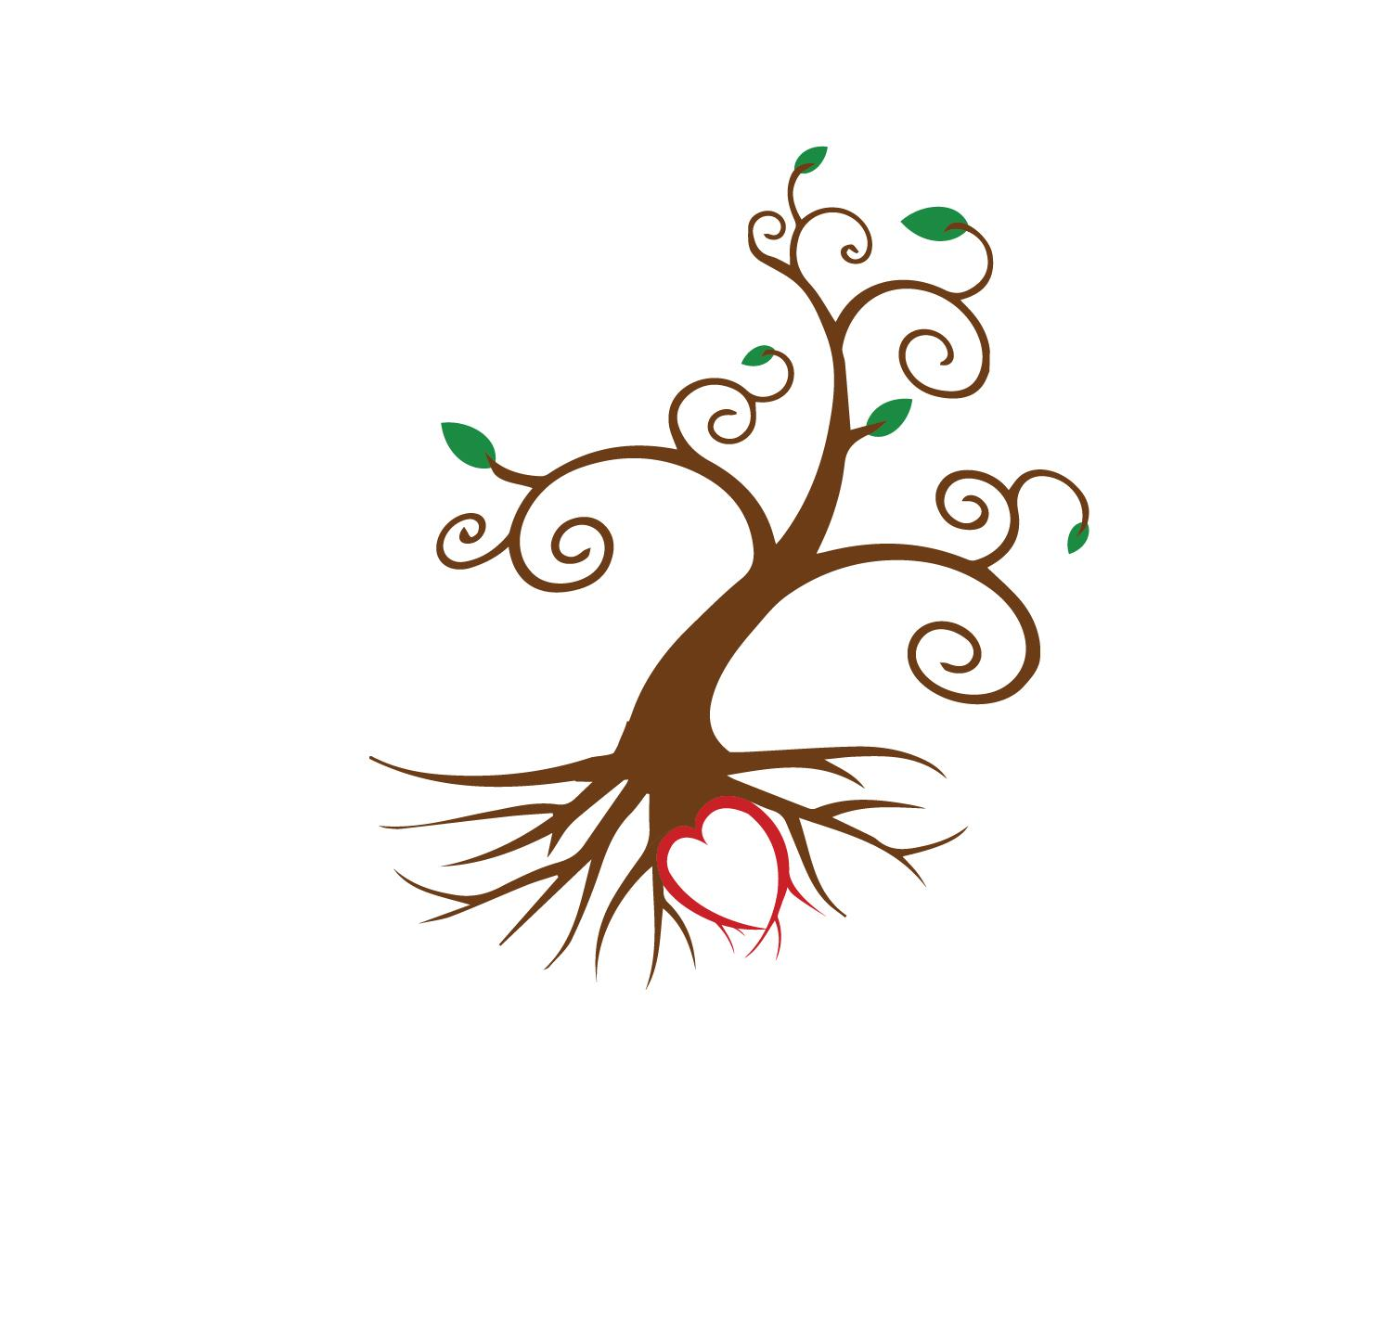
 | Gino's Nursery
 | 2237 2nd St Pike
 | Newtown, PA 18940
 | sales@ginosnursery.com
 | 267-750-9042

Item Name | Description | Category | Size | Current # | Future #
Athyrium filix-femina | Lady Fern | Fern | #1
Adiantum pedatum | Maidenhair Fern | Fern | #1 | 69 | 70
Denstaedia punctiloba | Hay Scented Fern | Fern | #1 | 69 | 50
Dryopteris marginalis | Marginal Wood Fern | Fern | #1 | 10
Matteuccia struthiopteris | Ostrich Fern | Fern | #2 | 21
Onoclea sensibilis | Sensitive Fern | Fern | #1 | 36
Polystichum acrostichoides | Christmas Fern | Fern | #1 | 30
Andropogon g Blackhawks | Big Bluestem | Grass | #1
Andropogon gerardii | Big Bluestem | Grass | #1 | 25 | 50
Andropogon virginicus | Broom Sedge | Grass | #1 |  | 50
Andropogon virginicus | Broom Sedge | Grass | #3
Carex amphibola | Creek Sedge | Grass | #1
Carex appalachia | Appalachian Sedge | Grass | #1 |  | 200
Carex laxiculmis | Creeping Sedge | Grass | #1 | 33
Carex l Hobb | Creeping Sedge | Grass | #1 | 37
Carex pensylvanica | Oak Sedge | Grass | #1 | 36 | 200
Carex plantaginea | Seersucker Sedge | Grass | #1 |  | 54
Carex platyphylia | Broad Leaf Sedge | Grass | #1
Carex rosea | Rosy Sedge | Grass | #1 |  | 100
Carex stricta | Tussock Sedge | Grass | #1 |  | 50
Carex vulpinoidea | Fox Sedge | Grass | #1 |  | 100
Chasmanthium latifolium | Northern Sea Oats | Grass | #1 | 48 | 100
Deschampsia C. Goldtau | Tufted Hairgrass | Grass | #1 | 35
Deschampsia cespitosa | Tufted Hairgrass | Grass | #1 |  | 200
Elymus hystrix | Bottlebrush Grass | Grass | #1 |  | 50
Elymus virginicus | Virginia Wild Rye | Grass | #1
Eragrostis spectabilis | Purple Lovegrass | Grass | #1 |  | 250
Muhlenbergia capillaris | Pink Muhly Grass | Grass | #3 | 50
Muhlenbergia capillaris | Pink Muhly Grass | Grass | #1 |  | 200
Panicum v Heavy Metal | Switchgrass | Grass | #1 | 25
Panicum v Shenandoah | Switchgrass | Grass | #1 |  | 50
Panicum virgatum | Switchgrass | Grass | #1 | 22 | 50
Panicum v Cloud Nine | Switchgrass | Grass | #1 | 4
Panicum v North Wind | Switchgrass | Grass | #1
Schizachyrium s Standing Ovation | Little Bluestem | Grass | #1 | 47
Schizachyrium scoparium | Little Bluestem | Grass | #1 |  | 200
Schizachyrium The Blues | Little Bluestem | Grass | #1 | 35
Sorghastrum n Golden Sunset | Indian Grass | Grass | #1 |  | 50
Sporobolus heterolepsis | Prairie Dropseed | Grass | #1 | 31 | 200
Achillea millefolium | Yarrow | Perennial | #1 | 39
Actaea pachypoda | White Baneberry | Perennial | #1 | 72
Actaea racemosa | Black Cohosh | Perennial | #1 | 102 | 100
Agastache foeniculum | Blue Giant Hyssop | Perennial | #1 | 3 | 50
Agastache f Golden Jubilee | Blue Giant Hyssop | Perennial | #1 |  | 50
Allium cernuum | Nodding Onion | Perennial | #1 | 30
Allium tricoccum | Ramps | Perennial | Qt
Amsonia Blue Ice | Blue Star | Perennial | #1 | 75
Amsonia hubrichtii | Blue Star | Perennial | #1 | 56 | 100
Amsonia hubrichtii | Blue Star | Perennial | #2 | 50
Amsonia tabernaemontana | Blue Star | Perennial | #1 | 35 | 100
Anemone canadensis | Canada Anemone | Perennial | #1 |  | 50
Anemone virginiana | Thimbleweed | Perennial | #1 |  | 50
Antennaria neglecta | Pussytoes | Perennial | #1
Antennaria plantaginafolia | Pussytoes | Perennial | #1
Apocynum cannabinum | Dogbane | Perennial | #1
Aquilegia canadensis | Columbine | Perennial | #1 | 49 | 100
Aquilegia c Corbett | Columbine | Perennial | #1 |  | 72
Aralia racemosa | American Spikenard | Perennial | #1
Arisaema triphyllum | Jack in the Pulpit | Perennial | Qt |  | 50
Arnoglossum atriplicifolium | Pale Indian Plantain | Perennial | #1 |  | 50
Aruncus Dioicus | Goatsbeard | Perennial | #1 | 16 | 50
Asarum canadense | Wild Ginger | Perennial | #1 | 104 | 150
Asclepias incarnata | Swamp Milkweed | Perennial | #1 | 100 | 288
Asclepias inc. var pulchra | Swamp Milkweed | Perennial | #1 |  | 50
Asclepias I Cinderella | Swamp Milkweed | Perennial | #1 |  | 100
Asclepias I Ice Ballet | Swamp Milkweed | Perennial | #1 |  | 50
Asclepias purpurescens | Purple Milkweed | Perennial | #1
Asclepias syriaca | Common Milkweed | Perennial | #1 |  | 50
Asclepias tuberosa | Butterfly Weed | Perennial | #1 |  | 138
Asclepias verticillata | Whorled Milkweed | Perennial | #1
Aster cordifolius | Blue Wood Aster | Perennial | #1 | 50
Aster divaricatas | White Wood Aster | Perennial | #1 | 95
Aster d Eastern Star | White Wood Aster | Perennial | #1 | 23
Aster e Snow Flurries | White Heath Aster | Perennial | #1 |  | 150
Aster laevis | Smooth Aster | Perennial | #1 | 42
Aster laevis | Smooth Aster | Perennial | #2
Aster macrophyllus | Big Leaf Aster | Perennial | #1 | 136
Aster macrophyllus | Big Leaf Aster | Perennial | #2
Aster m Twilight | Big Leaf Aster | Perennial | #1 | 18
Aster novae-angliae | New England Aster | Perennial | #1 | 45
Aster novae-angliae | New England Aster | Perennial | #2 | 26
Aster na Grape Crush | New England Aster | Perennial | #1 |  | 50
Aster novi-belgii | New York Aster | Perennial | #1 | 30
Aster novi-belgii | New York Aster | Perennial | #3 | 15
Aster o October Skies | Aromatic Aster | Perennial | #1 |  | 50
Aster o Raydons Favorite | Aromatic Aster | Perennial | #1
Aster oblongifolius | Aromatic Aster | Perennial | #1 | 19 | 50
Aster spectabilis | Showy Aster | Perennial | #1 |  | 50
Baptisia alba v macrophylla | White False Indigo | Perennial | #1 |  | 50
Baptisia australis | False Indigo | Perennial | #1 | 241
Baptisia pendula | White False Indigo | Perennial | #1 |  | 50
Blephilia ciliata | Downy Wood Mint | Perennial | #1
Boltonia asteroides | False Aster | Perennial | #2
Callirhoe involucrata | Winecups | Perennial | #1 |  | 90
Caltha palustris | Marsh Marigold | Perennial | #1 | 35 | 50
Caulophyllum thalictroides | Blue Cohosh | Perennial | #1 |  | 100
Chelone glabra | Turtlehead | Perennial | #1 |  | 40
Chelone l Tiny Tortuga | Turtlehead | Perennial | #1
Chimaphila maculata | Wintergreen | Perennial | Qt |  | 23
Chrysogonum virginianum | Green and Gold | Perennial | #1
Chrysogonum v Allen Bush | Green and Gold | Perennial | #1 | 100 | 100
Chrysogonum v Superstar | Green and Gold | Perennial | #1 | 3
Chrysogonum v var Australe | Green and Gold | Perennial | #1 |  | 86
Claytonia virginica | Spring Beauty | Perennial | Qt | 50
Collinsonia canadensis | Richweed | Perennial | #1 | 21
Conoclinium coelestinum | Blue Mistflower | Perennial | #1 |  | 150
Conoclinium coelestinum | Blue Mistflower | Perennial | #2
Coreopsis lanceolata | Lanceleaf Tickseed | Perennial | #1 |  | 100
Coreopsis l Baby Gold | Lanceleaf Tickseed | Perennial | #1 |  | 100
Coreopsis pubescens | Downy Tickseed | Perennial | #1 |  | 50
Coreopsis rosea | Pink Tickseed | Perennial | #1 |  | 40
Coreopsis tripteris | Tall Tickseed | Perennial | #3
Coreopsis v Zagreb | Whorled Tickseed | Perennial | #2 | 100
Coreopsis verticillata | Whorled Tickseed | Perennial | #1
Dalea purpurea | Purple Prairie Clover | Perennial | #1 | 0
Delphinium exaltatum | Tall Larkspur | Perennial | #1 | 1 | 50
Dicentra cucullaria | Dutchmans Breeches | Perennial | Qt |  | 50
Dicentra eximia | Fringed Bleeding Heart | Perennial | #1 | 188
Dodecatheon maedia | Shooting Star | Perennial | Qt |  | 50
Doellingeria umbellata | Flat Topped Aster | Perennial | #1 |  | 50
Echinacea pallida Hula Dancer | Purple Coneflower | Perennial | #1 | 12
Echinacea p Magnus | Purple Coneflower | Perennial | #1 |  | 100
Echinacea p Pow Wow White | Purple Coneflower | Perennial | #1 |  | 100
Echinacea pallida | Pale Purple Coneflower | Perennial | #1 |  | 50
Echinacea p PowWowBerry | Purple Coneflower | Perennial | #1 |  | 100
Echinacea purpurea | Purple Coneflower | Perennial | #1 | 78 | 150
Echinacea Tenn. Rocky Top | Tennessee Coneflower | Perennial | #1 |  | 50
Elephantopus caroliniana | Elephants Foot | Perennial | #1 | 64
Equisetum hyemale | Horsetail | Perennial | #1
Erigeron pul. Lynnhaven Carpet | Robins Plantain | Perennial | #1 |  | 96
Eryngium yuccifolium | Rattlesnake Master | Perennial | #1 |  | 50
Erythronium americanum | Trout Lily | Perennial | Qt |  | 50
Eupatorium dubium | Joe Pye Weed | Perennial | #2 | 51
Eupatorium dubium | Joe Pye Weed | Perennial | #1 | 83
Eupatorium fistulosum | Joe Pye Weed | Perennial | #1 | 60
Eupatorium fistulosum | Joe Pye Weed | Perennial | #2
Eupatorium hyssopifolium | Joe Pye Weed | Perennial | #1 | 28
Eupatorium hyssopifolium | Joe Pye Weed | Perennial | #2 | 12
Eupatorium Baby Joe | Joe Pye Weed | Perennial | #1 | 25
Eupatorium Little Joe | Joe Pye Weed | Perennial | #1 | 9
Eupatorium maculatum | Joe Pye Weed | Perennial | #1 | 16
Eupatorium maculatum | Joe Pye Weed | Perennial | #2 | 20
Eupatorium perfoliatum | Boneset | Perennial | #1 | 81
Eupatorium perfoliatum | Boneset | Perennial | #3
Eupatorium p Euphoria Ruby | Joe Pye Weed | Perennial | #1 |  | 32
Fragaria virginiana | Wild Strawberry | Perennial | #1 |  | 90
Gaultheria procumbens | Wintergreen | Perennial | #1
Gentiana andrewsii | Bottle Gentian | Perennial | #1
Geranium m Espresso | Espresso Geranium | Perennial | #1 |  | 32
Geranium maculatum | Geranium | Perennial | #1 | 50 | 196
Goodyera pubescens | Downy Rattlesnake Plantain | Perennial | Qt | 21
Helenium autumnale | Sneezeweed | Perennial | #3
Helenium autumnale | Sneezeweed | Perennial | #1
Helenium a Red Shades | Sneezeweed | Perennial | #1 |  | 50
Helenium flexuosum | Purple Headed Sneezeweed | Perennial | #1 |  | 50
Helianthus angustifolius | Swamp Sunflower | Perennial | #1
Helianthus decapetalus | Ten Petaled Sunflower | Perennial | #2
Helianthus divaricatus | Woodland Sunflower | Perennial | #1 | 8
Helianthus divaricatus | Woodland Sunflower | Perennial | #2 | 52
Helianthus maximiliani | Maximilian Sunflower | Perennial | #2
Helianthus tuberosus | Sunchoke | Perennial | #3
Helianthus tuberosus | Sunchoke | Perennial | BR
Heliopsis helianthoides | False Sunflower | Perennial | #1 | 63 | 200
Heliopsis helianthoides | False Sunflower | Perennial | #2
Heliopsis h Summer Nights | False Sunflower | Perennial | #1
Hepatica acutiloba | Sharp Lobed Hepatica | Perennial | Qt |  | 50
Heuchera a Dales Strain | Alumroot | Perennial | #1
Heuchera americana | Alumroot | Perennial | #1
Heuchera Autumn Bride | Coral Bells | Perennial | #1 | 50
Heuchera Autumn Bride | Coral Bells | Perennial | #2
Heuchera Blackout | Coral Bells | Perennial | #1
Heuchera Bronze Wave | Coral Bells | Perennial | #1 | 31
Heuchera Caramel | Coral Bells | Perennial | #1 | 33
Heuchera Citronelle | Coral Bells | Perennial | #1 | 50
Heuchera a Green Spice | Coral Bells | Perennial | #1 | 50
Heuchera longiflora | Long Flower Alumroot | Perennial | #1
Hibiscus coccineus | Scarlet Rosemallow | Perennial | #1
Hibiscus coccineus | Scarlet Rosemallow | Perennial | #3 | 54 | 33
Hibiscus laevis | Halberd Leaf Rosemallow | Perennial | #1
Hibiscus laevis | Halberd Leaf Rosemallow | Perennial | #3
Hibiscus moscheutos | Swamp Rose Mallow | Perennial | #1 | 96
Hibiscus moscheutos | Swamp Rose Mallow | Perennial | #3 | 29
Hydrastis canadensis | Goldenseal | Perennial | Qt
Hypericum punctatum | St Johns Wort | Perennial | #1
Iris c Tennessee White | Crested Iris | Perennial | #1 | 9 | 100
Iris cristata | Crested Iris | Perennial | #1 | 99 | 100
Iris c Eco Bluebird | Crested Iris | Perennial | #1 | 21
Iris c Powder Blue Giant | Crested Iris | Perennial | #1 |  | 100
Iris fulva | Copper Iris | Perennial | #1 | 21 | 50
Iris versicolor | Blue Flag Iris | Perennial | #1 | 100
Iris versicolor | Blue Flag Iris | Perennial | #2 | 48
Iris v Purple Flame | Blue Flag Iris | Perennial | #1 | 25
Jeffersonia diphylla | Twinleaf | Perennial | #1 |  | 25
Juncus effusis | Common Rush | Perennial | #1 | 22
Liatris aspera | Blazing Star | Perennial | #1
Liatris spicata Kobold | Blazing Star | Perennial | #1
Liatris spicata Kobold | Blazing Star | Perennial | #2 | 62
Liatris scariosa | Blazing Star | Perennial | #1
Liatris spicata | Blazing Star | Perennial | #2
Liatris spicata | Blazing Star | Perennial | #1 |  | 230
Liatris squarosa | Blazing Star | Perennial | #1
Lilium superbum | Turks Cap Lily | Perennial | #1
Lobelia cardinalis | Cardinal Flower | Perennial | #1 |  | 196
Lobelia c Black Truffle | Cardinal Flower | Perennial | #1 |  | 50
Lobelia siphilitica | Blue Cardinal Flower | Perennial | #1 | 35 | 150
Lysimachia l var purpurea | Lanceleaf Loosestrife | Perennial | #1
Lysimachia l Burgundy Mist | Lanceleaf Loosestrife | Perennial | #1 |  | 64
Manfreda virginica | American Aloe | Perennial | #2 | 9
Manfreda virginica | American Aloe | Perennial | #1 | 40
Medeola virginica | Indian Cucumber Root | Perennial | Qt
Meehania cordata | Meehans Mint | Perennial | #1 |  | 64
Mertensia virginica | Virginia Bluebells | Perennial | #1 | 37 | 150
Mimulus ringens | Allegheny Monkeyflower | Perennial | #1 |  | 240
Mitchella repens | Partridgeberry | Perennial | Qt | 5 | 100
Monarda bradburiana | Eastern Bee Balm | Perennial | #1 |  | 50
Monarda d Claire Grace | Bee Balm | Perennial | #1 |  | 50
Monarda d Jacob Kline | Bee Balm | Perennial | #1 |  | 100
Monarda d Jacob Kline | Bee Balm | Perennial | #2
Monarda Petite Delight | Bee Balm | Perennial | #1 | 25
Monarda didyma | Bee Balm | Perennial | #2
Monarda didyma | Bee Balm | Perennial | #1 |  | 200
Monarda d Gardenview Scarlet | Bee Balm | Perennial | #1 |  | 50
Monarda Raspberry Wine | Bee Balm | Perennial | #1 | 5
Monarda fistulosa | Wild Bergamot | Perennial | #1 |  | 190
Monarda fistulosa | Wild Bergamot | Perennial | #2
Monarda punctata | Spotted Bee Balm | Perennial | #1 | 20
Monarda punctata | Spotted Bee Balm | Perennial | #2 | 3
Oenethera fruticosa | Sundrops | Perennial | #1 |  | 100
Oenothera f Fireworks | Sundrops | Perennial | #1 |  | 72
Opuntia humifusa | Prickly Pear Cactus | Perennial | Qt | 50
Pachysandra procumbens | Allegheny Spurge | Perennial | #1 | 43 | 100
Packera aurea | Golden Ragwort | Perennial | #1 |  | 285
Packera obovata | Roundleaf Ragwort | Perennial | #1 |  | 32
Parthenium integrifolium | Wild Quinine | Perennial | #1 | 9 | 50
Parthenium integrifolium | Wild Quinine | Perennial | #2
Penstemmon d Blackbeard | Beardstongue | Perennial | #1 |  | 50
Penstemon d Pocahontas | Beardstongue | Perennial | #1 |  | 100
Penstemon calycossus | Beardstongue | Perennial | #1 | 30
Penstemon digitalis | Beardstongue | Perennial | #1 | 80
Phacelia bipinnatifida | Fernleaf Phacelia | Perennial | #1
Phlox divaricata | Wild Blue Phlox | Perennial | #1 | 12
Phlox divaricata Blue Moon | Wild Blue Phlox | Perennial | #1 | 10 | 100
Phlox divaricata May Breeze | Wild Blue Phlox | Perennial | #1 |  | 100
Phlox maculata | Meadow Phlox | Perennial | #1 |  | 90
Phlox p Blue Paradise | Garden Phlox | Perennial | #1
Phlox p Jeanna | Garden Phlox | Perennial | #1 | 50
Phlox p Nicky | Garden Phlox | Perennial | #1
Phlox paniculata | Garden Phlox | Perennial | #1
Phlox s Emerald Blue | Moss Phlox | Perennial | #1 | 75
Phlox s Emerald Pink | Moss Phlox | Perennial | #1 | 50
Phlox stolonifera | Creeping Phlox | Perennial | #1 | 32 | 100
Physostegia virginiana | Obedient Plant | Perennial | #1 |  | 50
Physostegia v Miss Manners | Obedient Plant | Perennial | #1 | 15
Podophyllum peltatum | Mayapple | Perennial | #1 | 50
Polemonium reptans | Jacobs Ladder | Perennial | #1 |  | 190
Polemonium Stairway to Heaven | Jacobs Ladder | Perennial | #1 |  | 72
Polygonatum biflorum | Solomons Seal | Perennial | #1 | 139 | 50
Porteranthus trifoliatus | Bowmans Root | Perennial | #1 |  | 91
Porteranthus t Pink Profusion | Bowmans Root | Perennial | #1 |  | 32
Potentilla simplex | Common Cinquefoil | Perennial | #1
Prunella v Magdalena | Self Heal | Perennial | #1 | 65 | 150
Pycnanthemum flexuosum | Appalachian Mountain Mint | Perennial | #1
Pycnanthemum incanum | Hoary Mt Mint | Perennial | #1 | 66 | 150
Pycnanthemum muticum | Sharp Toothed Mt Mint | Perennial | #1 | 33 | 200
Pycnanthemum tenuifolium | Narrow Leaved Mt Mint | Perennial | #1 |  | 50
Pycnanthemum virginianum | Virginia Mt Mint | Perennial | #1
Ratibida pinnata | Prairie Coneflower | Perennial | #1
Ratibida pinnata | Prairie Coneflower | Perennial | #2 | 39
Rudbeckia f Lil Goldstar | Black Eyed Susan | Perennial | #1 | 40
Rudbeckia f Lil Goldstar | Black Eyed Susan | Perennial | #2 | 50
Rudbeckia fulgida var fulgida | Black Eyed Susan | Perennial | #2 | 69
Rudbeckia fulgida Goldstrum | Black Eyed Susan | Perennial | #1
Rudbeckia fulgida var deamii | Black Eyed Susan | Perennial | #1 | 28 | 150
Rudbeckia fulgida var deamii | Black Eyed Susan | Perennial | #2 | 26
Rudbeckia hirta | Black Eyed Susan | Perennial | #1
Rudbeckia laciniata | Green Headed Coneflower | Perennial | #3 | 35
Rudbeckia subtomentosa | Sweet Coneflower | Perennial | #1
Rudbeckia triloba | Brown Eyed Susan | Perennial | #1 | 11 | 50
Ruellia humilis | Wild Petunia | Perennial | #1 | 40
Salvia lyrata Purple Knockout | Lyre Leaf Sage | Perennial | #1 |  | 50
Sanguinarua canadensis | Bloodroot | Perennial | Qt |  | 100
Satureja vulgaris | Wild Basil | Perennial | #1
Scutellaria incana | Hoary Skullcap | Perennial | #1 |  | 50
Scutellaria ovata | Heartleaf Skullcap | Perennial | #1 |  | 50
Sedum ternatum | Woodland Stonecrop | Perennial | Qt | 62
Silene c Short and Sweet | Wild Pink | Perennial | #1 |  | 72
Silene virginica | Fire Pink | Perennial | #1
Silphium laciatum | Compass Plant | Perennial | #1
Silphium perfoliatum | Cup Plant | Perennial | #1
Silphium perfoliatum | Cup Plant | Perennial | #2 | 11
Sisyrinchium a Lucerne | Blue Eyed Grass | Perennial | #1 |  | 294
Smilacena racemosa | False Solomons Seal | Perennial | #1
Solidago caesia | Blue Stemmed Goldenrod | Perennial | #1 |  | 40
Solidago flexicaulis | ZigZag Goldenrod | Perennial | #1 | 30
Solidago graminifolia | Grass Leaved Goldenrod | Perennial | #1 |  | 50
Solidago nemoralis | Grey Goldenrod | Perennial | #1 |  | 50
Solidago odora | Sweet Goldenrod | Perennial | #1 |  | 50
Solidago s Golden Fleece | Autumn Goldenrod | Perennial | #1 | 60 | 150
Solidago Fireworks | Goldenrod | Perennial | #1 | 25
Solidago Little Lemon | Dwarf Goldenrod | Perennial | #1 | 60
Solidago sempervirens | Seaside Goldenrod | Perennial | #1 | 15
Solidago sempervirens | Seaside Goldenrod | Perennial | #3 | 6
Solidago speciosa | Showy Goldenrod | Perennial | #1 |  | 50
Spigelia marilandica | Indian Pink | Perennial | Qt |  | 150
Spigelia m Lil Redhead | Indian Pink | Perennial | #1 |  | 128
Stylophorum diphyllum | Wood Poppy | Perennial | #1 |  | 80
Thermopsis caroliniana | Carolina Lupine | Perennial | #2
Tiarella Brandywine | Foamflower | Perennial | #1 | 44
...

