Sheet1
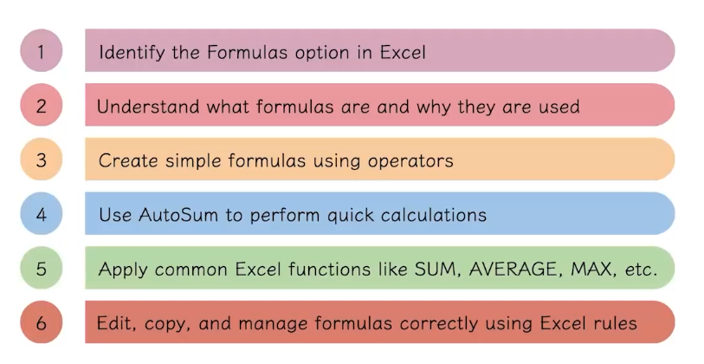
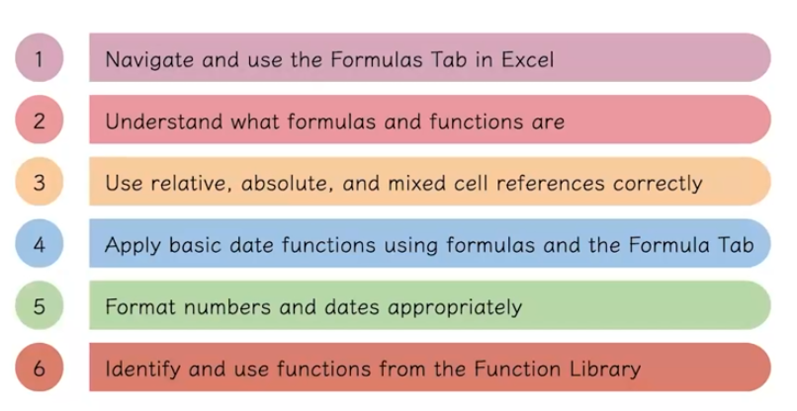
Name | Age | Salary | Date of joining | Awarded | vid 3 | Product name | Price | Quantity | Totel Cost | vid 4
Harry | 18 | 25000 | 2025-09-09 | TRUE |  | A | 25 | 2 | 50
Ron | 25 | 15000 | 2025-07-20 | FALSE |  | B | 34 | 3 | 102
Lukus | 36 | 18000 | 2026-02-25 | FALSE |  | C | 26 | 5 | 130
Danny | 29 | 20000 | 2024-11-16 | TRUE |  | D | 58 | 4 | 232
 |  |  |  |  |  | Total | 143 | 14 | 514
 |  |  |  |  |  | Avg | 35.75
 |  |  |  |  |  | Count | 4
 |  |  |  |  |  | MIN | 25
 |  |  |  |  |  | MAX | 58

