Details
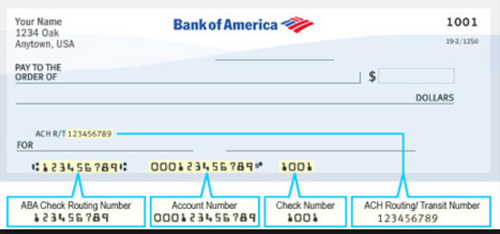
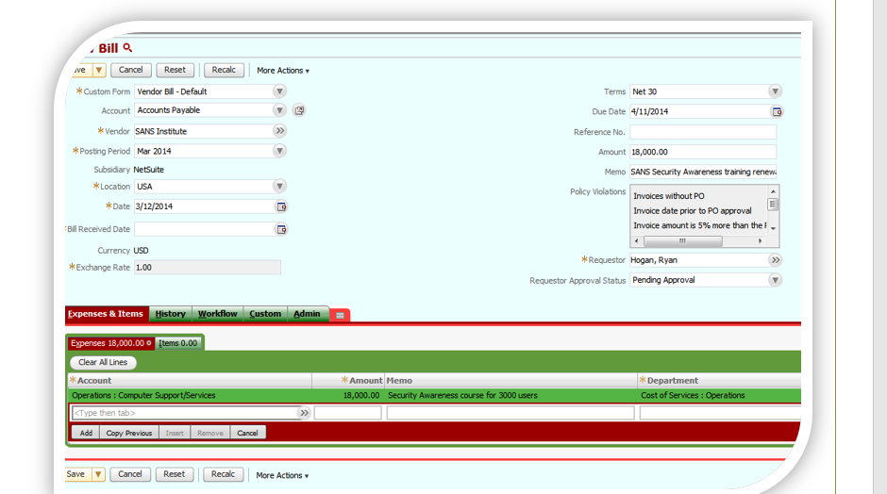
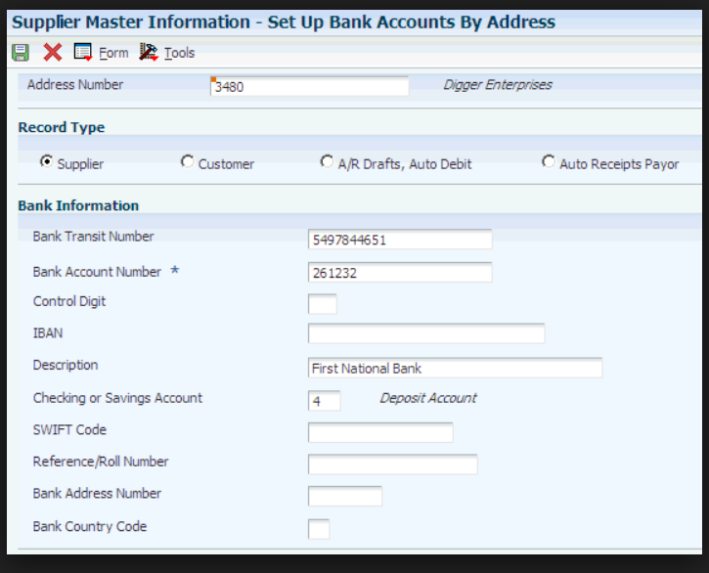
Requestor Approval Status
Invoices without PO
Invoice date prior to PO approval

Invoice Category
Invoice with PO
Non-PO Invoices

PaymentStatus
Void
Intransit
Paid
Cleared

