Details
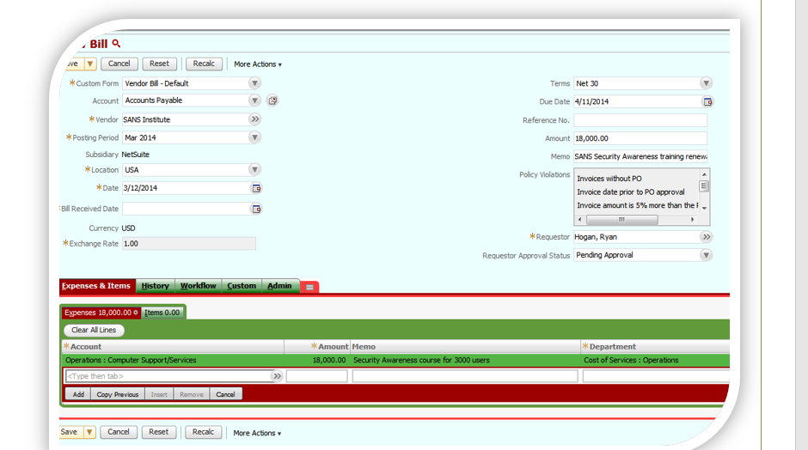
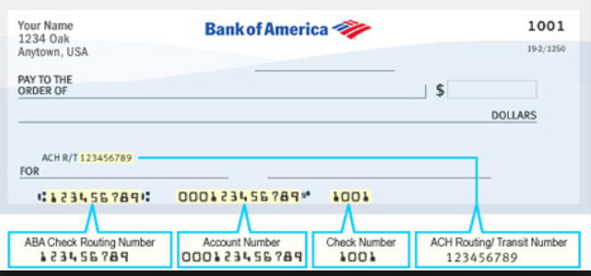
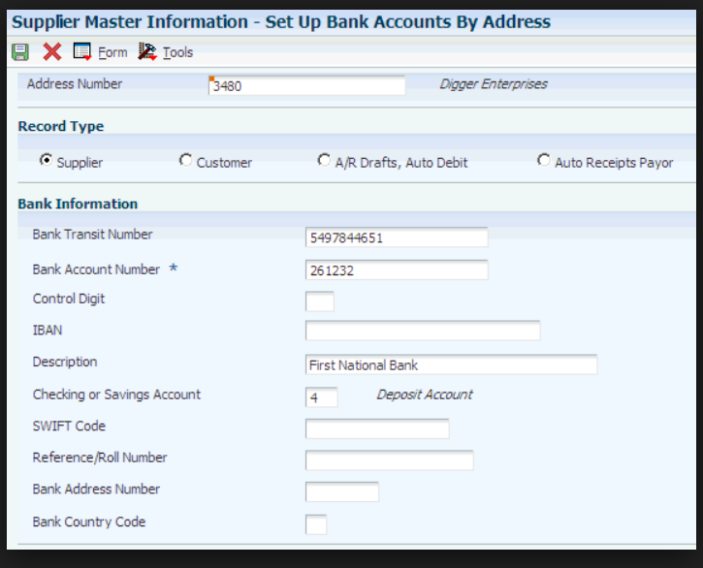
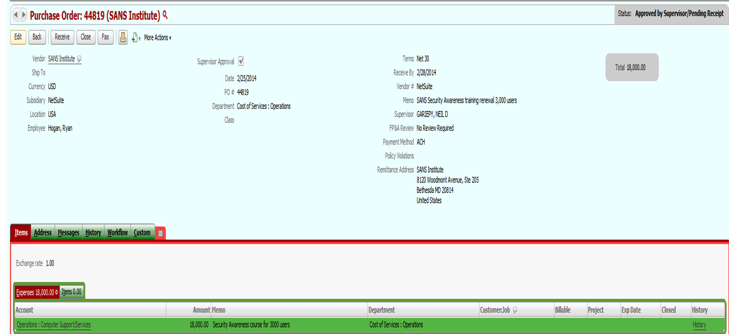
USERACCESS | Restriction
EmployeeCenter | Create, Read, Update, Delete, Attached
Purchasing | Create, Read, Update, Delete, Attached
AccountsPayable | Create, Read, Update, Delete, Attached
VendorInvoiceCapture | Create, Read, Update, Delete, Attached
SuperUser | Full Access
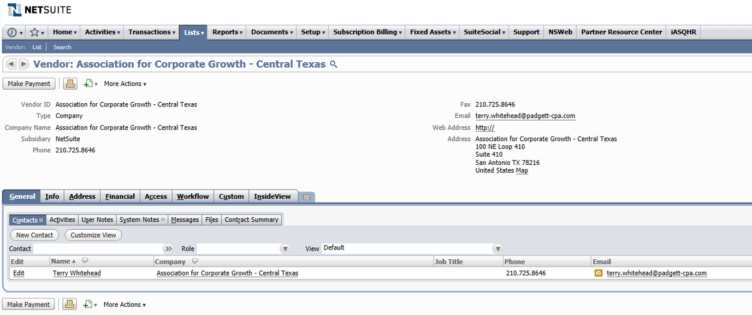
Requestor Approval Status
Invoices without PO
Invoice date prior to PO approval

Invoice Category
Invoice with PO
Non-PO Invoices

PaymentStatus
Void
Intransit
Paid
Cleared

