Details
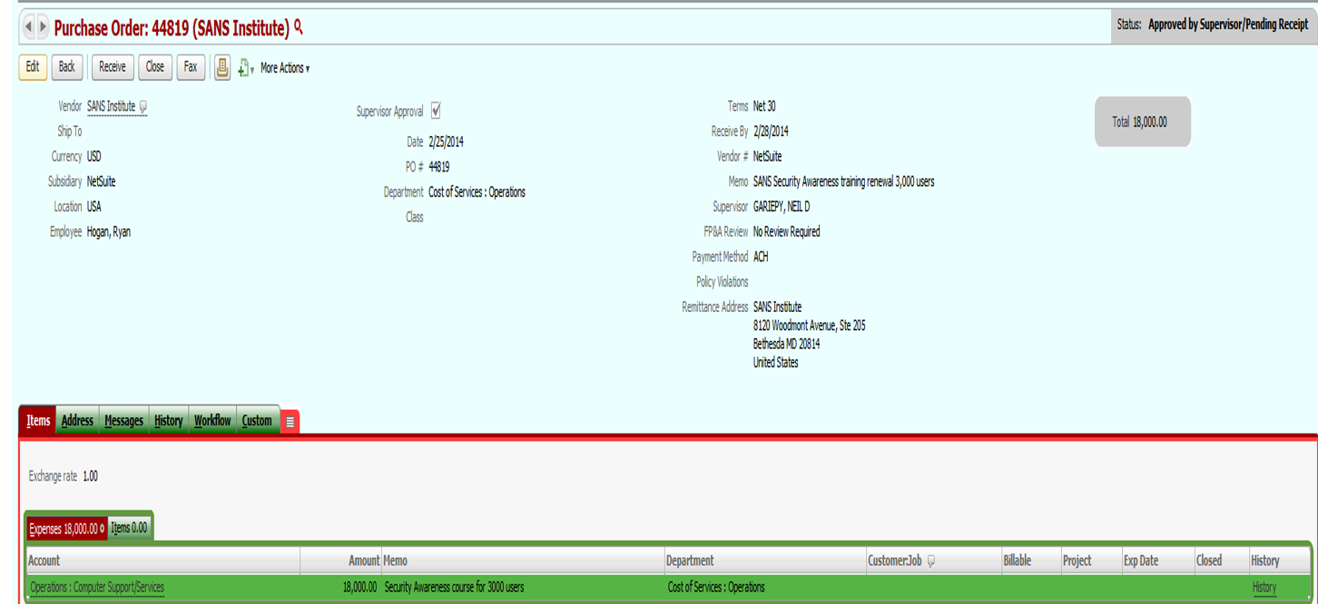
USERACCESS | Restriction
EmployeeCenter | Create, Read, Update, Delete, Attached
Purchasing | Create, Read, Update, Delete, Attached
AccountsPayable | Create, Read, Update, Delete, Attached
VendorInvoiceCapture | Create, Read, Update, Delete, Attached
SuperUser | Full Access

Requestor Approval Status
Invoices without PO
Invoice date prior to PO approval

Invoice Category
Invoice with PO
Non-PO Invoices

PaymentStatus
Void
Intransit
Paid
Cleared

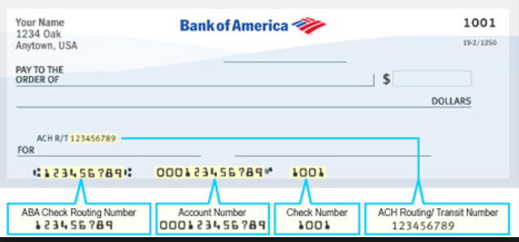

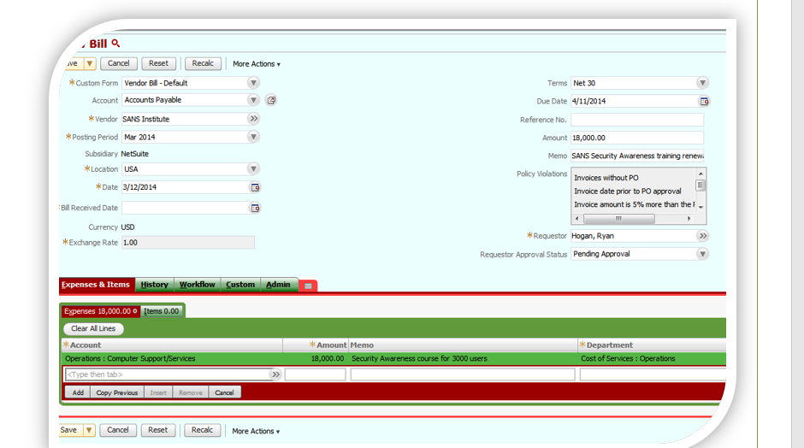

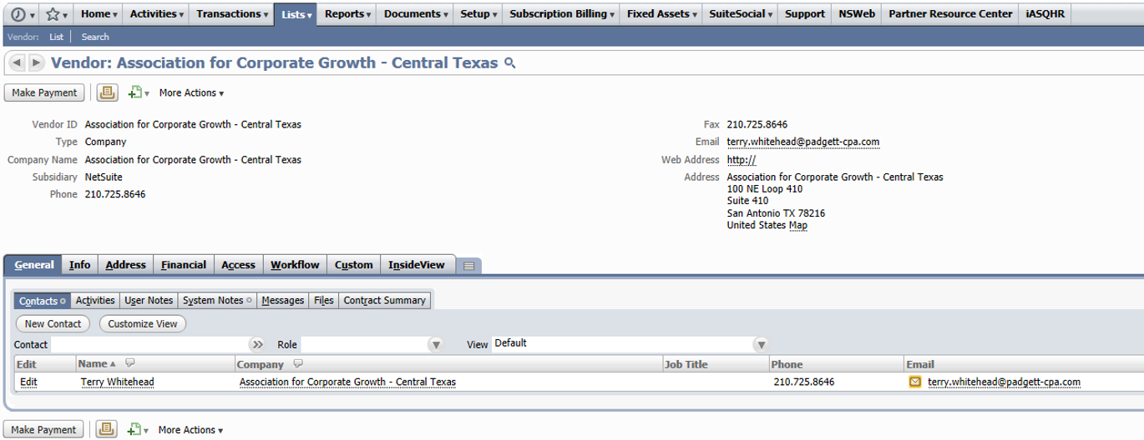

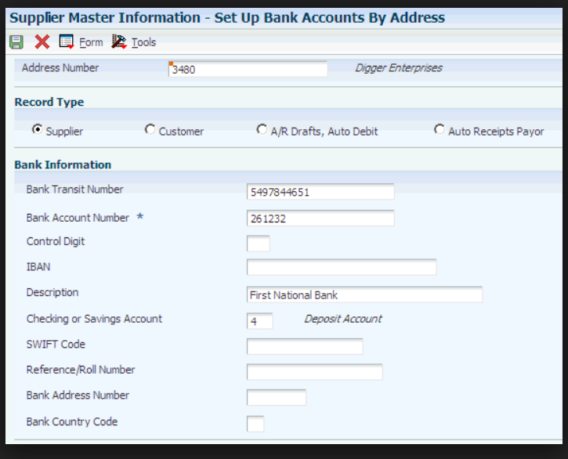

 |  | 5497844651

Design
ERPInvoisEvalv Login

*User Name | enter username

*Password | enter password
Login

----------+------------+-------------+---------------------------------+------------+-------------+----------+-------+---------+
| vendorId | subsidiary | vendorName | vendorAddress | taxidssn | paymentType | currency | terms | taxable |
+----------+------------+-------------+---------------------------------+------------+-------------+----------+-------+---------+
| 10001 | us | Atlassians | San San Francisco, CA 94103 | 20-3345959 | ach | usd | N30 | Yes |
| 10002 | us | Deltek Inc. | 509 Olive Way Seattle, WA 98101 | 20-3365454 | ach | usd | N15 | Yes |
| 10003 | us | Dell Inc. | Round Rock, TexasÔÇÄ, USA | 20-3376464 | wire | usd | N45 | Yes |
+----------+------------+-------------+---------------------------------+------------+-------------+----------+-------+---------+

----------+------------------+---------------+-------------+-----------------+---------------+--------------+-----------+-------------------+------------------------------------+
| vendorId | paymentReference | paymentStatus | beneficiary | bankName | accountNumber | accountType | swiftCode | bankAddressNumber | remittanceAdd |
+----------+------------------+---------------+-------------+-----------------+---------------+--------------+-----------+-------------------+------------------------------------+
| 10001 | 10000001 | paid | Atlassians | bank of america | 261232 | savings acct | BOFAUS3N | 26123289 | North Carolina 28255 |
| 10001 | 10000002 | paid | Atlassians | bank of america | 261232 | savings acct | BOFAUS3N | 26123289 | North Carolina 28255 |
| 10002 | 10000003 | paid | Deltek Inc. | bank of america | 265262 | savings acct | BOFAUS3N | 26526288 | Ny 10038, United States Of America |
| 10003 | 10000004 | paid | Dell Inc. | bank of america | 267563 | savings acct | BOFAUS3N | 26526288 | Ny 10038, United States Of America |
| 10003 | 10000005 | unpaid | Dell Inc. | bank of america | 267563 | savings acct | BOFAUS3N | 26526288 | Ny 10038, United States Of America |
+----------+------------------+---------------+-------------+-----------------+---------------+--------------+-----------+-------------------+------------------------------------+

