Sheet1
1249 Minimum Remove to Make Valid Parentheses |  | https://leetcode-cn.com/problems/minimum-remove-to-make-valid-parentheses
1197 Minimum Knight Moves | 曼哈顿路径??? | https://leetcode-cn.com/problems/minimum-knight-moves
1192 Critical Connections in a Network: | 寻找割点/ | https://leetcode-cn.com/problems/critical-connections-in-a-network
1048 Longest String Chain | 序列 cur为end的 比较之前所有的 | https://leetcode-cn.com/problems/longest-string-chain
994 Rotting Oranges |  | https://leetcode-cn.com/problems/rotting-oranges
986 Interval List Intersections | interval 还是有些蒙, 主要是条件上不同吧 | https://leetcode-cn.com/problems/interval-list-intersections
981 Time Based Key-Value Store |  | https://leetcode-cn.com/problems/time-based-key-value-store
973 K Closest Points to Origin |  | https://leetcode-cn.com/problems/k-closest-points-to-origin
953 Verifying an Alien Dictionary |  | https://leetcode-cn.com/problems/verifying-an-alien-dictionary
937 Reorder Data in Log Files |  | https://leetcode-cn.com/problems/reorder-data-in-log-files
829 Consecutive Numbers Sum | 数据 == | https://leetcode-cn.com/problems/consecutive-numbers-sum
811 Subdomain Visit Count |  | https://leetcode-cn.com/problems/subdomain-visit-count
773 Sliding Puzzle | 主要是编码的问题 华容道 二维数组的生命 | https://leetcode-cn.com/problems/sliding-puzzle
759 Employee Free Time | 堆 + interval | https://leetcode-cn.com/problems/employee-free-time
706 Design HashMap |  | https://leetcode-cn.com/problems/design-hashmap
692 Top K Frequent Words |  | https://leetcode-cn.com/problems/top-k-frequent-words
642 Design Search Autocomplete System | 有点麻烦 好像是lru 试一下 | https://leetcode-cn.com/problems/design-search-autocomplete-system
609 Find Duplicate File in System | 挺实际的题 做一下 | https://leetcode-cn.com/problems/find-duplicate-file-in-system
560 Subarray Sum Equals K |  | https://leetcode-cn.com/problems/subarray-sum-equals-k
547 Friend Circles | union find - size 可以在connect的时候减1 维护 | https://leetcode-cn.com/problems/friend-circles
543 Diameter of Binary Tree |  | https://leetcode-cn.com/problems/diameter-of-binary-tree
415 Add Strings | add 也要在 计算add的时候加 | https://leetcode-cn.com/problems/add-strings
412 Fizz Buzz |  | https://leetcode-cn.com/problems/fizz-buzz
394 Decode String | regularExp | https://leetcode-cn.com/problems/decode-string
380 Insert Delete GetRandom O(1) |  | https://leetcode-cn.com/problems/insert-delete-getrandom-o(
364 Nested List Weight Sum II | bfs 求层的套路 | https://leetcode-cn.com/problems/nested-list-weight-sum-ii
362 Design Hit Counter |  | https://leetcode-cn.com/problems/design-hit-counter
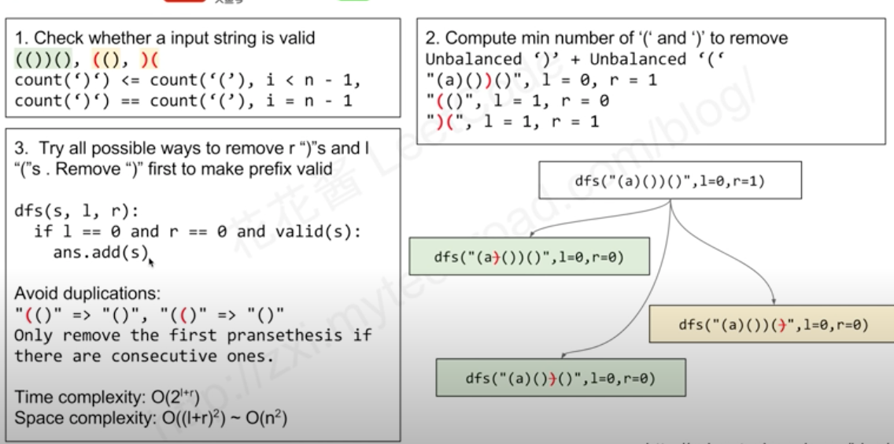
348 Design Tic-Tac-Toe |  | https://leetcode-cn.com/problems/design-tic-tac-toe
- 1402. 做菜顺序 (贪心) | 一点层序都没有囧
347 Top K Frequent Elements | heap | https://leetcode-cn.com/problems/top-k-frequent-elements
336 Palindrome Pairs | dp | https://leetcode-cn.com/problems/palindrome-pairs | 困难 | ???
332 Reconstruct Itinerary |  | https://leetcode-cn.com/problems/reconstruct-itinerary |  | ???
322 Coin Change |  | https://leetcode-cn.com/problems/coin-change
301 Remove Invalid Parentheses | 挨个来 + 去重是在外循环 | https://leetcode-cn.com/problems/remove-invalid-parentheses
297 Serialize and Deserialize Binary Tree | bfs 和 dfs 都应该可以, dfs好一点 | https://leetcode-cn.com/problems/serialize-and-deserialize-binary-tree
295 Find Median from Data Stream | 双指针 因为有排序 | 大小堆 每次都推一边 保持中间有序 | https://leetcode-cn.com/problems/find-median-from-data-stream
289 Game of Life | 复合状态 有意思 | https://leetcode-cn.com/problems/game-of-life
283 Move Zeroes |  | https://leetcode-cn.com/problems/move-zeroes
273 Integer to English Words |  | https://leetcode-cn.com/problems/integer-to-english-words
269 Alien Dictionary | 拓扑排序 思路没见过 再瞅瞅 什么时候visited 什么时候不visited | https://leetcode-cn.com/problems/alien-dictionary
253 Meeting Rooms II | 西路也是看空间, 似然的模拟 想数据结构, 上下车法 及还挺直观的 | https://leetcode-cn.com/problems/meeting-rooms-ii
240 Search a 2D Matrix II | 知道及很简单 | https://leetcode-cn.com/problems/search-a-2d-matrix-ii/
239 Sliding Window Maximum |  | https://leetcode-cn.com/problems/sliding-window-maximum
238 Product of Array Except Self |  | https://leetcode-cn.com/problems/product-of-array-except-self
236 Lowest Common Ancestor of a Binary Tree |  | https://leetcode-cn.com/problems/lowest-common-ancestor-of-a-binary-tre
227 Basic Calculator II |  | https://leetcode-cn.com/problems/basic-calculator-ii
224 Basic Calculator |  | https://leetcode-cn.com/problems/basic-calculator
221 Maximal Square |  | https://leetcode-cn.com/problems/maximal-square
215 Kth Largest Element in an Array |  | https://leetcode-cn.com/problems/kth-largest-element-in-an-array
212 Word Search II |  | https://leetcode-cn.com/problems/word-search-ii
206 Reverse Linked List |  | https://leetcode-cn.com/problems/reverse-linked-list
202 Happy Number |  | https://leetcode-cn.com/problems/happy-number
200 Number of Islands |  | https://leetcode-cn.com/problems/number-of-islands
199 Binary Tree Right Side View |  | https://leetcode-cn.com/problems/binary-tree-right-side-view
176 Second Highest Salary |  | https://leetcode-cn.com/problems/second-highest-salary
155 Min Stack |  | https://leetcode-cn.com/problems/min-stack
146 LRU Cache |  | https://leetcode-cn.com/problems/lru-cache
140 Word Break II |  | https://leetcode-cn.com/problems/word-break-ii
139 Word Break |  | https://leetcode-cn.com/problems/word-break
138 Copy List with Random Pointer |  | https://leetcode-cn.com/problems/copy-list-with-random-pointer
128 Longest Consecutive Sequence |  | https://leetcode-cn.com/problems/longest-consecutive-sequence
127 Word Ladder |  | https://leetcode-cn.com/problems/word-ladder
126 Word Ladder II |  | https://leetcode-cn.com/problems/word-ladder-ii
124 Binary Tree Maximum Path Sum |  | https://leetcode-cn.com/problems/binary-tree-maximum-path-sum
121 Best Time to Buy and Sell Stock |  | https://leetcode-cn.com/problems/best-time-to-buy-and-sell-stock
98 Validate Binary Search Tree |  | https://leetcode-cn.com/problems/validate-binary-search-tree
91 Decode Ways |  | https://leetcode-cn.com/problems/decode-ways
88 Merge Sorted Array |  | https://leetcode-cn.com/problems/merge-sorted-array
85 Maximal Rectangle |  | https://leetcode-cn.com/problems/maximal-rectangle
79 Word Search |  | https://leetcode-cn.com/problems/word-search
76 Minimum Window Substring |  | https://leetcode-cn.com/problems/minimum-window-substring
68 Text Justification |  | https://leetcode-cn.com/problems/text-justification
56 Merge Intervals |  | https://leetcode-cn.com/problems/merge-intervals
54 Spiral Matrix |  | https://leetcode-cn.com/problems/spiral-matrix
53 Maximum Subarray |  | https://leetcode-cn.com/problems/maximum-subarray
49 Group Anagrams |  | https://leetcode-cn.com/problems/group-anagrams
46 Permutations |  | https://leetcode-cn.com/problems/permutations
45 Jump Game II |  | https://leetcode-cn.com/problems/jump-game-ii
42 Trapping Rain Water |  | https://leetcode-cn.com/problems/trapping-rain-water
41 First Missing Positive |  | https://leetcode-cn.com/problems/first-missing-positive
33 Search in Rotated Sorted Array |  | https://leetcode-cn.com/problems/search-in-rotated-sorted-array
31 Next Permutation |  | https://leetcode-cn.com/problems/next-permutation
25 Reverse Nodes in k-Group |  | https://leetcode-cn.com/problems/reverse-nodes-in-k-group
23 Merge k Sorted Lists |  | https://leetcode-cn.com/problems/merge-k-sorted-lists
22 Generate Parentheses |  | https://leetcode-cn.com/problems/generate-parentheses
21 Merge Two Sorted Lists |  | https://leetcode-cn.com/problems/merge-two-sorted-lists
20 Valid Parentheses |  | https://leetcode-cn.com/problems/valid-parentheses
17 Letter Combinations of a Phone Number |  | https://leetcode-cn.com/problems/letter-combinations-of-a-phone-number
15 3Sum |  | https://leetcode-cn.com/problems/um
13 Roman to Integer |  | https://leetcode-cn.com/problems/roman-to-integer
12 Integer to Roman |  | https://leetcode-cn.com/problems/integer-to-roman
11 Container With Most Water |  | https://leetcode-cn.com/problems/container-with-most-water
10 Regular Expression Matching |  | https://leetcode-cn.com/problems/regular-expression-matching
8 String to Integer (atoi) |  | https://leetcode-cn.com/problems/string-to-integer-(atoi)
7 Reverse Integer |  | https://leetcode-cn.com/problems/reverse-integer
6 ZigZag Conversion |  | https://leetcode-cn.com/problems/zigzag-conversion
5 Longest Palindromic Substring |  | https://leetcode-cn.com/problems/longest-palindromic-substring
4 Median of Two Sorted Arrays |  | https://leetcode-cn.com/problems/median-of-two-sorted-arrays
3 Longest Substring Without Repeating Characters |  | https://leetcode-cn.com/problems/longest-substring-without-repeating-characters
2 Add Two Numbers |  | https://leetcode-cn.com/problems/add-two-numbers
1 Two Sum |  | https://leetcode-cn.com/problems/two-sum

