Observer's Report - 24 channel
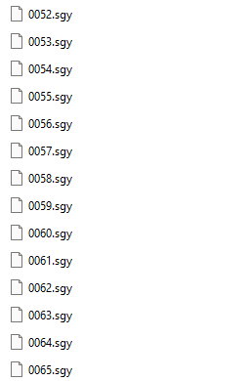
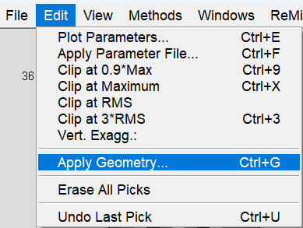
Observer's Report for a 24-Channel Array
record no. | shot no. | default | geophones |  | In ReMi™ Software:
rec | svp | npatch | igvp1 | fgvp1
1 | 1 | 1 | 1 | 24
record no. is your SEG-Y file names and the only thing you need to change on this sheet. If you used concatsegy to combine your records, column A should match all of the .sgy files.
In this example there are 14 records. You can ignore the zeros.
2 | 1 | 1 | 1 | 24
3 | 1 | 1 | 1 | 24
4 | 1 | 1 | 1 | 24
5 | 1 | 1 | 1 | 24
6 | 1 | 1 | 1 | 24
7 | 1 | 1 | 1 | 24
8 | 1 | 1 | 1 | 24
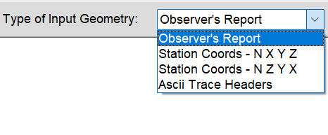
9 | 1 | 1 | 1 | 24
shot no. is used for P-wave aquisition. For S-wave you can leave the default set to 1, which means you'll use Geophone #1's X, Y, Z from the Station Coords sheet.
10 | 1 | 1 | 1 | 24
11 | 1 | 1 | 1 | 24
12 | 1 | 1 | 1 | 24
13 | 1 | 1 | 1 | 24
14 | 1 | 1 | 1 | 24
15 | 1 | 1 | 1 | 24
16 | 1 | 1 | 1 | 24 | Copy/paste over any text in the ReMi Geometry window
17 | 1 | 1 | 1 | 24 | Click Apply
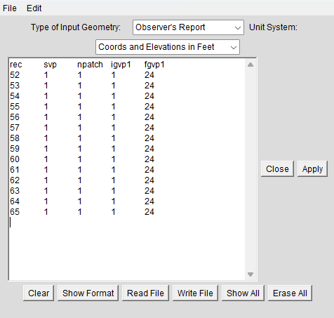
18 | 1 | 1 | 1 | 24
19 | 1 | 1 | 1 | 24
20 | 1 | 1 | 1 | 24
21 | 1 | 1 | 1 | 24
22 | 1 | 1 | 1 | 24
23 | 1 | 1 | 1 | 24
24 | 1 | 1 | 1 | 24
25 | 1 | 1 | 1 | 24
26 | 1 | 1 | 1 | 24
27 | 1 | 1 | 1 | 24
28 | 1 | 1 | 1 | 24
29 | 1 | 1 | 1 | 24
30 | 1 | 1 | 1 | 24
31 | 1 | 1 | 1 | 24
32 | 1 | 1 | 1 | 24
33 | 1 | 1 | 1 | 24
34 | 1 | 1 | 1 | 24
35 | 1 | 1 | 1 | 24
36 | 1 | 1 | 1 | 24
37 | 1 | 1 | 1 | 24
38 | 1 | 1 | 1 | 24
39 | 1 | 1 | 1 | 24
40 | 1 | 1 | 1 | 24
41 | 1 | 1 | 1 | 24
42 | 1 | 1 | 1 | 24

Station Coords - N X Y Z - 24
Station Coords - N X Y Z for a 24-Channel Array
Name | UTM Easting | UTM Northing |  | In ReMi™ Software:
Phone | X(horizontal distance) ft | Y(northing) ft | Elevation at each phone ft
1 | 0 | 1 | 1748.2
2 | 8 | 1 | 1746.9
3 | 16 | 1 | 1745.6
4 | 24 | 1 | 1744.2
5 | 32 | 1 | 1742.7
6 | 40 | 1 | 1741.6 | Copy/paste over any text in the ReMi Geometry window
7 | 48 | 1 | 1740.5 | Click Apply
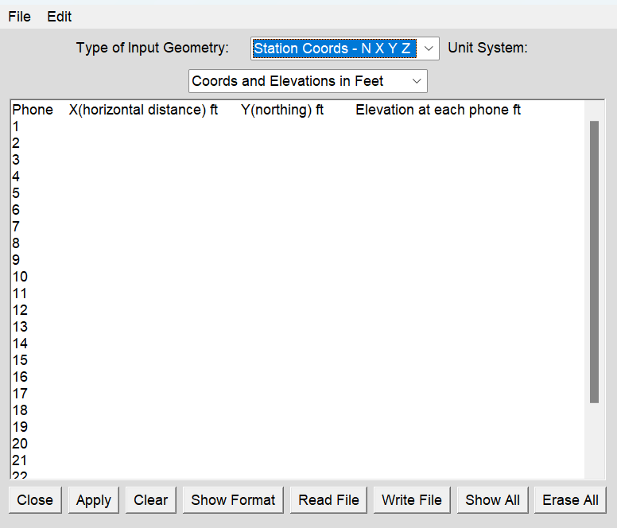
8 | 56 | 1 | 1739.3
9 | 64 | 1 | 1737.8
10 | 72 | 1 | 1736.2
11 | 80 | 1 | 1734.4
12 | 88 | 1 | 1732.9
13 | 96 | 1 | 1731.8
14 | 104 | 1 | 1730.8
15 | 112 | 1 | 1730
16 | 120 | 1 | 1729.2
17 | 128 | 1 | 1728.4
18 | 136 | 1 | 1727.6
19 | 144 | 1 | 1726.7
20 | 152 | 1 | 1725.6
21 | 160 | 1 | 1724.8
22 | 168 | 1 | 1724.3
23 | 176 | 1 | 1723.9
24 | 184 | 1 | 1723.7

