Observers Report - 24 channel
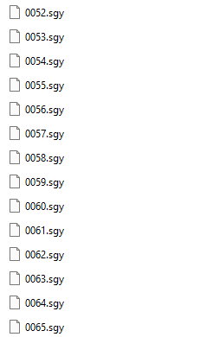
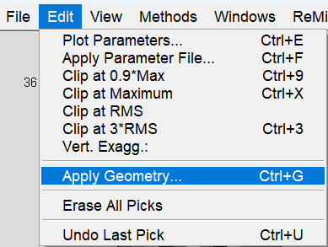
Observer's Report for a 24-Channel Array
record no. | shot no. | default | geophones |  | In ReMi™ Software:
rec | svp | npatch | igvp1 | fgvp1
1 | 1 | 1 | 1 | 24
record no. is your SEG-Y file names and the only thing you need to change on this sheet. If you used concatsegy to combine your records, column A should match all of the .sgy files.
In this example there are 14 records. You can ignore the zeros.
2 | 1 | 1 | 1 | 24
3 | 1 | 1 | 1 | 24
4 | 1 | 1 | 1 | 24
5 | 1 | 1 | 1 | 24
6 | 1 | 1 | 1 | 24
7 | 1 | 1 | 1 | 24
8 | 1 | 1 | 1 | 24
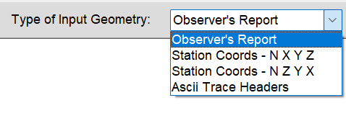
9 | 1 | 1 | 1 | 24
shot no. is used for P-wave aquisition. For S-wave you can leave the default set to 1, which means you'll use Geophone #1's X, Y, Z from the Station Coords sheet.
10 | 1 | 1 | 1 | 24
11 | 1 | 1 | 1 | 24
12 | 1 | 1 | 1 | 24
13 | 1 | 1 | 1 | 24
14 | 1 | 1 | 1 | 24
15 | 1 | 1 | 1 | 24
16 | 1 | 1 | 1 | 24 | Copy/paste over any text in the ReMi Geometry window
17 | 1 | 1 | 1 | 24 | Click Apply
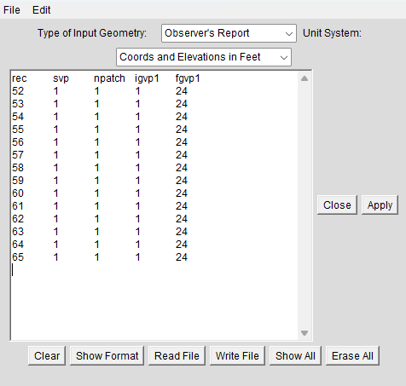
18 | 1 | 1 | 1 | 24
19 | 1 | 1 | 1 | 24
20 | 1 | 1 | 1 | 24
21 | 1 | 1 | 1 | 24
22 | 1 | 1 | 1 | 24
23 | 1 | 1 | 1 | 24
24 | 1 | 1 | 1 | 24
25 | 1 | 1 | 1 | 24
26 | 1 | 1 | 1 | 24
27 | 1 | 1 | 1 | 24
28 | 1 | 1 | 1 | 24
29 | 1 | 1 | 1 | 24
30 | 1 | 1 | 1 | 24
31 | 1 | 1 | 1 | 24
32 | 1 | 1 | 1 | 24
33 | 1 | 1 | 1 | 24
34 | 1 | 1 | 1 | 24
35 | 1 | 1 | 1 | 24
36 | 1 | 1 | 1 | 24
37 | 1 | 1 | 1 | 24
38 | 1 | 1 | 1 | 24
39 | 1 | 1 | 1 | 24
40 | 1 | 1 | 1 | 24
41 | 1 | 1 | 1 | 24
42 | 1 | 1 | 1 | 24
43 | 1 | 1 | 1 | 24
44 | 1 | 1 | 1 | 24

Station Coords - N X Y Z - 24

Station Coords - N X Y Z for a 24-Channel Array
Name | UTM Easting | UTM Northing |  | In ReMi™ Software:
Phone | X(horizontal distance) ft | Y(northing) ft | Elevation at each phone ft
1 | 0 | 1 | 1667.1
2 | 10 | 1 | 1667.3
3 | 20 | 1 | 1667.5
4 | 30 | 1 | 1667.7
5 | 40 | 1 | 1667.9
6 | 50 | 1 | 1668.2 | Copy/paste over any text in the ReMi Geometry window
7 | 60 | 1 | 1668.5 | Click Apply
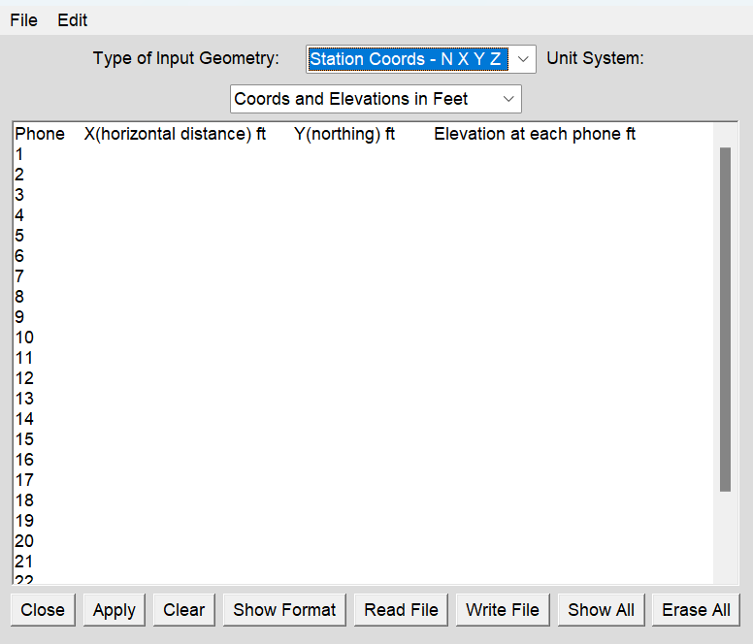
8 | 70 | 1 | 1668.8
9 | 80 | 1 | 1669.1
10 | 90 | 1 | 1669.5
11 | 100 | 1 | 1669.7
12 | 110 | 1 | 1669.9
13 | 120 | 1 | 1670.2
14 | 130 | 1 | 1670.5
15 | 140 | 1 | 1670.8
16 | 150 | 1 | 1671.1
17 | 160 | 1 | 1671.6
18 | 170 | 1 | 1672.1
19 | 180 | 1 | 1672.7
20 | 190 | 1 | 1673.3
21 | 200 | 1 | 1674
22 | 210 | 1 | 1674.7
23 | 220 | 1 | 1675.4
24 | 230 | 1 | 1676.2

