Observer's Report - 120 channel
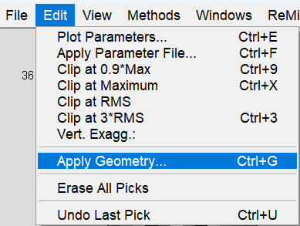
Observer's Report for a 24-Channel Array
record no. | shot no. | default | geophones |  | In ReMi™ Software:
rec | svp | npatch | igvp1 | fgvp1
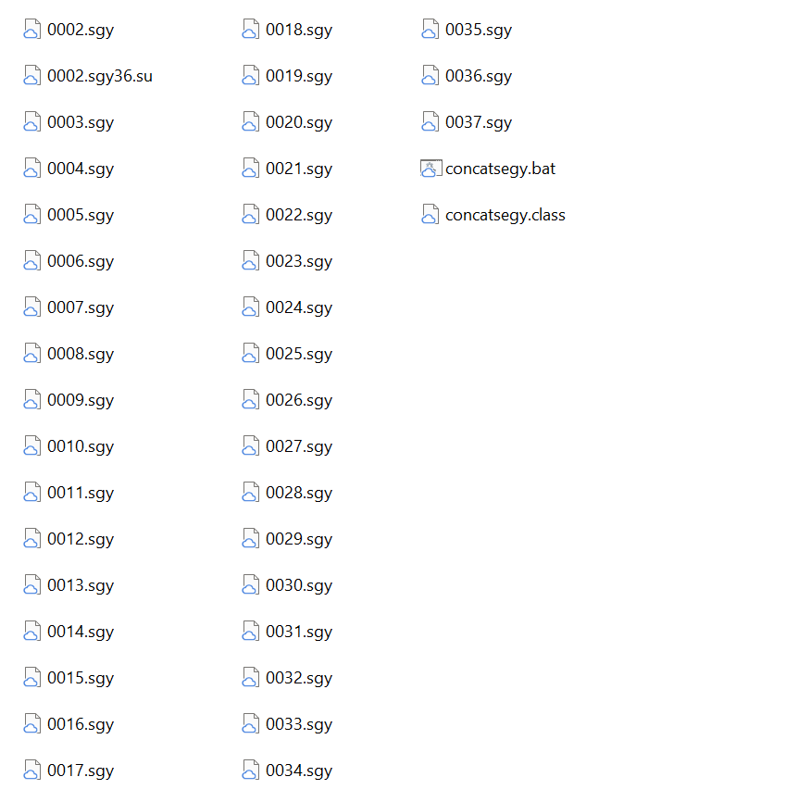
11 | 1 | 1 | 1 | 120
12 | 1 | 1 | 1 | 120
13 | 1 | 1 | 1 | 120
14 | 1 | 1 | 1 | 120
15 | 1 | 1 | 1 | 120
16 | 1 | 1 | 1 | 120
17 | 1 | 1 | 1 | 120
18 | 1 | 1 | 1 | 120
record no. is your SEG-Y file names and the only thing you need to change on this sheet. If you used concatsegy to combine your records, column A should match all of the .sgy files used to make the .su file.
In this example there are 36 records (0002.sgy36.su) and the first record is 2 (0002.sgy36.su). You can ignore the zeros.
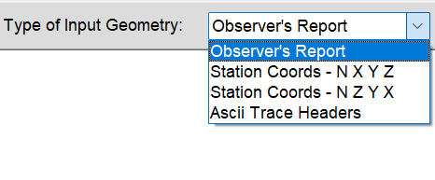
19 | 1 | 1 | 1 | 120
20 | 1 | 1 | 1 | 120
21 | 1 | 1 | 1 | 120
22 | 1 | 1 | 1 | 120
23 | 1 | 1 | 1 | 120
24 | 1 | 1 | 1 | 120
25 | 1 | 1 | 1 | 120
26 | 1 | 1 | 1 | 120 | Copy/paste over any text in the ReMi Geometry window
27 | 1 | 1 | 1 | 120 | Click Apply
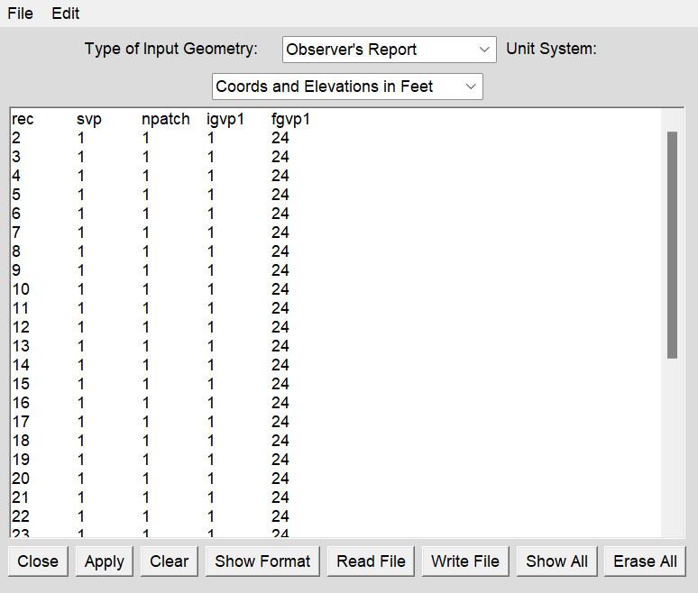
28 | 1 | 1 | 1 | 120
shot no. is used for P-wave aquisition. For S-wave you can leave the default set to 1, which means you'll use Geophone #1's X, Y, Z from the Station Coords sheet.
29 | 1 | 1 | 1 | 120
30 | 1 | 1 | 1 | 120
31 | 1 | 1 | 1 | 120
32 | 1 | 1 | 1 | 120
33 | 1 | 1 | 1 | 120
34 | 1 | 1 | 1 | 120
35 | 1 | 1 | 1 | 120
36 | 1 | 1 | 1 | 120
37 | 1 | 1 | 1 | 120
38 | 1 | 1 | 1 | 120
39 | 1 | 1 | 1 | 120
40 | 1 | 1 | 1 | 120
41 | 1 | 1 | 1 | 120
42 | 1 | 1 | 1 | 120
43 | 1 | 1 | 1 | 120
44 | 1 | 1 | 1 | 120
45 | 1 | 1 | 1 | 120
46 | 1 | 1 | 1 | 120
47 | 1 | 1 | 1 | 120
48 | 1 | 1 | 1 | 120
49 | 1 | 1 | 1 | 120
50 | 1 | 1 | 1 | 120
51 | 1 | 1 | 1 | 120
52 | 1 | 1 | 1 | 120
53 | 1 | 1 | 1 | 120
54 | 1 | 1 | 1 | 120
55 | 1 | 1 | 1 | 120
56 | 1 | 1 | 1 | 120
57 | 1 | 1 | 1 | 120
58 | 1 | 1 | 1 | 120
59 | 1 | 1 | 1 | 120
60 | 1 | 1 | 1 | 120
61 | 1 | 1 | 1 | 120
62 | 1 | 1 | 1 | 120
63 | 1 | 1 | 1 | 120
64 | 1 | 1 | 1 | 120
65 | 1 | 1 | 1 | 120
66 | 1 | 1 | 1 | 120
67 | 1 | 1 | 1 | 120
68 | 1 | 1 | 1 | 120
69 | 1 | 1 | 1 | 120
70 | 1 | 1 | 1 | 120
71 | 1 | 1 | 1 | 120
72 | 1 | 1 | 1 | 120
73 | 1 | 1 | 1 | 120
74 | 1 | 1 | 1 | 120
75 | 1 | 1 | 1 | 120
76 | 1 | 1 | 1 | 120
77 | 1 | 1 | 1 | 120
78 | 1 | 1 | 1 | 120
79 | 1 | 1 | 1 | 120
80 | 1 | 1 | 1 | 120
81 | 1 | 1 | 1 | 120
82 | 1 | 1 | 1 | 120
83 | 1 | 1 | 1 | 120
84 | 1 | 1 | 1 | 120
85 | 1 | 1 | 1 | 120
86 | 1 | 1 | 1 | 120
87 | 1 | 1 | 1 | 120
88 | 1 | 1 | 1 | 120
89 | 1 | 1 | 1 | 120
90 | 1 | 1 | 1 | 120
91 | 1 | 1 | 1 | 120
92 | 1 | 1 | 1 | 120
93 | 1 | 1 | 1 | 120
94 | 1 | 1 | 1 | 120
95 | 1 | 1 | 1 | 120
96 | 1 | 1 | 1 | 120
97 | 1 | 1 | 1 | 120
98 | 1 | 1 | 1 | 120
99 | 1 | 1 | 1 | 120
100 | 1 | 1 | 1 | 120
101 | 1 | 1 | 1 | 120
102 | 1 | 1 | 1 | 120
103 | 1 | 1 | 1 | 120
104 | 1 | 1 | 1 | 120
105 | 1 | 1 | 1 | 120
106 | 1 | 1 | 1 | 120
107 | 1 | 1 | 1 | 120
108 | 1 | 1 | 1 | 120
109 | 1 | 1 | 1 | 120
110 | 1 | 1 | 1 | 120
111 | 1 | 1 | 1 | 120
112 | 1 | 1 | 1 | 120
113 | 1 | 1 | 1 | 120
114 | 1 | 1 | 1 | 120
115 | 1 | 1 | 1 | 120
116 | 1 | 1 | 1 | 120
117 | 1 | 1 | 1 | 120
118 | 1 | 1 | 1 | 120
119 | 1 | 1 | 1 | 120
120 | 1 | 1 | 1 | 120
121 | 1 | 1 | 1 | 120
122 | 1 | 1 | 1 | 120
123 | 1 | 1 | 1 | 120
124 | 1 | 1 | 1 | 120
125 | 1 | 1 | 1 | 120
126 | 1 | 1 | 1 | 120
127 | 1 | 1 | 1 | 120
128 | 1 | 1 | 1 | 120
129 | 1 | 1 | 1 | 120
130 | 1 | 1 | 1 | 120
131 | 1 | 1 | 1 | 120
132 | 1 | 1 | 1 | 120

Picked Records
Observer's Report for a 24-Channel Array
record no. | shot no. | default | geophones |  | In ReMi™ Software:
rec | svp | npatch | igvp1 | fgvp1
11 | 1 | 1 | 1 | 120
12 | 1 | 1 | 1 | 120
13 | 1 | 1 | 1 | 120
18 | 1 | 1 | 1 | 120
19 | 1 | 1 | 1 | 120
24 | 1 | 1 | 1 | 120
25 | 1 | 1 | 1 | 120
34 | 1 | 1 | 1 | 120
record no. is your SEG-Y file names and the only thing you need to change on this sheet. If you used concatsegy to combine your records, column A should match all of the .sgy files used to make the .su file.
In this example there are 36 records (0002.sgy36.su) and the first record is 2 (0002.sgy36.su). You can ignore the zeros.
35 | 1 | 1 | 1 | 120
47 | 1 | 1 | 1 | 120
49 | 1 | 1 | 1 | 120
50 | 1 | 1 | 1 | 120
54 | 1 | 1 | 1 | 120
55 | 1 | 1 | 1 | 120
56 | 1 | 1 | 1 | 120
57 | 1 | 1 | 1 | 120
58 | 1 | 1 | 1 | 120
65 | 1 | 1 | 1 | 120
shot no. is used for P-wave aquisition. For S-wave you can leave the default set to 1, which means you'll use Geophone #1's X, Y, Z from the Station Coords sheet.
74 | 1 | 1 | 1 | 120
80 | 1 | 1 | 1 | 120
82 | 1 | 1 | 1 | 120
89 | 1 | 1 | 1 | 120
95 | 1 | 1 | 1 | 120
99 | 1 | 1 | 1 | 120
100 | 1 | 1 | 1 | 120
101 | 1 | 1 | 1 | 120
102 | 1 | 1 | 1 | 120
103 | 1 | 1 | 1 | 120
105 | 1 | 1 | 1 | 120
108 | 1 | 1 | 1 | 120
109 | 1 | 1 | 1 | 120
113 | 1 | 1 | 1 | 120
119 | 1 | 1 | 1 | 120
120 | 1 | 1 | 1 | 120
122 | 1 | 1 | 1 | 120
124 | 1 | 1 | 1 | 120
125 | 1 | 1 | 1 | 120
128 | 1 | 1 | 1 | 120
129 | 1 | 1 | 1 | 120
132 | 1 | 1 | 1 | 120

Station Coords - N X Y Z - 120
Station Coords - N X Y Z for a 24-Channel Array
Name | UTM Easting | UTM Northing | Peak Elev | 1902.56543
Phone | X(horizontal distance) ft | Y(northing) ft | Elevation at each phone ft | Depth | Position
1 | 695513.73871 | 4597989.8286 | 1902.56543 | 0 | 0.0
2 | 695528.64558 | 4597985.3433 | 1899.476929 | -3.088501 | 14.8
3 | 695543.5215 | 4597981.742 | 1895.623291 | -6.942139 | 29.6
4 | 695559.23664 | 4597978.1727 | 1892.077637 | -10.487793 | 45.4
5 | 695574.63513 | 4597974.1479 | 1888.317383 | -14.248047 | 60.8
6 | 695590.3233 | 4597971.5745 | 1884.87439 | -17.69104 | 76.5
7 | 695606.28964 | 4597967.7794 | 1881.235474 | -21.329956 | 92.4
8 | 695621.19019 | 4597966.6283 | 1877.456543 | -25.108887 | 107.3
9 | 695636.84834 | 4597965.1625 | 1874.368042 | -28.197388 | 123.0
10 | 695652.66834 | 4597963.9246 | 1871.671509 | -30.893921 | 138.8
11 | 695667.91562 | 4597962.1218 | 1868.99353 | -33.5719 | 154.1
12 | 695683.78387 | 4597959.1065 | 1866.558228 | -36.007202 | 170.0
13 | 695700.35848 | 4597957.6657 | 1864.486816 | -38.078614 | 186.5
14 | 695715.41787 | 4597956.8543 | 1862.49939 | -40.06604 | 201.6
15 | 695731.04341 | 4597953.4973 | 1860.409302 | -42.156128 | 217.2
16 | 695747.29414 | 4597951.61 | 1858.459229 | -44.106201 | 233.5
17 | 695763.34809 | 4597951.04 | 1856.359741 | -46.205689 | 249.5
18 | 695778.79947 | 4597947.9111 | 1855.062866 | -47.502564 | 265.0
19 | 695794.58387 | 4597944.8938 | 1852.356934 | -50.208496 | 280.8
20 | 695810.81531 | 4597940.8828 | 1849.632324 | -52.933106 | 297.0
21 | 695826.97911 | 4597939.1051 | 1847.962158 | -54.603272 | 313.2
22 | 695841.56267 | 4597934.1646 | 1847.262329 | -55.303101 | 327.7
23 | 695857.07406 | 4597931.9223 | 1844.37915 | -58.18628 | 343.3
24 | 695872.9751 | 4597930.7989 | 1843.110229 | -59.455201 | 359.2
25 | 695888.10715 | 4597927.317 | 1842.279785 | -60.285645 | 374.3
26 | 695904.20224 | 4597924.9788 | 1841.393311 | -61.172119 | 390.4
27 | 695920.34353 | 4597921.1984 | 1840.581543 | -61.983887 | 406.5
28 | 695935.99051 | 4597917.06 | 1839.872437 | -62.692993 | 422.2
29 | 695952.11363 | 4597913.9498 | 1838.911377 | -63.654053 | 438.3
30 | 695968.23913 | 4597910.495 | 1836.830688 | -65.734742 | 454.4
31 | 695984.28162 | 4597907.2615 | 1835.496338 | -67.069092 | 470.5
32 | 695999.90718 | 4597903.9143 | 1834.358032 | -68.207398 | 486.1
33 | 696016.1593 | 4597902.242 | 1833.369019 | -69.196411 | 502.3
34 | 696031.71005 | 4597898.5575 | 1832.305298 | -70.260132 | 517.9
35 | 696046.98494 | 4597895.7504 | 1831.120239 | -71.445191 | 533.2
36 | 696062.7696 | 4597892.7336 | 1829.767334 | -72.798096 | 548.9
37 | 696078.79396 | 4597890.1704 | 1828.591675 | -73.973755 | 565.0
38 | 696094.53638 | 4597888.7078 | 1827.164062 | -75.401368 | 580.7
39 | 696109.97618 | 4597886.0171 | 1825.615112 | -76.950318 | 596.2
40 | 696125.83877 | 4597883.2261 | 1824.122192 | -78.443238 | 612.0
41 | 696141.28163 | 4597880.4237 | 1822.881226 | -79.684204 | 627.5
42 | 696156.88329 | 4597877.9609 | 1821.435059 | -81.130371 | 643.1
43 | 696172.33226 | 4597874.9352 | 1820.063354 | -82.502076 | 658.5
44 | 696188.33571 | 4597873.1447 | 1818.309204 | -84.256226 | 674.5
45 | 696203.76951 | 4597870.6775 | 1816.909668 | -85.655762 | 689.9
46 | 696219.88402 | 4597867.8935 | 1815.482056 | -87.083374 | 706.1
47 | 696235.38964 | 4597865.8754 | 1814.903564 | -87.661866 | 721.6
48 | 696250.68598 | 4597862.2869 | 1813.671875 | -88.893555 | 736.9
49 | 696266.14693 | 4597858.824 | 1812.402954 | -90.162476 | 752.3
50 | 696282.0127 | 4597855.9217 | 1811.059326 | -91.506104 | 768.2
51 | 696297.69564 | 4597853.5639 | 1809.697021 | -92.868409 | 783.9
52 | 696313.37226 | 4597851.4388 | 1808.37207 | -94.19336 | 799.5
53 | 696328.97406 | 4597848.9764 | 1806.991089 | -95.574341 | 815.1
54 | 696344.08223 | 4597846.3888 | 1806.160645 | -96.404785 | 830.3
55 | 696359.4051 | 4597844.9154 | 1805.367554 | -97.197876 | 845.6
56 | 696375.84245 | 4597842.3641 | 1804.16394 | -98.40149 | 862.0
57 | 696391.4513 | 4597839.9021 | 1802.484375 | -100.081055 | 877.6
58 | 696407.98784 | 4597836.7947 | 1801.038086 | -101.527344 | 894.2
59 | 696424.60226 | 4597833.9131 | 1799.433228 | -103.132202 | 910.8
60 | 696441.04576 | 4597831.1386 | 1798.369507 | -104.195923 | 927.2
61 | 696456.44516 | 4597827.1156 | 1797.61377 | -104.95166 | 942.6
62 | 696473.1375 | 4597824.4597 | 1795.915527 | -106.649903 | 959.3
63 | 696488.60197 | 4597820.8763 | 1794.917236 | -107.648194 | 974.8
64 | 696503.72549 | 4597817.7307 | 1792.873779 | -109.691651 | 989.9
65 | 696517.23271 | 4597815.3234 | 1791.614136 | -110.951294 | 1003.4
66 | 696533.65997 | 4597810.3227 | 1789.356079 | -113.209351 | 1019.8
67 | 696548.18372 | 4597807.6079 | 1790.625122 | -111.940308 | 1034.4
68 | 696564.63623 | 4597804.5079 | 1789.225464 | -113.339966 | 1050.8
69 | 696580.9849 | 4597802.3924 | 1786.855469 | -115.709961 | 1067.2
70 | 696596.2481 | 4597800.0331 | 1785.315918 | -117.249512 | 1082.4
71 | 696611.44563 | 4597797.0015 | 1785.203979 | -117.361451 | 1097.6
72 | 696626.87765 | 4597794.8704 | 1785.25061 | -117.31482 | 1113.1
73 | 696642.93206 | 4597790.9681 | 1782.75 | -119.81543 | 1129.1
74 | 696658.04354 | 4597788.2695 | 1783.113892 | -119.451538 | 1144.2
75 | 696673.89749 | 4597785.8147 | 1782.283447 | -120.281983 | 1160.1
76 | 696689.73531 | 4597783.6948 | 1782.040771 | -120.524659 | 1175.9
77 | 696706.94069 | 4597780.7182 | 1781.415649 | -121.149781 | 1193.1
78 | 696723.90643 | 4597777.288 | 1780.501221 | -122.064209 | 1210.1
79 | 696739.41854 | 4597775.0475 | 1779.866821 | -122.698609 | 1225.6
80 | 696755.72861 | 4597771.2736 | 1779.428223 | -123.137207 | 1241.9
81 | 696771.42693 | 4597768.3677 | 1778.047241 | -124.518189 | 1257.6
82 | 696787.6311 | 4597765.1404 | 1777.25415 | -125.31128 | 1273.8
83 | 696802.67705 | 4597761.7697 | 1775.322754 | -127.242676 | 1288.8
84 | 696819.46865 | 4597758.5678 | 1774.874878 | -127.690552 | 1305.6
85 | 696833.98376 | 4597756.1793 | 1773.708496 | -128.856934 | 1320.2
86 | 696849.3583 | 4597752.827 | 1772.72876 | -129.83667 | 1335.5
87 | 696864.38906 | 4597750.0149 | 1771.357178 | -131.208252 | 1350.6
88 | 696880.33629 | 4597747.2278 | 1770.414795 | -132.150635 | 1366.5
89 | 696895.88208 | 4597743.7593 | 1769.481689 | -133.083741 | 1382.1
90 | 696911.07989 | 4597740.7283 | 1768.231445 | -134.333985 | 1397.3
91 | 696926.97345 | 4597736.8315 | 1768.352661 | -134.212769 | 1413.1
92 | 696941.67764 | 4597733.6753 | 1768.175415 | -134.390015 | 1427.8
93 | 696957.106 | 4597731.4331 | 1766.328003 | -136.237427 | 1443.3
94 | 696972.55877 | 4597728.2974 | 1765.581543 | -136.983887 | 1458.7
95 | 696987.83539 | 4597725.7158 | 1764.601807 | -137.963623 | 1474.0
96 | 697003.10199 | 4597723.2456 | 1763.659424 | -138.906006 | 1489.3
97 | 697018.8036 | 4597720.2286 | 1762.520996 | -140.044434 | 1505.0
98 | 697033.40562 | 4597717.7404 | 1761.522583 | -141.042847 | 1519.6
99 | 697048.92715 | 4597715.1656 | 1760.766846 | -141.798584 | 1535.1
100 | 697063.2804 | 4597712.5589 | 1759.507202 | -143.058228 | 1549.5
101 | 697079.30565 | 4597709.9979 | 1758.686157 | -143.879273 | 1565.5
102 | 697095.09128 | 4597706.9833 | 1757.65979 | -144.90564 | 1581.3
103 | 697109.30414 | 4597703.367 | 1758.256836 | -144.308594 | 1595.5
104 | 697124.39684 | 4597701.1159 | 1757.557129 | -145.008301 | 1610.6
105 | 697143.00448 | 4597698.8492 | 1756.017578 | -146.547852 | 1629.2
106 | 697158.62532 | 4597695.7185 | 1755.392334 | -147.173096 | 1644.8
107 | 697174.6092 | 4597691.6012 | 1754.692627 | -147.872803 | 1660.8
108 | 697189.63632 | 4597688.6779 | 1753.806152 | -148.759278 | 1675.8
109 | 697205.17415 | 4597685.7685 | 1751.062988 | -151.502442 | 1691.3
110 | 697219.86856 | 4597682.7244 | 1751.949341 | -150.616089 | 1706.0
111 | 697235.30108 | 4597680.5946 | 1749.075439 | -153.489991 | 1721.5
112 | 697250.26874 | 4597676.7757 | 1750.017944 | -152.547486 | 1736.4
113 | 697265.39884 | 4597673.4176 | 1749.159424 | -153.406006 | 1751.6
114 | 697280.27343 | 4597669.9315 | 1748.151733 | -154.413697 | 1766.4
115 | 697294.69167 | 4597665.2128 | 1748.011841 | -154.553589 | 1780.9
116 | 697309.78147 | 4597663.0738 | 1748.38501 | -154.18042 | 1796.0
117 | 697328.08711 | 4597659.5698 | 1746.836182 | -155.729248 | 1814.3
118 | 697342.29273 | 4597659.2973 | 1746.024414 | -156.541016 | 1828.5
119 | 697358.0372 | 4597654.7268 | 1746.94812 | -155.61731 | 1844.2
120 | 697372.62448 | 4597652.7884 | 1747.722534 | -154.842896 | 1858.8

