Observer's Report - 24 channel
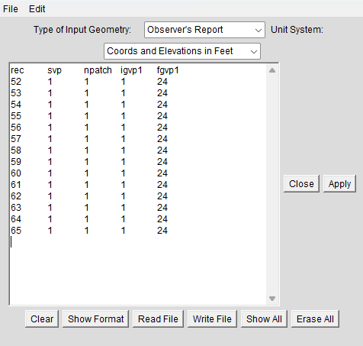
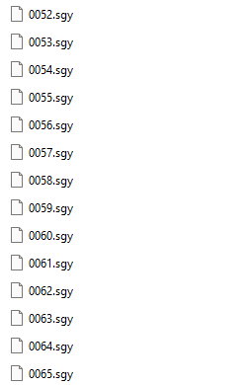
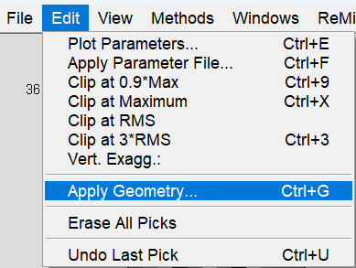
Observer's Report for a 24-Channel Array
record no. | shot no. | default | geophones |  | In ReMi™ Software:
rec | svp | npatch | igvp1 | fgvp1
52 | 1 | 1 | 1 | 24
record no. is your SEG-Y file names and the only thing you need to change on this sheet. If you used concatsegy to combine your records, column A should match all of the .sgy files.
In this example there are 14 records. You can ignore the zeros.
53 | 1 | 1 | 1 | 24
54 | 1 | 1 | 1 | 24
55 | 1 | 1 | 1 | 24
56 | 1 | 1 | 1 | 24
57 | 1 | 1 | 1 | 24
58 | 1 | 1 | 1 | 24
59 | 1 | 1 | 1 | 24
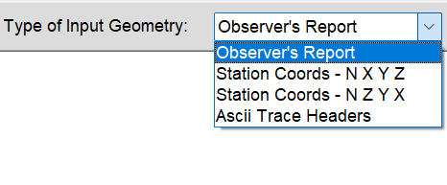
60 | 1 | 1 | 1 | 24
shot no. is used for P-wave aquisition. For S-wave you can leave the default set to 1, which means you'll use Geophone #1's X, Y, Z from the Station Coords sheet.
61 | 1 | 1 | 1 | 24
62 | 1 | 1 | 1 | 24
63 | 1 | 1 | 1 | 24
64 | 1 | 1 | 1 | 24
65 | 1 | 1 | 1 | 24

 |  |  |  |  | Copy/paste over any text in the ReMi Geometry window
 |  |  |  |  | Click Apply

Station Coords - N X Y Z - 24
Station Coords - N X Y Z for a 24-Channel Array
Name | UTM Easting | UTM Northing |  | In ReMi™ Software:
Phone | X(horizontal distance) ft | Y(northing) ft | Elevation at each phone ft
1
2
3
4
5
6 |  |  |  | Copy/paste over any text in the ReMi Geometry window
7 |  |  |  | Click Apply
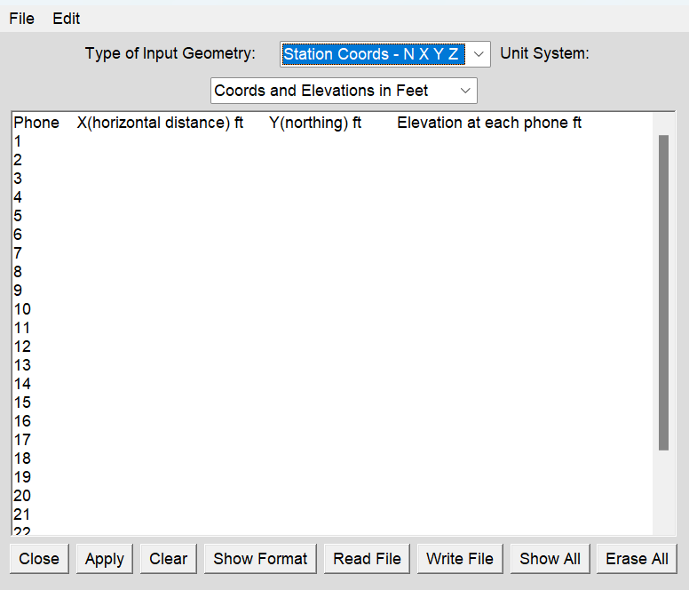
8
9
10
11
12
13
14
15
16
17
18
19
20
21
22
23
24

