JNL Observer's Report - 120 cha
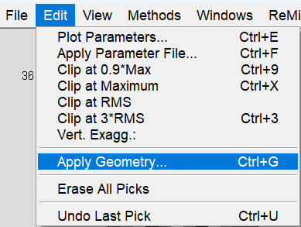
Observer's Report for a 120-Channel Array
record no. | shot no. | default | geophones |  | Did not use records: 10, 15, 17-20, 57, 69-73, 81-82, 84-88 | In ReMi™ Software:
rec | svp | npatch | igvp1 | fgvp1
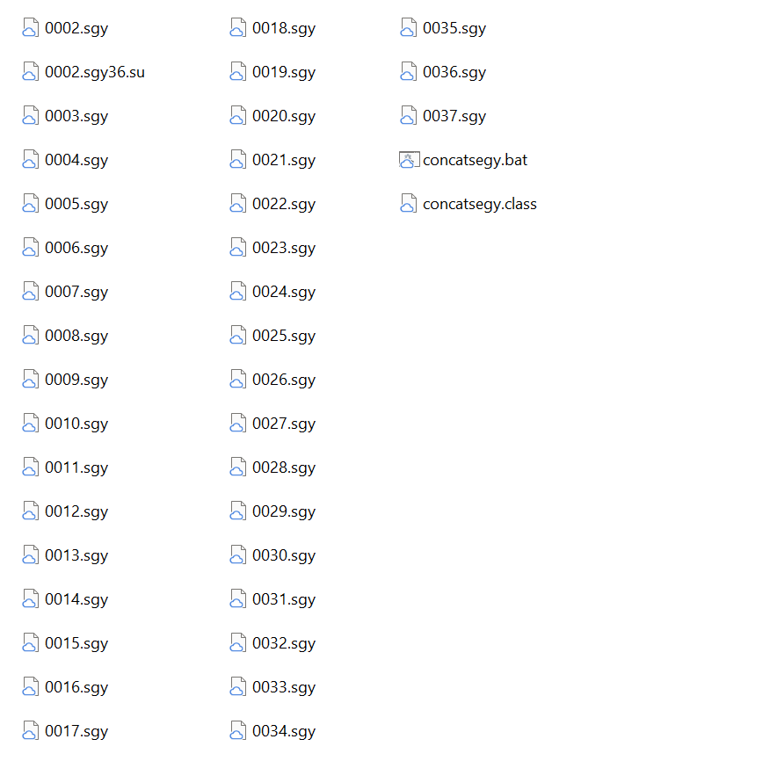
4 | 1 | 1 | 1 | 120
7 | 1 | 1 | 1 | 120
record no. is your SEG-Y file names and the only thing you need to change on this sheet. If you used concatsegy to combine your records, column A should match all of the .sgy files used to make the .su file.
In this example there are 36 records (0002.sgy36.su) and the first record is 2 (0002.sgy36.su). You can ignore the zeros.
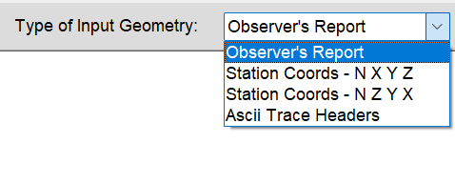
13 | 1 | 1 | 1 | 120
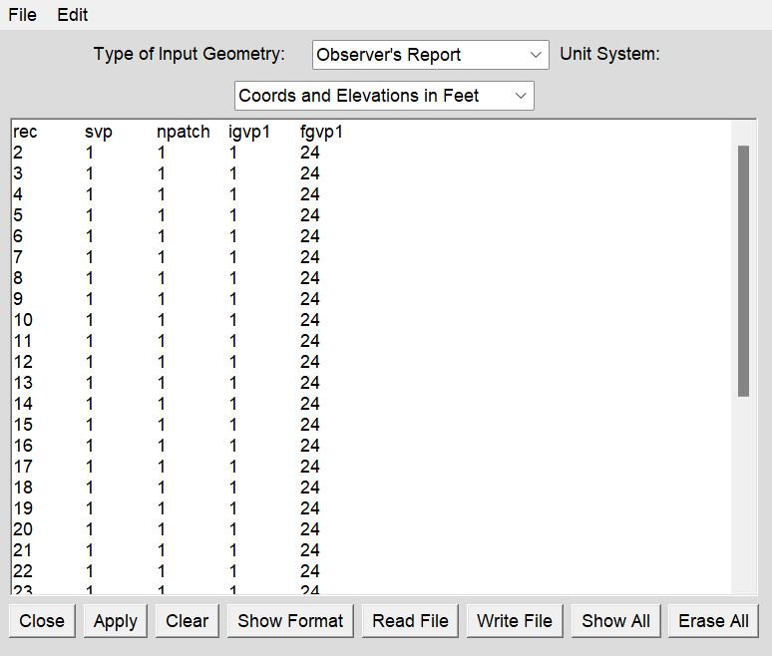
20 | 1 | 1 | 1 | 120
21 | 1 | 1 | 1 | 120
27 | 1 | 1 | 1 | 120
32 | 1 | 1 | 1 | 120
38 | 1 | 1 | 1 | 120
42 | 1 | 1 | 1 | 120
51 | 1 | 1 | 1 | 120
63 | 1 | 1 | 1 | 120
67 | 1 | 1 | 1 | 120
70 | 1 | 1 | 1 | 120
72 | 1 | 1 | 1 | 120
82 | 1 | 1 | 1 | 120
84 | 1 | 1 | 1 | 120
85 | 1 | 1 | 1 | 120
94 | 1 | 1 | 1 | 120
98 | 1 | 1 | 1 | 120
100 | 1 | 1 | 1 | 120
102 | 1 | 1 | 1 | 120

Station Coords - N X Y Z - 120
Station Coords - N X Y Z for a 120-Channel Array
Name | UTM Easting | UTM Northing | Peak Elev | 1923.680786
Phone | X(horizontal distance) m | Y(northing) m | Elevation at each phone m | Depth | Position
1 | 695396.7 | 4598807.3 | 1923.7 | 0 | 0.0
2 | 695412.3 | 4598803.5 | 1921.9 | -1.772827 | 15.5
3 | 695427.4 | 4598799.3 | 1919.7 | -4.012207 | 30.6
4 | 695442.3 | 4598794.7 | 1917.8 | -5.897095 | 45.5
5 | 695457.4 | 4598790.2 | 1915.2 | -8.518921 | 60.5
6 | 695472.6 | 4598785.3 | 1912.5 | -11.215576 | 75.8
7 | 695488.0 | 4598780.8 | 1909.9 | -13.772217 | 91.2
8 | 695501.3 | 4598772.7 | 1907.3 | -16.356811 | 104.4
9 | 695516.0 | 4598766.6 | 1903.2 | -20.443603 | 119.1
10 | 695529.8 | 4598761.0 | 1900.2 | -23.485351 | 132.9
11 | 695544.2 | 4598754.7 | 1898.1 | -25.612793 | 147.3
12 | 695559.4 | 4598749.4 | 1896.1 | -27.572265 | 162.5
13 | 695574.5 | 4598744.3 | 1892.1 | -31.603149 | 177.6
14 | 695590.4 | 4598740.7 | 1890.5 | -33.198608 | 193.5
15 | 695604.5 | 4598736.1 | 1886.4 | -37.257568 | 207.6
16 | 695619.6 | 4598731.4 | 1883.3 | -40.345947 | 222.8
17 | 695634.3 | 4598726.1 | 1880.8 | -42.921265 | 237.5
18 | 695647.0 | 4598715.9 | 1883.0 | -40.700561 | 250.2
19 | 695661.5 | 4598709.2 | 1882.5 | -41.204346 | 264.6
20 | 695677.3 | 4598704.9 | 1880.4 | -43.31311 | 280.4
21 | 695692.4 | 4598701.2 | 1878.7 | -44.946045 | 295.5
22 | 695707.0 | 4598696.2 | 1877.9 | -45.813721 | 310.2
23 | 695723.3 | 4598692.2 | 1876.3 | -47.371948 | 326.4
24 | 695738.1 | 4598687.1 | 1874.3 | -49.396728 | 341.2
25 | 695753.2 | 4598683.1 | 1873.2 | -50.479126 | 356.3
26 | 695768.2 | 4598678.4 | 1872.1 | -51.608154 | 371.4
27 | 695784.8 | 4598674.1 | 1871.0 | -52.662475 | 387.9
28 | 695800.2 | 4598669.2 | 1869.0 | -54.724609 | 403.3
29 | 695814.7 | 4598663.1 | 1867.2 | -56.46936 | 417.8
30 | 695826.9 | 4598657.8 | 1864.6 | -59.119263 | 430.0
31 | 695842.3 | 4598652.7 | 1862.8 | -60.873535 | 445.5
32 | 695857.0 | 4598646.2 | 1860.2 | -63.45813 | 460.1
33 | 695872.2 | 4598639.8 | 1859.8 | -63.896606 | 475.3
34 | 695887.3 | 4598634.5 | 1858.0 | -65.650757 | 490.5
35 | 695902.2 | 4598629.2 | 1856.5 | -67.18103 | 505.3
36 | 695917.6 | 4598623.9 | 1855.0 | -68.72998 | 520.7
37 | 695933.1 | 4598619.6 | 1854.2 | -69.504394 | 536.2
38 | 695949.7 | 4598616.0 | 1852.5 | -71.165283 | 552.8
39 | 695964.7 | 4598611.1 | 1850.3 | -73.385986 | 567.9
40 | 695979.2 | 4598606.3 | 1849.2 | -74.496338 | 582.4
41 | 695993.2 | 4598601.0 | 1848.5 | -75.205444 | 596.3
42 | 696008.9 | 4598595.4 | 1845.4 | -78.237915 | 612.0
43 | 696023.7 | 4598590.2 | 1845.2 | -78.433838 | 626.8
44 | 696038.3 | 4598585.4 | 1844.1 | -79.628174 | 641.4
45 | 696053.7 | 4598580.9 | 1842.3 | -81.419678 | 656.9
46 | 696069.1 | 4598575.3 | 1841.8 | -81.848877 | 672.2
47 | 696083.5 | 4598569.5 | 1840.3 | -83.37915 | 686.6
48 | 696098.7 | 4598563.1 | 1838.6 | -85.049316 | 701.9
49 | 696113.7 | 4598559.5 | 1837.9 | -85.814453 | 716.8
50 | 696128.7 | 4598554.1 | 1836.7 | -86.952759 | 731.8
51 | 696144.1 | 4598548.2 | 1835.6 | -88.053833 | 747.2
52 | 696159.0 | 4598543.4 | 1835.0 | -88.678955 | 762.1
53 | 696173.4 | 4598538.5 | 1834.2 | -89.481445 | 776.5
54 | 696189.5 | 4598533.9 | 1833.4 | -90.321167 | 792.6
55 | 696205.0 | 4598528.2 | 1832.3 | -91.366211 | 808.1
56 | 696221.0 | 4598524.7 | 1831.5 | -92.205932 | 824.1
57 | 696235.8 | 4598520.6 | 1830.8 | -92.905762 | 838.9
58 | 696251.3 | 4598514.3 | 1829.1 | -94.613281 | 854.4
59 | 696265.7 | 4598509.6 | 1827.9 | -95.751587 | 868.9
60 | 696281.7 | 4598504.0 | 1827.0 | -96.638061 | 884.8
61 | 696295.2 | 4598499.0 | 1826.5 | -97.169922 | 898.3
62 | 696311.1 | 4598494.9 | 1826.2 | -97.468506 | 914.3
63 | 696324.3 | 4598488.2 | 1825.3 | -98.382812 | 927.5
64 | 696339.9 | 4598483.3 | 1824.4 | -99.25061 | 943.0
65 | 696354.5 | 4598477.3 | 1823.6 | -100.109009 | 957.6
66 | 696369.8 | 4598473.0 | 1822.7 | -100.967529 | 972.9
67 | 696384.2 | 4598465.6 | 1821.4 | -102.264404 | 987.3
68 | 696398.3 | 4598460.0 | 1820.2 | -103.440063 | 1001.4
69 | 696413.0 | 4598453.5 | 1819.0 | -104.653076 | 1016.1
70 | 696428.4 | 4598446.7 | 1817.9 | -105.819458 | 1031.5
71 | 696443.4 | 4598441.8 | 1817.0 | -106.668579 | 1046.5
72 | 696455.8 | 4598434.3 | 1814.8 | -108.889282 | 1058.9
73 | 696471.3 | 4598428.1 | 1815.3 | -108.394653 | 1074.4
74 | 696485.9 | 4598421.7 | 1814.6 | -109.085205 | 1089.0
75 | 696500.2 | 4598417.5 | 1812.5 | -111.221924 | 1103.4
76 | 696513.6 | 4598412.1 | 1812.3 | -111.417847 | 1116.7
77 | 696528.7 | 4598403.2 | 1807.2 | -116.456421 | 1131.8
78 | 696543.7 | 4598397.9 | 1807.0 | -116.727051 | 1146.8
79 | 696558.4 | 4598392.1 | 1805.8 | -117.865356 | 1161.5
80 | 696572.7 | 4598385.6 | 1805.2 | -118.499878 | 1175.8
81 | 696586.9 | 4598380.3 | 1800.8 | -122.922607 | 1190.0
82 | 696602.5 | 4598374.0 | 1801.0 | -122.670654 | 1205.6
83 | 696618.7 | 4598367.7 | 1798.9 | -124.788696 | 1221.8
84 | 696634.3 | 4598362.5 | 1797.0 | -126.654907 | 1237.4
85 | 696649.6 | 4598356.8 | 1796.3 | -127.391968 | 1252.7
86 | 696664.7 | 4598351.0 | 1794.3 | -129.398071 | 1267.8
87 | 696679.8 | 4598345.2 | 1792.7 | -130.956299 | 1282.9
88 | 696695.0 | 4598339.5 | 1790.8 | -132.831787 | 1298.1
89 | 696709.9 | 4598334.3 | 1788.6 | -135.071167 | 1313.0
90 | 696724.6 | 4598328.2 | 1786.8 | -136.900024 | 1327.7
91 | 696739.4 | 4598322.1 | 1785.6 | -138.112915 | 1342.6
92 | 696753.6 | 4598315.8 | 1784.9 | -138.822143 | 1356.7
93 | 696768.2 | 4598310.1 | 1784.4 | -139.270019 | 1371.3
94 | 696782.9 | 4598303.2 | 1784.0 | -139.708496 | 1386.0
95 | 696798.1 | 4598295.8 | 1783.4 | -140.305664 | 1401.2
96 | 696812.4 | 4598287.8 | 1784.2 | -139.484619 | 1415.5
97 | 696826.1 | 4598278.8 | 1780.9 | -142.759643 | 1429.2
98 | 696841.6 | 4598272.5 | 1780.2 | -143.506103 | 1444.7
99 | 696856.6 | 4598266.3 | 1778.9 | -144.74707 | 1459.7
100 | 696871.2 | 4598260.5 | 1778.1 | -145.568237 | 1474.4
101 | 696885.4 | 4598254.4 | 1777.4 | -146.29602 | 1488.6
102 | 696900.1 | 4598248.8 | 1776.4 | -147.303711 | 1503.2
103 | 696915.0 | 4598241.9 | 1775.0 | -148.721924 | 1518.1
104 | 696929.9 | 4598235.9 | 1774.0 | -149.720337 | 1533.0
105 | 696944.2 | 4598230.2 | 1773.3 | -150.354858 | 1547.3
106 | 696958.7 | 4598224.2 | 1772.8 | -150.905273 | 1561.8
107 | 696972.8 | 4598218.3 | 1772.0 | -151.67041 | 1575.9
108 | 696987.3 | 4598211.8 | 1771.7 | -151.931763 | 1590.4
109 | 697005.1 | 4598205.9 | 1770.7 | -152.976807 | 1608.2
110 | 697020.1 | 4598199.9 | 1770.1 | -153.555298 | 1623.2
111 | 697033.1 | 4598195.4 | 1769.6 | -154.077759 | 1636.2
112 | 697047.6 | 4598189.7 | 1768.7 | -154.954834 | 1650.7
113 | 697061.8 | 4598183.9 | 1767.4 | -156.261108 | 1664.9
114 | 697077.2 | 4598178.3 | 1767.0 | -156.690307 | 1680.3
115 | 697091.3 | 4598172.1 | 1766.2 | -157.48352 | 1694.4
116 | 697105.5 | 4598164.5 | 1765.0 | -158.668457 | 1708.6
117 | 697119.7 | 4598157.7 | 1764.1 | -159.554932 | 1722.8
118 | 697134.1 | 4598151.3 | 1763.1 | -160.562622 | 1737.2
119 | 697147.5 | 4598144.2 | 1762.4 | -161.271728 | 1750.6
120 | 697162.2 | 4598137.6 | 1762.1 | -161.551636 | 1765.3

Observer's Report - 120 channel
Observer's Report for a 120-Channel Array
record no. | shot no. | default | geophones |  | In ReMi™ Software:
rec | svp | npatch | igvp1 | fgvp1
5 | 1 | 1 | 1 | 120
6 | 1 | 1 | 1 | 120
7 | 1 | 1 | 1 | 120
8 | 1 | 1 | 1 | 120
9 | 1 | 1 | 1 | 120
11 | 1 | 1 | 1 | 120
12 | 1 | 1 | 1 | 120
13 | 1 | 1 | 1 | 120
record no. is your SEG-Y file names and the only thing you need to change on this sheet. If you used concatsegy to combine your records, column A should match all of the .sgy files used to make the .su file.
In this example there are 36 records (0002.sgy36.su) and the first record is 2 (0002.sgy36.su). You can ignore the zeros.
26 | 1 | 1 | 1 | 120
27 | 1 | 1 | 1 | 120
28 | 1 | 1 | 1 | 120
29 | 1 | 1 | 1 | 120
30 | 1 | 1 | 1 | 120
31 | 1 | 1 | 1 | 120 | Copy/paste over any text in the ReMi Geometry window
shot no. is used for P-wave aquisition. For S-wave you can leave the default set to 1, which means you'll use Geophone #1's X, Y, Z from the Station Coords sheet.
32 | 1 | 1 | 1 | 120
33 | 1 | 1 | 1 | 120
34 | 1 | 1 | 1 | 120
35 | 1 | 1 | 1 | 120
36 | 1 | 1 | 1 | 120
52 | 1 | 1 | 1 | 120
53 | 1 | 1 | 1 | 120
66 | 1 | 1 | 1 | 120
67 | 1 | 1 | 1 | 120
68 | 1 | 1 | 1 | 120
74 | 1 | 1 | 1 | 120
75 | 1 | 1 | 1 | 120
76 | 1 | 1 | 1 | 120
77 | 1 | 1 | 1 | 120
78 | 1 | 1 | 1 | 120
79 | 1 | 1 | 1 | 120
80 | 1 | 1 | 1 | 120
83 | 1 | 1 | 1 | 120
89 | 1 | 1 | 1 | 120
90 | 1 | 1 | 1 | 120
91 | 1 | 1 | 1 | 120
107 | 1 | 1 | 1 | 120
108 | 1 | 1 | 1 | 120
109 | 1 | 1 | 1 | 120
110 | 1 | 1 | 1 | 120
111 | 1 | 1 | 1 | 120
112 | 1 | 1 | 1 | 120
113 | 1 | 1 | 1 | 120
114 | 1 | 1 | 1 | 120
115 | 1 | 1 | 1 | 120
116 | 1 | 1 | 1 | 120
117 | 1 | 1 | 1 | 120
118 | 1 | 1 | 1 | 120
119 | 1 | 1 | 1 | 120
120 | 1 | 1 | 1 | 120
121 | 1 | 1 | 1 | 120

