100线程执行10000次
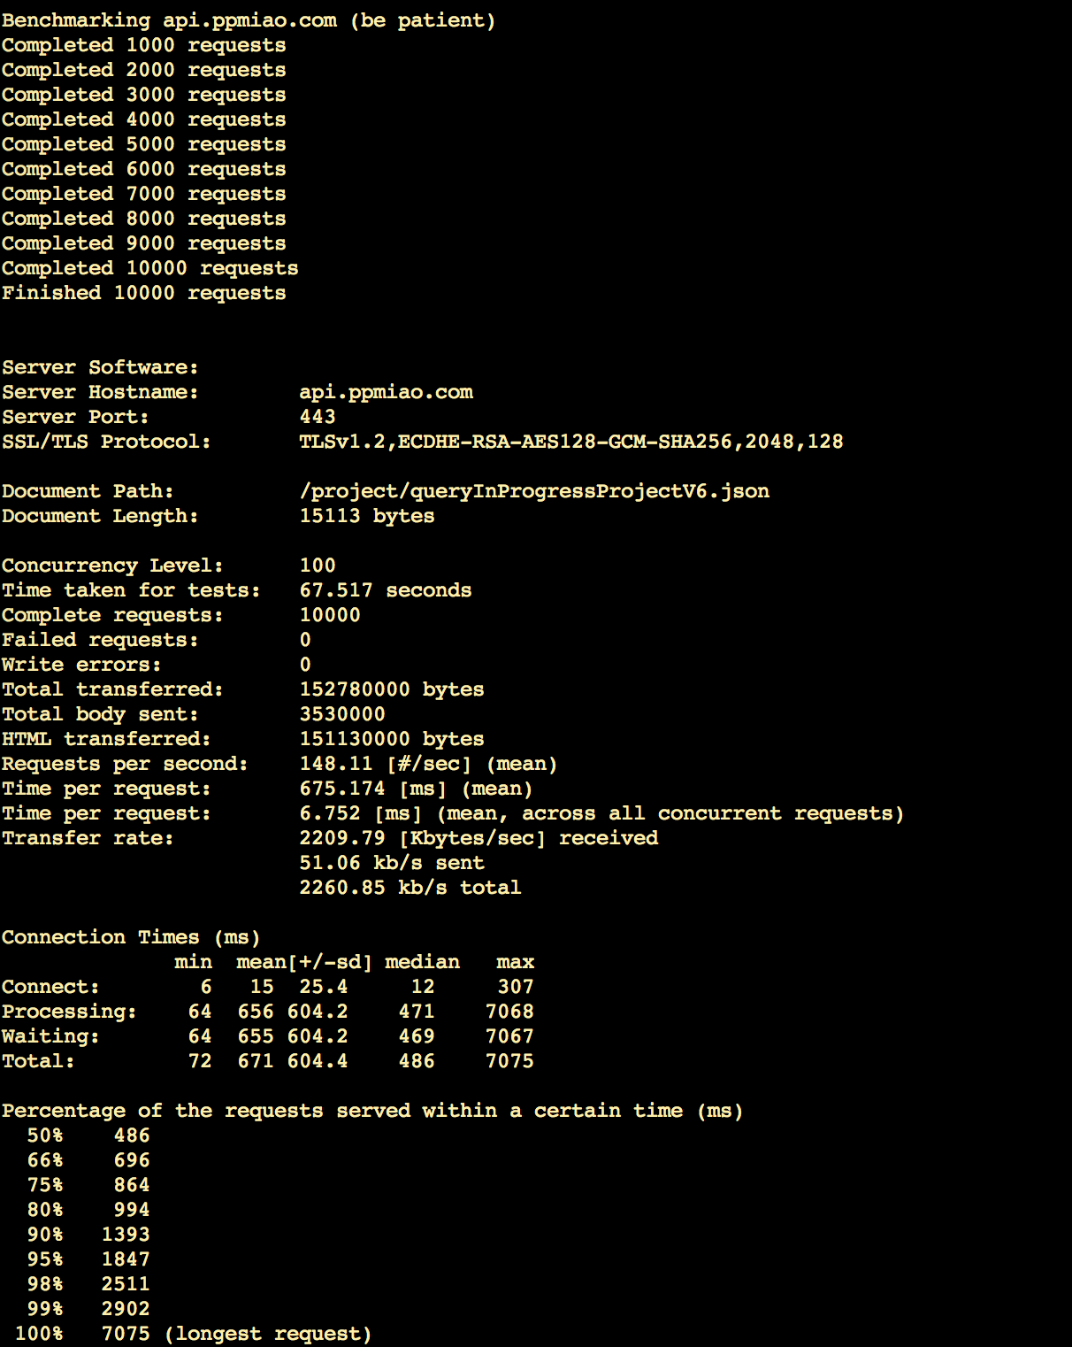
立即投资
ab -c 100 -n 10000 -p "ryx_Immediate_investment" -T application/x-www-form-urlencoded "https://api.ppmiao.com/project/queryInProgressProjectV6.json"

500线程执行10000次
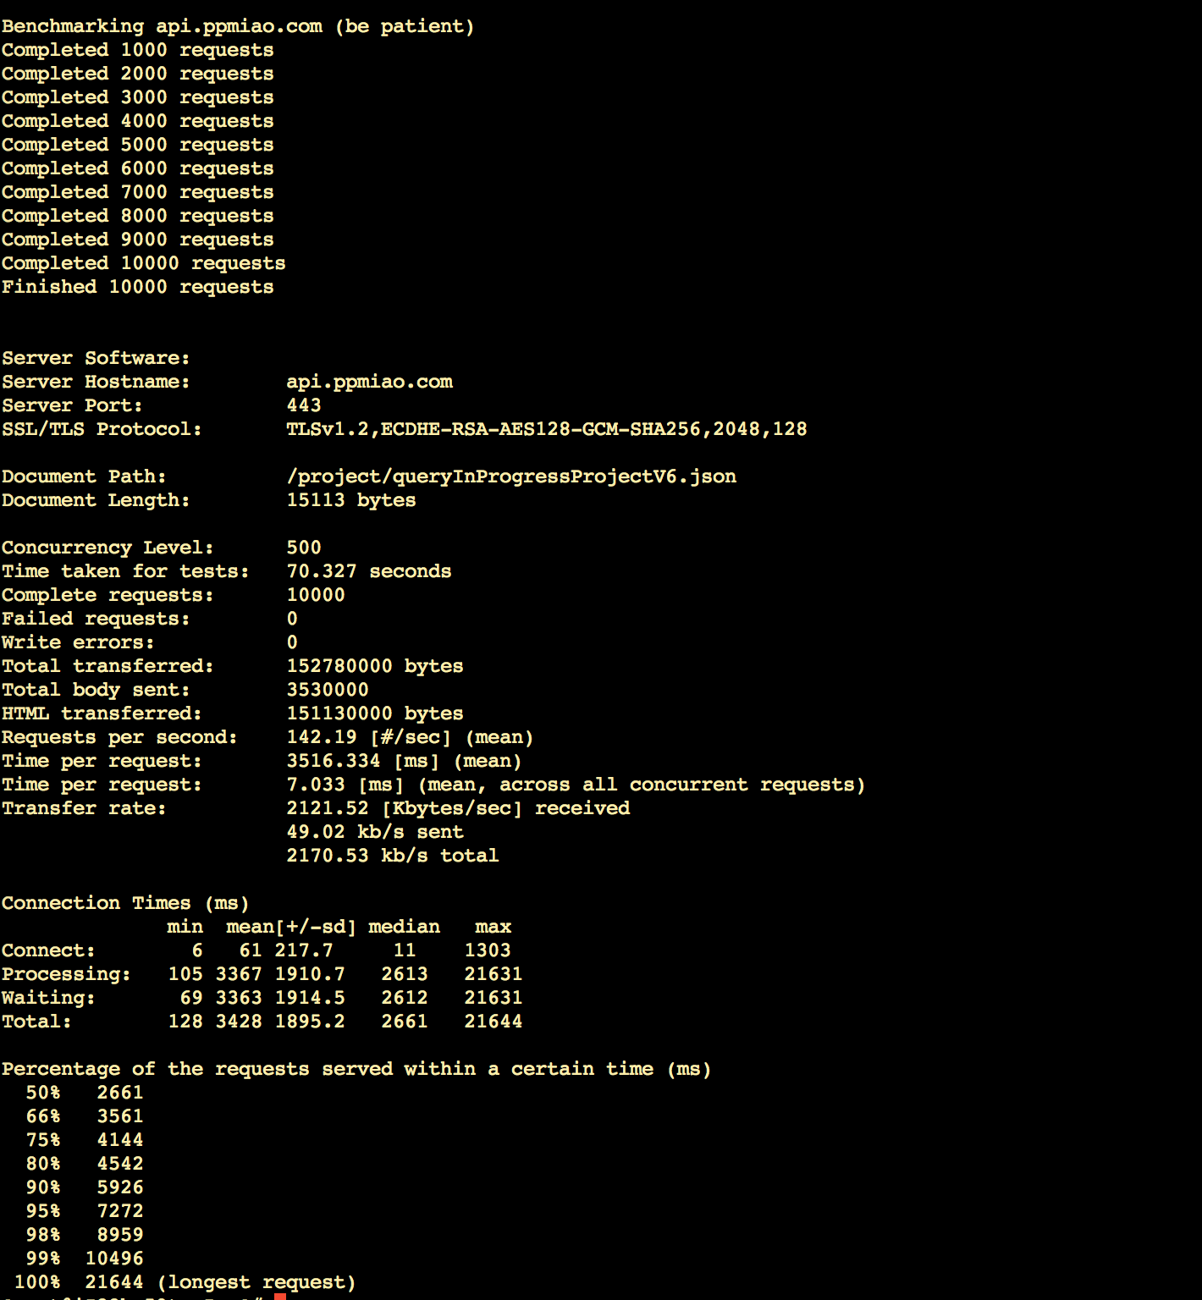
立即投资
ab -c 500 -n 10000 -p "ryx_Immediate_investment" -T application/x-www-form-urlencoded "https://api.ppmiao.com/project/queryInProgressProjectV6.json"

600线程执行
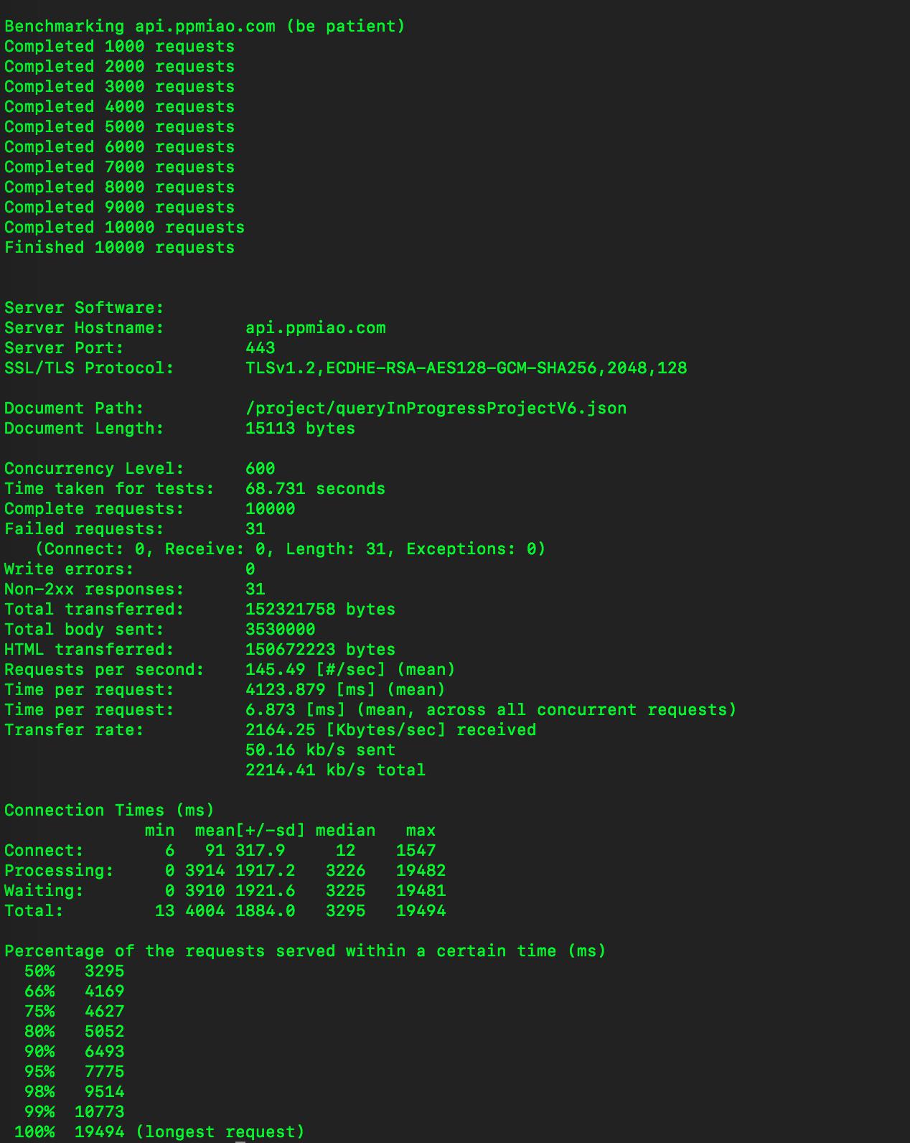
立即投资
ab -c 6000 -n 10000 -p "ryx_Immediate_investment" -T application/x-www-form-urlencoded "https://api.ppmiao.com/project/queryInProgressProjectV6.json"

1000线程执行10000次
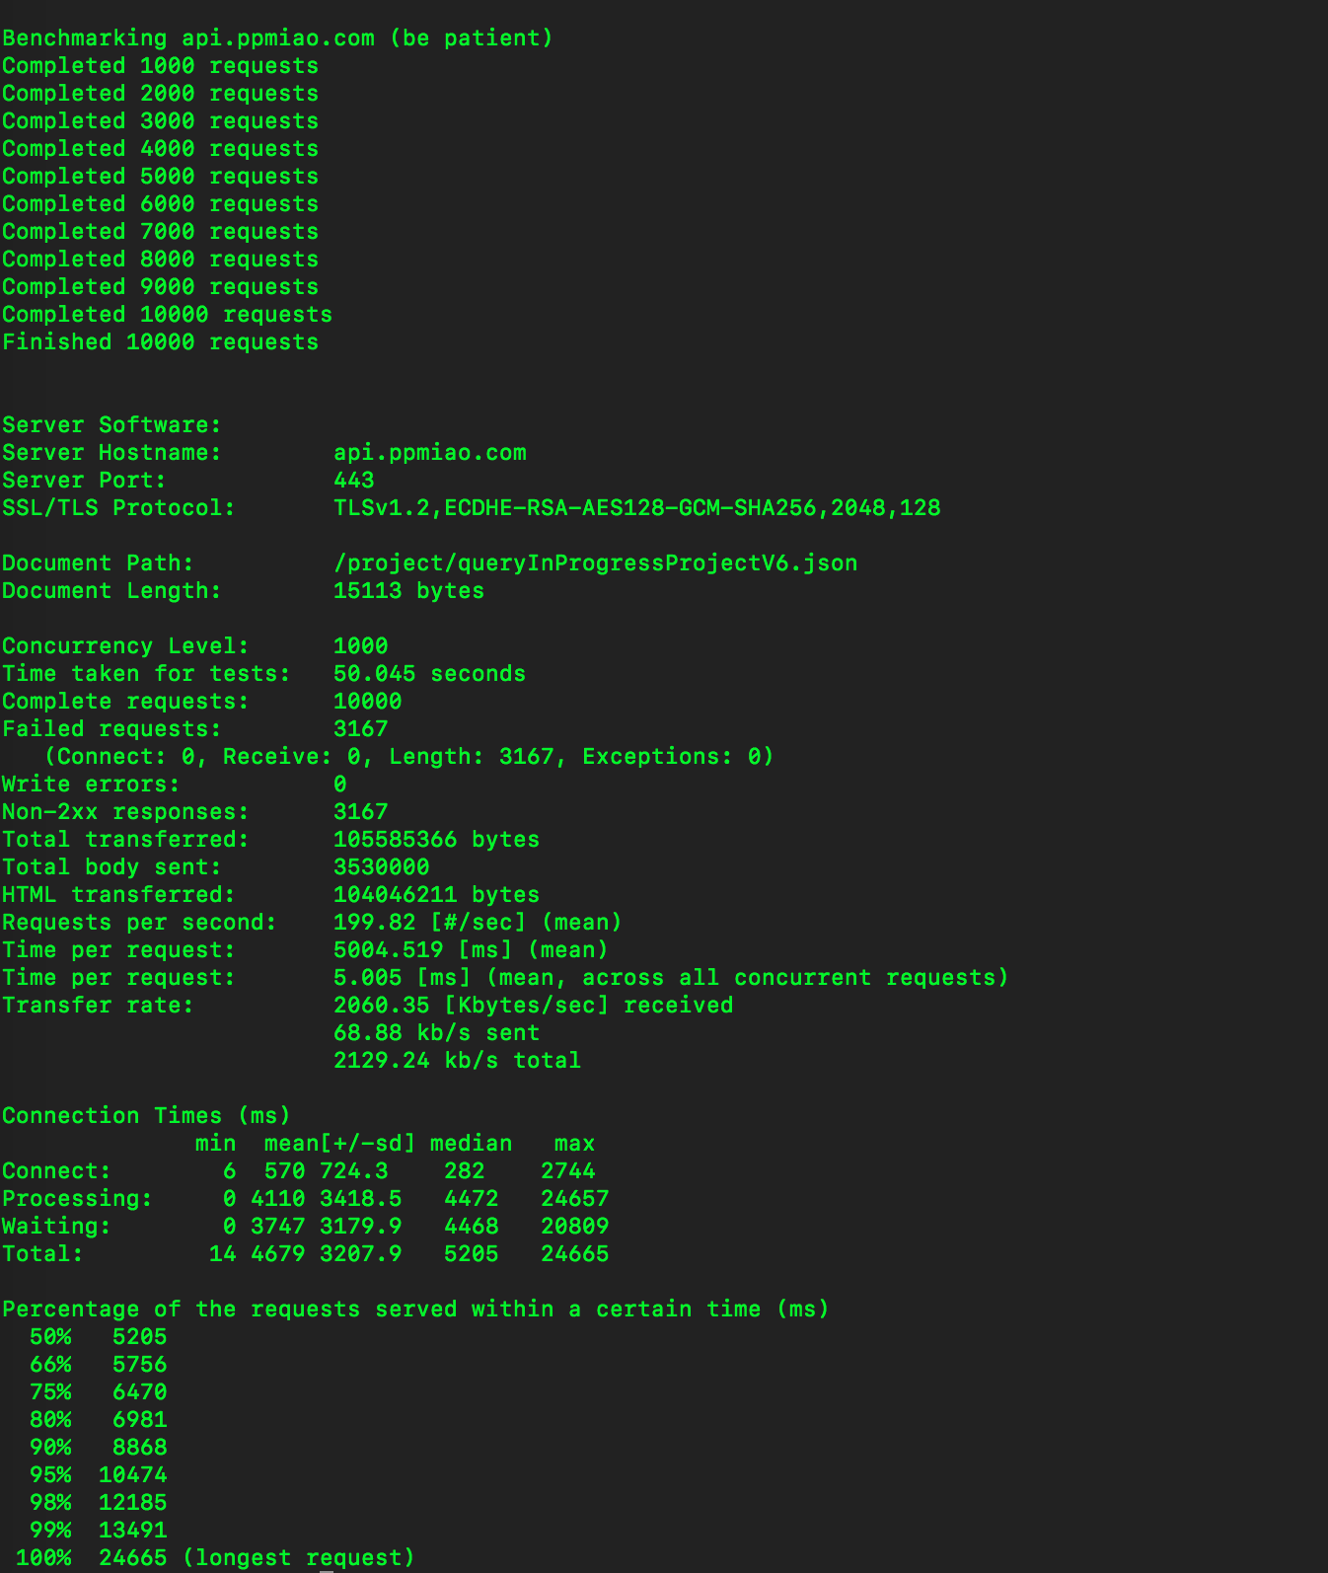
立即投资
ab -c 1000 -n 10000 -p "ryx_Immediate_investment" -T application/x-www-form-urlencoded "https://api.ppmiao.com/project/queryInProgressProjectV6.json"

