File Map
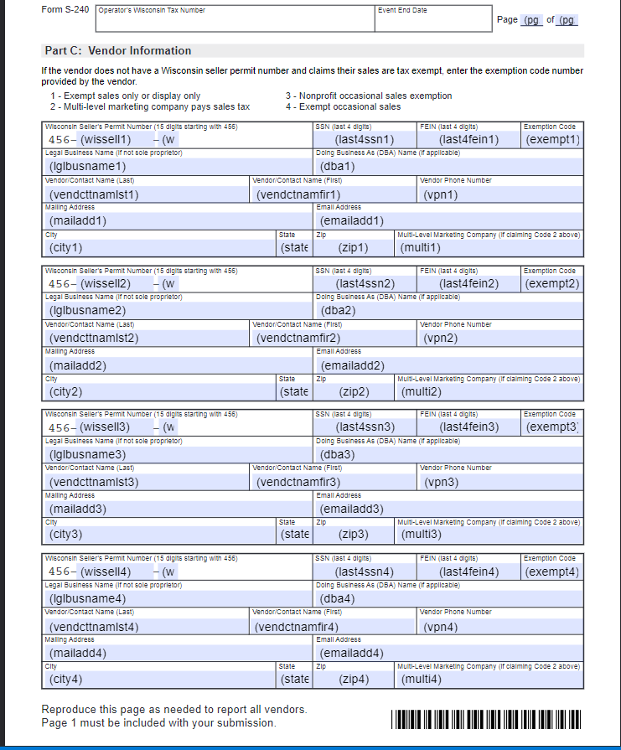
Google Sheet Description | Google Sheet Column Number | DOR S-240 PDF Form | PDF Mapping
Wisconsin Seller Permit Number (15 digits starting with 456) | 11 (K) | Wisconsin Seller’s Permit Number (15 digits starting with 456) - the form has a 456 at the start, so would just need the responses digits after 456 | (wissell1).split("-")[1:]
SSN (last 4 digits) | 12 (L) | SSN (last 4 digits) | (last4ssn1)
FEIN (last 4 digits) | 13 (M) | FEIN (last 4 digits) | (last4fein1)
Exemption code only if you are tax exempt | 14 (N) | Exemption Code | (exempt1)
Legal Business Name (if not sole proprietor) | 3 (C) | Legal Business Name (if not sole proprietor) | (lglbusname1)
No Collected, leave blank |  | Doing Business As (DBA) Name (if applicable) | (dba1)
Last Name | 4 (D) | Vendor/Contact Name (Last) | (vendcttnamlst1)
First Name | 5 (E) | Vendor/Contact Name (First) | (vendctnamfir1)
Phone Number | 6 (F) | Vendor Phone Number | (vpn1)
Mailing Address | 7 (G) | Mailing Address | (mailadd1)
Email Address | 2 (B) | Email Address | (emailadd1)
City | 8 (H) | City | (city1)
State | 9 (I) | State | (state1)
Zip | 10 (J) | Zip | (zip1)
If a Multi-level Marketing company, please list the company name here (for number 2 responses) | 15 (O) | Multi-Level Marketing Company (if claiming Code 2 above) | (multi1)

