Dashboard
Property Market Analysis Dashboard

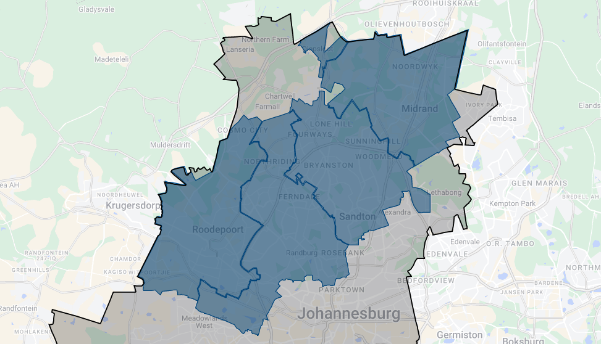
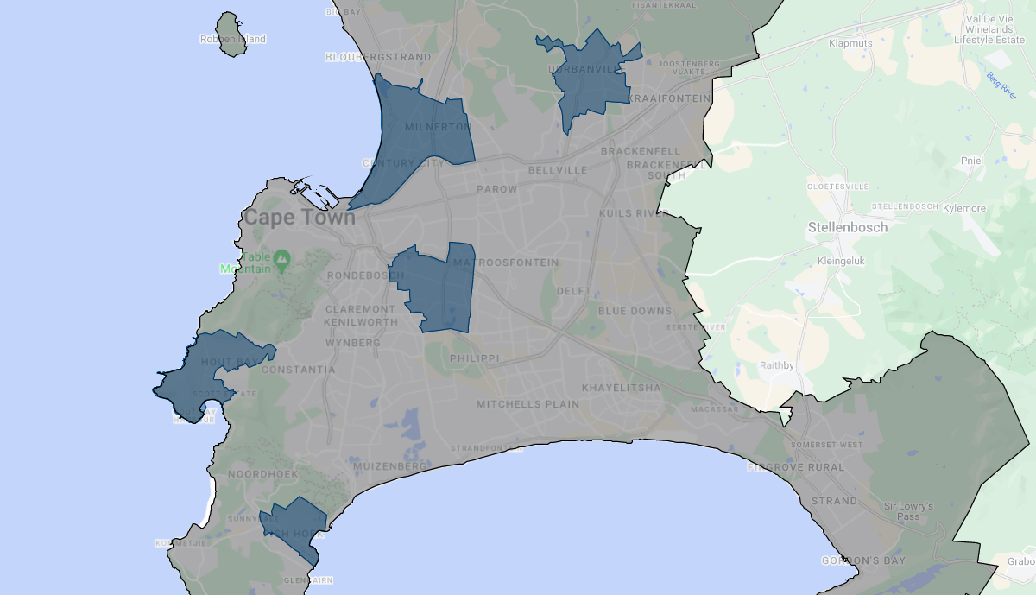
Municipality Rankings

1 | City_of_Johannesburg
2 | City_of_Cape Town
3 | Stellenbosch
4 | City_of_Tshwane
5 | Polokwane
6 | Ekurhuleni
7 | George
8 | Rustenburg
9 | Drakenstein
10 | Buffalo_City

 |  | City_of_Johannesburg |  |  |  | City_of_Cape Town

 |  | Top 5 Suburbs |  | Property of Interest |  | Top 5 Suburbs |  | Property of Interest

 |  | 1 | Sandton | 1 | (place to note relevant properties) | 1 | Durbanville | 1 | (place to noterelevant properties)
 |  | 2 | Randburg | 2 |  | 2 | Hout Bay | 2
 |  | 3 | Midrand | 3 |  | 3 | Athlone | 3
 |  | 4 | Roodepoort | 4 |  | 4 | Milnerton | 4
 |  | 5 | Diepsloot | 5 |  | 5 | Fish Hoek | 5

