Dashboard
Property Analysis Dashboard

Analysed Property Rankings
Property Cashflows
 | Initial Cashflow | Refinanced Cashflow | Cashflow Target
zambezi-manor-lifestyle-estate | R1,805.84 | R4,713.50 | 500
Property Debt Coverage
 | Initial Cashflow | Refinanced Cashflow | Cashflow Target
zambezi-manor-lifestyle-estate | R1,805.84 | R4,713.50 | 500
 | Listing Number | Suburb | City | Purchase Price | Cash Needed at Purchase
1 | 112636777 | zambezi-manor-lifestyle-estate | pretoria | R975,000.00 | R411,375.00
2
3
4
5
6
7
8
9
10

Property_Report_Template
Property Report | 112636777 |  |  |  |  |  | Property Report | 112636777

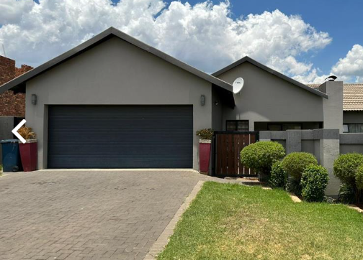
Exterior
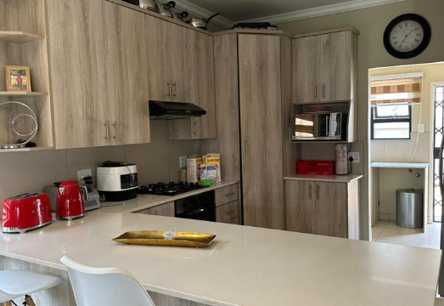
Kitchen
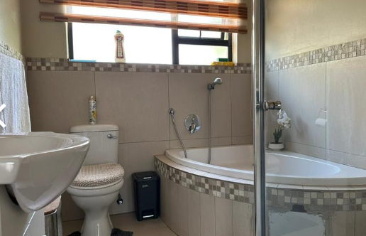
Bathroom
 | Total Annual Income | Total Annual Expenses | Total Annual Cashflow
 | R73,125.00 | R118,938.01 | -R45,813.01
 | R186,030.00 | R122,120.56 | R63,909.44
 | R197,191.80 | R125,462.24 | R71,729.56
 | R209,023.31 | R128,971.00 | R80,052.31
 | R221,564.71 | R132,655.20 | R88,909.51
 | R234,858.59 | R136,523.61 | R98,334.98
 | R248,950.10 | R140,585.44 | R108,364.67
 | R263,887.11 | R144,850.36 | R119,036.75
 | R279,720.34 | R149,328.53 | R130,391.81
 | R296,503.56 | R154,030.60 | R142,472.96
 | R314,293.77 | R158,967.78 | R155,325.99
 | R333,151.40 | R164,151.82 | R168,999.58
 | R353,140.48 | R169,595.06 | R183,545.42
 | R374,328.91 | R175,310.46 | R199,018.45
 | R396,788.64 | R181,311.64 | R215,477.01
 | R420,595.96 | R187,612.87 | R232,983.10
 | R445,831.72 | R194,229.16 | R251,602.56
 | R472,581.62 | R201,176.27 | R271,405.36
 | R500,936.52 | R208,470.73 | R292,465.79
 | R530,992.71 | R216,129.92 | R314,862.80
 | R562,852.28 | R224,172.06 | R338,680.21
 | R596,623.41 | R232,616.31 | R364,007.10
 | R632,420.82 | R241,482.78 | R390,938.04
 | R670,366.07 | R250,792.57 | R419,573.50
 | R710,588.03 | R260,567.85 | R450,020.18
 | R753,223.31 | R270,831.89 | R482,391.42
 | R798,416.71 | R281,609.13 | R516,807.58
 | R846,321.71 | R292,925.24 | R553,396.48
 | R897,101.02 | R304,807.15 | R592,293.87
 | R950,927.08 | R317,283.16 | R633,643.92
 | Property Value | Equity | Loan Balance | Total Profit if Sold
 | R1,102,500.00 | R578,440.68 | R524,059.32 | R67,840.68
 | R1,157,625.00 | R636,582.54 | R521,042.46 | R135,467.99
 | R1,215,506.25 | R697,796.56 | R517,709.69 | R191,472.70
 | R1,276,281.56 | R762,253.63 | R514,027.93 | R250,459.99
 | R1,340,095.64 | R830,134.99 | R509,960.65 | R312,598.08
 | R1,407,100.42 | R901,632.95 | R505,467.47 | R378,065.61
 | R1,477,455.44 | R976,951.64 | R500,503.80 | R447,052.35
 | R1,551,328.22 | R1,056,307.85 | R495,020.36 | R519,760.01
 | R1,628,894.63 | R1,139,931.88 | R488,962.74 | R596,403.06
 | R1,710,339.36 | R1,228,068.55 | R482,270.81 | R677,209.70
 | R1,795,856.33 | R1,320,978.18 | R474,878.14 | R762,422.81
 | R1,885,649.14 | R1,418,937.78 | R466,711.37 | R852,301.05
 | R1,979,931.60 | R1,522,242.18 | R457,689.42 | R947,120.03
 | R2,078,928.18 | R1,631,205.42 | R447,722.76 | R1,047,173.58
 | R2,182,874.59 | R1,746,162.13 | R436,712.46 | R1,152,775.11
 | R2,292,018.32 | R1,867,469.08 | R424,549.24 | R1,264,259.13
 | R2,406,619.23 | R1,995,506.86 | R411,112.37 | R1,381,982.83
 | R2,526,950.20 | R2,130,681.71 | R396,268.49 | R1,506,327.89
 | R2,653,297.71 | R2,273,427.45 | R379,870.25 | R1,637,702.36
 | R2,785,962.59 | R2,424,207.68 | R361,754.91 | R1,776,542.75
 | R2,925,260.72 | R2,583,518.07 | R341,742.65 | R1,923,316.30
 | R3,071,523.76 | R2,751,888.91 | R319,634.85 | R2,078,523.47
 | R3,225,099.94 | R2,929,887.87 | R295,212.07 | R2,242,700.57
 | R3,386,354.94 | R3,118,123.03 | R268,231.91 | R2,416,422.78
 | R3,555,672.69 | R3,317,246.12 | R238,426.57 | R2,600,307.27
 | R3,733,456.32 | R3,527,956.09 | R205,500.23 | R2,795,016.72
 | R3,920,129.14 | R3,751,003.07 | R169,126.06 | R3,001,263.15
 | R4,116,135.60 | R3,987,192.55 | R128,943.05 | R3,219,812.04
 | R4,321,942.38 | R4,237,390.03 | R84,552.35 | R3,451,486.91
 | R4,538,039.49 | R4,502,526.13 | R35,513.36 | R3,697,174.27
Listing Number | 112636777 |  |  |  |  | Financial Info

Purchase Price | R975,000.00 |  |  |  |  | 2% Rule | 1.39%
Closing Cost | R39,000.00 |  |  |  |  | Total Initial Equity | R367,500.00
Est. Rehab Cost | R36,000.00 |  |  |  |  | Gross Rent Multiplier | 5.98
Total Project Cost | R1,050,000.00 |  |  |  |  | Acq. Debt Coverage Ratio | 1.24
After Repair Value | R1,050,000.00 |  |  |  |  | Ref. Debt Coverage Ratio | 1.02

Acquisition Loan |  | Rehab Period |  |  |  | Analysis Over Time

Down Payment | R292,500.00 | Holding Costs | R64,140.39 | Insurance (m) | R0.00 | Annual Expense Growth (%) | 5.00%
Total Acq. Loan | R682,500.00 | Total Cash Outlay | R475,515.39 | Property Taxes (m) | R249.00 | Annual Income Growth (%) | 6.00%
Acq. Loan Total Fees | R43,875.00 | Est. Rehab Time (m) | 7 | Other Expenses (m) | R0.00 | Annual PV Growth (%) | 5.00%
Acq. Loan Amortization (y) | 20
Acq. Loan Interest Rate | 12.00%
Acq. Monthly P&I | R7,514.91
Cash Needed at Purchase | R411,375.00 |  |  |  |  | Year | 1 | 2 | 3 | 5 | 10 | 20 | 30
 |  |  |  |  |  | Total Annual Income | R73,125.00 | R186,030.00 | R197,191.80 | R221,564.71 | R296,503.56 | R530,992.71 | R950,927.08
Refinance Loan |  | Initial Rental Analysis |  | Refinanced Rental Analysis |  | Total Annual Expenses | R118,938.01 | R122,120.56 | R125,462.24 | R132,655.20 | R154,030.60 | R216,129.92 | R317,283.16
 |  |  |  |  |  | Operating Expenses | R63,651.00 | R66,833.55 | R70,175.23 | R77,368.19 | R98,743.59 | R160,842.91 | R261,996.15
Time To Refinance (m) | 8 | Gross Income (m) | R14,625.00 | Ref. Gross Income (m) | R14,625.00 | Mortgage Payments | R55,287.01 | R55,287.01 | R55,287.01 | R55,287.01 | R55,287.01 | R55,287.01 | R55,287.01
Ref. Loan Amount | R525,000.00 | Initial NOI | R111,849.00 | Ref. NOI (y) | R56,561.99 | Total Annual Cashflow | -R45,813.01 | R63,909.44 | R71,729.56 | R88,909.51 | R142,472.96 | R314,862.80 | R633,643.92
Ref. Loan (%) of PV | 50.00% | Total Expenses (m) | R12,819.16 | Ref. Total Expenses (m) | R9,911.50 | Cash on Cash ROI | -11.54% | 16.10% | 18.07% | 22.40% | 35.89% | 79.32% | 159.64%
Ref. Loan Total Fees | R23,625.00 | Cash Needed at Purchase | R411,375.00 | Ref. Cashflow (m) | R4,713.50 | Property Value | R1,102,500.00 | R1,157,625.00 | R1,215,506.25 | R1,340,095.64 | R1,710,339.36 | R2,785,962.59 | R4,538,039.49
Ref. Loan Amortization (y) | 30 | Initial Cashflow (m) | R1,805.84 | Ref. Cash on Cash ROI (y) | 14.25% | Equity | R578,440.68 | R636,582.54 | R697,796.56 | R830,134.99 | R1,228,068.55 | R2,424,207.68 | R4,502,526.13
Ref. Interest Rate | 10.00% | Initial Cash on Cash ROI (y) | 5.27% |  |  | Loan Balance | R524,059.32 | R521,042.46 | R517,709.69 | R509,960.65 | R482,270.81 | R361,754.91 | R35,513.36
Ref. Monthly P&I | R4,607.25 | Pro Forma Cap Rate | 10.04% |  |  | Total Profit if Sold | R67,840.68 | R135,467.99 | R191,472.70 | R312,598.08 | R677,209.70 | R1,776,542.75 | R3,697,174.27
Total Cash In Deal | R396,928.30 | Purchase Cap Rate | 11.47% |  |  | Average Annual Return | 17.09% | 17.06% | 16.08% | 15.75% | 17.06% | 22.38% | 31.05%
 |  |  |  |  |  | Annualized Total Return | -82.91% | -41.58% | -21.57% | -4.66% | 5.49% | 7.78% | 7.72%

