FlowChart
 | FLOW CHART for CoreBanking -Team3
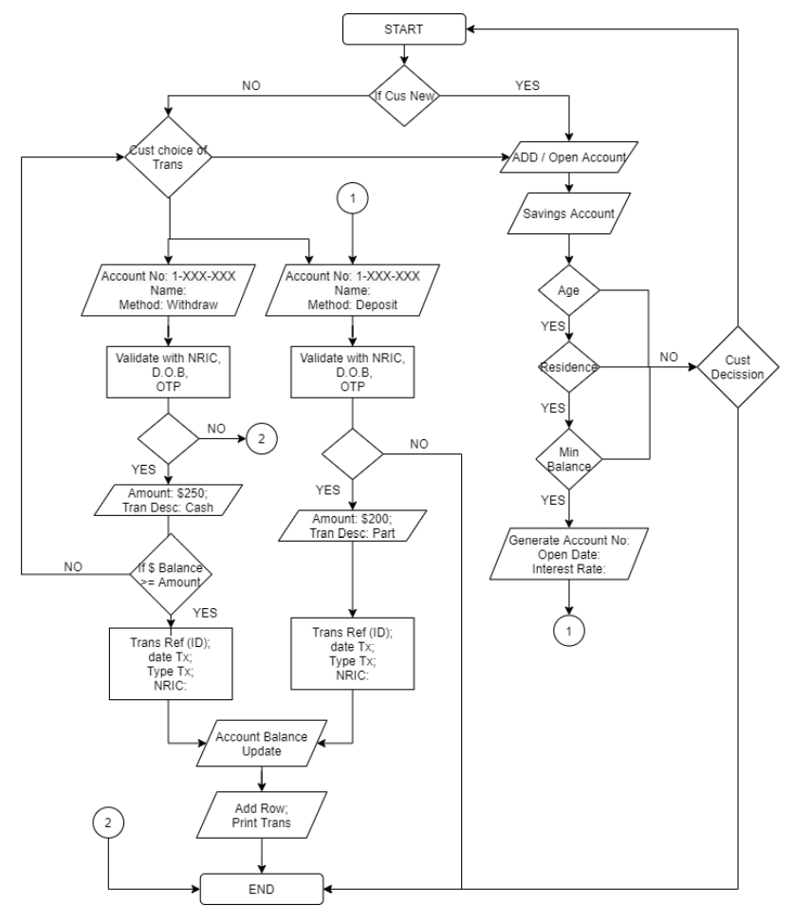
Saving Account
Current Account
Credit Card Account
Fixed Deposit

