Sheet1
Symbian

Who is Symbian?

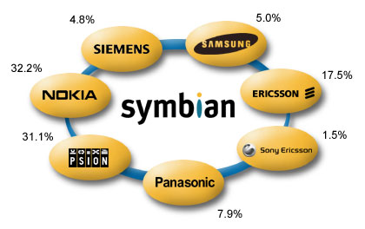

Symbian

Symbian Licensees

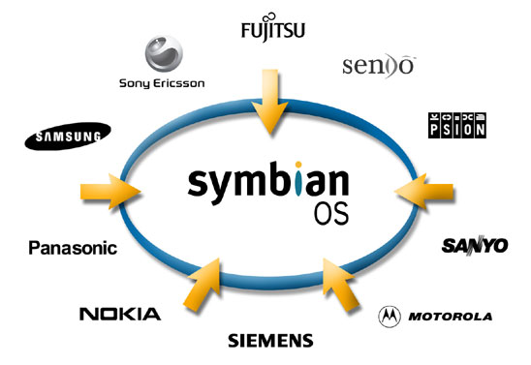

Symbian

Symbian Devices

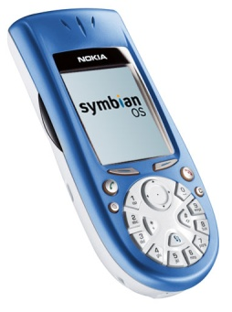

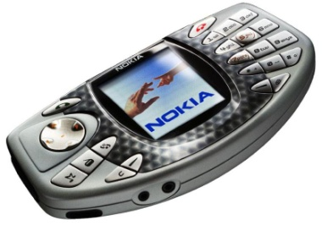

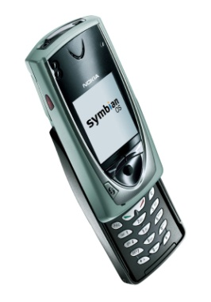

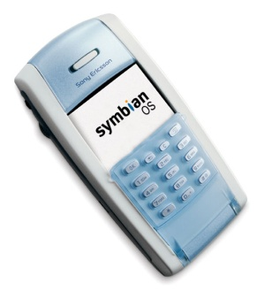
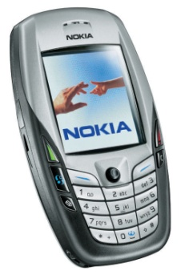

1999 2000 2001 2002 ’03Q1 ’03Q2 ’03Q3 ’03Q4

Symbian OS Overview

•Runs on battery powered devices
–has low power consumption
•Designed for devices with limited memory
•Open Operating System
–3rd party developers can write applications
•Reliable and stable
–Applications can run for years without being closed or losing user data
•Object Orientated from the “ground up”
–Provides a C++ API
•Component based
–Can run on multiple platforms

Symbian

