Sheet1
Jul-09
Version 1 | 0.9%
Version 2 | 30.0%
July 2009
July 2010
Version 3 | 1.1%
No Silverlight | 68.0%
Jul-10
Version 4 | 55.0%
Version 3 | 8.5%
Version 2 | 0.5%
Version 1 | 0.3%
No Silverlight | 35.7%

Sheet2
Smartphone market by OS vendor

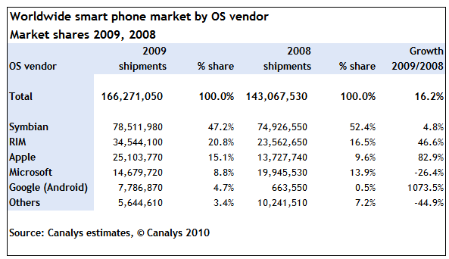

 | 2008 | 2009
Nokia | 74.9 | 78.5
BlackBerry | 23.5 | 34.5
Apple | 13.7 | 25.1
Microsoft | 19.9 | 14.6
Android | 0.6 | 7.7
Other | 10.2 | 5.6

Sheet3
XAML Finance Code
 | SUM | C# | XAML
Common | 107 | 107 |  | 107
WP7 | 51 | 16 | 35 | 51
WPF | 16 | 9 | 7 | 16
Silverlight | 27 | 9 | 18 | 27

