Edit Tracker
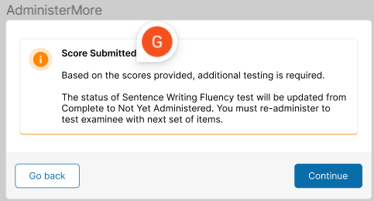
Requestor | Date | Edit | Implemented in CMS by: | Date
EML | 2021-08-13 | On IN1, removed the reference to the specific item number [ITEM#].
 |  |  |  |  | Norm Items Dropped from PUB: |  |  |  |  |  | Copyedited Block A Modal Text | PRS CE Notes for DEV
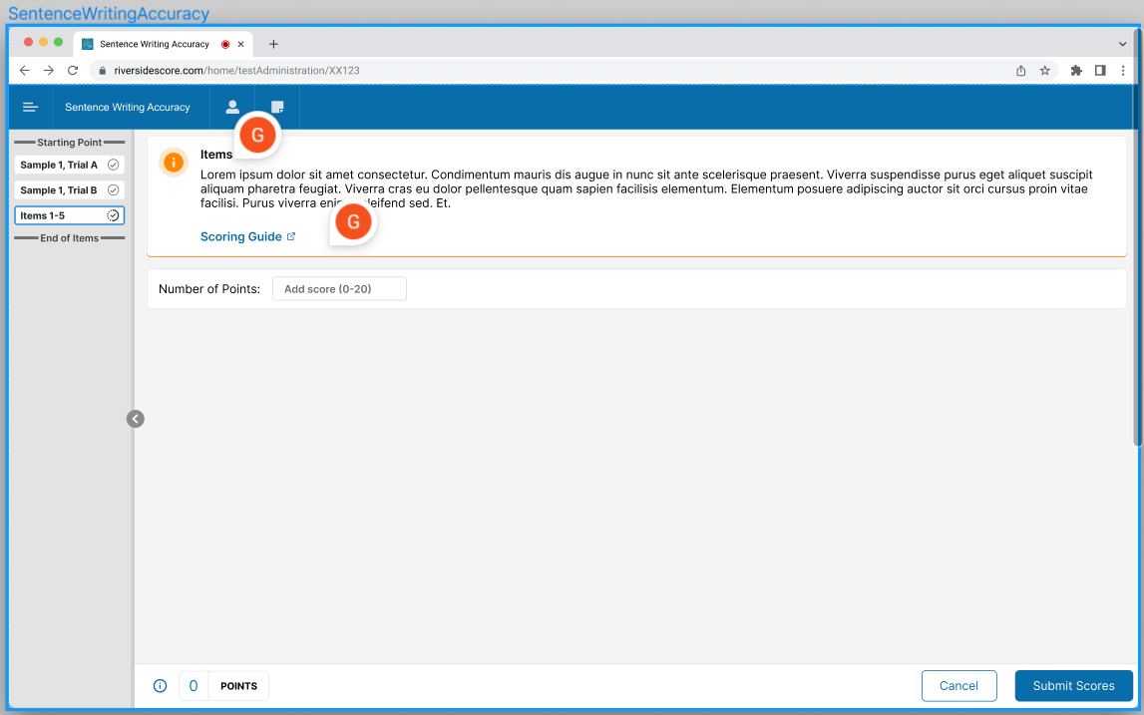
GJ | 2024-02-21 | No changes in art. New audio for all items. Reordered items based on final item selection. See items below yellow columns on this tab that were dropped from Norm version. Added QOs and the following columns: Item Descriptor, Tablet Icon, Pointer Default On, and Navigation Label. Updated text in cell P 81 (removed "and Punctuation"). Per Erica, "No navigation headers. Jeri Lynn will tell ENG in the User Story that the Block Labels will be Block A, Block B, and Block C." Re-numbered all Introductions in Heading column. After additional discussion with Erica, the items will be numbered 1-20. To correspond with new audio for each item, I updated Item Text, Correct FB Alert, and Error Alert columns. Added Introduction 3 per Erica's suggestion. Updated RB layout, logic map, and Audio scripts. Removed all scoring criteria rows for each item (except for Sample Item A, Trial 1 and 2). Updated Item Text (cells Q2, Q4, Q14, Q21) to address scoring during administration (Sample Item A only), and post-administration (all remaining items). |  |  | Web CMS Item Code_Examiner | Heading | Master ID | Block A (Items 1-5) Use the Sentence Writing Accuracy Scoring Guide and the Examiner Scoring Sheet to score each individual item in the block administered. Calculate the sum of each of the score dimensions for each item. Enter the total number of points for the block administered (Block A=Items 1-5). The platform determines whether the test ends or an additional block of items needs to be administered. | Block B (Items 6-15) Use the Sentence Writing Accuracy Scoring Guide and the Examiner Scoring Sheet to score each individual item in the block administered. Calculate the sum of each of the score dimensions for each item. Enter the total number of points for the block administered (Block B=Items 6-15). The platform determines whether the test ends or an additional block of items needs to be administered. | Block C (Items 16-20) Use the Sentence Writing Accuracy Scoring Guide and the Examiner Scoring Sheet to score each individual item in the block administered. Calculate the sum of each of the score dimensions for each item. Enter the total number of points for the block administered (Block C=Items 16-20). The platform determines whether the test ends or an additional block of items needs to be administered. | Block A (Items 1–5) Use the Sentence Writing Accuracy Scoring Guide to score each item on Dictation Accuracy, Spelling, Capitalization, and Punctuation. Calculate the sum of the four dimension scores for each item and then sum the item scores. Enter the total number of points (0–20) below. | DEV: 1) All edits shown in Blocks A, B, & C modal text are per 3/8/24 call w/ Erica. 2) The blue text identifies links. Make sure these links are tagged for Aneta. JN 3/8/24
GJ | 2024-03-01 | PRS: Please review text in columns J, K, L of this tab. See screenshot of post-administration scoring modal for reference (there may need to be 3 separate post-admin screens). See Admin Complete and Administer More modals and text as well. |  |  | 445489113 | Item 4 | SWRTAC_011
GJ | 2024-03-08 | Added Audio Scripts to Audio Clip column. Added Audio File Name column and populated. |  |  | 445517892 | Item 6 | SWRTAC_001 |  |  |  | Copyedited Block B Modal Text | PRS CE Notes for DEV
 |  |  |  |  | 445559851 | Item 9 | SWRTAC_017 |  |  |  | Block B (Items 6–15) Use the Sentence Writing Accuracy Scoring Guide to score each item on Dictation Accuracy, Spelling, Capitalization, and Punctuation. Calculate the sum of the four dimension scores for each item and then sum the item scores. Enter the total number of points (0–40) below. | DEV: 1) Same notes as for Block A. 2) I changed total number of points to 40 since Block B has 10 items. Please confirm this total score is correct. JN 3/11/24
 |  |  |  |  | 445607885 | Item 11 | SWRTAC_023
JN | 2024-03-08 | DEV: See edits to SWRTAC Fm A modal text on right side of this tab. |  |  | 445634213 | Item 12 | SWRTAC_013
JN | 2024-03-11 | DEV: See edits to SWRTAC Fm A Response Booklet. |  |  | 445647928 | Item 13 | SWRTAC_029 |  |  |  | Copyedited Block C Modal Text | PRS CE Notes for DEV
JN | 2024-03-11 | DEV: See edits to SWRTAC Fm A Examiner Scoring Sheet. |  |  | 445660584 | Item 14 | SWRTAC_033 |  |  |  | Block C (Items 16–20) Use the Sentence Writing Accuracy Scoring Guide to score each item on Dictation Accuracy, Spelling, Capitalization, and Punctuation. Calculate the sum of the four dimension scores for each item and then sum the item scores. Enter the total number of points (0–20) below. | DEV: Same notes as for Block A. JN 3/11/24
JN | 2024-03-08 | DEV: No edits to SWRTAC Fm A Audio Script or audio clips. |  |  | 445673837 | Item 15 | SWRTAC_015
JN | 2024-03-12 | DEV: See edits to SWRTAC Fm A Test Schema. |  |  | 445692190 | Item 16 | SWRTAC_045
 | 2024-03-12 | DEV: See edits to SWRTAC Fm A Scoring Guide. |  |  | 445712182 | Item 18 | SWRTAC_027
GJ | 2024-03-21 | Revisions required before sending to AU team. Added rows for scoring screens (after Items 5, 15, and 20) based on discussion with Joel, Erica, and Aneta. These rows specify what will appear on the three, post-administration scoring screens. Aneta, please see links in Item Text of (3) scoring screens. Removed "and the Examiner Scoring Sheet" from Modal Text of Block A, B, and C and Item Text of scoring screens. Examiner Scoring Sheet will not be used. Updated RBs to include examiner scoring in margin for each item. |  |  | 445718564 | Item 19 | SWRTAC_047
GJ | 2024-03-26 | Incorporated CE and AU edits. Added Master ID (SWRTAC_IN5) to Introduction 3 (Aneta approved). |  |  | 445743582 | Item 21 | SWRTAC_031
JSP | 2024-04-01 | In Item Text for Item 13, inserted comma between "play" and "say" for parallel with all similarly structured items. (See cell E35.) | JSP | 2024-04-01 | 445770433 | Item 22 | SWRTAC_041
JSP | 2024-04-02 | In Item Descriptor entry for Item 16, removed quotation marks for parallel with Item Descriptor entry for Item 16 in Form B test schema. (See cell AE44.) |  |  | 445811810 | Item 25 | SWRTAC_043
JSP | 2024-04-01 | In Item Descriptor entry for Item 20, removed quotation marks and "I said," and inserted "get that?" for parallel with Item Descriptor entry for Item 20 in Form B test schema. (See cell AE49.) | JSP | 2024-04-01 | 445823932 | Item 26 | SWRTAC_037
JSP | 2024-04-02 | Per Aneta, there’s no need to do anything extra in WebCMS for the Item Text for Block A, Block B, and Block C (at sequence positions 19, 36, and 46, respectively). She says "Platform will take ‘apply’ link the scoring table." |  |  | 445849821 | Item 27 | SWRTAC_061
GJ | 2024-04-03 | Incorporated edits by JSP. |  |  | 445876886 | Item 29 | SWRTAC_055
GJ | 2024-04-09 | Added additional rows below Block A, Block B, and Block C score entry rows for Total score data capture capability per Aneta and JLC. |  |  | 445883982 | Item 30 | SWRTAC_067
GJ | 2024-04-12 | Added headings in Heading field for score entry screens for each block (per Erica's suggestion). |  |  | 445927475 | Item 33 | SWRTAC_085
GJ | 2024-04-16 | Based on mtg with Joel, Erica, Aneta, and Michaela, changed Master IDs for each score entry screen, to make them unique and so they reflect the block (Block A, B, and C). Requested re-export. |  |  | 445935838 | Item 34 | SWRTAC_063
GJ | 2024-06-07 | Based on AU suggestion on SWRTAC Scoring Guide, updated Static Alert for Item 11 to: "Give credit for Punctuation if the examinee omits the comma after hat." Requested update in CMS and reexport. Cell Z33. |  |  | 445962860 | Item 36 | SWRTAC_077
GJ | 2024-06-25 | Updated Item Text in cells E20, E38, and E49 per Jeri Lynn for "score later tests." |  |  | 445973211 | Item 37 | SWRTAC_057
GJ | 2024-06-27 | Per Eric S., updated text in Heading columns of score entry screens to match Item Text info in same row (e.g., removed the block designation "Block A" and spelled out words rather than abbreviate) cells R21-R25, R39-R43, and R50-R54. |  |  | 445982027 | Item 38 | SWRTAC_075
GJ | 2024-06-27 | Per Eric S. and Jeri Lynn, updated text in Heading column for Score Entry screens (cells R20, R38, and R49). |  |  | 446024265 | Item 40 | SWRTAC_093
GJ | 2024-09-04 | Per Erica's request, added "A:" before each Item Heading field for Block A (cells R21-R25). Added "B:" before Item Heading field for Block B, and "C:" before Item Heading field for Block C. Emailed JLC to request that edits be made in CMS. |  |  | 446053353 | Item 42 | SWRTAC_079
 |  |  |  |  | 446064444 | Item 43 | SWRTAC_065
 |  |  |  |  | 446115814 | Item 47 | SWRTAC_083
 |  |  |  |  |  |  |  |  |  |  | Copyedited Admin Complete Modal Text | PRS CE Notes for DEV
 |  |  |  |  |  |  |  |  | (Administration Complete modal) Based on the number of points entered for the block administered, no additional testing is needed. |  | Administration Complete Based on the number of points you entered for the block administered, no additional testing is needed. | DEV: 1) Added heading. 2) Erica suggested adding the "you" to make the first part of the sentence active. JN 3/8/24

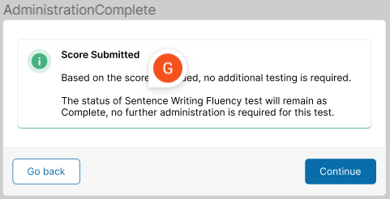

 |  |  |  |  |  |  |  |  |  |  | Copyedited Admin More Modal Text | PRS CE Notes for DEV
 |  |  |  |  |  |  |  |  | (Administer more modal) Based on the number of points entered for the block administered, additional testing is needed. Please administer Block ___. The test will end after the scores for Block ___ are entered. |  | Administer More Items Based on the number of points you entered for the block administered, additional testing is needed. Click Continue to return to the Launch Test screen and administer additional items. | DEV: 1) Added heading. 2) Erica suggested adding the "you" to sentence 1 to make the first part of the sentence active. 3) Erica suggested the edit to sentence 2 b/c she thinks the logic may not be possible here. JN 3/8/24

