CAN_3-4
 |  |  | CAN extended identfier (29 bit)
Byte |  |  | ID byte 4 |  |  |  |  | ID byte 3 |  |  |  |  |  |  |  | ID byte 2 |  |  |  |  |  |  |  | ID byte 1
Bit |  |  | 28 | 27 | 26 | 25 | 24 | 23 | 22 | 21 | 20 | 19 | 18 | 17 | 16 | 15 | 14 | 13 | 12 | 11 | 10 | 9 | 8 | 7 | 6 | 5 | 4 | 3 | 2 | 1 | 0
 |  |  | Priority |  |  | 1 | 0 | Funtion ID |  |  |  |  |  |  |  | Destination address |  |  |  |  |  |  |  | Source address

CAN data (0-8 bytes)
Data byte 1 |  |  |  |  |  |  |  | Data byte 2 |  |  |  |  |  |  |  | Data byte 2..8 |  |  |  |  |  |  |  | Data byte 2..8
7 | 6 | 5 | 4 | 3 | 2 | 1 | 0 |  |  |  |  |  |  |  |  | 7 | 6 | 5 | 4 | 3 | 2 | 1 | 0 | 7 | 6 | 5 | 4 | 3 | 2 | 1 | 0
ISO-TP header |  |  |  |  |  |  |  | ISO-TP header (only first frame) |  |  |  |  |  |  |  | Data bytes… (application protocol) |  |  |  |  |  |  |  | Data bytes… (application protocol)

 |  |  | CAN extended identfier (29 bit)
Byte |  |  | ID byte 4 |  |  |  |  | ID byte 3 |  |  |  |  |  |  |  | ID byte 2 |  |  |  |  |  |  |  | ID byte 1
Bit |  |  | 28 | 27 | 26 | 25 | 24 | 23 | 22 | 21 | 20 | 19 | 18 | 17 | 16 | 15 | 14 | 13 | 12 | 11 | 10 | 9 | 8 | 7 | 6 | 5 | 4 | 3 | 2 | 1 | 0
 |  |  | Priority |  |  | 1 | 1 | Data object ID (MSB) |  |  |  |  |  |  |  | Data object ID (LSB) |  |  |  |  |  |  |  | Source address

Single-frame packet

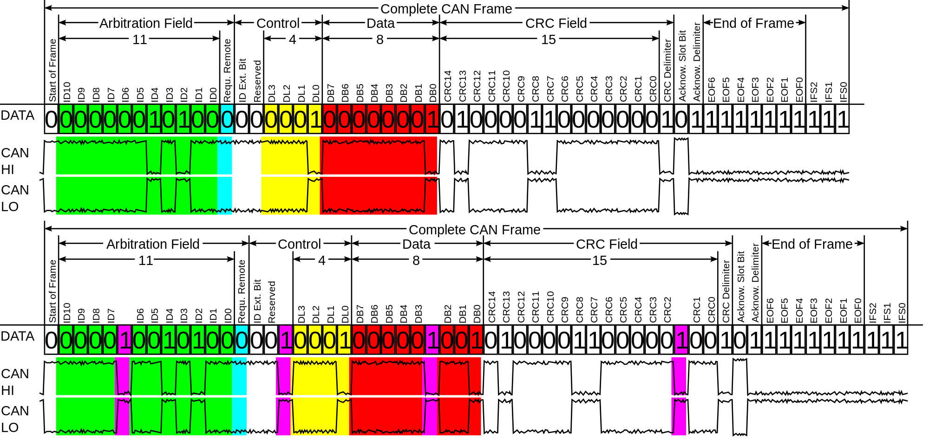
CAN data (1-8 bytes)
Data byte 1 |  |  |  |  |  |  |  | Data byte 2 |  |  |  |  |  |  |  | … |  |  |  |  |  |  |  | Data byte n
7 | 6 | 5 | 4 | 3 | 2 | 1 | 0 | 7 | 6 | 5 | 4 | 3 | 2 | 1 | 0 | 7 | 6 | 5 | 4 | 3 | 2 | 1 | 0 | 7 | 6 | 5 | 4 | 3 | 2 | 1 | 0
 |  | Data type |  |  |  |  |  | Data / Timestamp byte |  |  |  |  |  |  |  | Data / Timestamp byte |  |  |  |  |  |  |  | Data / Timestamp byte
 | Timestamp
Single-frame message (0b)

First frame

CAN data (0-8 bytes)
Data byte 1 |  |  |  |  |  |  |  | Data byte 2 |  |  |  |  |  |  |  | … |  |  |  |  |  |  |  | Data byte 8
7 | 6 | 5 | 4 | 3 | 2 | 1 | 0 | 7 | 6 | 5 | 4 | 3 | 2 | 1 | 0 | 7 | 6 | 5 | 4 | 3 | 2 | 1 | 0 | 7 | 6 | 5 | 4 | 3 | 2 | 1 | 0
 |  |  |  | Frame Count |  |  |  |  |  | Data type |  |  |  |  |  | Data / Timestamp byte |  |  |  |  |  |  |  | Data / Timestamp byte
 |  | Sequence identifier |  |  |  |  |  |  | Timestamp
 | Last frame (0b) |  |  |  |  |  |  | Reserved (0b)
Multi-frame message (1b)

Consecutive frames

CAN data (2-8 bytes)
Data byte 1 |  |  |  |  |  |  |  | Data byte 2 |  |  |  |  |  |  |  | … |  |  |  |  |  |  |  | Data byte n
7 | 6 | 5 | 4 | 3 | 2 | 1 | 0 | 7 | 6 | 5 | 4 | 3 | 2 | 1 | 0 | 7 | 6 | 5 | 4 | 3 | 2 | 1 | 0 | 7 | 6 | 5 | 4 | 3 | 2 | 1 | 0
 |  |  |  | Frame Count |  |  |  | Data / Timestamp byte |  |  |  |  |  |  |  | Data / Timestamp byte |  |  |  |  |  |  |  | Data / Timestamp byte
 |  | Sequence identifier
 | Last frame (0b/1b)
Multi-frame message (1b)

Last frame

CAN data (0-8 bytes)
Data byte 1 |  |  |  |  |  |  |  | Data byte 2 |  |  |  |  |  |  |  | … |  |  |  |  |  |  |  | Data byte 2..8
7 | 6 | 5 | 4 | 3 | 2 | 1 | 0 | 7 | 6 | 5 | 4 | 3 | 2 | 1 | 0 | 7 | 6 | 5 | 4 | 3 | 2 | 1 | 0 | 7 | 6 | 5 | 4 | 3 | 2 | 1 | 0
 |  |  |  | Frame Cnt. |  |  |  |  |  | Data type |  |  |  |  |  | Data bytes… (application protocol) |  |  |  |  |  |  |  | Data bytes… (application protocol)
 |  | Sequence identif. |  |  |  |  |  |  | Timestamp
 | Last frame |  |  |  |  |  |  | Reserved (0b)
Tiny-TP header (1b)

