ELC
*Declare and characterize the new technologies by sector. Sheet names should indicate the sector as <SectorName>_<Anything>

 | Sector Name | Description | Type | Activity Unit | Capacity unit | Currency Unit |  | New
 | ELC | Electricity Plants | Power Plants | PJ | GW | M€2005 |  | N |  |  |  |  |  | ~FI_Comm
 |  |  |  |  |  |  |  |  |  |  |  |  |  | Csets | Region | CommName | CommDesc | Unit | LimType | CTSLvl | PeakTS | Ctype
 | Power Plant Type | Thermal | CHP | Renewable | Nuclear |  |  |  |  |  |  |  |  | *Commodity Set Membership | Region Name | Commodity Name | Commodity Description | Unit | Sense of the Balance EQN. | Timeslice Level | Peak Monitoring | Electricity Indicator
 | Code | T | C | R | N

 |  |  |  | ~FI_T |  |  |  |  |  |  |  |  |  | ~FI_Process
 | TechName | Comm-IN | Comm-OUT | Year | START | EFF | AFA | INVCOST | FIXOM | VAROM | LIFE | CAP2ACT | Peak | Sets | Region | TechName | TechDesc | Tact | Tcap | Tslvl | PrimaryCG | Vintage
 | *Technology Name | Input Commodity | Output Commodity |  |  | Efficiency | Utilisation Factor | Invesctment Cost | Fixed O&M Cost | Variable O&M Cost | Lifetime | Capacity to Activity Factor | % contribution to PEAK | *Process Set Membership | Region Name | Technology Name | Technology Description | Activity Unit | Capacity Unit | TimeSlice level of Process Activity | Primary Commodity Group | Vintage Tracking
 | *Units |  |  |  |  |  |  | M€/GW | M€/PJa | M€/PJ | Years | (Act Unit/Cap Unit) |  | *
 | ELCTNCOA01 | ELCCOA | ELC |  | 2006 | 0.42 | 0.85 | 1650 | 35.00 | 0.40 | 40 | 31.536 | 1.00 | ELE |  | ELCTNCOA01 | Power Plants New 1 - Solid Fuels | PJ | GW | SEASON
 | ELCTNOIL01 | ELCOIL | ELC |  | 2006 | 0.30 | 0.85 | 250 | 15.00 | 0.20 | 40 | 31.536 | 1.00 |  |  | ELCTNOIL01 | Power Plants New 1 - Oil | PJ | GW
 | ELCTNGAS01 | ELCGAS | ELC | 2006 | 2006 | 0.50 | 0.85 | 750 | 30.00 | 0.35 | 30 | 31.536 | 1.00 |  |  | ELCTNGAS01 | Power Plants New 1 - Natural Gas | PJ | GW |  |  | Yes
 |  |  |  | 2010 |  | 0.51 |  |  |  |  |  |  |  |  |  | ELCRNBIO01 | Power Plants New 1 - Biomass | PJ | GW
 |  |  |  | 2015 |  | 0.52 |  |  |  |  |  |  |  |  |  | ELCRNHYD01 | Power Plants New 1 - Hydro power | PJ | GW
 |  |  |  | 2020 |  | 0.55 |  |  |  |  |  |  |  |  |  | ELCRNWIN01 | Power Plants New 1 - Wind energy | PJ | GW
 | ELCNNNUC01 | ELCNUC | ELC |  | 2015 | 0.33 | 0.95 | 3750 | 60 | 2.00 | 60 | 31.536 | 1.00 |  |  | ELCRNSOL01 | Power Plants New 1 - Solar energy | PJ | GW
 | ELCRNBIO01 | ELCBIO | ELC |  | 2006 | 0.35 | 0.60 | 2500 | 25 | 0.35 | 25 | 31.536 | 1.00 | ELE,DSCINV |  | ELCNNNUC01 | Power Plants New 1 - Nuclear | PJ | GW | ANNUAL
 | ELCRNHYD01 | ELCHYD | ELC |  | 2015 | 1.00 | 0.50 | 3000 | 50 | 2.00 | 50 | 31.536 | 0.50 | ELE |  | ELCTNGASccs01 | Power Plants New 1 - Natural Gas - CCS | PJ | GW
 | ELCRNWIN01 | ELCWIN | ELC |  | 2006 | 1.00 | 0.35 | 1500 | 35 | 0.50 | 20 | 31.536 | 0.30 | PRE |  | CO2storage | placeholder storage tech | kt | ktpa |  | CO2captured
 | ELCRNSOL01 | ELCSOL | ELC |  | 2006 | 1.00 | 0.30 | 3000 | 60 | 0.10 | 15 | 31.536 | 0.20
 | ELCTNGASccs01 | ELCGAS | ELC |  | 2020 | 0.45 | 0.85 | 1125 | 45 | 0.525 | 30 | 31.536 | 1
 | CO2storage | CO2captured | DumGrid |  |  | 1 |  |  |  | 0.02

Define each "new" power plants (FI_Process table).
Declare technology attributes (FI_T) such as INVCOST.
Existing technologies are defined in the base-year template while new fuel technologies are defined here.
Duplicate definition should be avoided.
Vintaging ELCTNGAS00 in the FI_PROCESS setting YES cellW15 and then specifing data by year in table FI_T (column Year. In this example EFF is vintaged for periods 2006 to 2020.

RCA
*Declare and characterize the new technologies by sector. Sheet names should indicate the sector as <SectorName>_<Anything>

 | Sector Name | Description | Type | Activity Unit | Capacity unit |  | Currency Unit | New
 | AGR | Agriculture | Demand Technologies | PJ | Pja |  | M€2005 | N
 | COM | Commercial | Demand Technologies | PJ | GW |  | M€2005 | N |  |  | ~FI_Comm
 | RSD | Residential | Demand Technologies | PJ | GW |  | M€2005 | N |  |  | Csets | Region | CommName | CommDesc | Unit | LimType | CTSLvl | PeakTS | Ctype
 |  |  |  |  |  |  |  |  |  |  | *Commodity Set Membership | Region Name | Commodity Name | Commodity Description | Unit | Sense of the Balance EQN. | Timeslice Level | Peak Monitoring | Electricity Indicator

 |  |  | ~FI_T |  |  |  |  |  |  |  | ~FI_Process
 | TechName | Comm-IN | Comm-OUT | START | EFF | AFA | CAP2ACT | INVCOST | FIXOM | LIFE | Sets | Region | TechName | TechDesc | Tact | Tcap | Tslvl | PrimaryCG | Vintage
 | *Technology Name | Input Commodity | Output Commodity |  | Efficiency | Utilisation Factor | Capacity to Activity Factor | Invesctment Cost | Fixed O&M Cost | Lifetime | *Process Set Membership | Region Name | Technology Name | Technology Description | Activity Unit | Capacity Unit | TimeSlice level of Process Activity | Primary Commodity Group | Vintage Tracking
 | *Units |  |  |  |  |  | Capacity Unit/PJ | M€/Capacity Unit | M€/Capacity unit | Years | *
 | CSHNCOA1 | COMCOA | DCSH | 2006 | 0.88 | 0.30 | 31.536 | 400 | 10 | 20 | DMD |  | CSHNCOA1 | Demand Technologies Commercial Sector - New Space Heating - Solid Fuels | PJ | GW
 | CSHNGAS1 | COMGAS | DCSH | 2006 | 0.93 | 0.30 | 31.536 | 300 | 8 | 20 |  |  | CSHNGAS1 | Demand Technologies Commercial Sector - New Space Heating - Natural Gas | PJ | GW
 | CSHNOIL1 | COMOIL | DCSH | 2006 | 0.83 | 0.30 | 31.536 | 250 | 6 | 20 |  |  | CSHNOIL1 | Demand Technologies Commercial Sector - New Space Heating - oil | PJ | GW
 | CSHNBIO1 | COMBIO | DCSH | 2006 | 0.80 | 0.30 | 31.536 | 750 | 13 | 20 |  |  | CSHNBIO1 | Demand Technologies Commercial Sector - New Space Heating - Biomass | PJ | GW
 | CSHNSOL1 | COMSOL | DCSH | 2006 | 1.00 | 0.30 | 31.536 | 1000 | 20 | 15 |  |  | CSHNSOL1 | Demand Technologies Commercial Sector - New Space Heating - Solar energy | PJ | GW
 | CSHNELC1 | COMELC | DCSH | 2006 | 0.96 | 0.30 | 31.536 | 400 | 10 | 20 |  |  | CSHNELC1 | Demand Technologies Commercial Sector - New Space Heating - Natural Gas | PJ | GW
 | CAPNELC1 | COMELC | DCAP | 2006 | 1.02 | 0.30 | 1.00 | 0.50 |  | 5 |  |  | CAPNELC1 | Demand Technologies Commercial Sector - New Appliancens - Electricity | PJ | PJa
 | COTNCOA1 | COMCOA | DCOT | 2006 | 1.02 | 0.30 | 1.00 | 1.00 |  | 15 |  |  | COTNCOA1 | Demand Technologies Commercial Sector - New Other - Solid Fuels | PJ | PJa
 | COTNGAS1 | COMGAS | DCOT | 2006 | 1.05 | 0.30 | 1.00 | 0.50 |  | 15 |  |  | COTNGAS1 | Demand Technologies Commercial Sector - New Other - Natural Gas | PJ | PJa
 | COTNOIL1 | COMOIL | DCOT | 2006 | 1.02 | 0.30 | 1.00 | 0.30 |  | 15 |  |  | COTNOIL1 | Demand Technologies Commercial Sector - New Other - oil | PJ | PJa
 | COTNBIO1 | COMBIO | DCOT | 2006 | 1.02 | 0.30 | 1.00 | 1.00 |  | 15 |  |  | COTNBIO1 | Demand Technologies Commercial Sector - New Other - Biomass | PJ | PJa
 | COTNELC1 | COMELC | DCOT | 2006 | 1.05 | 0.30 | 1.00 | 0.75 |  | 15 |  |  | COTNELC1 | Demand Technologies Commercial Sector - New Other - Electricity | PJ | PJa
 | RSHNCOA1 | RSDCOA | DRSH | 2006 | 0.88 | 0.30 | 31.536 | 400 | 10 | 20 |  |  | RSHNCOA1 | Demand Technologies Residential Sector - New Space Heating - Solid Fuels | PJ | GW
 | RSHNGAS1 | RSDGAS | DRSH | 2006 | 0.93 | 0.30 | 31.536 | 300 | 8 | 20 |  |  | RSHNGAS1 | Demand Technologies Residential Sector - New Space Heating - Natural Gas | PJ | GW
 | RSHNOIL1 | RSDOIL | DRSH | 2006 | 0.83 | 0.30 | 31.536 | 250 | 6 | 20 |  |  | RSHNOIL1 | Demand Technologies Residential Sector - New Space Heating - oil | PJ | GW
 | RSHNBIO1 | RSDBIO | DRSH | 2006 | 0.80 | 0.30 | 31.536 | 750 | 13 | 20 |  |  | RSHNBIO1 | Demand Technologies Residential Sector - New Space Heating - Biomass | PJ | GW
 | RSHNSOL1 | RSDSOL | DRSH | 2006 | 1.00 | 0.30 | 31.536 | 1000 | 20 | 15 |  |  | RSHNSOL1 | Demand Technologies Residential Sector - New Space Heating - Solar energy | PJ | GW
 | RSHNELC1 | RSDELC | DRSH | 2006 | 0.96 | 0.30 | 31.536 | 400 | 10 | 20 |  |  | RSHNELC1 | Demand Technologies Residential Sector - New Space Heating - Natural Gas | PJ | GW
 | RAPNELC1 | RSDELC | DRAP | 2006 | 1.02 | 0.30 | 1.00 | 0.50 |  | 5 |  |  | RAPNELC1 | Demand Technologies Residential Sector - New Appliancens - Electricity | PJ | PJa
 | ROTNCOA1 | RSDCOA | DROT | 2006 | 1.02 | 0.30 | 1.00 | 1.00 |  | 15 |  |  | ROTNCOA1 | Demand Technologies Residential Sector - New Other - Solid Fuels | PJ | PJa
 | ROTNGAS1 | RSDGAS | DROT | 2006 | 1.05 | 0.30 | 1.00 | 0.50 |  | 15 |  |  | ROTNGAS1 | Demand Technologies Residential Sector - New Other - Natural Gas | PJ | PJa
 | ROTNOIL1 | RSDOIL | DROT | 2006 | 1.02 | 0.30 | 1.00 | 0.30 |  | 15 |  |  | ROTNOIL1 | Demand Technologies Residential Sector - New Other - oil | PJ | PJa
 | ROTNBIO1 | RSDBIO | DROT | 2006 | 1.02 | 0.30 | 1.00 | 1.00 |  | 15 |  |  | ROTNBIO1 | Demand Technologies Residential Sector - New Other - Biomass | PJ | PJa
 | ROTNELC1 | RSDELC | DROT | 2006 | 1.05 | 0.30 | 1.00 | 0.75 |  | 15 |  |  | ROTNELC1 | Demand Technologies Residential Sector - New Other - Electricity | PJ | PJa

Define each "new" agriculture, commercial and residential demand technologies (FI_Process table).
Declare technology attributes (FI_T) such as INVCOST.
Existing demand technologies are defined in the base-year template while new demand technologies are defined here.
Duplicate definition should be avoided.

TRA
 | Sector Name | Description | Type | Default Unit | Currency Unit | Capacity |  | New
 | TRA | Transport | Demand Technologies | PJ | M€ | 000_Units |  | N |  |  |  | ~FI_Comm
 |  |  |  |  |  |  |  |  |  |  |  | Csets | Region | CommName | CommDesc | Unit | LimType | CTSLvl | PeakTS | Ctype
 |  |  |  |  |  |  |  |  |  |  |  | *Commodity Set Membership | Region Name | Commodity Name | Commodity Description | Unit | Sense of the Balance EQN. | Timeslice Level | Peak Monitoring | Electricity Indicator

 |  |  | ~FI_T |  |  |  |  |  |  |  |  | ~FI_Process
CommGrp | TechName | Comm-IN | Comm-OUT | START | EFF | AF | ACTFLO | INVCOST | FIXOM | LIFE | CAP2ACT | Sets | Region | TechName | TechDesc | Tact | Tcap | Tslvl | PrimaryCG | Vintage
 | *Technology Name | Input Commodity | Output Commodity |  | Efficiency | Utilisation Factor | Activity to Flo | Investment Cost | Fixed O&M Cost | Lifetime | Capacity to Activity Factor | *Process Set Membership | Region Name | Technology Name | Technology Description | Activity Unit | Capacity Unit | TimeSlice level of Process Activity | Primary Commodity Group | Vintage Tracking
 | *Units |  |  |  | BV*km/PJ | '000 km | Passenger/Car | M€/000_Units | M€/000_Units/a | Years | bvkm/mvkm | *
DEMO | TCANGAS1 | TRAGAS | DTCAR | 2006 | 0.40 | 14 | 1.25 | 18.0 | 0.16 | 10 | 0.001 | DMD |  | TCANGAS1 | Demand Technologies Transport Sector - New Cars - Natural Gas | BPkm | 000_Units |  | DEMO
DEMO | TCANDSL1 | TRADSL | DTCAR | 2006 | 0.43 | 17 | 1.25 | 16.0 | 0.16 | 10 | 0.001 |  |  | TCANDSL1 | Demand Technologies Transport Sector - New Cars - Diesel oil | BPkm | 000_Units |  | DEMO
DEMO | TCANLPG1 | TRALPG | DTCAR | 2006 | 0.40 | 14 | 1.25 | 15.5 | 0.16 | 10 | 0.001 |  |  | TCANLPG1 | Demand Technologies Transport Sector - New Cars - LPG | BPkm | 000_Units |  | DEMO
DEMO | TCANGSL1 | TRAGSL | DTCAR | 2006 | 0.42 | 12 | 1.25 | 15.5 | 0.15 | 10 | 0.001 |  |  | TCANGSL1 | Demand Technologies Transport Sector - New Cars - Motor spirit | BPkm | 000_Units |  | DEMO
DEMO | TCARNBIO1 | TRABIO | DTCAR | 2010 | 0.42 | 15 | 1.25 | 18.0 | 0.15 | 10 | 0.001 |  |  | TCARNBIO1 | Demand Technologies Transport Sector - New Cars - Biofuels | BPkm | 000_Units |  | DEMO
DEMO | TCANELC1 | TRAELC | DTCAR | 2010 | 1.26 | 8 | 1.25 | 25.0 | 0.15 | 10 | 0.001 |  |  | TCANELC1 | Demand Technologies Transport Sector - New Cars - Electricity | BPkm | 000_Units |  | DEMO
DEMO | TPUNGAS1 | TRAGAS | DTPUB | 2006 | 0.11 | 50 | 15 | 27.0 | 0.24 | 30 | 0.001 |  |  | TPUNGAS1 | Demand Technologies Transport Sector - New Pub - Natural Gas | BPkm | 000_Units |  | DEMO
DEMO | TPUNDSL1 | TRADSL | DTPUB | 2006 | 0.16 | 50 | 15 | 24.0 | 0.24 | 30 | 0.001 |  |  | TPUNDSL1 | Demand Technologies Transport Sector - New Pub - Diesel oil | BPkm | 000_Units |  | DEMO
DEMO | TPUNLPG1 | TRALPG | DTPUB | 2006 | 0.11 | 50 | 15 | 23.3 | 0.24 | 30 | 0.001 |  |  | TPUNLPG1 | Demand Technologies Transport Sector - New Pub - LPG | BPkm | 000_Units |  | DEMO
DEMO | TPUNGSL1 | TRAGSL | DTPUB | 2006 | 0.16 | 20 | 15 | 23.3 | 0.22 | 30 | 0.001 |  |  | TPUNGSL1 | Demand Technologies Transport Sector - New Pub - Motor spirit | BPkm | 000_Units |  | DEMO
DEMO | TPUBNBIO1 | TRABIO | DTPUB | 2006 | 0.16 | 20 | 15 | 27.0 | 0.22 | 30 | 0.001 |  |  | TPUBNBIO1 | Demand Technologies Transport Sector - New Pub - Biofuels | BPkm | 000_Units |  | DEMO
DEMO | TPUNELC1 | TRAELC | DTPUB | 2010 | 0.03 | 15 |  | 37.5 | 0.22 | 30 | 0.001 |  |  | TPUNELC1 | Demand Technologies Transport Sector - New Pub - Electricity | BPkm | 000_Units |  | DEMO
DEMO | TPUNELC1 |  |  |  |  |  | 200

Define each "new" transportation technologies (FI_Process table).
Declare technology attributes (FI_T) such as INVCOST.
Existing technologies are defined in the base-year template while new fuel technologies are defined here.
Duplicate definition should be avoided.

IEA-ETSAP_ETechDS
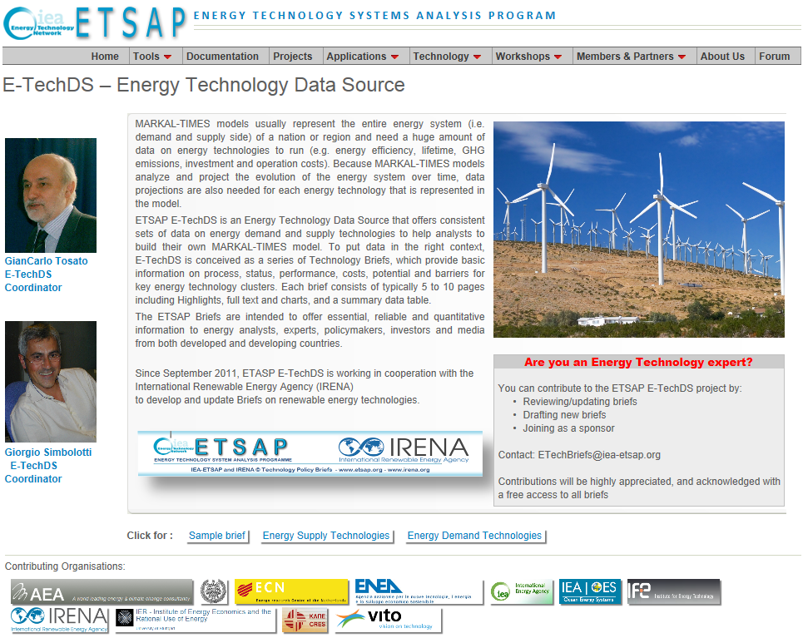
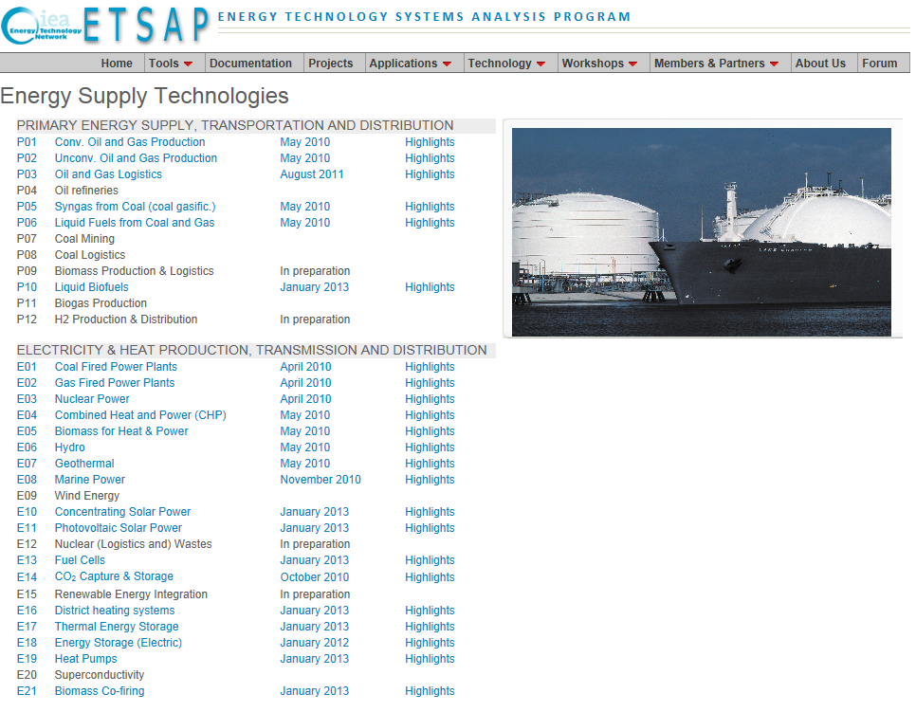
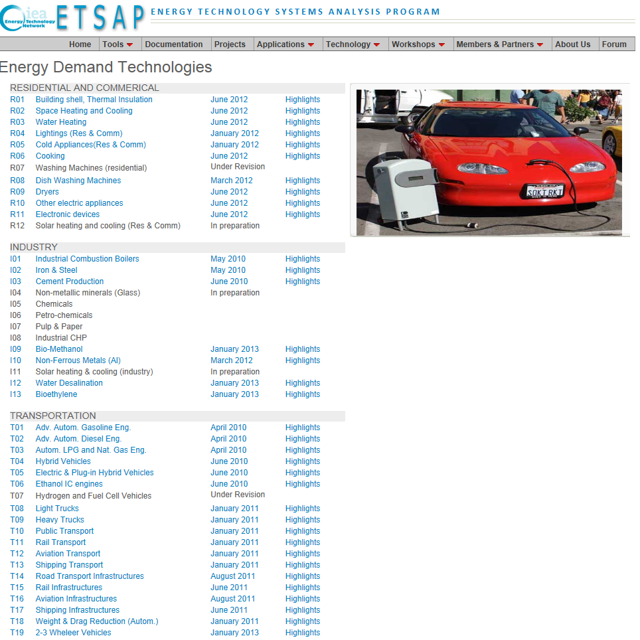
http://www.iea-etsap.org/Energy_Technologies/Energy_Technology.asp | http://www.iea-etsap.org/Energy_Technologies/Energy_Supply.asp | http://www.iea-etsap.org/Energy_Technologies/Energy_Demand.asp

