Results
HistoryTable

Step | Result | details
Version |  | Nr: 1_2
CreateIntermediateVariable |  | operation: Mean(get_cols(get_rows(df, substance == "pos"), abs)); name: mean_pos
CreateIntermediateVariable |  | operation: Mean(get_cols(get_rows(df, substance == "neg"), abs)); name: mean_neg
CreateNewColumn |  | operation: ((abs - mean_pos) / mean_neg)*100; column name: norm_abs
ApplyFilter |  | Variable: substance; Variable levels: Substance6
Visualisation | 4 Visualization Boxplot | x: conc; y: norm_abs; Plot-type: box; X axis label: conc [µM]; Y axis label: Viability; Type of x: factor; Colour variable: ; Legend title for colour: Title colour; Colour theme: Accent; Fill variable: ; Legend title for fill: Title fill; Fill theme: BuGn; Split in subplots: facet_wrap; Split by: substance; How to scale y in subplots: free; X-Range: c("0.25", "31.25"); Y-Range: c("-4.7840148304601", "107.194048477641"); Width: 10; Height: 10; Resolution: 300
RemoveFilter |  | Variable: ; Variable levels:
CreateFormula |  | formula: norm_abs ~ conc; Model Type: Linear; details:
ModelSummary | 5 Model summary | formula: norm_abs ~ conc
DoseResponse | 6 DoseResponse | Column containing the names: substance; Log transform x-axis: FALSE; Log transform y-axis: FALSE; formula: norm_abs ~ conc; outliers:

1 mean_pos

mean_pos
0.052007417639

2 mean_neg

mean_neg
1.1046736921

3 Dataset

substance | conc | abs | norm_abs
Substance1 | 0.5 | 1.0605377746 | 91.296675581
Substance1 | 0.5 | 1.1010426313 | 94.963356252
Substance1 | 0.5 | 1.0500790345 | 90.349903683
Substance1 | 0.5 | 1.1716245052 | 101.35274295
Substance1 | 0.5 | 1.1083358537 | 95.623571339
Substance1 | 2.5 | 0.010694086832 | -3.7398673563
Substance1 | 2.5 | 0.07608895866 | 2.1799687267
Substance1 | 2.5 | 0.088633741295 | 3.3155785203
Substance1 | 2.5 | 0.080506573621 | 2.5798709777
Substance1 | 2.5 | 0.03644808668 | -1.4085001815
Substance1 | 5 | 0.12560249825 | 6.6621556334
Substance1 | 5 | 0.069505601649 | 1.5840138255
Substance1 | 5 | 0.018951410801 | -2.9923774842
Substance1 | 5 | -0.060721554531 | -10.204730408
Substance1 | 5 | 0.10625998574 | 4.9111849483
Substance1 | 7.5 | 0.04775410616 | -0.38502876536
Substance1 | 7.5 | 0.049191273456 | -0.25492995826
Substance1 | 7.5 | 0.097192597145 | 4.0903644061
Substance1 | 7.5 | 0.091061846366 | 3.5353814439
Substance1 | 7.5 | 0.079695852672 | 2.5064808939
Substance1 | 10 | 0.09594897358 | 3.9777860426
Substance1 | 10 | 0.089106920037 | 3.3584127749
Substance1 | 10 | 0.053728354168 | 0.15578686647
Substance1 | 10 | -0.049467479793 | -9.185961262
Substance1 | 10 | 0.080991392395 | 2.6237589401
Substance1 | 12.5 | 0.047193585044 | -0.43576964213
Substance1 | 12.5 | 0.042210246685 | -0.88688370362
Substance1 | 12.5 | -0.023537597175 | -6.8386723927
Substance1 | 12.5 | 0.026092519265 | -2.3459324286
Substance1 | 12.5 | 0.07089710003 | 1.7099784783
Substance1 | 15 | 0.11793398372 | 5.9679674235
Substance1 | 15 | 0.044860619778 | -0.64696008524
Substance1 | 15 | 0.069383586723 | 1.5729684891
Substance1 | 15 | 0.047309754116 | -0.42525349845
Substance1 | 15 | -0.018852971696 | -6.4145991562
Substance1 | 17.5 | 0.029250273924 | -2.0600783631
Substance1 | 17.5 | 0.030285504403 | -1.9663646731
Substance1 | 17.5 | 0.047034332253 | -0.45018591649
Substance1 | 17.5 | 0.10500127069 | 4.7972404364
Substance1 | 17.5 | 0.088158789512 | 3.2725837621
Substance1 | 20 | 0.041773821008 | -0.92639090654
Substance1 | 20 | 0.037331916813 | -1.3284919275
Substance1 | 20 | 0.084848169591 | 2.9728916499
Substance1 | 20 | 0.077833160754 | 2.3378616961
Substance1 | 20 | 0.015562216093 | -3.2991825373
Substance1 | 22.5 | 0.014625242512 | -3.3840015738
Substance1 | 22.5 | 0.068229098467 | 1.4684590521
Substance1 | 22.5 | 0.088426646585 | 3.2968313816
Substance1 | 22.5 | 0.044382689752 | -0.69022444733
Substance1 | 22.5 | 0.094055386682 | 3.8063700931
Substance1 | 25 | 0.06990529419 | 1.6201957808
Substance1 | 25 | 0.019398680509 | -2.9518886311
Substance1 | 25 | 0.067055984743 | 1.3622635545
Substance1 | 25 | -0.006468154632 | -5.2934701611
Substance1 | 25 | 0.12165118526 | 6.3044651207
pos |  | 0.069803998985 | 1.6110260861
pos |  | 0.046327785235 | -0.51414571051
pos |  | 0.039558653737 | -1.1269177487
pos |  | 0.055697196274 | 0.33401525374
pos |  | 0.048649453961 | -0.30397788064
neg |  | 1.1240161776 | 97.043024342
neg |  | 1.0996076 | 94.8334508
neg |  | 1.1068973936 | 95.493355503
neg |  | 1.1002800216 | 94.89432141
neg |  | 1.0925672679 | 94.196128475
Substance2 | 0.5 | 1.0686638696 | 92.032286025
Substance2 | 0.5 | 1.1091687264 | 95.698966696
Substance2 | 0.5 | 1.0582051296 | 91.085514127
Substance2 | 0.5 | 1.1797506003 | 102.08835339
Substance2 | 0.5 | 1.1164619488 | 96.359181784
Substance2 | 2.5 | 0.53397658079 | 43.630002831
Substance2 | 2.5 | 0.59937145262 | 49.549838914
Substance2 | 2.5 | 0.61191623526 | 50.685448708
Substance2 | 2.5 | 0.60378906758 | 49.949741165
Substance2 | 2.5 | 0.55973058064 | 45.961370006
Substance2 | 5 | 0.13372859331 | 7.3977660778
Substance2 | 5 | 0.077631696704 | 2.3196242699
Substance2 | 5 | 0.027077505857 | -2.2567670398
Substance2 | 5 | -0.052595459475 | -9.4691199635
Substance2 | 5 | 0.11438608079 | 5.6467953927
Substance2 | 7.5 | 0.04823320986 | -0.3416581571
Substance2 | 7.5 | 0.049670377156 | -0.21155935
Substance2 | 7.5 | 0.097671700845 | 4.1337350144
Substance2 | 7.5 | 0.091540950066 | 3.5787520522
Substance2 | 7.5 | 0.080174956372 | 2.5498515022
Substance2 | 10 | 0.096012951583 | 3.9835776173
Substance2 | 10 | 0.089170898039 | 3.3642043497
Substance2 | 10 | 0.053792332171 | 0.16157844123
Substance2 | 10 | -0.04940350179 | -9.1801696873
Substance2 | 10 | 0.081055370397 | 2.6295505148
Substance2 | 12.5 | 0.047207002852 | -0.43455500219
Substance2 | 12.5 | 0.042223664493 | -0.88566906368
Substance2 | 12.5 | -0.023524179367 | -6.8374577527
Substance2 | 12.5 | 0.026105937073 | -2.3447177886
Substance2 | 12.5 | 0.070910517838 | 1.7111931183
Substance2 | 15 | 0.11793772842 | 5.9683064104
Substance2 | 15 | 0.044864364477 | -0.64662109839
Substance2 | 15 | 0.069387331422 | 1.573307476
Substance2 | 15 | 0.047313498815 | -0.4249145116
Substance2 | 15 | -0.018849226997 | -6.4142601693
Substance2 | 17.5 | 0.029251546812 | -2.0599631355
Substance2 | 17.5 | 0.030286777292 | -1.9662494455
Substance2 | 17.5 | 0.047035605142 | -0.45007068894
Substance2 | 17.5 | 0.10500254358 | 4.7973556639
Substance2 | 17.5 | 0.0881600624 | 3.2726989897
Substance2 | 20 | 0.041774320866 | -0.92634565712
Substance2 | 20 | 0.037332416672 | -1.3284466781
Substance2 | 20 | 0.084848669449 | 2.9729368993
Substance2 | 20 | 0.077833660612 | 2.3379069455
Substance2 | 20 | 0.015562715951 | -3.2991372879
Substance2 | 22.5 | 0.014625461681 | -3.3839817336
Substance2 | 22.5 | 0.068229317636 | 1.4684788922
Substance2 | 22.5 | 0.088426865755 | 3.2968512218
Substance2 | 22.5 | 0.044382908921 | -0.69020460716
Substance2 | 22.5 | 0.094055605852 | 3.8063899333
Substance2 | 25 | 0.069905399018 | 1.6202052703
Substance2 | 25 | 0.019398785337 | -2.9518791416
Substance2 | 25 | 0.067056089571 | 1.362273044
Substance2 | 25 | -0.0064680498041 | -5.2934606716
Substance2 | 25 | 0.12165129009 | 6.3044746102
pos |  | 0.069803998985 | 1.6110260861
pos |  | 0.046327785235 | -0.51414571051
pos |  | 0.039558653737 | -1.1269177487
pos |  | 0.055697196274 | 0.33401525374
pos |  | 0.048649453961 | -0.30397788064
neg |  | 1.1240161776 | 97.043024342
neg |  | 1.0996076 | 94.8334508
neg |  | 1.1068973936 | 95.493355503
neg |  | 1.1002800216 | 94.89432141
neg |  | 1.0925672679 | 94.196128475
Substance3 | 0.5 | 1.0686772802 | 92.033500006
Substance3 | 0.5 | 1.1091821369 | 95.700180677
Substance3 | 0.5 | 1.0582185401 | 91.086728108
Substance3 | 0.5 | 1.1797640108 | 102.08956737
Substance3 | 0.5 | 1.1164753593 | 96.360395764
Substance3 | 2.5 | 1.0566922198 | 90.948558775
Substance3 | 2.5 | 1.1220870916 | 96.868394858
Substance3 | 2.5 | 1.1346318743 | 98.004004652
Substance3 | 2.5 | 1.1265047066 | 97.268297109
Substance3 | 2.5 | 1.0824462197 | 93.27992595
Substance3 | 5 | 0.94649052493 | 80.972608804
Substance3 | 5 | 0.89039362833 | 75.894466996
Substance3 | 5 | 0.83983943748 | 71.318075686
Substance3 | 5 | 0.76016647215 | 64.105722762
Substance3 | 5 | 0.92714801242 | 79.221638119
Substance3 | 7.5 | 0.22978042808 | 16.092807469
Substance3 | 7.5 | 0.23121759537 | 16.222906276
Substance3 | 7.5 | 0.27921891906 | 20.568200641
Substance3 | 7.5 | 0.27308816828 | 20.013217679
Substance3 | 7.5 | 0.26172217459 | 18.984317129
Substance3 | 10 | 0.12454173142 | 6.5661302784
Substance3 | 10 | 0.11769967787 | 5.9467570107
Substance3 | 10 | 0.082321112003 | 2.7441311023
Substance3 | 10 | -0.020874721958 | -6.5976170262
Substance3 | 10 | 0.10958415023 | 5.2121031759
Substance3 | 12.5 | 0.053321803657 | 0.11898409707
Substance3 | 12.5 | 0.048338465298 | -0.33212996442
Substance3 | 12.5 | -0.017409378562 | -6.2839186535
Substance3 | 12.5 | 0.032220737878 | -1.7911786894
Substance3 | 12.5 | 0.077025318643 | 2.2647322175
Substance3 | 15 | 0.11965148361 | 6.1234431903
Substance3 | 15 | 0.046578119671 | -0.49148431851
Substance3 | 15 | 0.071101086616 | 1.7284442558
Substance3 | 15 | 0.049027254009 | -0.26977773172
Substance3 | 15 | -0.017135471803 | -6.2591233895
Substance3 | 17.5 | 0.029834711807 | -2.0071724338
Substance3 | 17.5 | 0.030869942286 | -1.9134587438
Substance3 | 17.5 | 0.047618770136 | -0.39727998715
Substance3 | 17.5 | 0.10558570857 | 4.8501463657
Substance3 | 17.5 | 0.088743227395 | 3.3254896914
Substance3 | 20 | 0.042003404977 | -0.90560793949
Substance3 | 20 | 0.037561500783 | -1.3077089604
Substance3 | 20 | 0.08507775356 | 2.9936746169
Substance3 | 20 | 0.078062744723 | 2.3586446632
Substance3 | 20 | 0.015791800062 | -3.2783995703
Substance3 | 22.5 | 0.014725918808 | -3.3748879054
Substance3 | 22.5 | 0.068329774763 | 1.4775727204
Substance3 | 22.5 | 0.088527322882 | 3.3059450499
Substance3 | 22.5 | 0.044483366048 | -0.68111077902
Substance3 | 22.5 | 0.094156062979 | 3.8154837614
Substance3 | 25 | 0.06995344976 | 1.6245550382
Substance3 | 25 | 0.019446836079 | -2.9475293737
Substance3 | 25 | 0.067104140313 | 1.3666228119
Substance3 | 25 | -0.0064199990627 | -5.2891109037
Substance3 | 25 | 0.12169934083 | 6.3088243781
pos |  | 0.069803998985 | 1.6110260861
pos |  | 0.046327785235 | -0.51414571051
pos |  | 0.039558653737 | -1.1269177487
pos |  | 0.055697196274 | 0.33401525374
pos |  | 0.048649453961 | -0.30397788064
neg |  | 1.1240161776 | 97.043024342
neg |  | 1.0996076 | 94.8334508
neg |  | 1.1068973936 | 95.493355503
neg |  | 1.1002800216 | 94.89432141
neg |  | 1.0925672679 | 94.196128475
Substance4 | 0.5 | 1.0686773033 | 92.033502102
Substance4 | 0.5 | 1.1091821601 | 95.700182773
Substance4 | 0.5 | 1.0582185632 | 91.086730204
Substance4 | 0.5 | 1.179764034 | 102.08956947
Substance4 | 0.5 | 1.1164753824 | 96.360397861
Substance4 | 2.5 | 1.0584966905 | 91.111907526
Substance4 | 2.5 | 1.1238915623 | 97.031743609
Substance4 | 2.5 | 1.1364363449 | 98.167353402
Substance4 | 2.5 | 1.1283091773 | 97.43164586
Substance4 | 2.5 | 1.0842506903 | 93.443274701
Substance4 | 5 | 1.1175329029 | 96.45612934
Substance4 | 5 | 1.0614360063 | 91.377987532
Substance4 | 5 | 1.0108818155 | 86.801596222
Substance4 | 5 | 0.93120885013 | 79.589243299
Substance4 | 5 | 1.0981903904 | 94.705158655
Substance4 | 7.5 | 0.57275331955 | 47.140246538
Substance4 | 7.5 | 0.57419048685 | 47.270345345
Substance4 | 7.5 | 0.62219181053 | 51.615639709
Substance4 | 7.5 | 0.61606105975 | 51.060656747
Substance4 | 7.5 | 0.60469506606 | 50.031756197
Substance4 | 10 | 0.21960133748 | 15.171350693
Substance4 | 10 | 0.21275928394 | 14.551977425
Substance4 | 10 | 0.17738071807 | 11.349351517
Substance4 | 10 | 0.07418488411 | 2.0076033881
Substance4 | 10 | 0.2046437563 | 13.81732359
Substance4 | 12.5 | 0.075786425858 | 2.1525821054
Substance4 | 12.5 | 0.0708030875 | 1.7014680439
Substance4 | 12.5 | 0.00505524364 | -4.2503206452
Substance4 | 12.5 | 0.05468536008 | 0.24241931894
Substance4 | 12.5 | 0.099489940845 | 4.2983302259
Substance4 | 15 | 0.12607351246 | 6.7047939449
Substance4 | 15 | 0.053000148517 | 0.089866436131
Substance4 | 15 | 0.077523115462 | 2.3097950105
Substance4 | 15 | 0.055449282855 | 0.31157302292
Substance4 | 15 | -0.010713442958 | -5.6777726348
Substance4 | 17.5 | 0.032031265622 | -1.8083305648
Substance4 | 17.5 | 0.033066496102 | -1.7146168748
Substance4 | 17.5 | 0.049815323952 | -0.19843811819
Substance4 | 17.5 | 0.10778226239 | 5.0489882347
Substance4 | 17.5 | 0.09093978121 | 3.5243315604
Substance4 | 20 | 0.042867664488 | -0.82737130573
Substance4 | 20 | 0.038425760294 | -1.2294723267
Substance4 | 20 | 0.085942013071 | 3.0719112507
Substance4 | 20 | 0.078927004234 | 2.4368812969
Substance4 | 20 | 0.016656059573 | -3.2001629365
Substance4 | 22.5 | 0.015105132463 | -3.3405597905
Substance4 | 22.5 | 0.068708988418 | 1.5119008353
Substance4 | 22.5 | 0.088906536537 | 3.3402731649
Substance4 | 22.5 | 0.044862579703 | -0.64678266407
Substance4 | 22.5 | 0.094535276633 | 3.8498118763
Substance4 | 25 | 0.070134878808 | 1.6409788066
Substance4 | 25 | 0.019628265127 | -2.9311056054
Substance4 | 25 | 0.067285569361 | 1.3830465803
Substance4 | 25 | -0.0062385700142 | -5.2726871353
Substance4 | 25 | 0.12188076987 | 6.3252481464
pos |  | 0.069803998985 | 1.6110260861
pos |  | 0.046327785235 | -0.51414571051
pos |  | 0.039558653737 | -1.1269177487
pos |  | 0.055697196274 | 0.33401525374
pos |  | 0.048649453961 | -0.30397788064
neg |  | 1.1240161776 | 97.043024342
neg |  | 1.0996076 | 94.8334508
neg |  | 1.1068973936 | 95.493355503
neg |  | 1.1002800216 | 94.89432141
neg |  | 1.0925672679 | 94.196128475
Substance5 | 0.5 | 1.0686773077 | 92.033502503
Substance5 | 0.5 | 1.1091821645 | 95.700183174
Substance5 | 0.5 | 1.0582185677 | 91.086730605
Substance5 | 0.5 | 1.1797640384 | 102.08956987
Substance5 | 0.5 | 1.1164753869 | 96.360398262
Substance5 | 2.5 | 1.0588426081 | 91.143221532
Substance5 | 2.5 | 1.1242374799 | 97.063057615
Substance5 | 2.5 | 1.1367822625 | 98.198667409
Substance5 | 2.5 | 1.1286550949 | 97.462959866
Substance5 | 2.5 | 1.0845966079 | 93.474588707
Substance5 | 5 | 1.158713999 | 100.18402622
Substance5 | 5 | 1.1026171024 | 95.105884412
Substance5 | 5 | 1.0520629116 | 90.529493103
Substance5 | 5 | 0.97238994624 | 83.317140179
Substance5 | 5 | 1.1393714865 | 98.433055535
Substance5 | 7.5 | 0.86865478606 | 73.926569831
Substance5 | 7.5 | 0.87009195335 | 74.056668638
Substance5 | 7.5 | 0.91809327704 | 78.401963002
Substance5 | 7.5 | 0.91196252626 | 77.84698004
Substance5 | 7.5 | 0.90059653257 | 76.81807949
Substance5 | 10 | 0.43567206289 | 34.731038494
Substance5 | 10 | 0.42883000934 | 34.111665226
Substance5 | 10 | 0.39345144347 | 30.909039318
Substance5 | 10 | 0.29025560951 | 21.567291189
Substance5 | 10 | 0.4207144817 | 33.377011391
Substance5 | 12.5 | 0.14291368461 | 8.2292415954
Substance5 | 12.5 | 0.13793034625 | 7.7781275339
Substance5 | 12.5 | 0.072182502387 | 1.8263388448
Substance5 | 12.5 | 0.12181261883 | 6.3190788089
Substance5 | 12.5 | 0.16661719959 | 10.374989716
Substance5 | 15 | 0.14652684041 | 8.5563206081
Substance5 | 15 | 0.073453476468 | 1.9413930993
Substance5 | 15 | 0.097976443413 | 4.1613216737
Substance5 | 15 | 0.075902610806 | 2.1630996861
Substance5 | 15 | 0.0097398849935 | -3.8262459716
Substance5 | 17.5 | 0.039147362222 | -1.1641496949
Substance5 | 17.5 | 0.040182592701 | -1.0704360049
Substance5 | 17.5 | 0.056931420551 | 0.44574275172
Substance5 | 17.5 | 0.11489835899 | 5.6931691046
Substance5 | 17.5 | 0.09805587781 | 4.1685124303
Substance5 | 20 | 0.045682742995 | -0.57253781718
Substance5 | 20 | 0.041240838801 | -0.97463883812
Substance5 | 20 | 0.088757091578 | 3.3267447392
Substance5 | 20 | 0.081742082741 | 2.6917147855
Substance5 | 20 | 0.01947113808 | -2.945329448
Substance5 | 22.5 | 0.01634274819 | -3.2285252833
Substance5 | 22.5 | 0.069946604145 | 1.6239353425
Substance5 | 22.5 | 0.090144152264 | 3.4523076721
Substance5 | 22.5 | 0.046100195431 | -0.53474815685
Substance5 | 22.5 | 0.095772892361 | 3.9618463836
Substance5 | 25 | 0.070727473447 | 1.6946231219
Substance5 | 25 | 0.020220859766 | -2.87746129
Substance5 | 25 | 0.067878164 | 1.4366908957
Substance5 | 25 | -0.0056459753751 | -5.21904282
Substance5 | 25 | 0.12247336451 | 6.3788924618
pos |  | 0.069803998985 | 1.6110260861
pos |  | 0.046327785235 | -0.51414571051
pos |  | 0.039558653737 | -1.1269177487
pos |  | 0.055697196274 | 0.33401525374
pos |  | 0.048649453961 | -0.30397788064
neg |  | 1.1240161776 | 97.043024342
neg |  | 1.0996076 | 94.8334508
neg |  | 1.1068973936 | 95.493355503
neg |  | 1.1002800216 | 94.89432141
neg |  | 1.0925672679 | 94.196128475
Substance6 | 0.5 | 1.068677309 | 92.033502614
Substance6 | 0.5 | 1.1091821657 | 95.700183285
Substance6 | 0.5 | 1.0582185689 | 91.086730716
Substance6 | 0.5 | 1.1797640396 | 102.08956998
Substance6 | 0.5 | 1.1164753881 | 96.360398372
Substance6 | 2.5 | 1.0589379535 | 91.151852628
Substance6 | 2.5 | 1.1243328253 | 97.071688711
Substance6 | 2.5 | 1.136877608 | 98.207298504
Substance6 | 2.5 | 1.1287504403 | 97.471590962
Substance6 | 2.5 | 1.0846919534 | 93.483219802
Substance6 | 5 | 1.1706677591 | 101.26613401
Substance6 | 5 | 1.1145708625 | 96.187992206
Substance6 | 5 | 1.0640166717 | 91.611600896
Substance6 | 5 | 0.98434370635 | 84.399247972
Substance6 | 5 | 1.1513252466 | 99.515163329
Substance6 | 7.5 | 1.0195633621 | 87.587488628
Substance6 | 7.5 | 1.0210005294 | 87.717587435
Substance6 | 7.5 | 1.0690018531 | 92.0628818
Substance6 | 7.5 | 1.0628711023 | 91.507898837
Substance6 | 7.5 | 1.0515051086 | 90.478998287
Substance6 | 10 | 0.75107087096 | 63.282348289
Substance6 | 10 | 0.74422881742 | 62.662975022
Substance6 | 10 | 0.70885025155 | 59.460349113
Substance6 | 10 | 0.60565441759 | 50.118600985
Substance6 | 10 | 0.73611328977 | 61.928321187
Substance6 | 12.5 | 0.31822010265 | 24.098762097
Substance6 | 12.5 | 0.3132367643 | 23.647648035
Substance6 | 12.5 | 0.24748892044 | 17.695859346
Substance6 | 12.5 | 0.29711903688 | 22.18859931
Substance6 | 12.5 | 0.34192361764 | 26.244510217
Substance6 | 15 | 0.2108655774 | 14.380550645
Substance6 | 15 | 0.13779221345 | 7.765623136
Substance6 | 15 | 0.1623151804 | 9.9855517103
Substance6 | 15 | 0.14024134779 | 7.9873297228
Substance6 | 15 | 0.074078621978 | 1.997984065
Substance6 | 17.5 | 0.062799255144 | 0.97692536561
Substance6 | 17.5 | 0.063834485624 | 1.0706390556
Substance6 | 17.5 | 0.080583313474 | 2.5868178122
Substance6 | 17.5 | 0.13855025191 | 7.8342441651
Substance6 | 17.5 | 0.12170777073 | 6.3095874908
Substance6 | 20 | 0.055209069085 | 0.28982779887
Substance6 | 20 | 0.050767164891 | -0.11227322207
Substance6 | 20 | 0.098283417668 | 4.1891103553
Substance6 | 20 | 0.091268408832 | 3.5540804015
Substance6 | 20 | 0.02899746417 | -2.0829638319
Substance6 | 22.5 | 0.020558726359 | -2.846876096
Substance6 | 22.5 | 0.074162582314 | 2.0055845299
Substance6 | 22.5 | 0.094360130432 | 3.8339568594
Substance6 | 22.5 | 0.050316173599 | -0.15309896953
Substance6 | 22.5 | 0.099988870529 | 4.3434955709
Substance6 | 25 | 0.072751652503 | 1.8778608572
Substance6 | 25 | 0.022245038822 | -2.6942235547
Substance6 | 25 | 0.069902343056 | 1.6199286309
Substance6 | 25 | -0.0036217963195 | -5.0358050847
Substance6 | 25 | 0.12449754357 | 6.5621301971
pos |  | 0.069803998985 | 1.6110260861
pos |  | 0.046327785235 | -0.51414571051
pos |  | 0.039558653737 | -1.1269177487
pos |  | 0.055697196274 | 0.33401525374
pos |  | 0.048649453961 | -0.30397788064
neg |  | 1.1240161776 | 97.043024342
neg |  | 1.0996076 | 94.8334508
neg |  | 1.1068973936 | 95.493355503
neg |  | 1.1002800216 | 94.89432141
neg |  | 1.0925672679 | 94.196128475
Substance7 | 0.5 | 1.0686773093 | 92.033502643
Substance7 | 0.5 | 1.109182166 | 95.700183314
Substance7 | 0.5 | 1.0582185692 | 91.086730745
Substance7 | 0.5 | 1.1797640399 | 102.08957001
Substance7 | 0.5 | 1.1164753884 | 96.360398401
Substance7 | 2.5 | 1.058963141 | 91.154132708
Substance7 | 2.5 | 1.1243580128 | 97.073968791
Substance7 | 2.5 | 1.1369027954 | 98.209578585
Substance7 | 2.5 | 1.1287756278 | 97.473871042
Substance7 | 2.5 | 1.0847171408 | 93.485499883
Substance7 | 5 | 1.1738715524 | 101.5561557
Substance7 | 5 | 1.1177746558 | 96.47801389
Substance7 | 5 | 1.0672204649 | 91.90162258
Substance7 | 5 | 0.9875474996 | 84.689269657
Substance7 | 5 | 1.1545290399 | 99.805185013
Substance7 | 7.5 | 1.0691604567 | 92.077239307
Substance7 | 7.5 | 1.070597624 | 92.207338114
Substance7 | 7.5 | 1.1185989477 | 96.552632479
Substance7 | 7.5 | 1.1124681969 | 95.997649516
Substance7 | 7.5 | 1.1011022032 | 94.968748966
Substance7 | 10 | 0.96392176005 | 82.550562116
Substance7 | 10 | 0.95707970651 | 81.931188849
Substance7 | 10 | 0.92170114064 | 78.72856294
Substance7 | 10 | 0.81850530668 | 69.386814812
Substance7 | 10 | 0.94896417887 | 81.196535014
Substance7 | 12.5 | 0.57219356302 | 47.089574875
Substance7 | 12.5 | 0.56721022466 | 46.638460814
Substance7 | 12.5 | 0.50146238081 | 40.686672124
Substance7 | 12.5 | 0.55109249724 | 45.179412089
Substance7 | 12.5 | 0.59589707801 | 49.235322995
Substance7 | 15 | 0.34703251107 | 26.706990085
Substance7 | 15 | 0.27395914712 | 20.092062576
Substance7 | 15 | 0.29848211407 | 22.31199115
Substance7 | 15 | 0.27640828146 | 20.313769163
Substance7 | 15 | 0.21024555565 | 14.324423505
Substance7 | 17.5 | 0.12022749405 | 6.1755862294
Substance7 | 17.5 | 0.12126272453 | 6.2692999194
Substance7 | 17.5 | 0.13801155238 | 7.785478676
Substance7 | 17.5 | 0.19597849081 | 13.032905029
Substance7 | 17.5 | 0.17913600964 | 11.508248355
Substance7 | 20 | 0.079484534731 | 2.4873514494
Substance7 | 20 | 0.075042630537 | 2.0852504284
Substance7 | 20 | 0.12255888331 | 6.3866340058
Substance7 | 20 | 0.11554387448 | 5.751604052
Substance7 | 20 | 0.053272929816 | 0.11455981856
Substance7 | 22.5 | 0.031500301552 | -1.8563958056
Substance7 | 22.5 | 0.085104157507 | 2.9960648202
Substance7 | 22.5 | 0.10530170563 | 4.8244371498
Substance7 | 22.5 | 0.061257748793 | 0.83738132083
Substance7 | 22.5 | 0.11093044572 | 5.3339758613
Substance7 | 25 | 0.078044828902 | 2.3570228429
Substance7 | 25 | 0.027538215221 | -2.215061569
Substance7 | 25 | 0.075195519455 | 2.0990906167
Substance7 | 25 | 0.0016713800797 | -4.556643099
Substance7 | 25 | 0.12979071997 | 7.0412921828
pos |  | 0.069803998985 | 1.6110260861
pos |  | 0.046327785235 | -0.51414571051
pos |  | 0.039558653737 | -1.1269177487
pos |  | 0.055697196274 | 0.33401525374
pos |  | 0.048649453961 | -0.30397788064
neg |  | 1.1240161776 | 97.043024342
neg |  | 1.0996076 | 94.8334508
neg |  | 1.1068973936 | 95.493355503
neg |  | 1.1002800216 | 94.89432141
neg |  | 1.0925672679 | 94.196128475
Substance8 | 0.5 | 1.0686773094 | 92.033502655
Substance8 | 0.5 | 1.1091821662 | 95.700183326
Substance8 | 0.5 | 1.0582185693 | 91.086730757
Substance8 | 0.5 | 1.1797640401 | 102.08957002
Substance8 | 0.5 | 1.1164753885 | 96.360398413
Substance8 | 2.5 | 1.0589733155 | 91.155053749
Substance8 | 2.5 | 1.1243681873 | 97.074889832
Substance8 | 2.5 | 1.1369129699 | 98.210499625
Substance8 | 2.5 | 1.1287858022 | 97.474792083
Substance8 | 2.5 | 1.0847273153 | 93.486420924
Substance8 | 5 | 1.1751712603 | 101.67381107
Substance8 | 5 | 1.1190743637 | 96.595669261
Substance8 | 5 | 1.0685201729 | 92.019277951
Substance8 | 5 | 0.98884720753 | 84.806925027
Substance8 | 5 | 1.1558287478 | 99.922840384
Substance8 | 7.5 | 1.0906602474 | 94.02349645
Substance8 | 7.5 | 1.0920974146 | 94.153595257
Substance8 | 7.5 | 1.1400987383 | 98.498889621
Substance8 | 7.5 | 1.1339679876 | 97.943906659
Substance8 | 7.5 | 1.1226019939 | 96.915006109
Substance8 | 10 | 1.0950431628 | 94.420257547
Substance8 | 10 | 1.0882011093 | 93.800884279
Substance8 | 10 | 1.0528225434 | 90.598258371
Substance8 | 10 | 0.94962670943 | 81.256510242
Substance8 | 10 | 1.0800855816 | 93.066230444
Substance8 | 12.5 | 0.8919530266 | 76.035630697
Substance8 | 12.5 | 0.88696968824 | 75.584516635
Substance8 | 12.5 | 0.82122184438 | 69.632727946
Substance8 | 12.5 | 0.87085196082 | 74.12546791
Substance8 | 12.5 | 0.91565654159 | 78.181378817
Substance8 | 15 | 0.67926315159 | 56.781992584
Substance8 | 15 | 0.60618978764 | 50.167065075
Substance8 | 15 | 0.63071275459 | 52.38699365
Substance8 | 15 | 0.60863892198 | 50.388771662
Substance8 | 15 | 0.54247619617 | 44.399426004
Substance8 | 17.5 | 0.32410308894 | 24.63131631
Substance8 | 17.5 | 0.32513831942 | 24.72503
Substance8 | 17.5 | 0.34188714727 | 26.241208756
Substance8 | 17.5 | 0.3998540857 | 31.488635109
Substance8 | 17.5 | 0.38301160453 | 29.963978435
Substance8 | 20 | 0.18136737578 | 11.710241591
Substance8 | 20 | 0.17692547159 | 11.30814057
Substance8 | 20 | 0.22444172437 | 15.609524148
Substance8 | 20 | 0.21742671553 | 14.974494194
Substance8 | 20 | 0.15515577087 | 9.3374499604
Substance8 | 22.5 | 0.080769737705 | 2.6036937669
Substance8 | 22.5 | 0.13437359366 | 7.4561543927
Substance8 | 22.5 | 0.15457114178 | 9.2845267223
Substance8 | 22.5 | 0.11052718495 | 5.2974708933
Substance8 | 22.5 | 0.16019988188 | 9.7940654337
Substance8 | 25 | 0.10261705897 | 4.5814109351
Substance8 | 25 | 0.052110445286 | 0.0093265231684
Substance8 | 25 | 0.09976774952 | 4.3234787088
Substance8 | 25 | 0.026243610145 | -2.3322550068
Substance8 | 25 | 0.15436295003 | 9.265680275
pos |  | 0.069803998985 | 1.6110260861
pos |  | 0.046327785235 | -0.51414571051
pos |  | 0.039558653737 | -1.1269177487
pos |  | 0.055697196274 | 0.33401525374
pos |  | 0.048649453961 | -0.30397788064
neg |  | 1.1240161776 | 97.043024342
neg |  | 1.0996076 | 94.8334508
neg |  | 1.1068973936 | 95.493355503
neg |  | 1.1002800216 | 94.89432141
neg |  | 1.0925672679 | 94.196128475
Substance9 | 0.5 | 1.0686773094 | 92.033502657
Substance9 | 0.5 | 1.1091821662 | 95.700183328
Substance9 | 0.5 | 1.0582185694 | 91.086730759
Substance9 | 0.5 | 1.1797640401 | 102.08957002
Substance9 | 0.5 | 1.1164753886 | 96.360398415
Substance9 | 2.5 | 1.0589753058 | 91.155233925
Substance9 | 2.5 | 1.1243701776 | 97.075070008
Substance9 | 2.5 | 1.1369149603 | 98.210679802
Substance9 | 2.5 | 1.1287877926 | 97.474972259
Substance9 | 2.5 | 1.0847293057 | 93.4866011
Substance9 | 5 | 1.1754258865 | 101.69686097
Substance9 | 5 | 1.1193289899 | 96.618719159
Substance9 | 5 | 1.068774799 | 92.04232785
Substance9 | 5 | 0.9891018337 | 84.829974926
Substance9 | 5 | 1.156083374 | 99.945890282
Substance9 | 7.5 | 1.0949723258 | 94.413845061
Substance9 | 7.5 | 1.0964094931 | 94.543943868
Substance9 | 7.5 | 1.1444108167 | 98.889238232
Substance9 | 7.5 | 1.138280066 | 98.33425527
Substance9 | 7.5 | 1.1269140723 | 97.30535472
Substance9 | 10 | 1.1254670886 | 97.174367292
Substance9 | 10 | 1.1186250351 | 96.554994024
Substance9 | 10 | 1.0832464692 | 93.352368116
Substance9 | 10 | 0.98005063524 | 84.010619987
Substance9 | 10 | 1.1105095074 | 95.820340189
Substance9 | 12.5 | 1.0062163408 | 86.379256604
Substance9 | 12.5 | 1.0012330024 | 85.928142542
Substance9 | 12.5 | 0.93548515859 | 79.976353853
Substance9 | 12.5 | 0.98511527503 | 84.469093817
Substance9 | 12.5 | 1.0299198558 | 88.525004724
Substance9 | 15 | 0.90156479429 | 76.905730869
Substance9 | 15 | 0.82849143035 | 70.29080336
Substance9 | 15 | 0.85301439729 | 72.510731934
Substance9 | 15 | 0.83094056469 | 70.512509947
Substance9 | 15 | 0.76477783888 | 64.523164289
Substance9 | 17.5 | 0.55425027184 | 45.465267958
Substance9 | 17.5 | 0.55528550231 | 45.558981648
Substance9 | 17.5 | 0.57203433016 | 47.075160405
Substance9 | 17.5 | 0.6300012686 | 52.322586758
Substance9 | 17.5 | 0.61315878742 | 50.797930084
Substance9 | 20 | 0.33784038996 | 25.874878197
Substance9 | 20 | 0.33339848577 | 25.472777177
Substance9 | 20 | 0.38091473854 | 29.774160754
Substance9 | 20 | 0.37389972971 | 29.1391308
Substance9 | 20 | 0.31162878504 | 23.502086567
Substance9 | 22.5 | 0.16886020143 | 10.578036267
Substance9 | 22.5 | 0.22246405738 | 15.430496893
Substance9 | 22.5 | 0.2426616055 | 17.258869223
Substance9 | 22.5 | 0.19861764867 | 13.271813394
Substance9 | 22.5 | 0.2482903456 | 17.768407934
Substance9 | 25 | 0.14979781627 | 8.8524239628
Substance9 | 25 | 0.099291202592 | 4.2803395509
Substance9 | 25 | 0.14694850683 | 8.5944917366
Substance9 | 25 | 0.07342436745 | 1.938758021
Substance9 | 25 | 0.20154370734 | 13.536693303
pos |  | 0.069803998985 | 1.6110260861
pos |  | 0.046327785235 | -0.51414571051
pos |  | 0.039558653737 | -1.1269177487
pos |  | 0.055697196274 | 0.33401525374
pos |  | 0.048649453961 | -0.30397788064
neg |  | 1.1240161776 | 97.043024342
neg |  | 1.0996076 | 94.8334508
neg |  | 1.1068973936 | 95.493355503
neg |  | 1.1002800216 | 94.89432141
neg |  | 1.0925672679 | 94.196128475
Substance10 | 0.5 | 1.0686773095 | 92.033502658
Substance10 | 0.5 | 1.1091821662 | 95.700183329
Substance10 | 0.5 | 1.0582185694 | 91.08673076
Substance10 | 0.5 | 1.1797640401 | 102.08957002
Substance10 | 0.5 | 1.1164753886 | 96.360398416
Substance10 | 2.5 | 1.0589759383 | 91.15529118
Substance10 | 2.5 | 1.1243708101 | 97.075127263
Substance10 | 2.5 | 1.1369155928 | 98.210737057
Substance10 | 2.5 | 1.1287884251 | 97.475029514
Substance10 | 2.5 | 1.0847299381 | 93.486658355
Substance10 | 5 | 1.1755068258 | 101.70418796
Substance10 | 5 | 1.1194099292 | 96.626046148
Substance10 | 5 | 1.0688557383 | 92.049654839
Substance10 | 5 | 0.98918277302 | 84.837301915
Substance10 | 5 | 1.1561643133 | 99.953217271
Substance10 | 7.5 | 1.0963500659 | 94.538564254
Substance10 | 7.5 | 1.0977872332 | 94.668663061
Substance10 | 7.5 | 1.1457885569 | 99.013957425
Substance10 | 7.5 | 1.1396578061 | 98.458974463
Substance10 | 7.5 | 1.1282918124 | 97.430073913
Substance10 | 10 | 1.1355267534 | 98.085013109
Substance10 | 10 | 1.1286846998 | 97.465639841
Substance10 | 10 | 1.093306134 | 94.263013933
Substance10 | 10 | 0.99011030001 | 84.921265805
Substance10 | 10 | 1.1205691722 | 96.730986007
Substance10 | 12.5 | 1.0492888811 | 90.278375464
Substance10 | 12.5 | 1.0443055427 | 89.827261403
Substance10 | 12.5 | 0.97855769886 | 83.875472714
Substance10 | 12.5 | 1.0281878153 | 88.368212678
Substance10 | 12.5 | 1.0729923961 | 92.424123585
Substance10 | 15 | 1.0143797814 | 87.11824773
Substance10 | 15 | 0.94130641743 | 80.503320222
Substance10 | 15 | 0.96582938437 | 82.723248796
Substance10 | 15 | 0.94375555177 | 80.725026809
Substance10 | 15 | 0.87759282595 | 74.735681151
Substance10 | 17.5 | 0.72742377699 | 61.141707651
Substance10 | 17.5 | 0.72845900747 | 61.235421341
Substance10 | 17.5 | 0.74520783531 | 62.751600098
Substance10 | 17.5 | 0.80317477375 | 67.999026451
Substance10 | 17.5 | 0.78633229257 | 66.474369776
Substance10 | 20 | 0.50164608618 | 40.703301956
Substance10 | 20 | 0.49720418198 | 40.301200935
Substance10 | 20 | 0.54472043476 | 44.602584512
Substance10 | 20 | 0.53770542592 | 43.967554558
Substance10 | 20 | 0.47543448126 | 38.330510325
Substance10 | 22.5 | 0.28202614938 | 20.822323676
Substance10 | 22.5 | 0.33563000533 | 25.674784302
Substance10 | 22.5 | 0.35582755345 | 27.503156631
Substance10 | 22.5 | 0.31178359662 | 23.516100802
Substance10 | 22.5 | 0.36145629355 | 28.012695343
Substance10 | 25 | 0.21739837347 | 14.971928544
Substance10 | 25 | 0.16689175978 | 10.399844132
Substance10 | 25 | 0.21454906402 | 14.713996317
Substance10 | 25 | 0.14102492464 | 8.0582626017
Substance10 | 25 | 0.26914426453 | 19.656197883
pos |  | 0.069803998985 | 1.6110260861
pos |  | 0.046327785235 | -0.51414571051
pos |  | 0.039558653737 | -1.1269177487
pos |  | 0.055697196274 | 0.33401525374
pos |  | 0.048649453961 | -0.30397788064
neg |  | 1.1240161776 | 97.043024342
neg |  | 1.0996076 | 94.8334508
neg |  | 1.1068973936 | 95.493355503
neg |  | 1.1002800216 | 94.89432141
neg |  | 1.0925672679 | 94.196128475
Substance11 | 0.5 | 1.0686773095 | 92.033502658
Substance11 | 0.5 | 1.1091821662 | 95.700183329
Substance11 | 0.5 | 1.0582185694 | 91.08673076
Substance11 | 0.5 | 1.1797640401 | 102.08957002
Substance11 | 0.5 | 1.1164753886 | 96.360398417
Substance11 | 2.5 | 1.0589763396 | 91.155327511
Substance11 | 2.5 | 1.1243712115 | 97.075163594
Substance11 | 2.5 | 1.1369159941 | 98.210773388
Substance11 | 2.5 | 1.1287888264 | 97.475065845
Substance11 | 2.5 | 1.0847303395 | 93.486694686
Substance11 | 5 | 1.1755581913 | 101.70883779
Substance11 | 5 | 1.1194612947 | 96.630695986
Substance11 | 5 | 1.0689071039 | 92.054304676
Substance11 | 5 | 0.98923413855 | 84.841951753
Substance11 | 5 | 1.1562156788 | 99.957867109
Substance11 | 7.5 | 1.0972261756 | 94.617873621
Substance11 | 7.5 | 1.0986633429 | 94.747972428
Substance11 | 7.5 | 1.1466646666 | 99.093266792
Substance11 | 7.5 | 1.1405339158 | 98.53828383
Substance11 | 7.5 | 1.1291679221 | 97.50938328
Substance11 | 10 | 1.1420125765 | 98.672138808
Substance11 | 10 | 1.135170523 | 98.05276554
Substance11 | 10 | 1.0997919571 | 94.850139632
Substance11 | 10 | 0.99659612315 | 85.508391504
Substance11 | 10 | 1.1270549953 | 97.318111706
Substance11 | 12.5 | 1.0786853268 | 92.939473117
Substance11 | 12.5 | 1.0737019884 | 92.488359055
Substance11 | 12.5 | 1.0079541446 | 86.536570366
Substance11 | 12.5 | 1.057584261 | 91.02931033
Substance11 | 12.5 | 1.1023888418 | 95.085221237
Substance11 | 15 | 1.1045038148 | 95.276678052
Substance11 | 15 | 1.0314304509 | 88.661750543
Substance11 | 15 | 1.0559534178 | 90.881679118
Substance11 | 15 | 1.0338795852 | 88.88345713
Substance11 | 15 | 0.96771685941 | 82.894111472
Substance11 | 17.5 | 0.91223741669 | 77.87186435
Substance11 | 17.5 | 0.91327264717 | 77.96557804
Substance11 | 17.5 | 0.93002147502 | 79.481756796
Substance11 | 17.5 | 0.98798841345 | 84.729183149
Substance11 | 17.5 | 0.97114593228 | 83.204526475
Substance11 | 20 | 0.75043918616 | 63.225165358
Substance11 | 20 | 0.74599728197 | 62.823064337
Substance11 | 20 | 0.79351353474 | 67.124447914
Substance11 | 20 | 0.78649852591 | 66.489417961
Substance11 | 20 | 0.72422758124 | 60.852373727
Substance11 | 22.5 | 0.51497857279 | 41.910218234
Substance11 | 22.5 | 0.56858242874 | 46.76267886
Substance11 | 22.5 | 0.58877997686 | 48.591051189
Substance11 | 22.5 | 0.54473602003 | 44.60399536
Substance11 | 22.5 | 0.59440871696 | 49.100589901
Substance11 | 25 | 0.3884030737 | 30.452038322
Substance11 | 25 | 0.33789646002 | 25.87995391
Substance11 | 25 | 0.38555376425 | 30.194106096
Substance11 | 25 | 0.31202962488 | 23.53837238
Substance11 | 25 | 0.44014896477 | 35.136307662
pos |  | 0.069803998985 | 1.6110260861
pos |  | 0.046327785235 | -0.51414571051
pos |  | 0.039558653737 | -1.1269177487
pos |  | 0.055697196274 | 0.33401525374
pos |  | 0.048649453961 | -0.30397788064
neg |  | 1.1240161776 | 97.043024342
neg |  | 1.0996076 | 94.8334508
neg |  | 1.1068973936 | 95.493355503
neg |  | 1.1002800216 | 94.89432141
neg |  | 1.0925672679 | 94.196128475
Substance12 | 0.5 | 1.0686773095 | 92.033502658
Substance12 | 0.5 | 1.1091821662 | 95.70018333
Substance12 | 0.5 | 1.0582185694 | 91.08673076
Substance12 | 0.5 | 1.1797640401 | 102.08957002
Substance12 | 0.5 | 1.1164753886 | 96.360398417
Substance12 | 2.5 | 1.0589764598 | 91.155338393
Substance12 | 2.5 | 1.1243713317 | 97.075174476
Substance12 | 2.5 | 1.1369161143 | 98.210784269
Substance12 | 2.5 | 1.1287889466 | 97.475076727
Substance12 | 2.5 | 1.0847304597 | 93.486705568
Substance12 | 5 | 1.175573577 | 101.71023058
Substance12 | 5 | 1.1194766804 | 96.632088767
Substance12 | 5 | 1.0689224896 | 92.055697458
Substance12 | 5 | 0.98924952424 | 84.843344534
Substance12 | 5 | 1.1562310645 | 99.95925989
Substance12 | 7.5 | 1.097488868 | 94.64165371
Substance12 | 7.5 | 1.0989260353 | 94.771752517
Substance12 | 7.5 | 1.146927359 | 99.117046881
Substance12 | 7.5 | 1.1407966082 | 98.562063919
Substance12 | 7.5 | 1.1294306145 | 97.533163369
Substance12 | 10 | 1.1439709526 | 98.849419762
Substance12 | 10 | 1.137128899 | 98.230046494
Substance12 | 10 | 1.1017503332 | 95.027420586
Substance12 | 10 | 0.99855449921 | 85.685672457
Substance12 | 10 | 1.1290133714 | 97.495392659
Substance12 | 12.5 | 1.0878286026 | 93.767163312
Substance12 | 12.5 | 1.0828452643 | 93.316049251
Substance12 | 12.5 | 1.0170974204 | 87.364260562
Substance12 | 12.5 | 1.0667275368 | 91.857000526
Substance12 | 12.5 | 1.1115321176 | 95.912911433
Substance12 | 15 | 1.1351333388 | 98.049399461
Substance12 | 15 | 1.0620599748 | 91.434471953
Substance12 | 15 | 1.0865829418 | 93.654400527
Substance12 | 15 | 1.0645091092 | 91.656178539
Substance12 | 15 | 0.99834638337 | 85.666832882
Substance12 | 17.5 | 0.98827304962 | 84.754949687
Substance12 | 17.5 | 0.9893082801 | 84.848663377
Substance12 | 17.5 | 1.0060571079 | 86.364842134
Substance12 | 17.5 | 1.0640240464 | 91.612268487
Substance12 | 17.5 | 1.0471815652 | 90.087611812
Substance12 | 20 | 0.88747558464 | 75.630312639
Substance12 | 20 | 0.88303368045 | 75.228211618
Substance12 | 20 | 0.93054993323 | 79.529595195
Substance12 | 20 | 0.92353492439 | 78.894565241
Substance12 | 20 | 0.86126397973 | 73.257521008
Substance12 | 22.5 | 0.69162808123 | 57.901321281
Substance12 | 22.5 | 0.74523193719 | 62.753781907
Substance12 | 22.5 | 0.76542948531 | 64.582154236
Substance12 | 22.5 | 0.72138552847 | 60.595098407
Substance12 | 22.5 | 0.7710582254 | 65.091692948
Substance12 | 25 | 0.55784456453 | 45.790639398
Substance12 | 25 | 0.50733795085 | 41.218554986
Substance12 | 25 | 0.55499525508 | 45.532707171
Substance12 | 25 | 0.4814711157 | 38.876973456
Substance12 | 25 | 0.60959045559 | 50.474908737
pos |  | 0.069803998985 | 1.6110260861
pos |  | 0.046327785235 | -0.51414571051
pos |  | 0.039558653737 | -1.1269177487
pos |  | 0.055697196274 | 0.33401525374
pos |  | 0.048649453961 | -0.30397788064
neg |  | 1.1240161776 | 97.043024342
neg |  | 1.0996076 | 94.8334508
neg |  | 1.1068973936 | 95.493355503
neg |  | 1.1002800216 | 94.89432141
neg |  | 1.0925672679 | 94.196128475

4 Visualization Boxplot

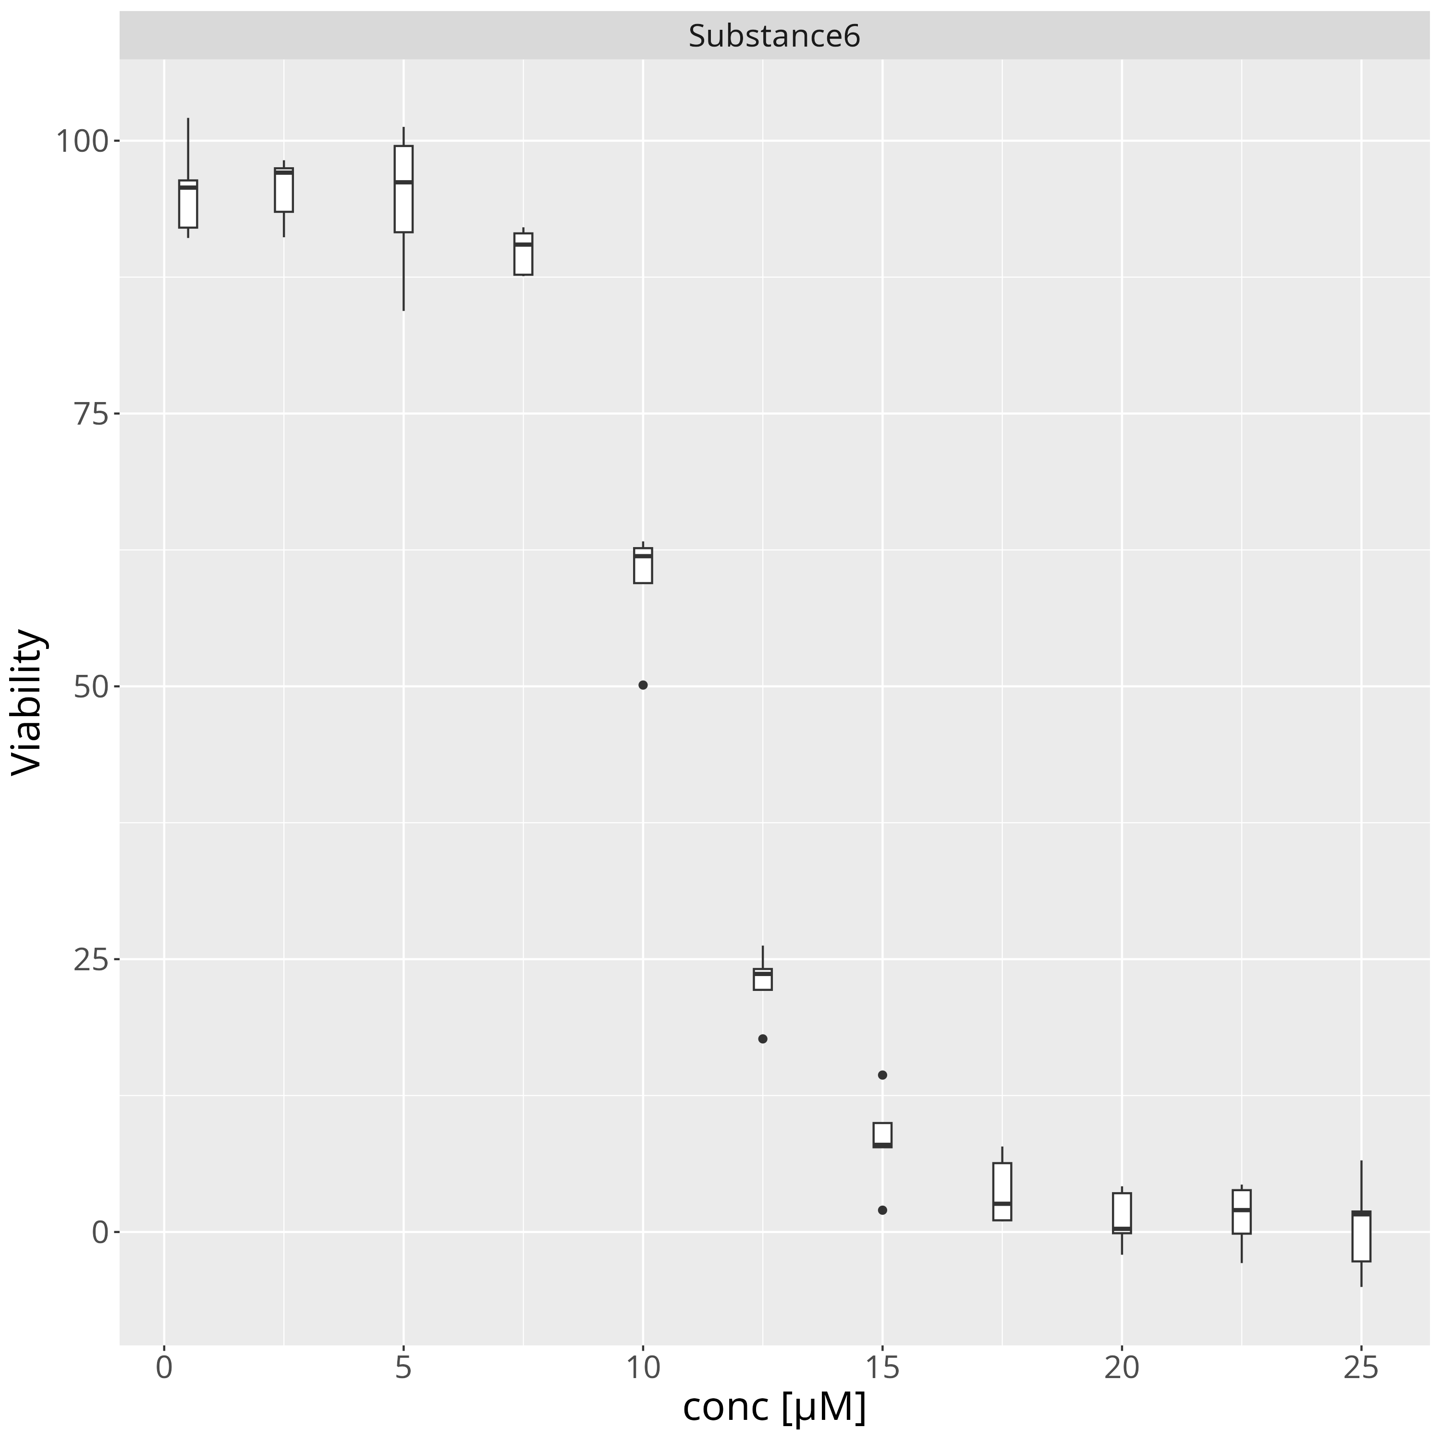

5 Model summary

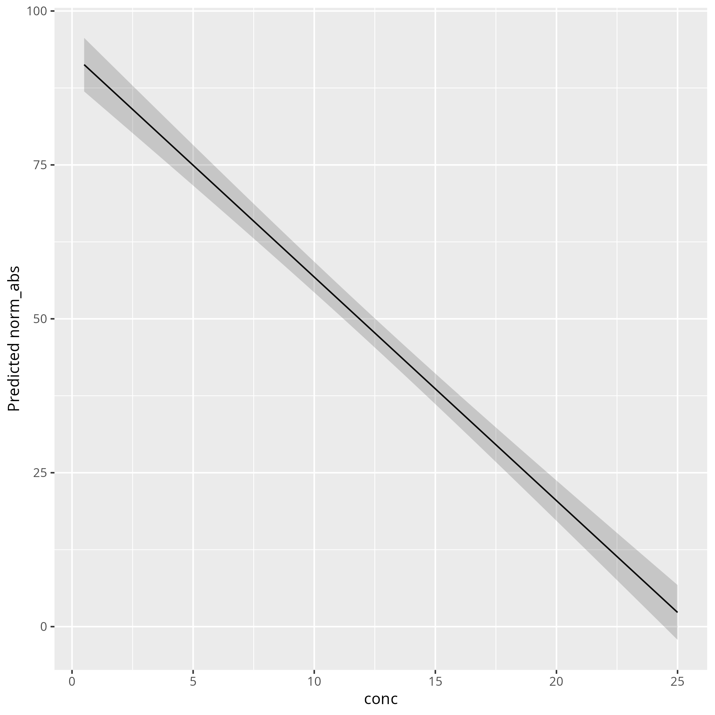

term | estimate | std.error | statistic | p.value
(Intercept) | 93.102638943 | 2.2842569158 | 40.758392062 | 3.6478962705E-182
conc | -3.6317770042 | 0.15443593366 | -23.516398794 | 3.1732510098E-89

AIC | BIC
6413.4675618 | 6426.9442813

6 DoseResponse

name | Response_lowestdose_predicted | Response_highestdose_predicted | HillCoefficient | asymptote_one | asymptote_two | IC50_relative | IC50_relative_lower | IC50_relative_higher | pIC50 | RSE | p_value | Problems
Substance1 | 94.7177 | 0.231414 | 4.55745 | 0.23140439539 | 114.52320602 | 0.704475 | 0.137817 | 1.27113 | 0.152134 | 3.8966176469 | 0
Substance2 | 95.4531 | 0.249506 | 7.28207 | 0.24950059222 | 95.453866339 | 2.50148 | 2.44418 | 2.55877 | -0.398197 | 3.8964697873 | 0
Substance3 | 95.4559 | -0.0459422 | 6.70134 | -0.052949951941 | 95.45586154 | 6.03927 | 5.87346 | 6.20509 | -0.780984 | 3.8669259127 | 0
Substance4 | 95.1082 | 0.115543 | 7.25554 | 0.099224528287 | 95.108181609 | 7.56876 | 7.4063 | 7.73122 | -0.879025 | 3.864425995 | 0
Substance5 | 95.1494 | 0.47425 | 7.54047 | 0.43042224794 | 95.149382804 | 9.03082 | 8.84433 | 9.21731 | -0.955727 | 3.8336053524 | 0
Substance6 | 95.4425 | 1.05471 | 7.51292 | 0.89614554108 | 95.442523859 | 10.6811 | 10.4791 | 10.883 | -1.02862 | 3.829767113 | 0
Substance7 | 95.7383 | 1.44595 | 7.07336 | 0.79444943034 | 95.738284087 | 12.3734 | 12.1307 | 12.6161 | -1.09249 | 3.855060338 | 0
Substance8 | 95.7772 | 3.17858 | 6.63478 | -0.30489387481 | 95.777189588 | 15.2484 | 14.8973 | 15.5995 | -1.18322 | 3.8558312397 | 0
Substance9 | 95.6237 | 7.32502 | 6.57817 | -1.3551892457 | 95.62371451 | 17.5709 | 17.0186 | 18.1231 | -1.24479 | 3.8696635549 | 0
Substance10 | 95.5192 | 13.4626 | 6.58032 | -2.4826380031 | 95.519246739 | 19.4902 | 18.558 | 20.4225 | -1.28982 | 3.8800101097 | 0
Substance11 | 95.4366 | 28.9928 | 6.50156 | -7.4413002007 | 95.436593281 | 22.7931 | 19.988 | 25.5983 | -1.3578 | 3.8866630782 | 0
Substance12 | 95.418 | 44.344 | 6.29975 | -23.628628491 | 95.418026746 | 26.1604 | 17.2891 | 35.0318 | -1.41764 | 3.8879947437 | 0 | IC50 larger than highest measured concentration

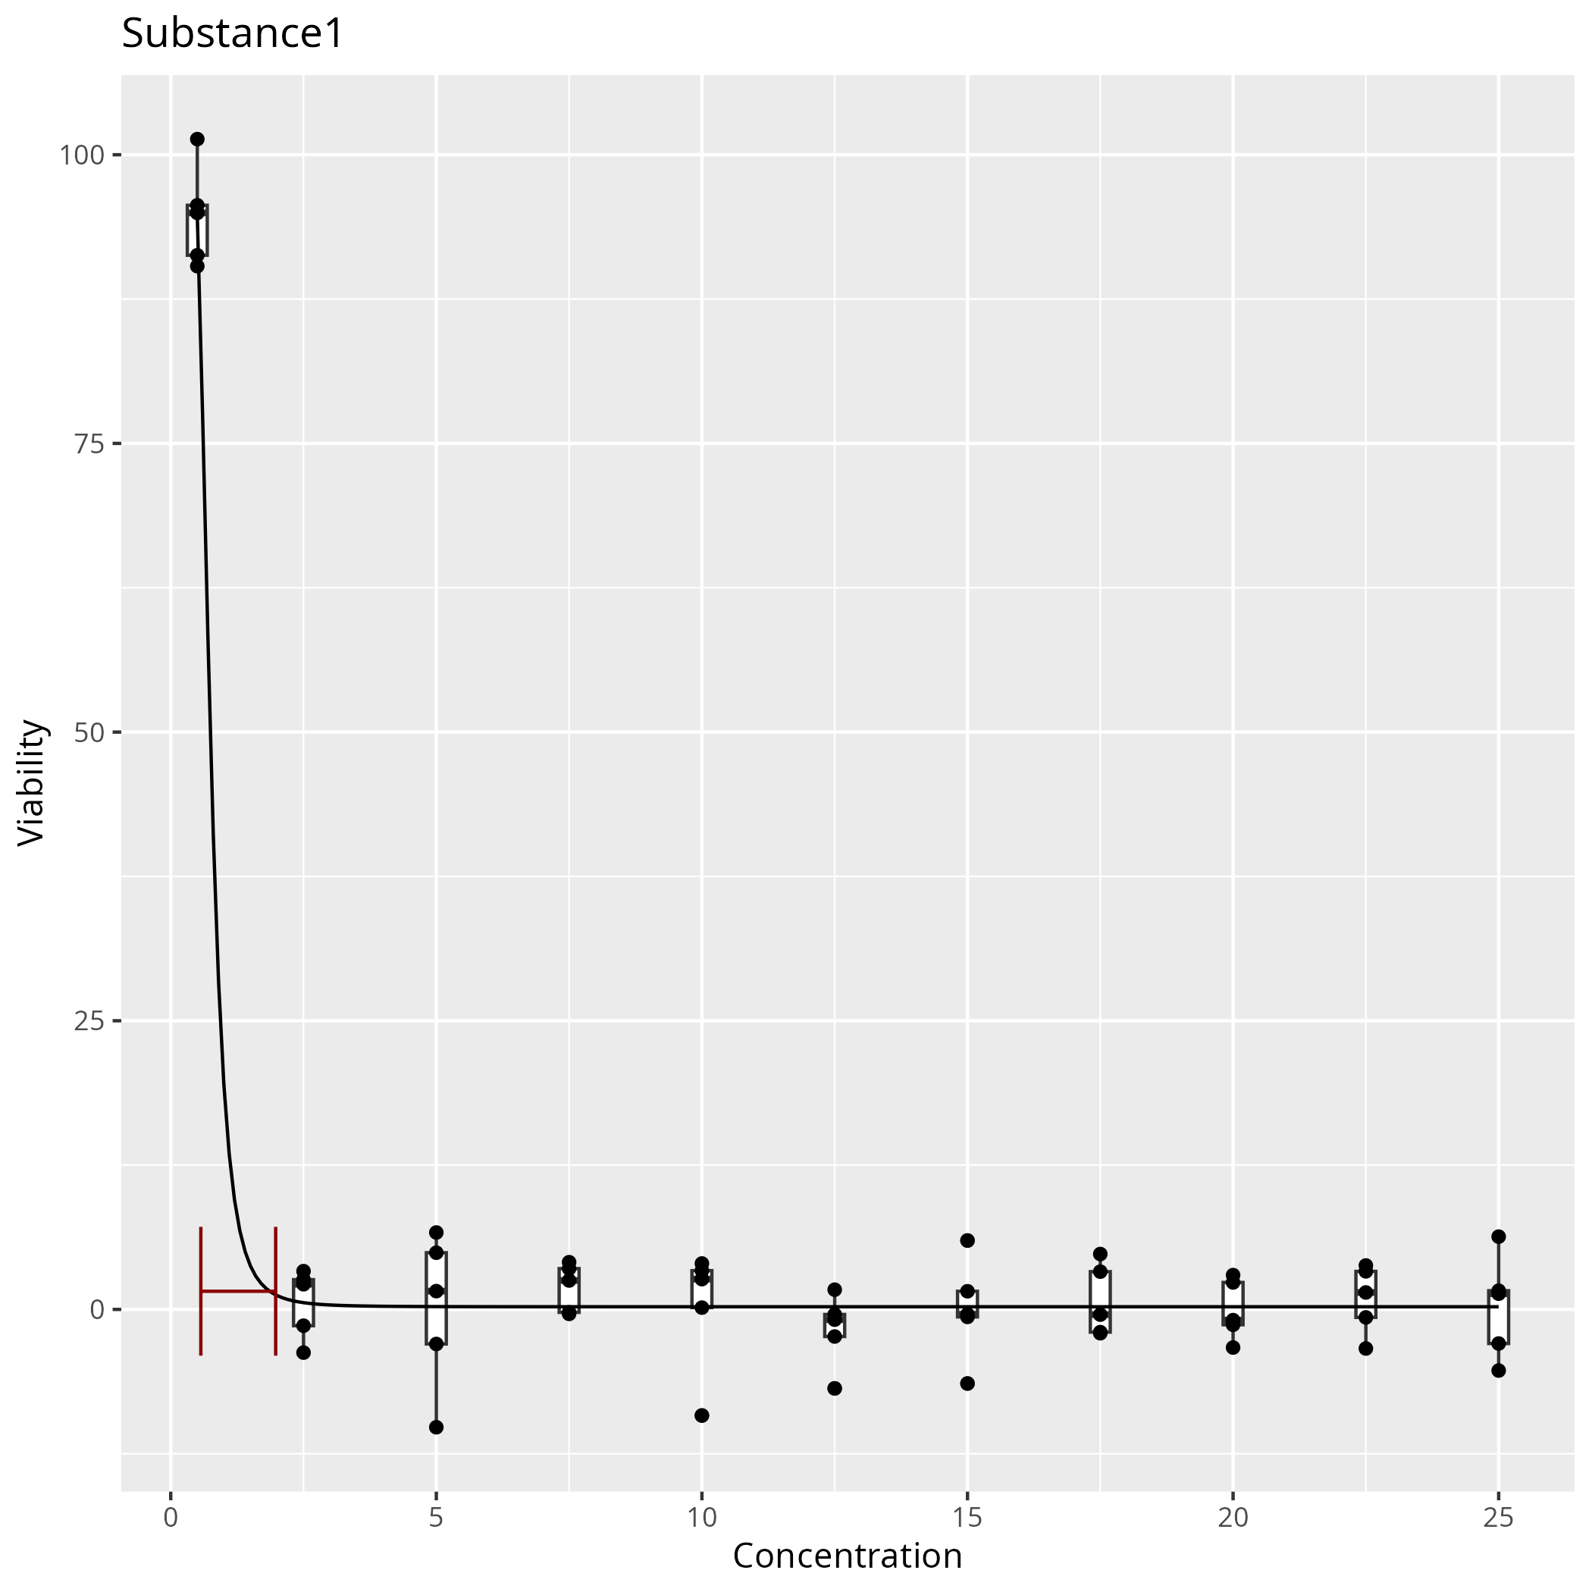

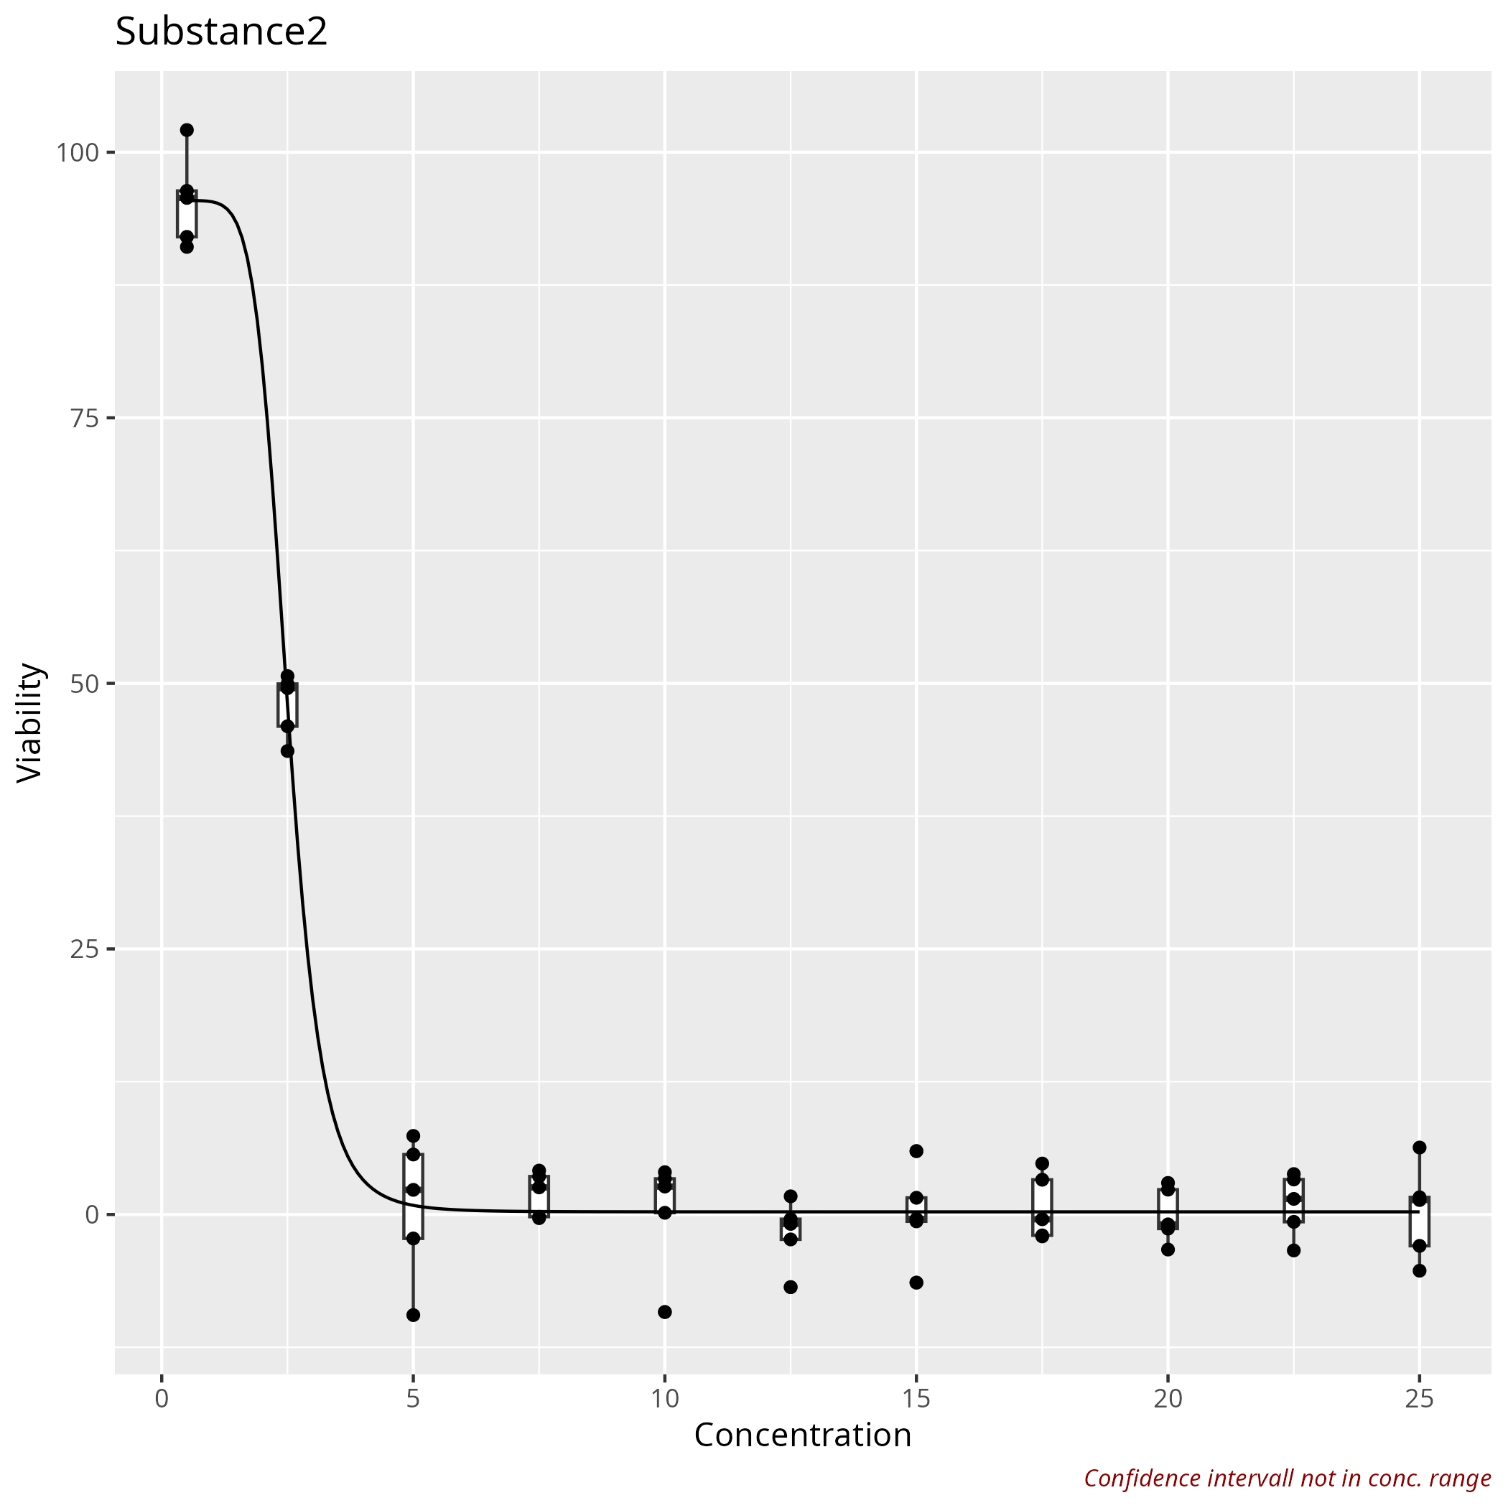

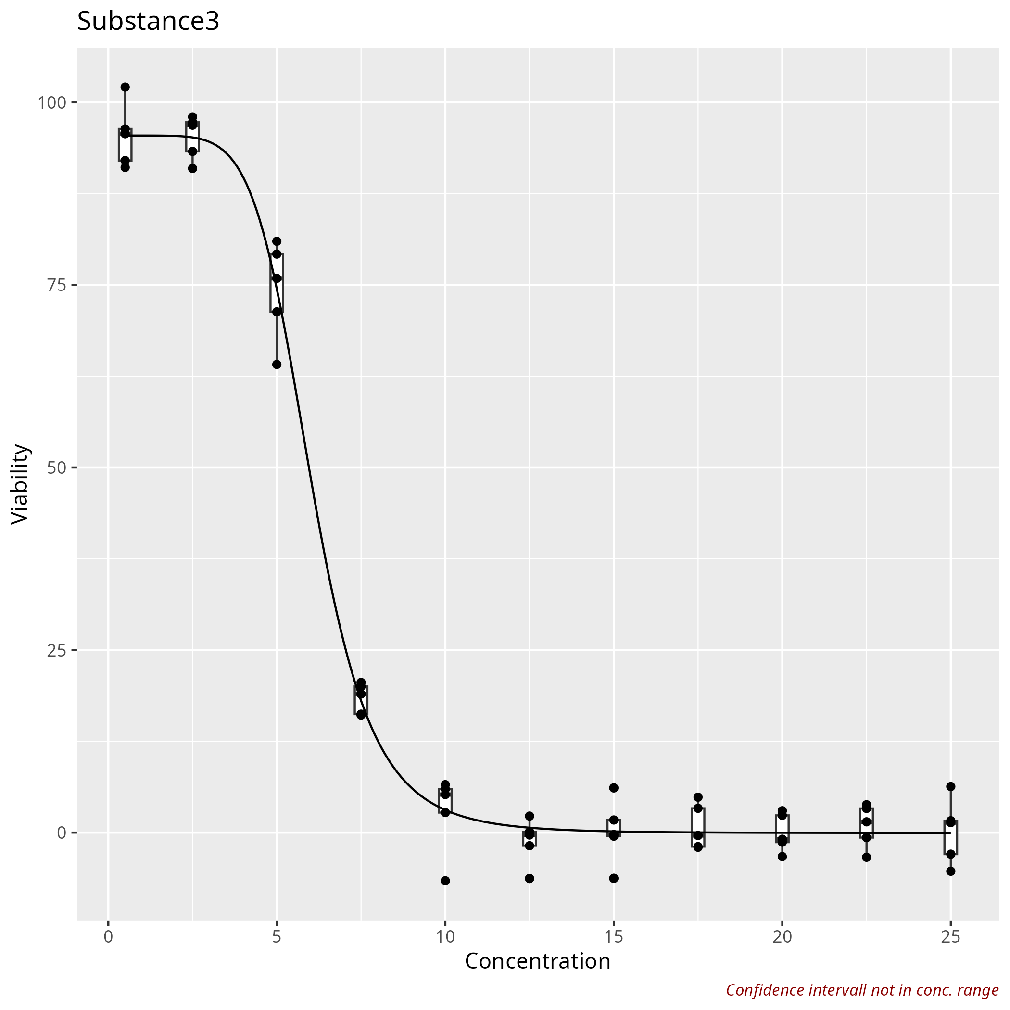

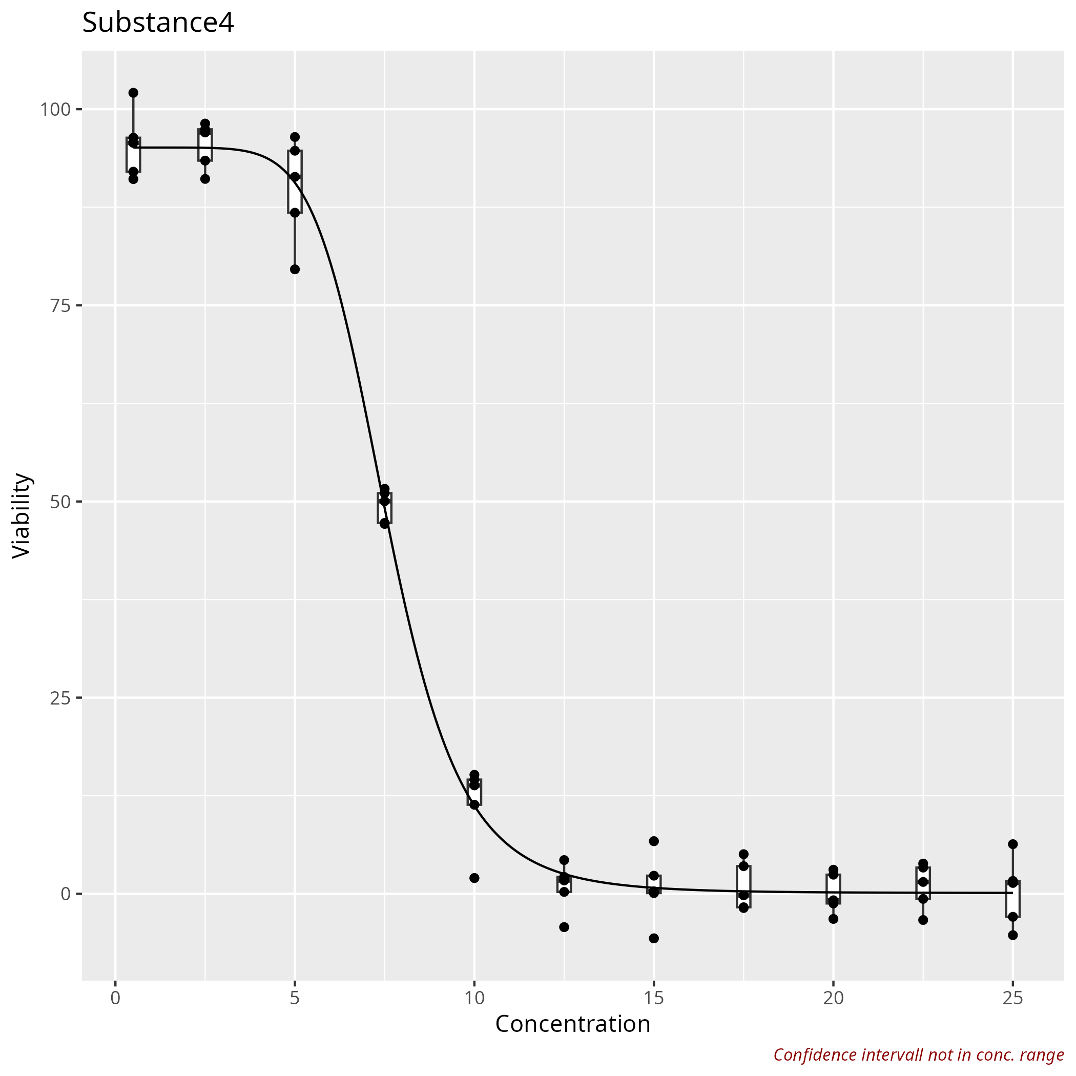

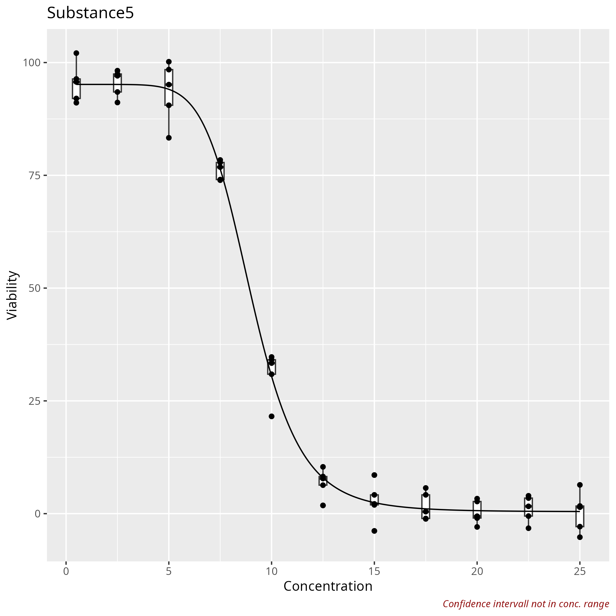

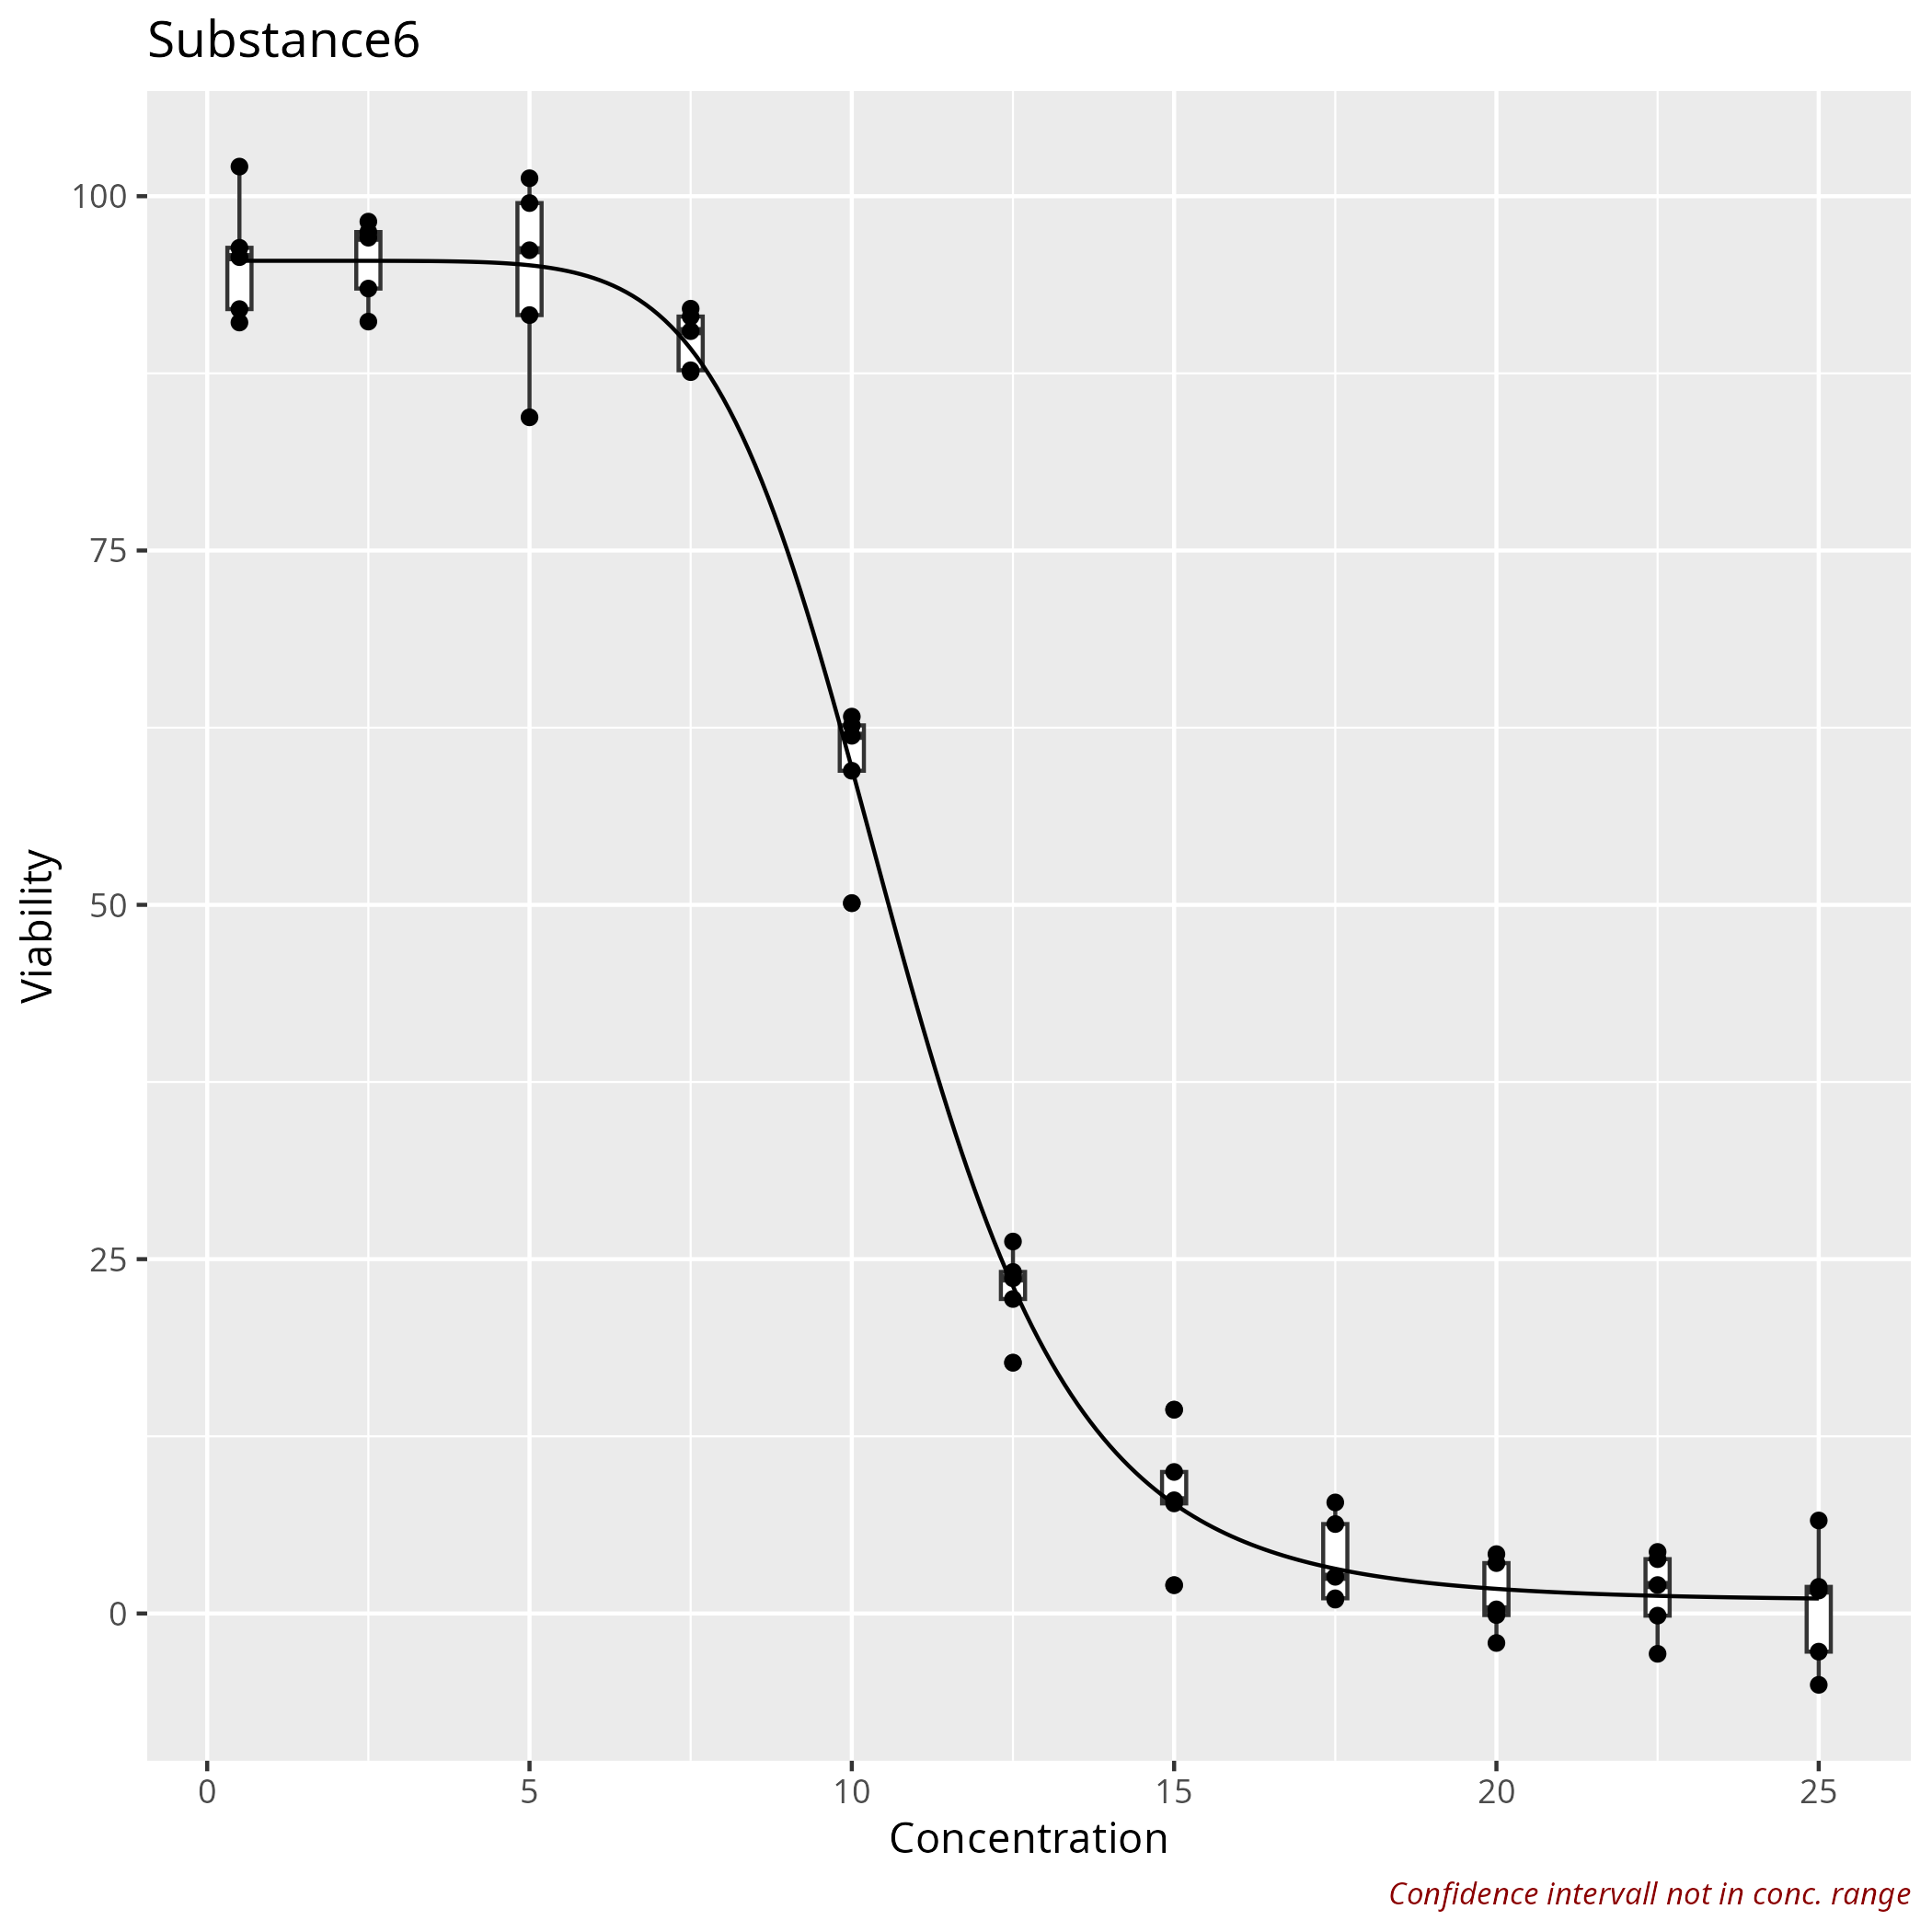

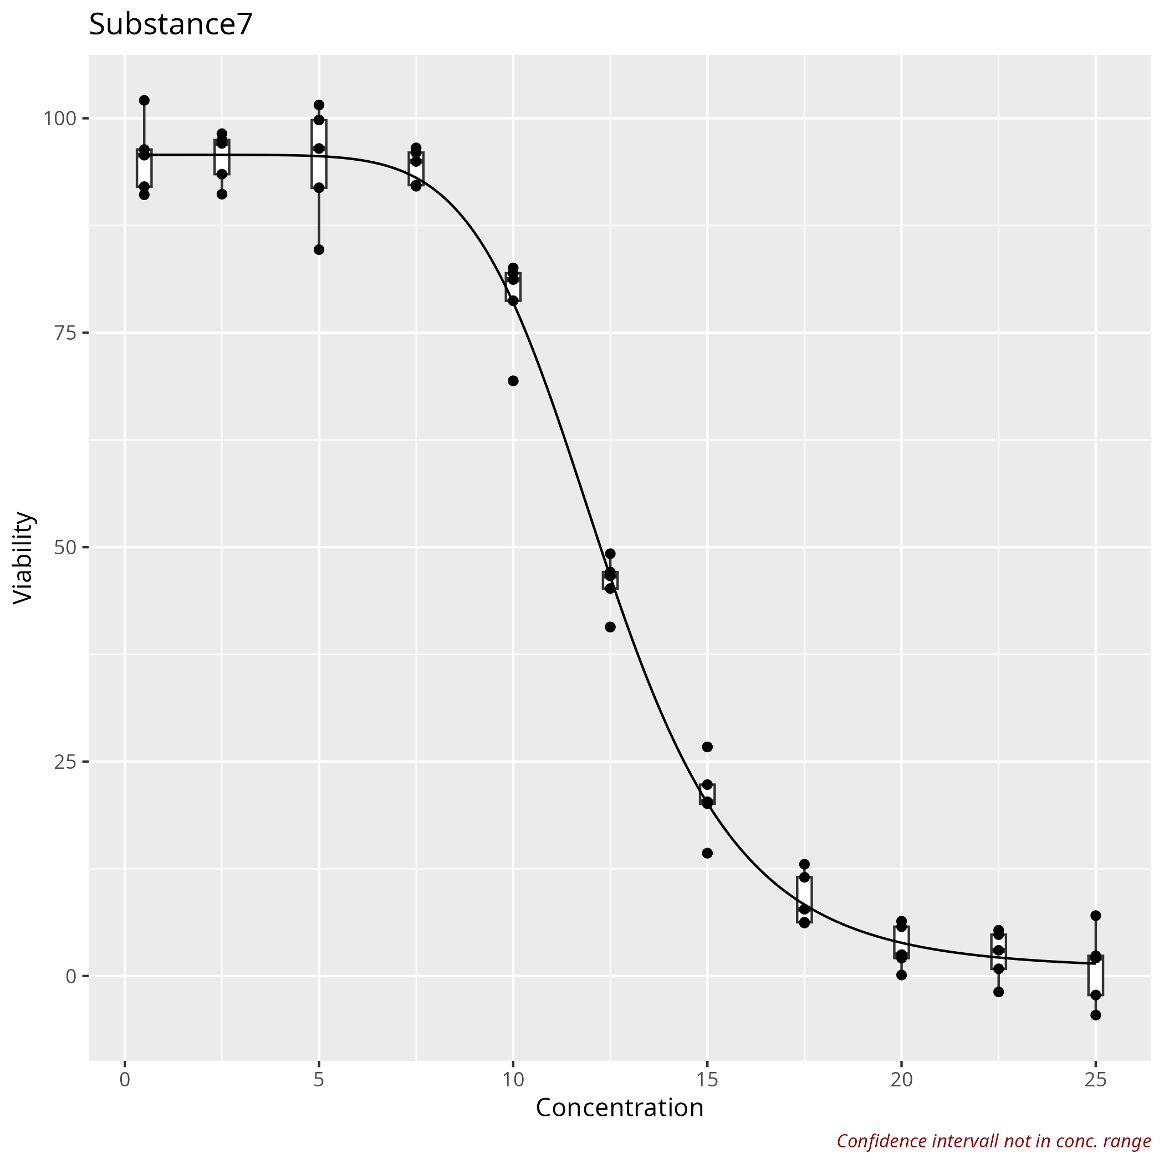

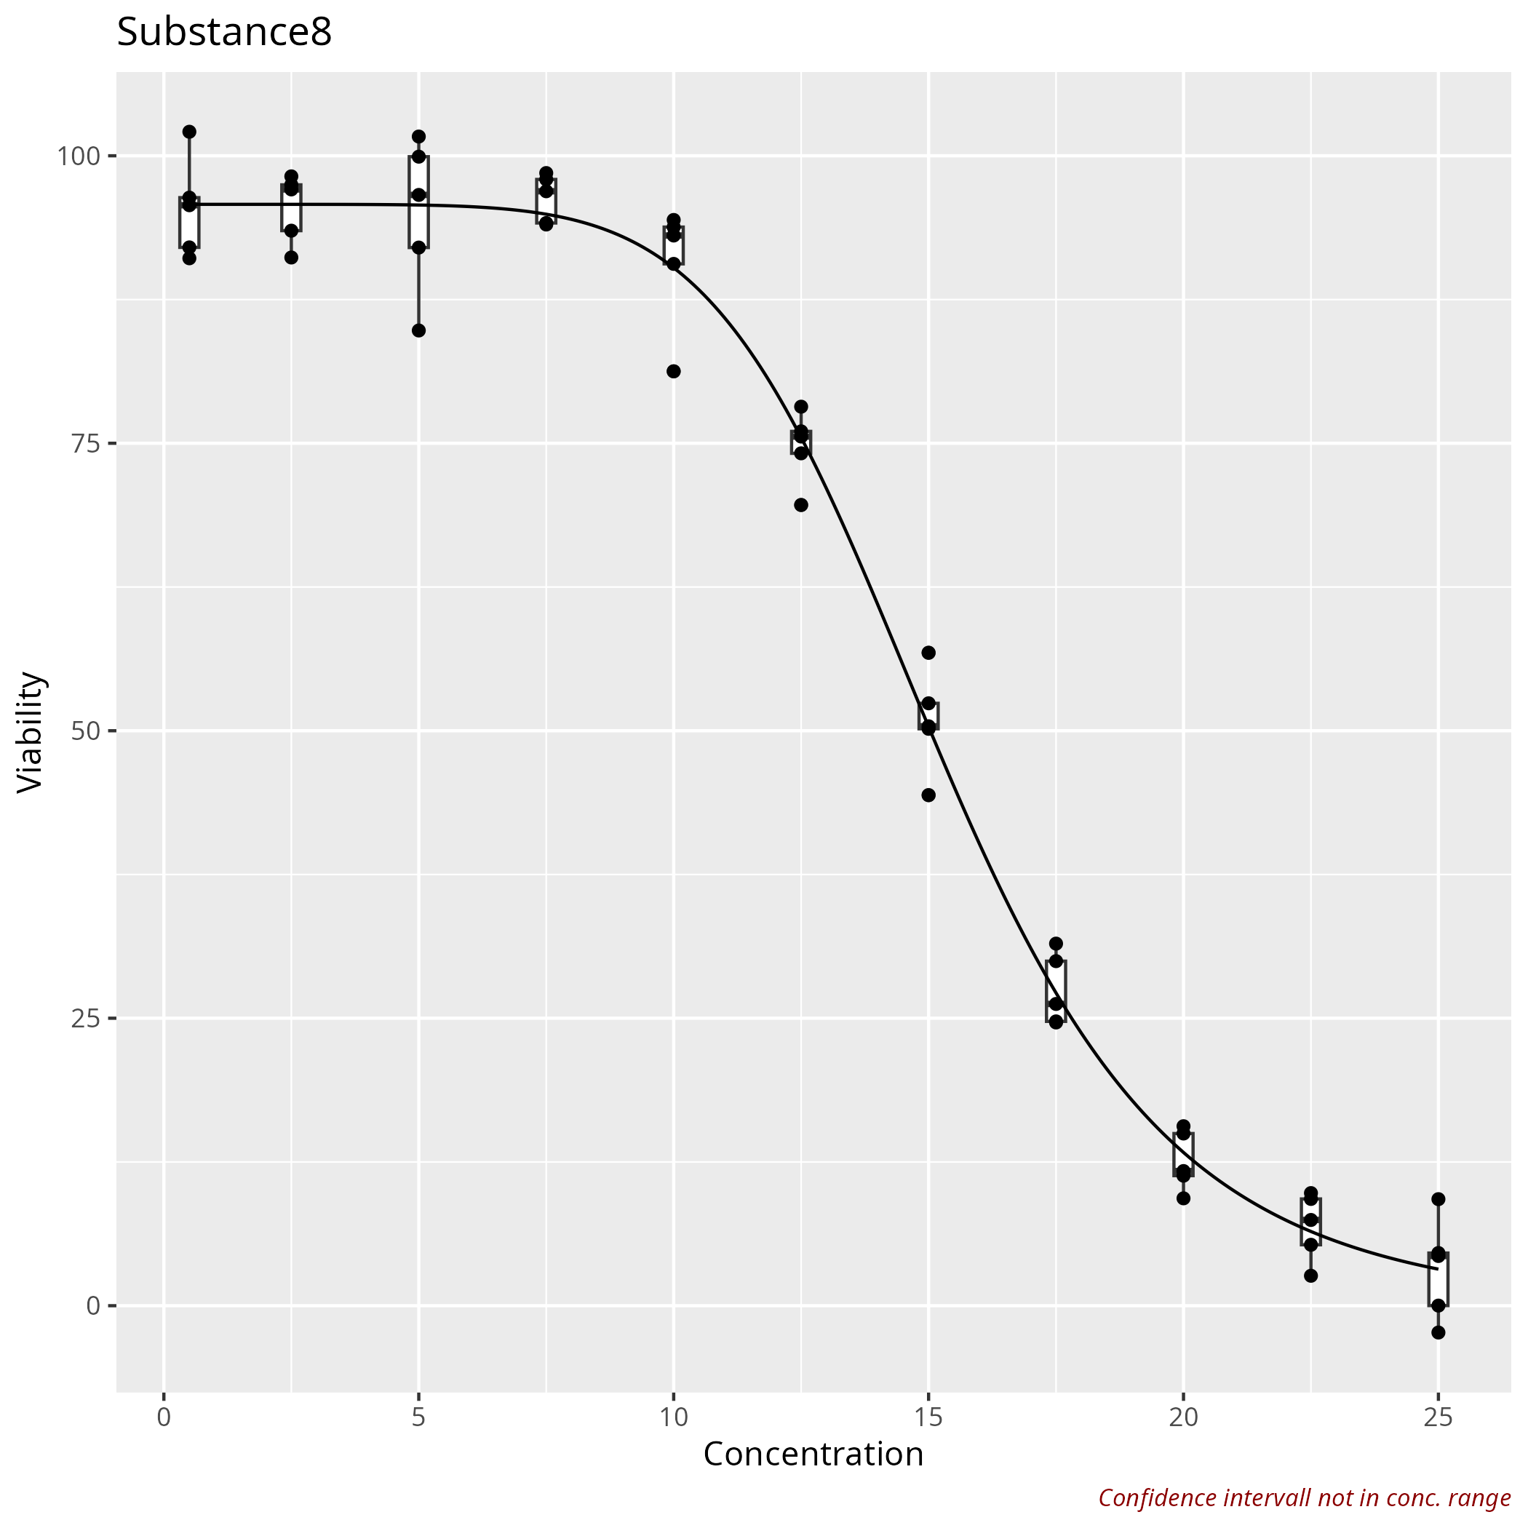

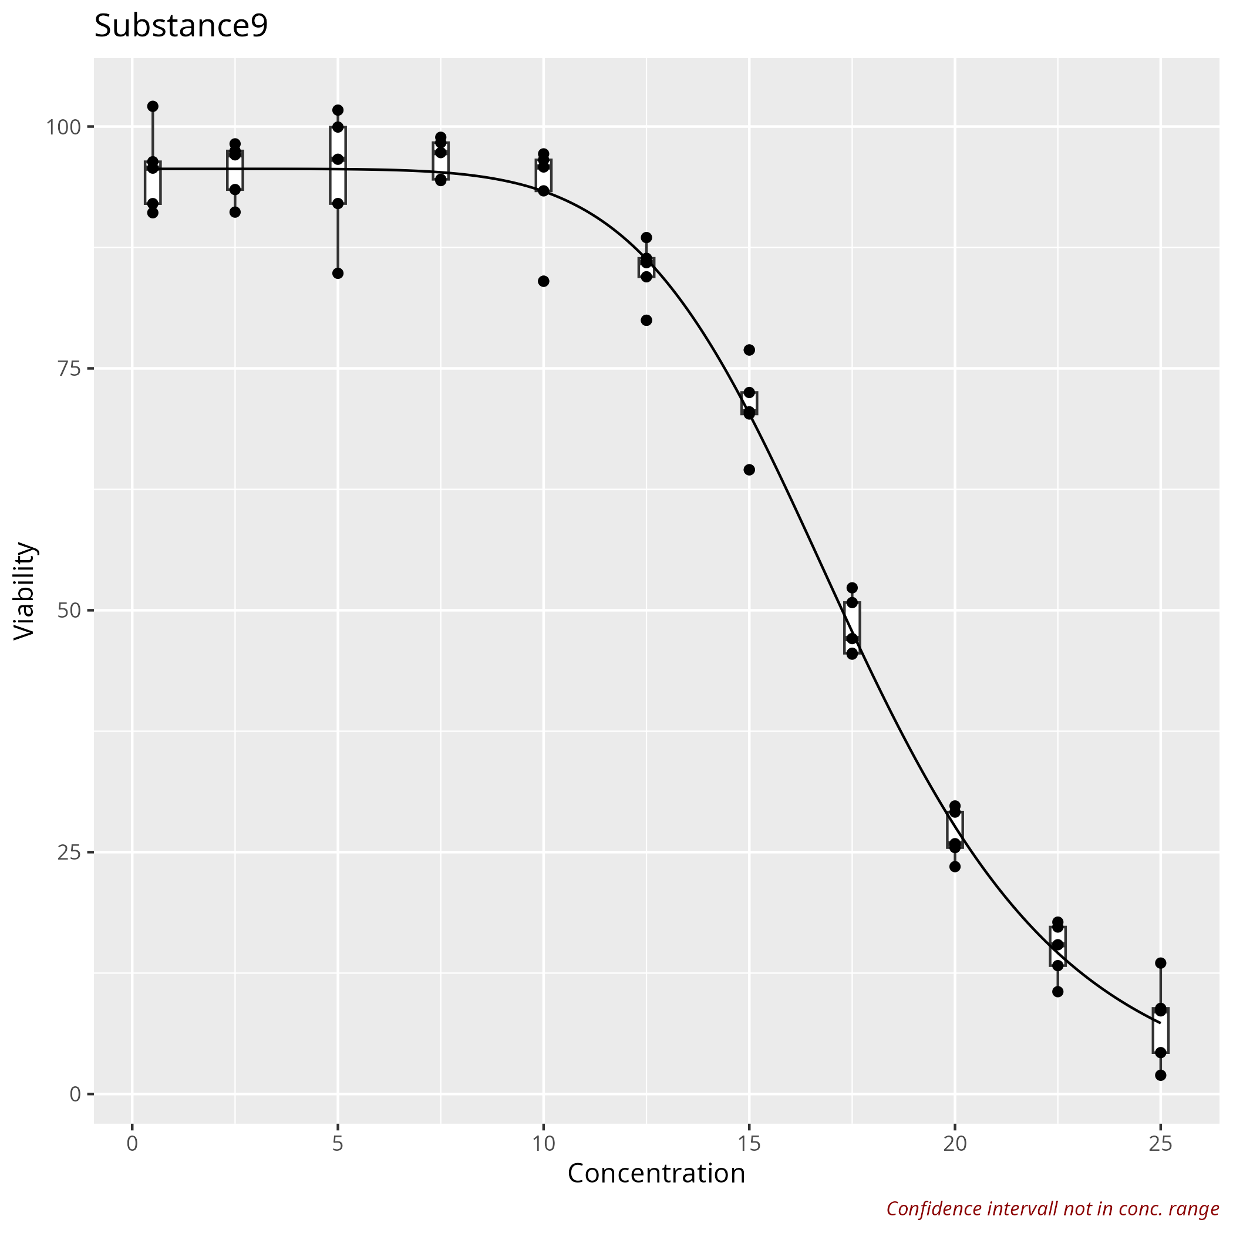

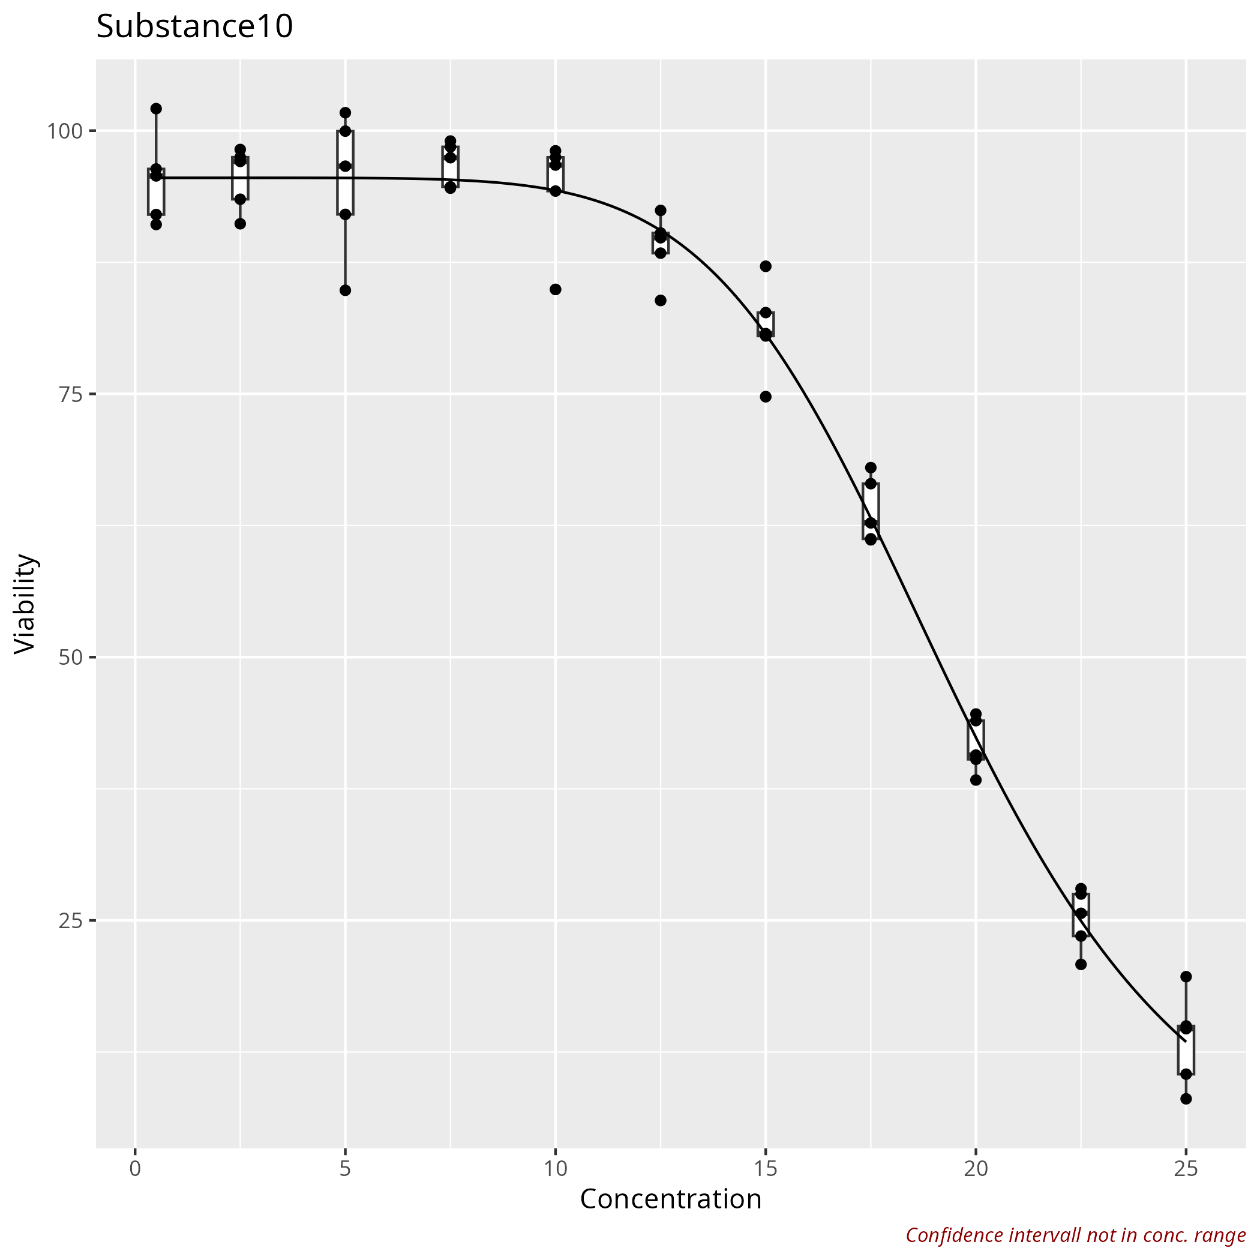

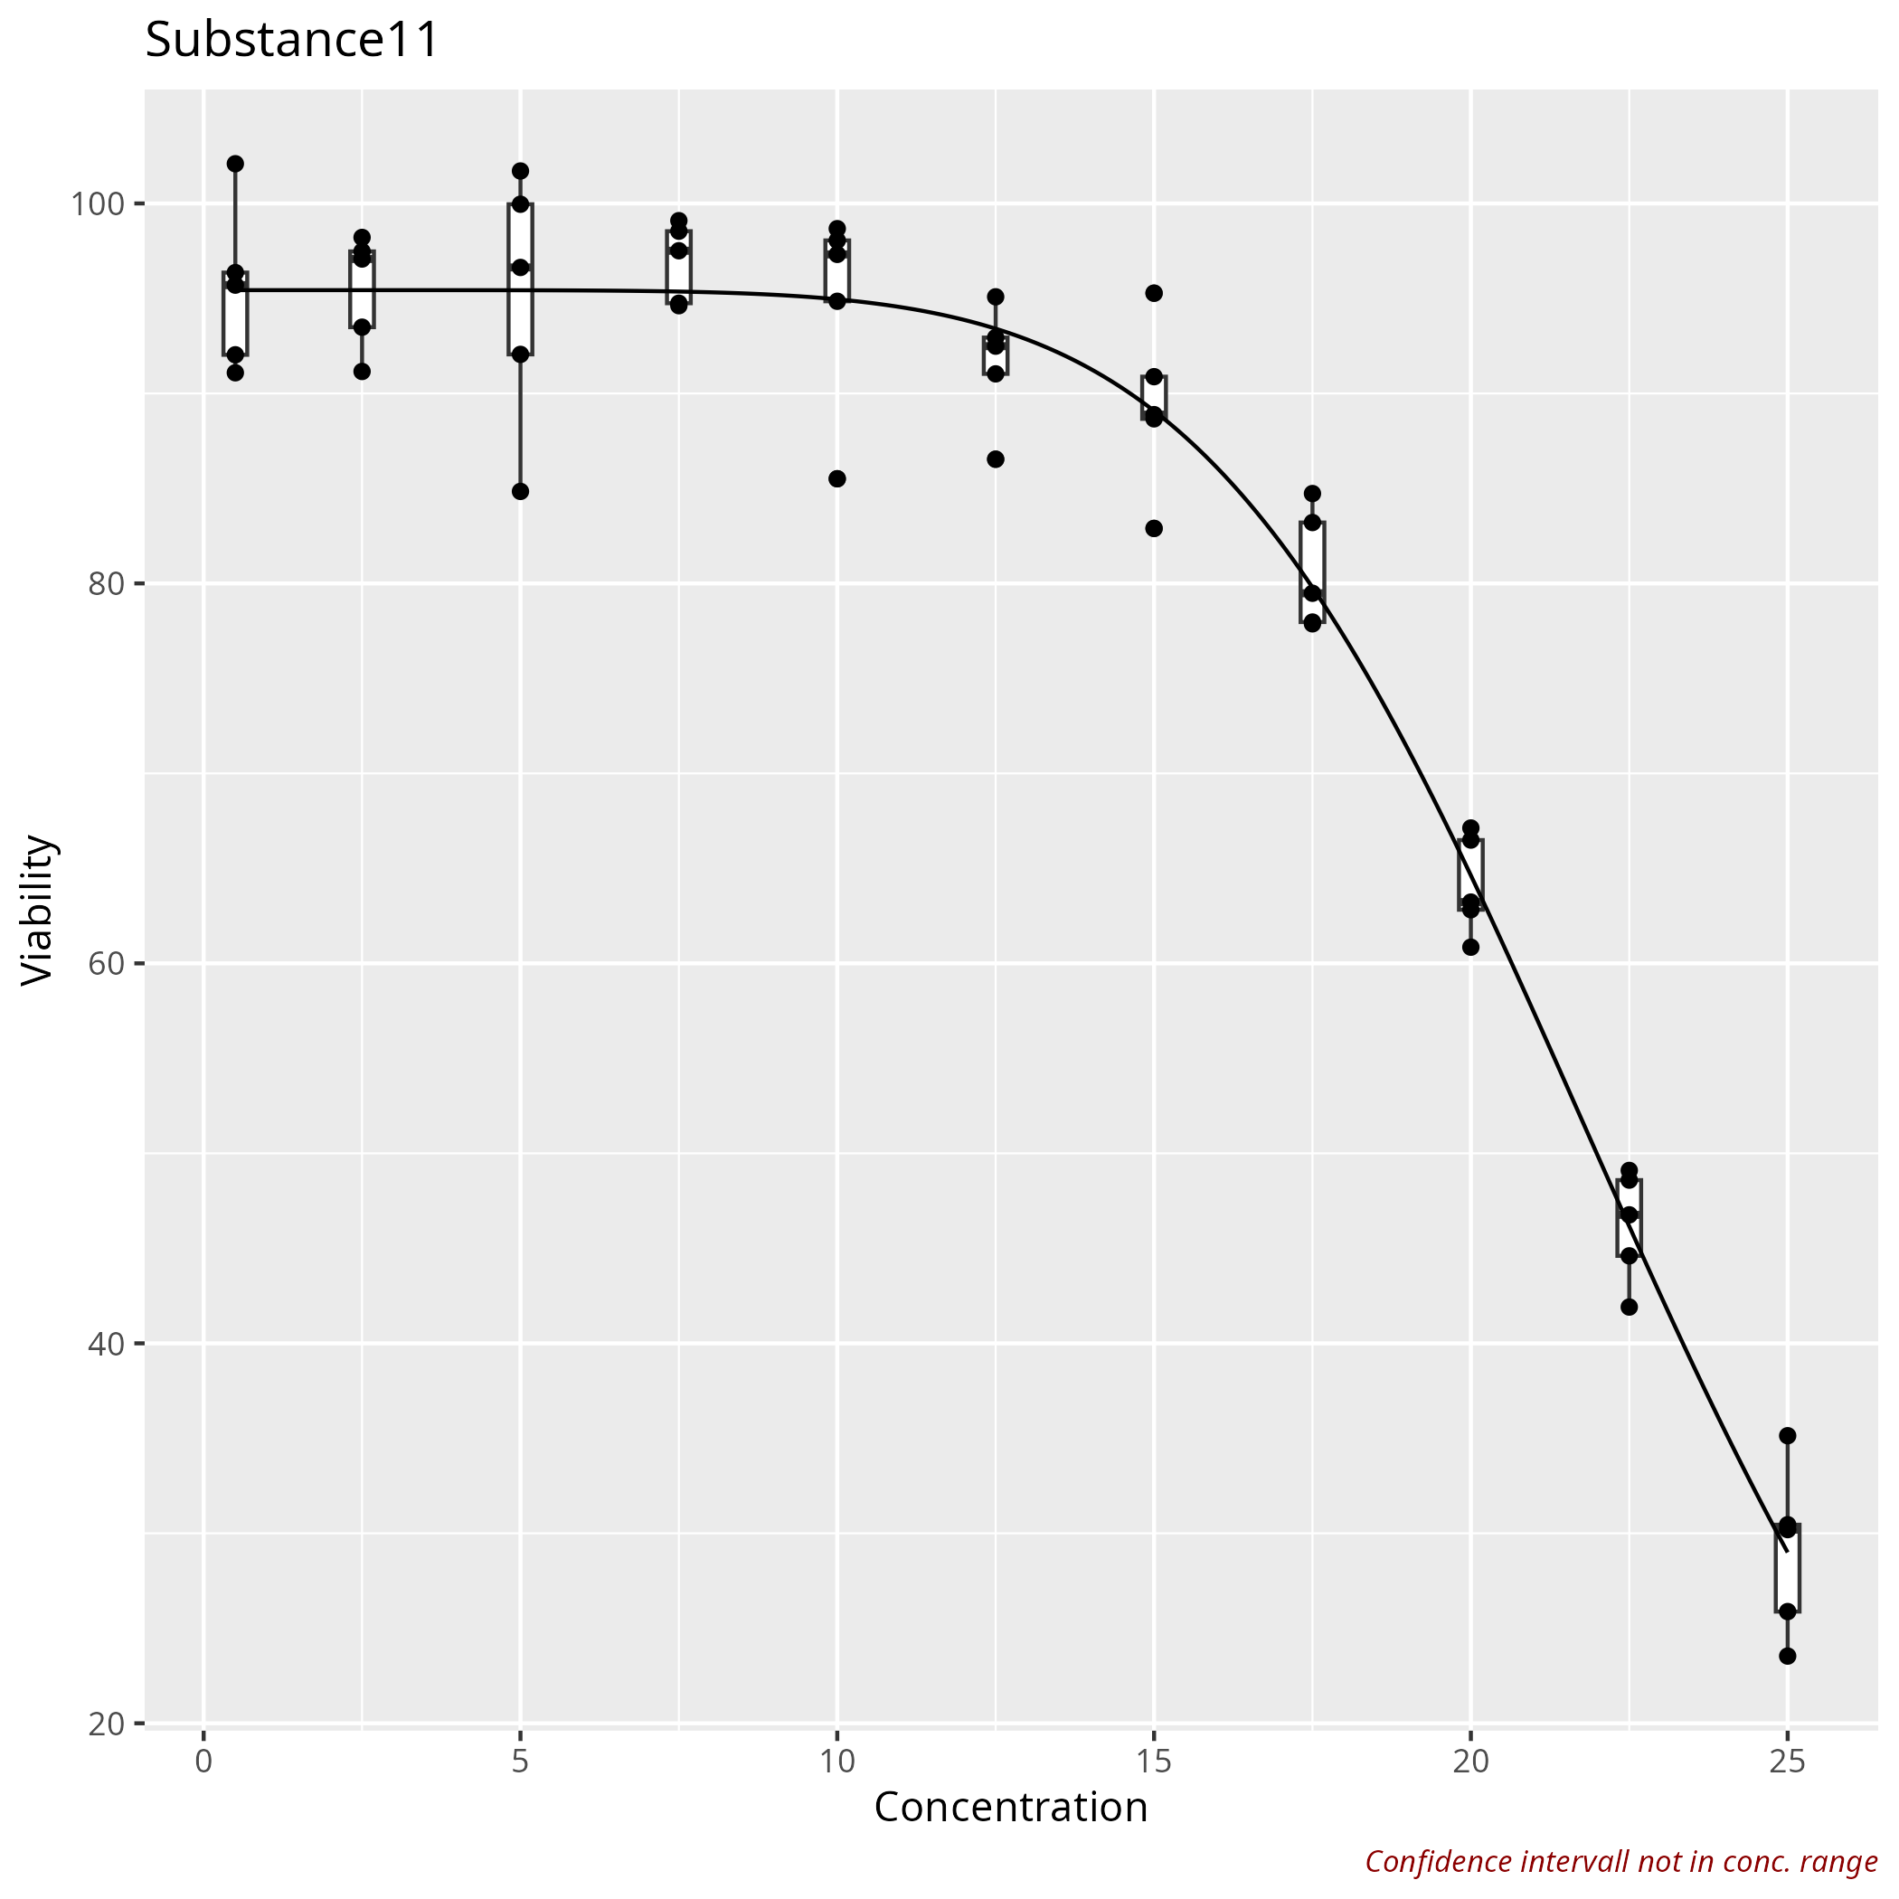

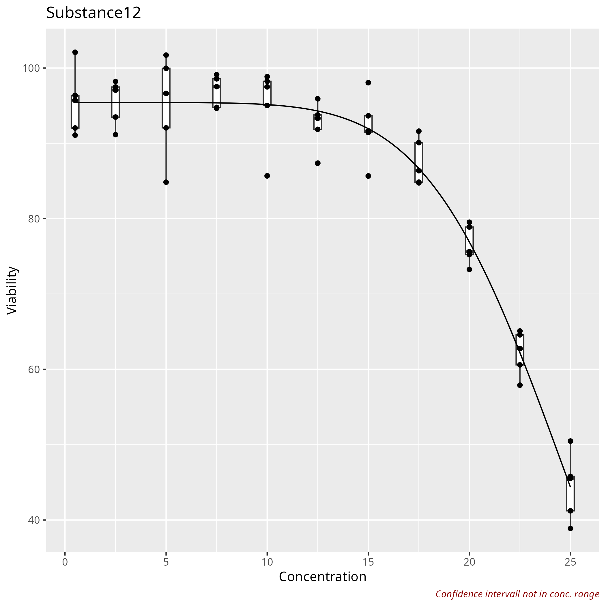

HistoryJSON

[ { "type": "Version", "Nr": "1_2" }, { "type": "CreateIntermediateVariable", "operation": "Mean(get_cols(get_rows(df, substance == \"pos\"), abs))", "name": "mean_pos" }, { "type": "CreateIntermediateVariable", "operation": "Mean(get_cols(get_rows(df, substance == \"neg\"), abs))", "name": "mean_neg" }, { "type": "CreateNewColumn", "operation": "((abs - mean_pos) / mean_neg)*100", "column name": "norm_abs" }, { "type": "ApplyFilter", "Variable": "substance", "Variable levels": "Substance6" }, { "type": "Visualisation", "x": "conc", "y": "norm_abs", "Plot-type": "box", "X axis label": "conc [µM]", "Y axis label": "Viability", "Type of x": "factor", "Colour variable": "", "Legend title for colour": "Title colour", "Colour theme": "Accent", "Fill variable": "", "Legend title for fill": "Title fill", "Fill theme": "BuGn", "Split in subplots": "facet_wrap", "Split by": "substance", "How to scale y in subplots": "free", "X-Range": ["0.25", "31.25"], "Y-Range": ["-4.7840148304601", "107.194048477641"], "Width": 10, "Height": 10, "Resolution": 300, "Result name": "4 Visualization Boxplot" }, { "type": "RemoveFilter", "Variable": "", "Variable levels": "" }, { "type": "CreateFormula", "formula": "norm_abs ~ conc", "Model Type": "Linear", "details": "" }, { "type": "ModelSummary", "formula": "norm_abs ~ conc", "Result name": "5 Model summary" }, { "type": "DoseResponse", "Column containing the names": "substance", "Log transform x-axis": false, "Log transform y-axis": false, "formula": "norm_abs ~ conc", "outliers": "", "Result name": "6 DoseResponse" } ]

