Results
Model: IDA

total Guest measured [M] | Signal measured | Signal simulated | free Dye simulated [M] | Host-Dye simulated [M]
0 | 0.652593163 | 0.64852984849 | 4.3425854624E-07 | 5.6574145376E-07
0.0000001 | 0.625830834 | 0.62242380649 | 4.6842844708E-07 | 5.3157155292E-07
0.0000002 | 0.59760106 | 0.59470607317 | 5.0470787231E-07 | 4.9529212769E-07
0.0000003 | 0.568336413 | 0.56576558227 | 5.4258775101E-07 | 4.5741224899E-07
0.0000004 | 0.538605992 | 0.53614719588 | 5.8135491938E-07 | 4.1864508062E-07
0.0000005 | 0.509076212 | 0.50652703654 | 6.2012440834E-07 | 3.7987559166E-07
0.0000006 | 0.480442809 | 0.4776530053 | 6.5791729875E-07 | 3.4208270125E-07
0.0000007 | 0.453345361 | 0.45025392453 | 6.9377964328E-07 | 3.0622035672E-07
0.0000008 | 0.428286524 | 0.42493699407 | 7.2691668502E-07 | 2.7308331498E-07
0.0000009 | 0.40558051 | 0.40210630743 | 7.5679951055E-07 | 2.4320048945E-07
0.000001 | 0.385344585 | 0.38193138532 | 7.8320623615E-07 | 2.1679376385E-07
0.0000011 | 0.367529159 | 0.36437170118 | 8.0618990659E-07 | 1.9381009341E-07
0.0000012 | 0.351968717 | 0.34923769488 | 8.2599863495E-07 | 1.7400136505E-07
0.0000013 | 0.338434288 | 0.33625947723 | 8.4298567611E-07 | 1.5701432389E-07
0.0000014 | 0.3266753 | 0.32514259076 | 8.5753644211E-07 | 1.4246355789E-07
0.0000015 | 0.316447156 | 0.31560383155 | 8.7002161533E-07 | 1.2997838467E-07
0.0000016 | 0.307526286 | 0.30738949159 | 8.8077327127E-07 | 1.1922672873E-07
0.0000017 | 0.299716359 | 0.30028164354 | 8.9007665257E-07 | 1.0992334743E-07
0.0000018 | 0.292849146 | 0.29409767165 | 8.981707829E-07 | 1.018292171E-07
0.0000019 | 0.286782597 | 0.288686655 | 9.0525320092E-07 | 9.4746799081E-08
0.000002 | 0.281397733 | 0.28392471165 | 9.114860543E-07 | 8.8513945704E-08
0.0000021 | 0.276595271 | 0.27971037756 | 9.1700214816E-07 | 8.299785184E-08
0.0000022 | 0.272292426 | 0.27596048343 | 9.2191034184E-07 | 7.8089658156E-08
0.0000023 | 0.268420086 | 0.27260666973 | 9.2630011037E-07 | 7.3699889626E-08
0.0000024 | 0.264920412 | 0.26959252737 | 9.3024528695E-07 | 6.9754713047E-08
0.0000025 | 0.261744829 | 0.26687129016 | 9.3380708332E-07 | 6.6192916677E-08
0.0000026 | 0.258852387 | 0.26440398844 | 9.3703650643E-07 | 6.2963493568E-08
0.0000027 | 0.256208419 | 0.26215797723 | 9.3997628489E-07 | 6.0023715106E-08
0.0000028 | 0.253783444 | 0.26010576368 | 9.4266240383E-07 | 5.7337596175E-08
0.0000029 | 0.251552283 | 0.25822407135 | 9.4512532947E-07 | 5.4874670527E-08
0.000003 | 0.249493336 | 0.25649309162 | 9.4739098911E-07 | 5.260901089E-08
0.0000031 | 0.24758799 | 0.25489588243 | 9.4948155802E-07 | 5.0518441981E-08
0.0000032 | 0.245820143 | 0.25341788329 | 9.5141609424E-07 | 4.858390576E-08
0.0000033 | 0.244175803 | 0.2520465224 | 9.5321105288E-07 | 4.6788947124E-08
0.0000034 | 0.242642769 | 0.2507708967 | 9.5488070482E-07 | 4.5119295183E-08
0.0000035 | 0.241210354 | 0.24958151017 | 9.5643747929E-07 | 4.3562520711E-08
0.0000036 | 0.23986917 | 0.24847005871 | 9.5789224545E-07 | 4.2107754551E-08
0.0000037 | 0.238610935 | 0.24742925239 | 9.5925454498E-07 | 4.074545502E-08
0.0000038 | 0.237428323 | 0.24645266803 | 9.6053278511E-07 | 3.9467214886E-08
0.0000039 | 0.236314829 | 0.24553462623 | 9.6173439956E-07 | 3.8265600439E-08
0.000004 | 0.235264662 | 0.24467008841 | 9.6286598326E-07 | 3.7134016737E-08
0.0000041 | 0.23427265 | 0.24385457021 | 9.6393340573E-07 | 3.6066594268E-08
0.0000042 | 0.23333416 | 0.24308406841 | 9.6494190676E-07 | 3.5058093236E-08
0.0000043 | 0.232445033 | 0.24235499885 | 9.658961776E-07 | 3.4103822401E-08
0.0000044 | 0.231601522 | 0.24166414371 | 9.6680043001E-07 | 3.3199569987E-08
0.0000045 | 0.230800248 | 0.24100860639 | 9.6765845535E-07 | 3.2341544651E-08
0.0000046 | 0.230038151 | 0.2403857728 | 9.6847367513E-07 | 3.1526324867E-08
0.0000047 | 0.229312458 | 0.23979327814 | 9.6924918464E-07 | 3.0750815365E-08
0.0000048 | 0.228620648 | 0.23922897814 | 9.6998779047E-07 | 3.0012209525E-08
0.0000049 | 0.227960426 | 0.23869092416 | 9.7069204319E-07 | 2.9307956805E-08
0.000005 | 0.227329698 | 0.2381773416 | 9.7136426556E-07 | 2.8635734442E-08

info | Ka(HG) [1/M] | I(0) | I(HD) [1/M] | I(D) [1/M]
Opti. results | 24229546.994 | 1E-15 | 980306.39952 | 216299.44123
lower boundaries | 10 | 0 | 0 | 0
upper boundaries | 100000000 | 100000000 | 100000000 | 100000000

MeanSquareError | RootMeanSquareError | MeanAbsoluteError | R2 | R2 adjusted
4.3181141179E-05 | 0.0065712358944 | 0.0056866414884 | 0.99927152349 | 0.99925665663

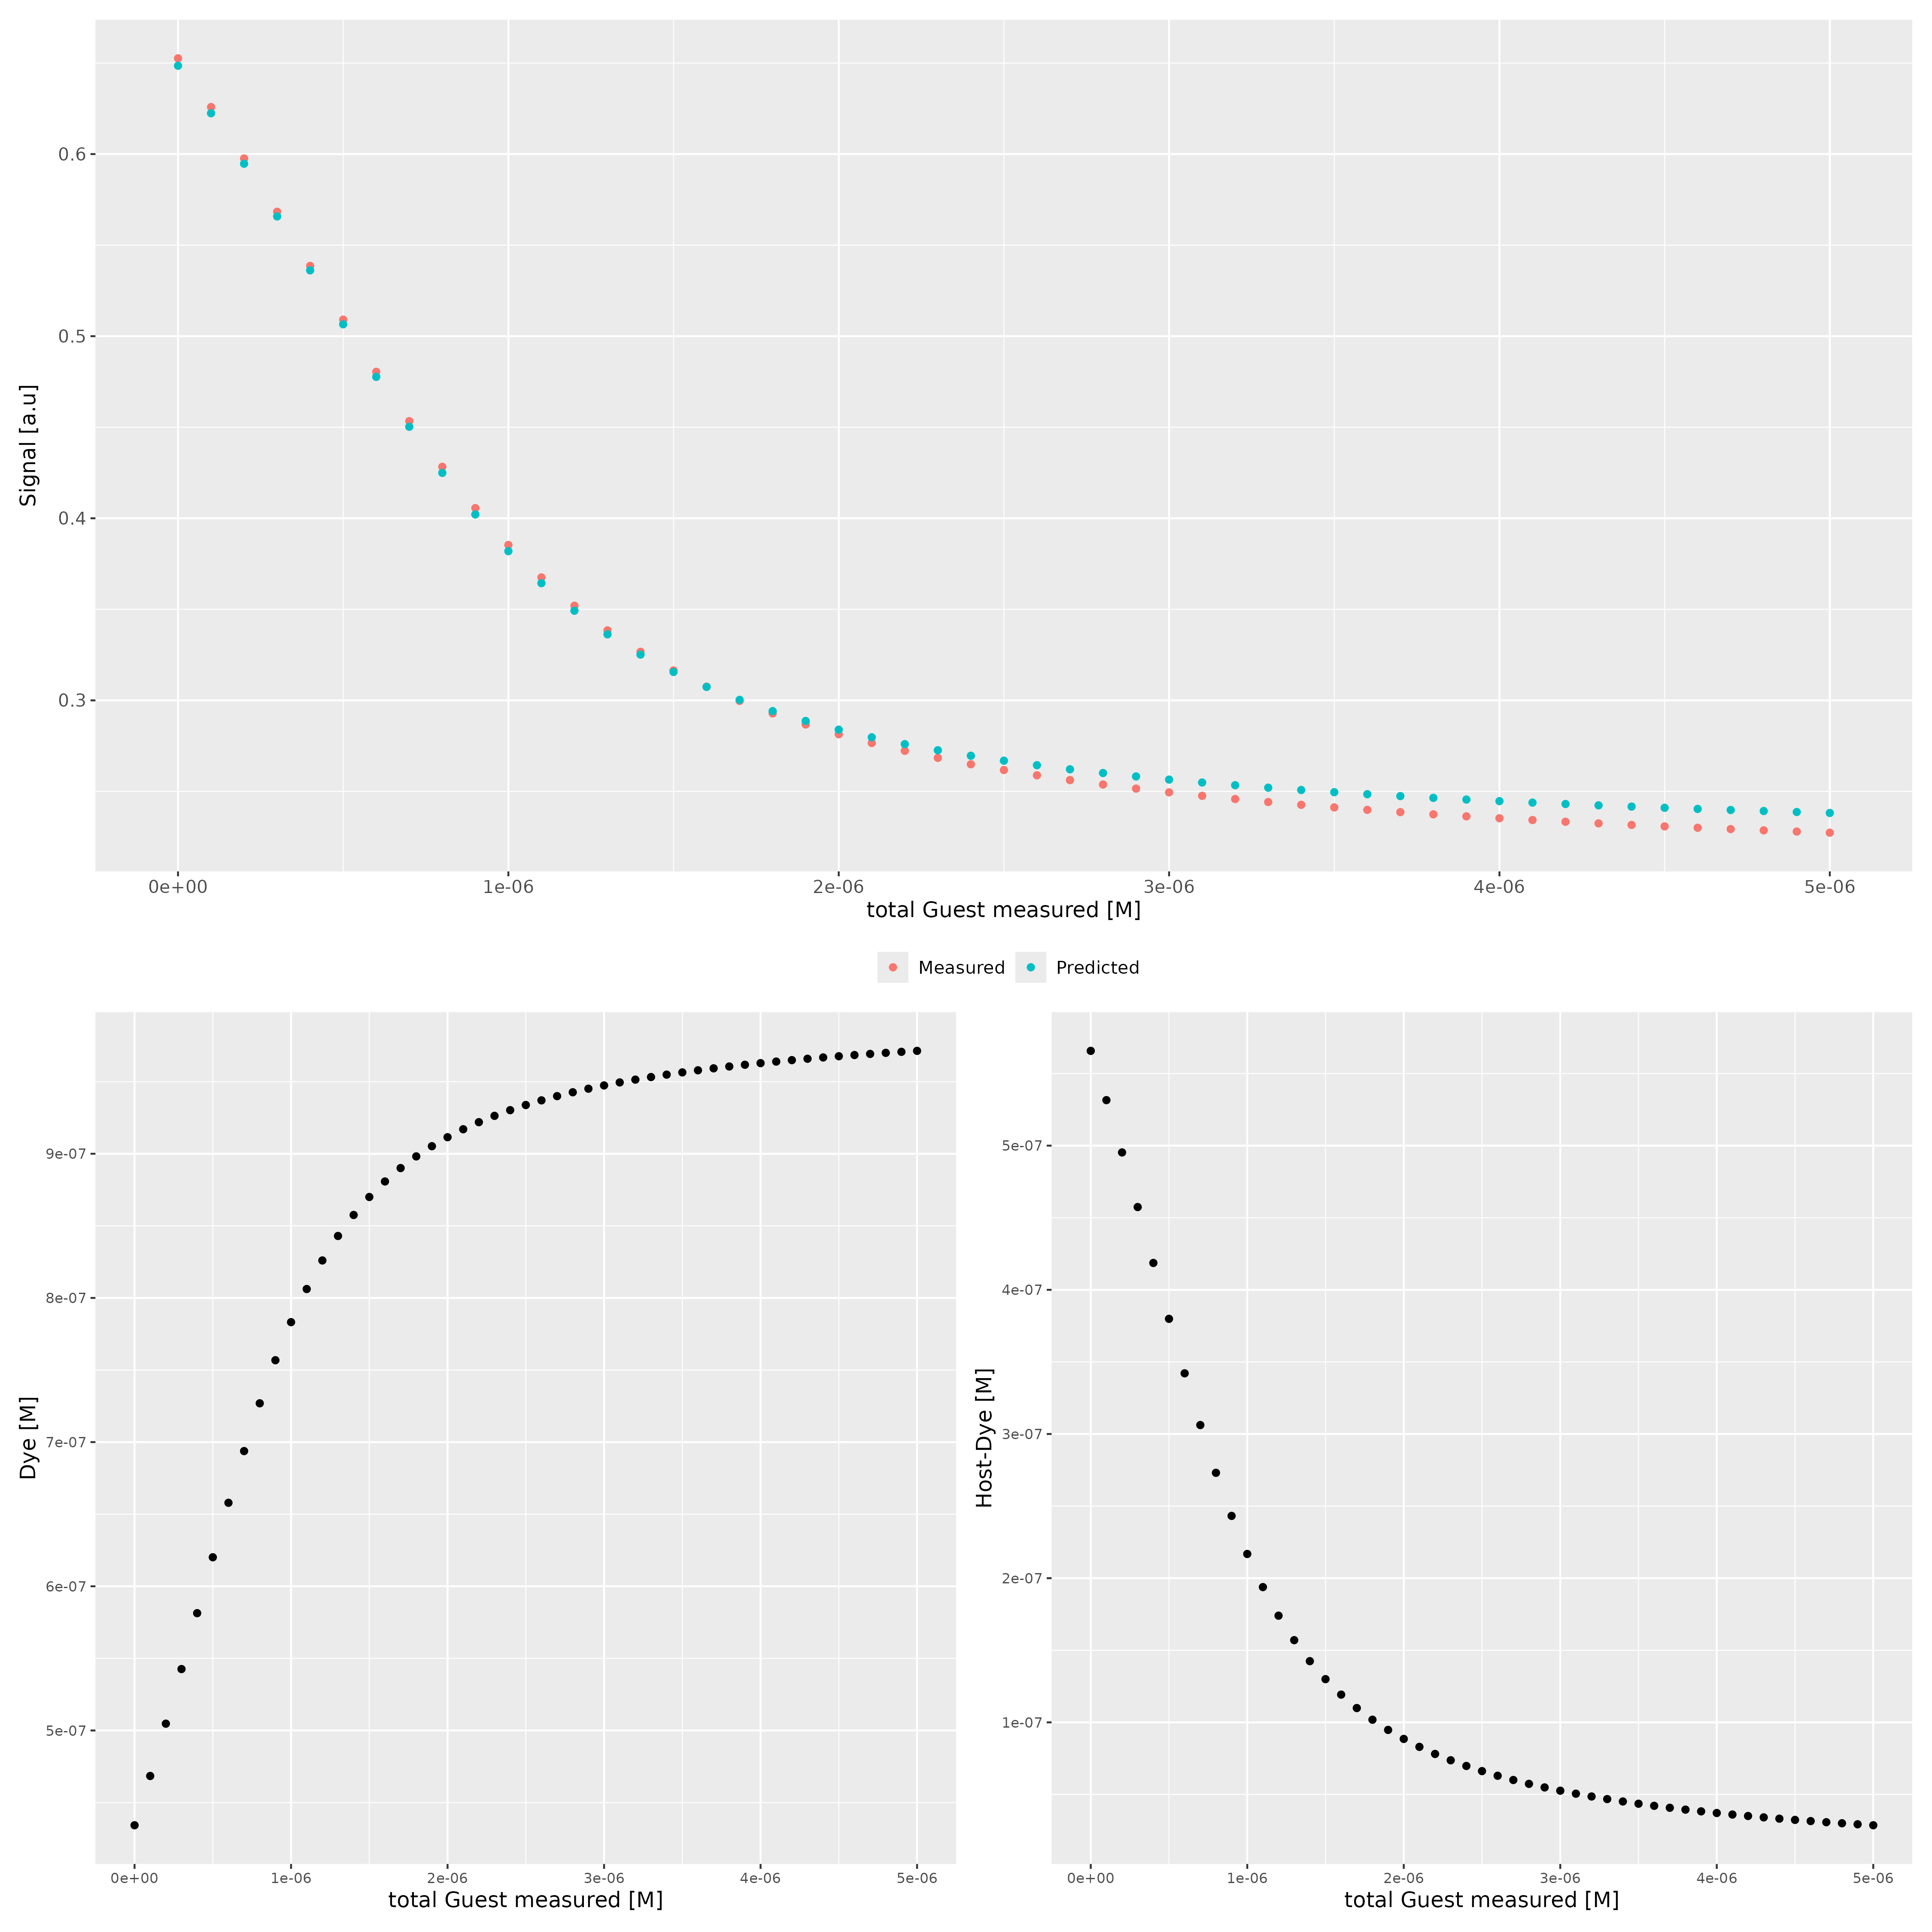

Host..M. | Dye..M. | Ka.HD...1.M. | npop | ngen | topology | seed
0.000001 | 0.000001 | 3000000 | 40 | 100 | random | 1234

platform | arch | os | system | status | major | minor | year | month | day | svn.rev | language | version.string | nickname
x86_64-pc-linux-gnu | x86_64 | linux-gnu | x86_64, linux-gnu |  | 4 | 4.1 | 2024 | 06 | 14 | 86737 | R | R version 4.4.1 (2024-06-14) | Race for Your Life

tsf version: 0.1

