Results
Model: DBA (Dye constant)

total Host measured [M] | Signal measured | Signal simulated | free Dye simulated [M] | Host-Dye simulated [M]
0 | 2319 | 2288.6677524 | 0.000103 | 8.2314249125E-16
0.00003 | 3765 | 4197.6197063 | 7.953060388E-05 | 2.346939612E-05
0.00006 | 5254 | 5842.7184447 | 5.9305121584E-05 | 4.3694878416E-05
0.0001 | 6931 | 7483.9797165 | 3.9126818593E-05 | 6.3873181407E-05
0.00015 | 8839 | 8683.7082657 | 2.4376890236E-05 | 7.8623109764E-05
0.000225 | 11253 | 9496.8178202 | 1.4380205832E-05 | 8.8619794168E-05
0.0003 | 13427 | 9857.1396657 | 9.9502692358E-06 | 9.3049730764E-05
0.0004 | 15223 | 10097.962792 | 6.9894962713E-06 | 9.6010503729E-05
0.0005 | 16927 | 10229.718327 | 5.3696425836E-06 | 9.7630357416E-05
0.0006 | 17656 | 10312.303585 | 4.3543073738E-06 | 9.8645692626E-05
0.0007 | 19180 | 10368.777063 | 3.6600005293E-06 | 9.9339999471E-05
0.00084 | 19928 | 10423.201961 | 2.9908797129E-06 | 0.00010000912029

info | Ka(HD) [1/M] | I(0) | I(HD) [1/M] | I(D) [1/M]
Opti. results | 45187.081559 | 405.02395405 | 99625727.698 | 18287803.867
lower boundaries | 10 | 0 | 0 | 0
upper boundaries | 100000000 | 1000 | 100000000 | 100000000

MeanSquareError | RootMeanSquareError | MeanAbsoluteError | R2 | R2 adjusted
25810079.221 | 5080.3621151 | 3714.0017196 | 0.82432665357 | 0.80675931893

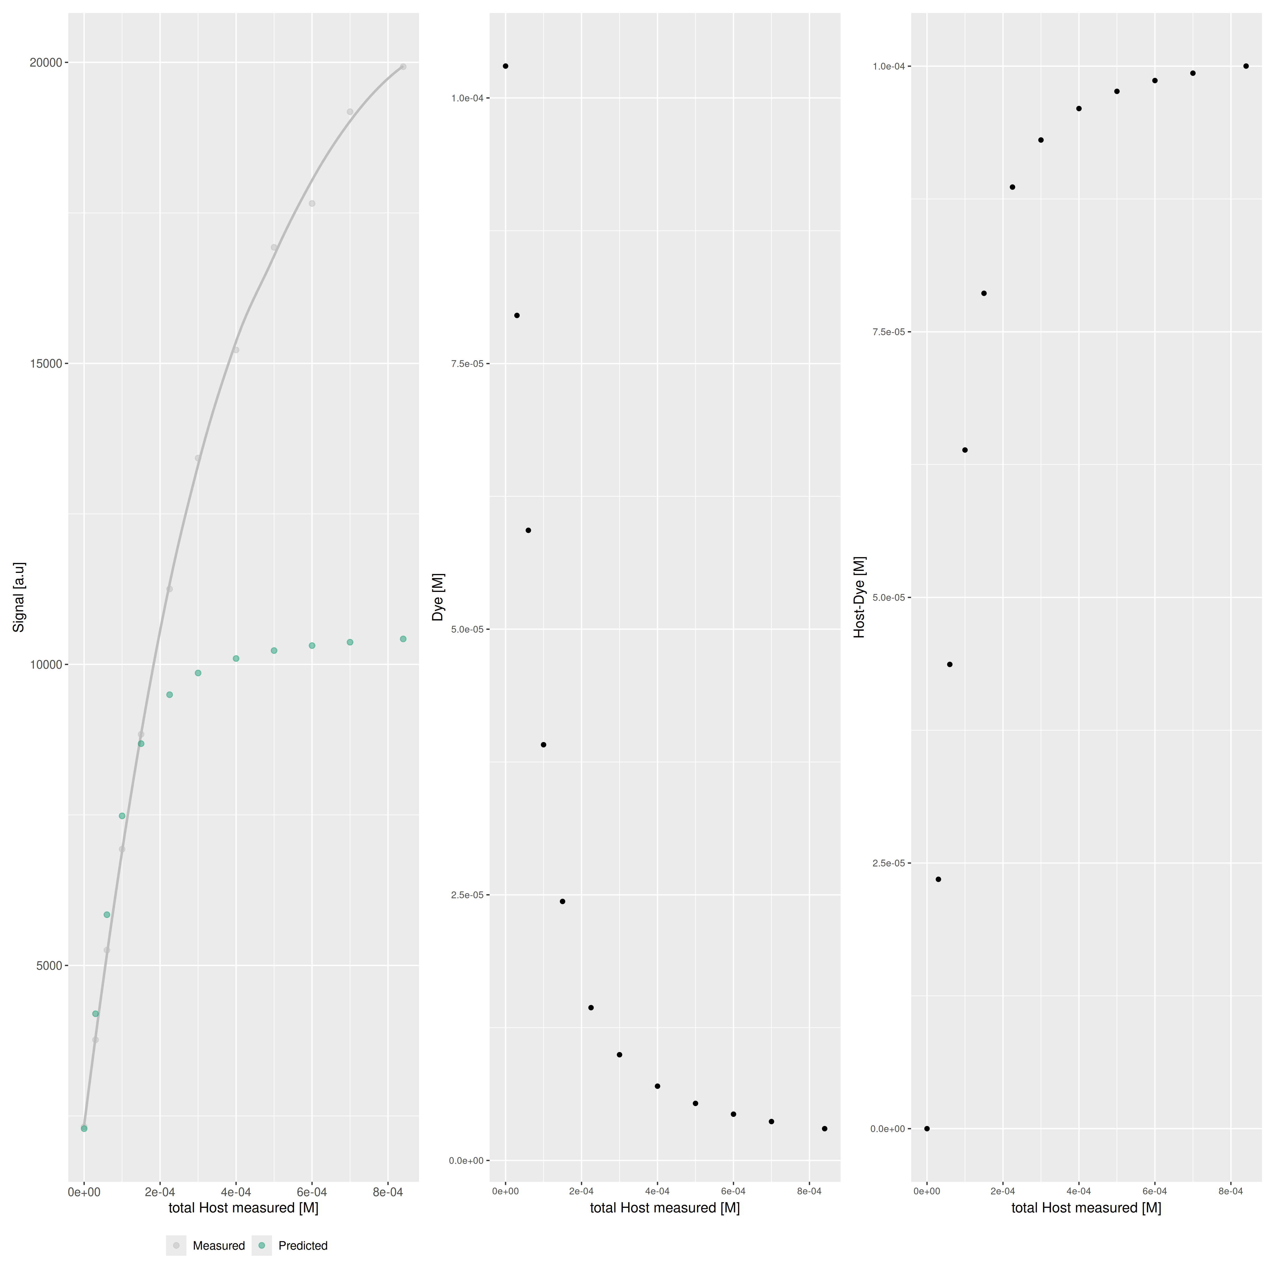

Dye..M. | npop | ngen | topology | seed
0.000103 | 40 | 1000 | random | 1234

platform | arch | os | system | status | major | minor | year | month | day | svn.rev | language | version.string | nickname
x86_64-pc-linux-gnu | x86_64 | linux-gnu | x86_64, linux-gnu |  | 4 | 3.3 | 2024 | 02 | 29 | 86002 | R | R version 4.3.3 (2024-02-29) | Angel Food Cake

tsf version: 0.1

