Results
Model: DBA (Host constant

total Dye measured [M] | Signal measured | Signal simulated | free Dye simulated [M] | Host-Dye simulated [M]
0 | 2319 | 1000 | 1E-15 | 0
0.00003 | 3765 | 1955.5804658 | 0.00003 | 0
0.00006 | 5254 | 2911.1609317 | 0.00006 | 0
0.0001 | 6931 | 4185.2682194 | 0.0001 | 0
0.00015 | 8839 | 5777.9023292 | 0.00015 | 0
0.000225 | 11253 | 8166.8534938 | 0.000225 | 0
0.0003 | 13427 | 10555.804658 | 0.0003 | 0
0.0004 | 15223 | 13741.072878 | 0.0004 | 0
0.0005 | 16927 | 16926.341097 | 0.0005 | 0
0.0006 | 17656 | 20111.609317 | 0.0006 | 0
0.0007 | 19180 | 23296.877536 | 0.0007 | 0
0.00084 | 19928 | 27756.253043 | 0.00084 | 0

info | Ka(HD) [1/M] | I(0) | I(HD) [1/M] | I(D) [1/M]
Opti. results | 1161819.0439 | 1000 | 19902403.353 | 31852682.194
lower boundaries | 10 | 0 | 0 | 0
upper boundaries | 100000000 | 1000 | 100000000 | 100000000

MeanSquareError | RootMeanSquareError | MeanAbsoluteError | R2 | R2 adjusted
10969702.647 | 3312.0541431 | 2759.8963186 | 0.92517566413 | 0.91769323054

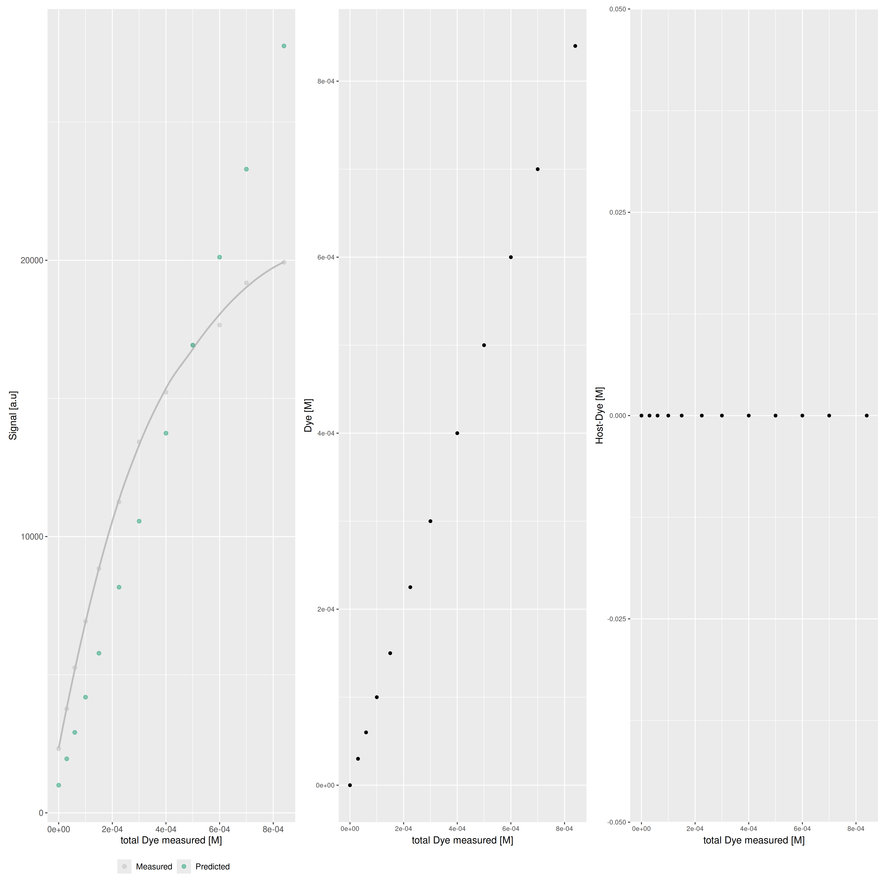

Host..M. | npop | ngen | topology | seed
0 | 40 | 1000 | random | 1234

platform | arch | os | system | status | major | minor | year | month | day | svn.rev | language | version.string | nickname
x86_64-pc-linux-gnu | x86_64 | linux-gnu | x86_64, linux-gnu |  | 4 | 3.3 | 2024 | 02 | 29 | 86002 | R | R version 4.3.3 (2024-02-29) | Angel Food Cake

tsf version: 0.1

