Results
Model: GDA

total Dye measured [M] | Signal measured | Signal simulated | free Dye simulated [M] | Host-Dye simulated [M]
0 | 352 | 352.06349818 | 9.9996980445E-16 | 3.0195550513E-20
0.0001 | 5594 | 4054.6213746 | 9.9996980543E-05 | 3.0194569429E-09
0.00015 | 7626 | 5905.9003116 | 0.00014999547089 | 4.5291118369E-09
0.0002 | 9513 | 7757.1792477 | 0.00019999396128 | 6.0387176828E-09
0.00025 | 10955 | 9608.4581831 | 0.00024999245173 | 7.5482744832E-09
0.0003 | 12640 | 11459.737118 | 0.00029999094222 | 9.0577822407E-09
0.00035 | 13796 | 13311.016051 | 0.00034998943276 | 1.0567240958E-08
0.0004 | 15065 | 15162.294984 | 0.00039998792335 | 1.2076650638E-08
0.00045 | 16066 | 17013.573916 | 0.00044998641399 | 1.3586011282E-08
0.0005 | 17042 | 18864.852847 | 0.00049998490468 | 1.5095322895E-08
0.00055 | 17791 | 20716.131778 | 0.00054998339541 | 1.6604585477E-08
0.0006 | 18447 | 22567.410707 | 0.0005999818862 | 1.8113799033E-08

info | Ka(HG) [1/M] | I(0) | I(HD) [1/M] | I(D) [1/M]
Opti. results | 650772.58066 | 352.06349815 | 53948598.157 | 37025067.766
lower boundaries | 10 | 0 | 0 | 0
upper boundaries | 100000000 | 1000 | 100000000 | 100000000

MeanSquareError | RootMeanSquareError | MeanAbsoluteError | R2 | R2 adjusted
3468089.6858 | 1862.2807752 | 1495.0346204 | 0.95678120774 | 0.95245932852

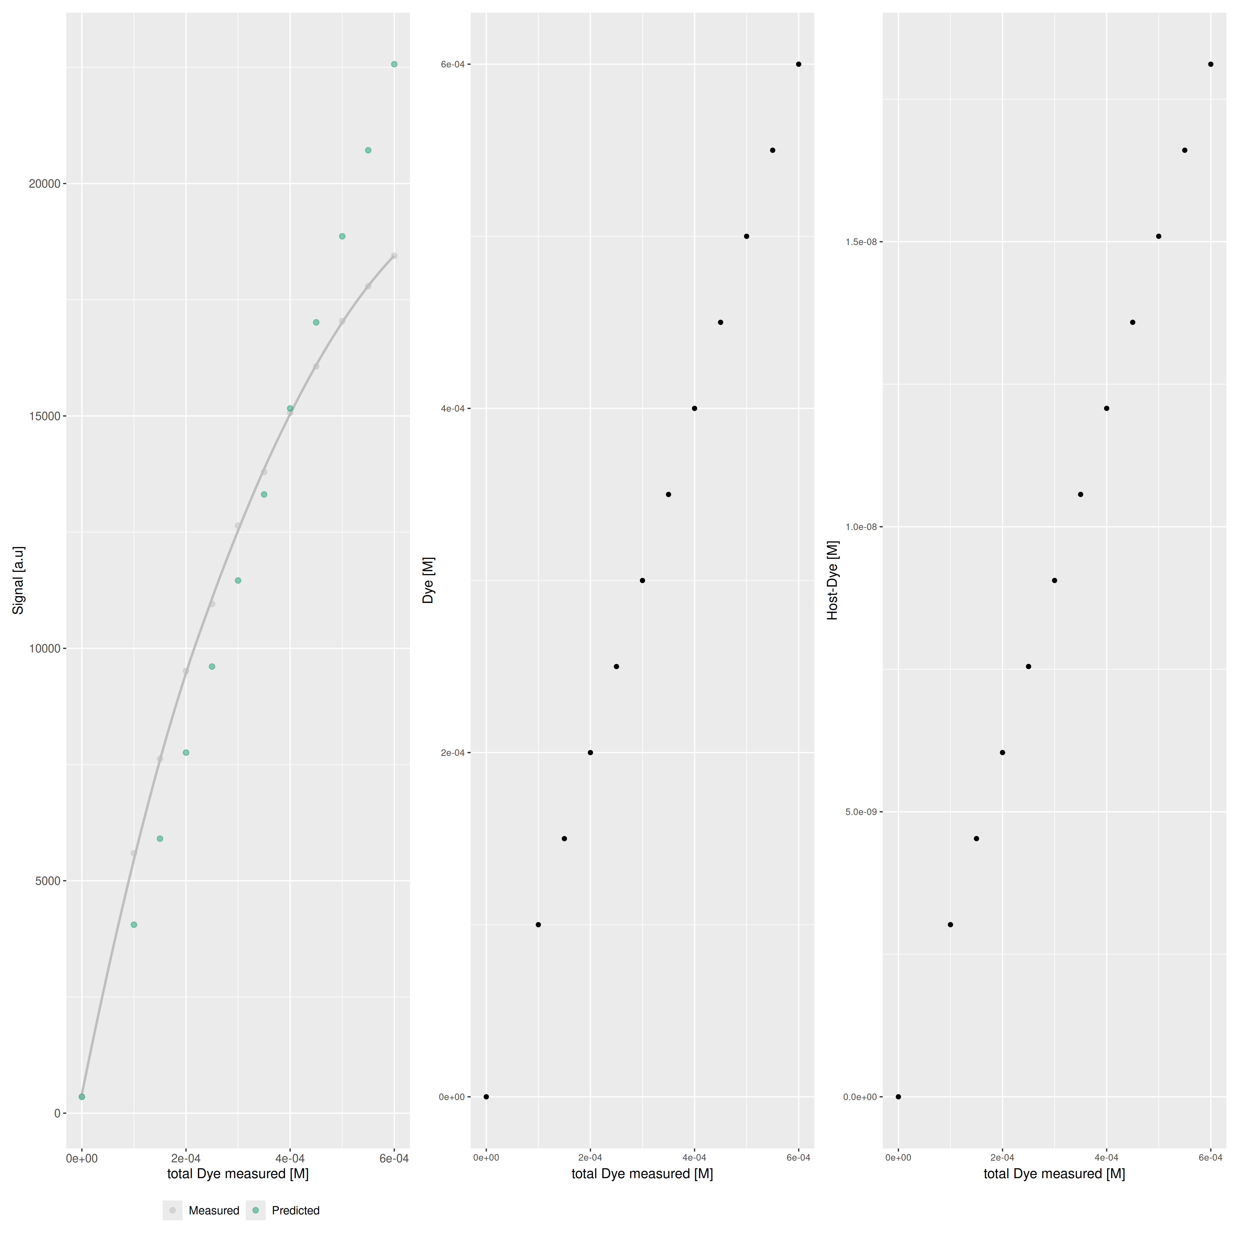

Host..M. | Guest..M. | Ka.HD...1.M. | npop | ngen | topology | seed
0.000103 | 0.00105 | 181 | 40 | 1000 | random | 1234

platform | arch | os | system | status | major | minor | year | month | day | svn.rev | language | version.string | nickname
x86_64-pc-linux-gnu | x86_64 | linux-gnu | x86_64, linux-gnu |  | 4 | 3.3 | 2024 | 02 | 29 | 86002 | R | R version 4.3.3 (2024-02-29) | Angel Food Cake

tsf version: 0.1

