Results
Model: IDA

total Guest measured [M] | Signal measured | Signal simulated | free Dye simulated [M] | Host-Dye simulated [M]
0 | 0.652593163 | 0.6557268822 | 4.3425854623E-07 | 5.6574145377E-07
0.0000001 | 0.625830834 | 0.62835538604 | 4.6733740254E-07 | 5.3266259746E-07
0.0000002 | 0.59760106 | 0.59957767239 | 5.021156934E-07 | 4.978843066E-07
0.0000003 | 0.568336413 | 0.56984951147 | 5.3804261379E-07 | 4.6195738621E-07
0.0000004 | 0.538605992 | 0.53975324185 | 5.7441439896E-07 | 4.2558560104E-07
0.0000005 | 0.509076212 | 0.50995241099 | 6.1042914204E-07 | 3.8957085796E-07
0.0000006 | 0.480442809 | 0.48112134695 | 6.4527190763E-07 | 3.5472809237E-07
0.0000007 | 0.453345361 | 0.45386362315 | 6.7821326836E-07 | 3.2178673164E-07
0.0000008 | 0.428286524 | 0.42864116513 | 7.0869498041E-07 | 2.9130501959E-07
0.0000009 | 0.40558051 | 0.40573426404 | 7.3637830782E-07 | 2.6362169218E-07
0.000001 | 0.385344585 | 0.3852407993 | 7.6114496183E-07 | 2.3885503817E-07
0.0000011 | 0.367529159 | 0.36710755826 | 7.8305925075E-07 | 2.1694074925E-07
0.0000012 | 0.351968717 | 0.35117725138 | 8.0231126128E-07 | 1.9768873872E-07
0.0000013 | 0.338434288 | 0.33723526694 | 8.1916035484E-07 | 1.8083964516E-07
0.0000014 | 0.3266753 | 0.32504667148 | 8.33890452E-07 | 1.66109548E-07
0.0000015 | 0.316447156 | 0.31438081694 | 8.4678029433E-07 | 1.5321970567E-07
0.0000016 | 0.307526286 | 0.30502514023 | 8.5808676745E-07 | 1.4191323255E-07
0.0000017 | 0.299716359 | 0.29679122829 | 8.6803757132E-07 | 1.3196242868E-07
0.0000018 | 0.292849146 | 0.28951608003 | 8.7682969516E-07 | 1.2317030484E-07
0.0000019 | 0.286782597 | 0.28306075498 | 8.8463105057E-07 | 1.1536894943E-07
0.000002 | 0.281397733 | 0.27730782938 | 8.915835459E-07 | 1.084164541E-07
0.0000021 | 0.276595271 | 0.27215848867 | 8.978066E-07 | 1.021934E-07
0.0000022 | 0.272292426 | 0.2675296936 | 9.0340056703E-07 | 9.659943297E-08
0.0000023 | 0.268420086 | 0.26335162057 | 9.0844982983E-07 | 9.155017017E-08
0.0000024 | 0.264920412 | 0.25956544507 | 9.1302547869E-07 | 8.6974521307E-08
0.0000025 | 0.261744829 | 0.2561214691 | 9.1718757439E-07 | 8.2812425611E-08
0.0000026 | 0.258852387 | 0.25297756232 | 9.2098703205E-07 | 7.9012967954E-08
0.0000027 | 0.256208419 | 0.25009787538 | 9.2446717613E-07 | 7.5532823869E-08
0.0000028 | 0.253783444 | 0.24745178264 | 9.2766501818E-07 | 7.2334981818E-08
0.0000029 | 0.251552283 | 0.24501301495 | 9.3061230487E-07 | 6.9387695134E-08
0.000003 | 0.249493336 | 0.24275894824 | 9.3333637769E-07 | 6.6663622314E-08
0.0000031 | 0.24758799 | 0.24067001928 | 9.358608791E-07 | 6.4139120898E-08
0.0000032 | 0.245820143 | 0.2387292447 | 9.3820633378E-07 | 6.1793666221E-08
0.0000033 | 0.244175803 | 0.23692182396 | 9.4039062837E-07 | 5.9609371634E-08
0.0000034 | 0.242642769 | 0.23523481066 | 9.4242940878E-07 | 5.7570591217E-08
0.0000035 | 0.241210354 | 0.23365683938 | 9.4433641032E-07 | 5.5663589677E-08
0.0000036 | 0.23986917 | 0.23217789787 | 9.4612373293E-07 | 5.3876267074E-08
0.0000037 | 0.238610935 | 0.23078913645 | 9.4780207156E-07 | 5.219792844E-08
0.0000038 | 0.237428323 | 0.22948270785 | 9.4938090976E-07 | 5.0619090237E-08
0.0000039 | 0.236314829 | 0.2282516322 | 9.5086868282E-07 | 4.9131317183E-08
0.000004 | 0.235264662 | 0.22708968276 | 9.5227291584E-07 | 4.7727084161E-08
0.0000041 | 0.23427265 | 0.22599128885 | 9.5360034106E-07 | 4.6399658945E-08
0.0000042 | 0.23333416 | 0.22495145321 | 9.5485699774E-07 | 4.5143002257E-08
0.0000043 | 0.232445033 | 0.22396568122 | 9.5604831771E-07 | 4.3951682288E-08
0.0000044 | 0.231601522 | 0.22302992025 | 9.5717919864E-07 | 4.2820801364E-08
0.0000045 | 0.230800248 | 0.22214050738 | 9.5825406719E-07 | 4.1745932807E-08
0.0000046 | 0.230038151 | 0.22129412432 | 9.5927693358E-07 | 4.072306642E-08
0.0000047 | 0.229312458 | 0.22048775835 | 9.6025143874E-07 | 3.9748561261E-08
0.0000048 | 0.228620648 | 0.21971866831 | 9.6118089538E-07 | 3.881910462E-08
0.0000049 | 0.227960426 | 0.21898435509 | 9.6206832373E-07 | 3.7931676273E-08
0.000005 | 0.227329698 | 0.21828253574 | 9.6291648274E-07 | 3.7083517256E-08

info | Ka(HG) [1/M] | I(0) | I(HD) [1/M] | I(D) [1/M]
Opti. results | 18274363.992 | 0.17917671416 | 835882.60747 | 8420.6207163
lower boundaries | 10 | 0 | 0 | 0
upper boundaries | 100000000 | 1000 | 1000000 | 1000000

MeanSquareError | RootMeanSquareError | MeanAbsoluteError | R2 | R2 adjusted
3.4365891487E-05 | 0.0058622428717 | 0.0050055966985 | 0.99983299529 | 0.99982958703

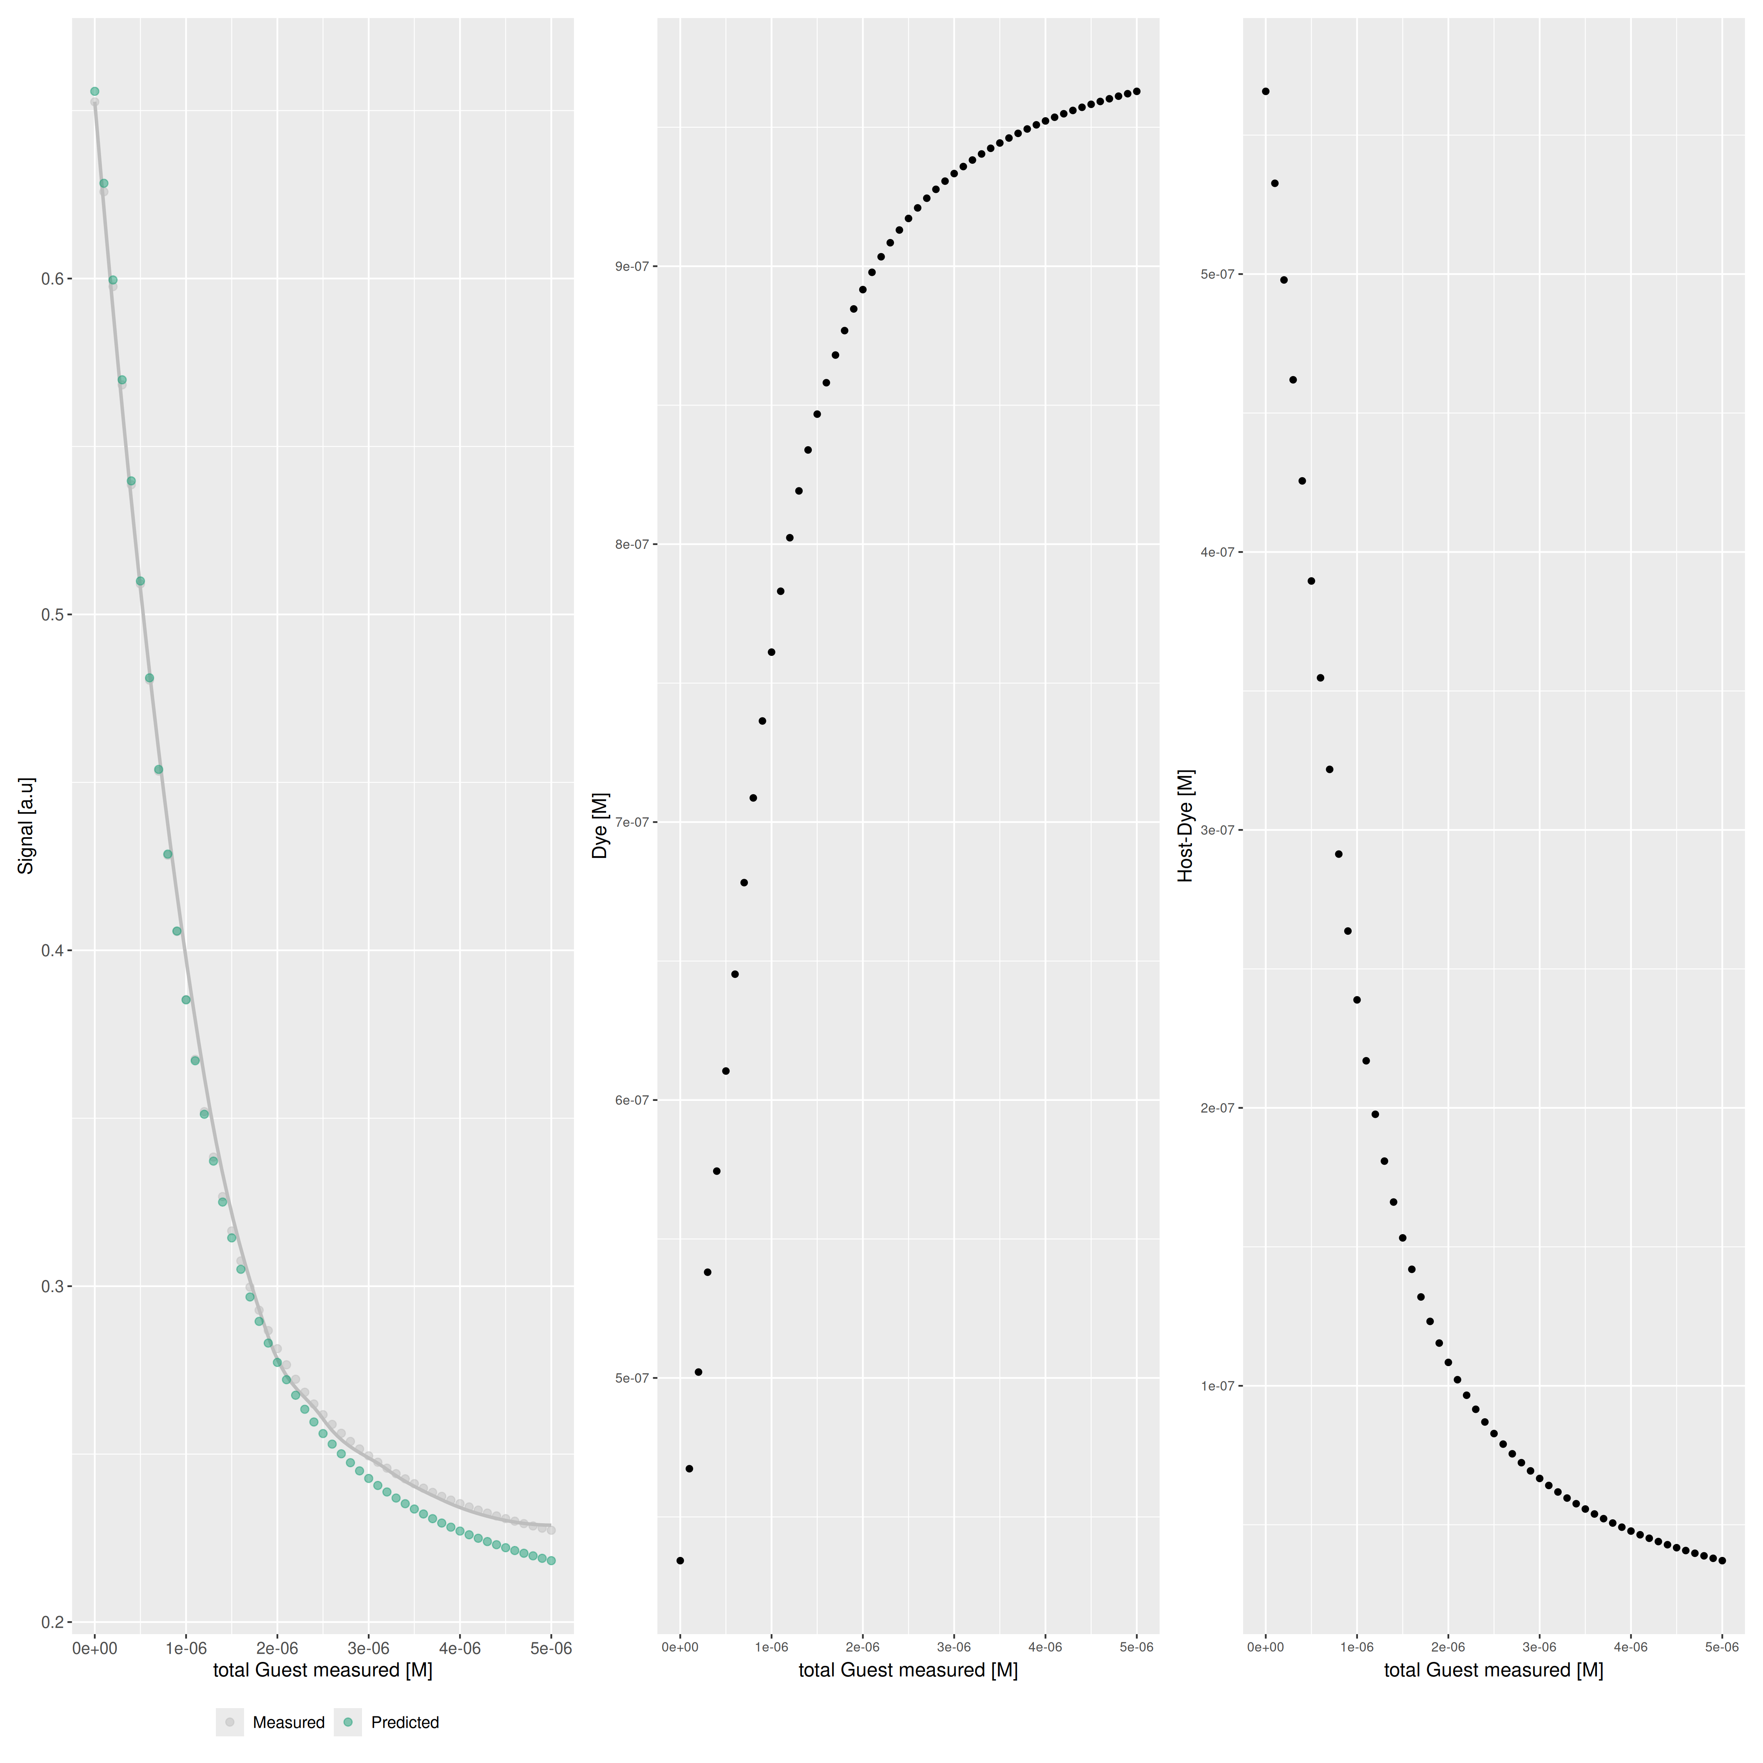

Host..M. | Dye..M. | Ka.HD...1.M. | npop | ngen | topology | seed
0.000001 | 0.000001 | 3000000 | 40 | 1000 | random | 1234

platform | arch | os | system | status | major | minor | year | month | day | svn.rev | language | version.string | nickname
x86_64-pc-linux-gnu | x86_64 | linux-gnu | x86_64, linux-gnu |  | 4 | 3.3 | 2024 | 02 | 29 | 86002 | R | R version 4.3.3 (2024-02-29) | Angel Food Cake

tsf version: 0.1

