Results
Model: GDA

total Dye measured [M] | Signal measured | Signal simulated | free Dye simulated [M] | Host-Dye simulated [M]
0 | 228.443 | 243.99195651 | 5.9013662199E-17 | 9.409863378E-16
4.995E-07 | 1627.786921 | 1757.0987734 | 4.3373284123E-08 | 4.5612671588E-07
9.98004E-07 | 2927.513933 | 3101.4167519 | 1.3663203871E-07 | 8.6137196129E-07
1.495513E-06 | 3995.442539 | 4116.3760516 | 3.2818111176E-07 | 1.1673318882E-06
1.992032E-06 | 4670.517169 | 4721.7625174 | 6.4220609559E-07 | 1.3498259044E-06
2.487562E-06 | 5031.619607 | 5041.2681583 | 1.0414209797E-06 | 1.4461410203E-06
2.982107E-06 | 5234.693753 | 5217.5129636 | 1.4828369057E-06 | 1.4992700943E-06
3.47567E-06 | 5341.393112 | 5324.3206579 | 1.9442026793E-06 | 1.5314673207E-06
3.968254E-06 | 5415.192247 | 5394.6811573 | 2.4155764759E-06 | 1.5526775241E-06
4.459861E-06 | 5482.162607 | 5444.1194077 | 2.8922802935E-06 | 1.5675807065E-06
4.950495E-06 | 5517.788764 | 5480.6055527 | 3.3719155291E-06 | 1.5785794709E-06
5.440158E-06 | 5544.915978 | 5508.574355 | 3.8531473214E-06 | 1.5870106786E-06
5.928854E-06 | 5566.789281 | 5530.6657045 | 4.3351838743E-06 | 1.5936701257E-06
6.416584E-06 | 5571.692629 | 5548.540289 | 4.817525573E-06 | 1.599058427E-06
6.903353E-06 | 5586.171506 | 5563.2917235 | 5.2998477466E-06 | 1.6035052534E-06
7.389163E-06 | 5593.866011 | 5575.6678194 | 5.781926967E-06 | 1.607236033E-06

info | Ka(HG) [M] | I(0) | I(HD) [1/M] | I(D) [1/M]
Opti. results | 1248690.1016 | 243.99195339 | 3317294881.8 | 1E-15
lower boundaries | 10 | 0 | 0 | 0
upper boundaries | 100000000 | 100000000 | 10000000000 | 100000000

MeanSquareError | RootMeanSquareError | MeanAbsoluteError | R2 | R2 adjusted
4525.1972144 | 67.269586102 | 47.954831093 | 0.99889454492 | 0.99881558385

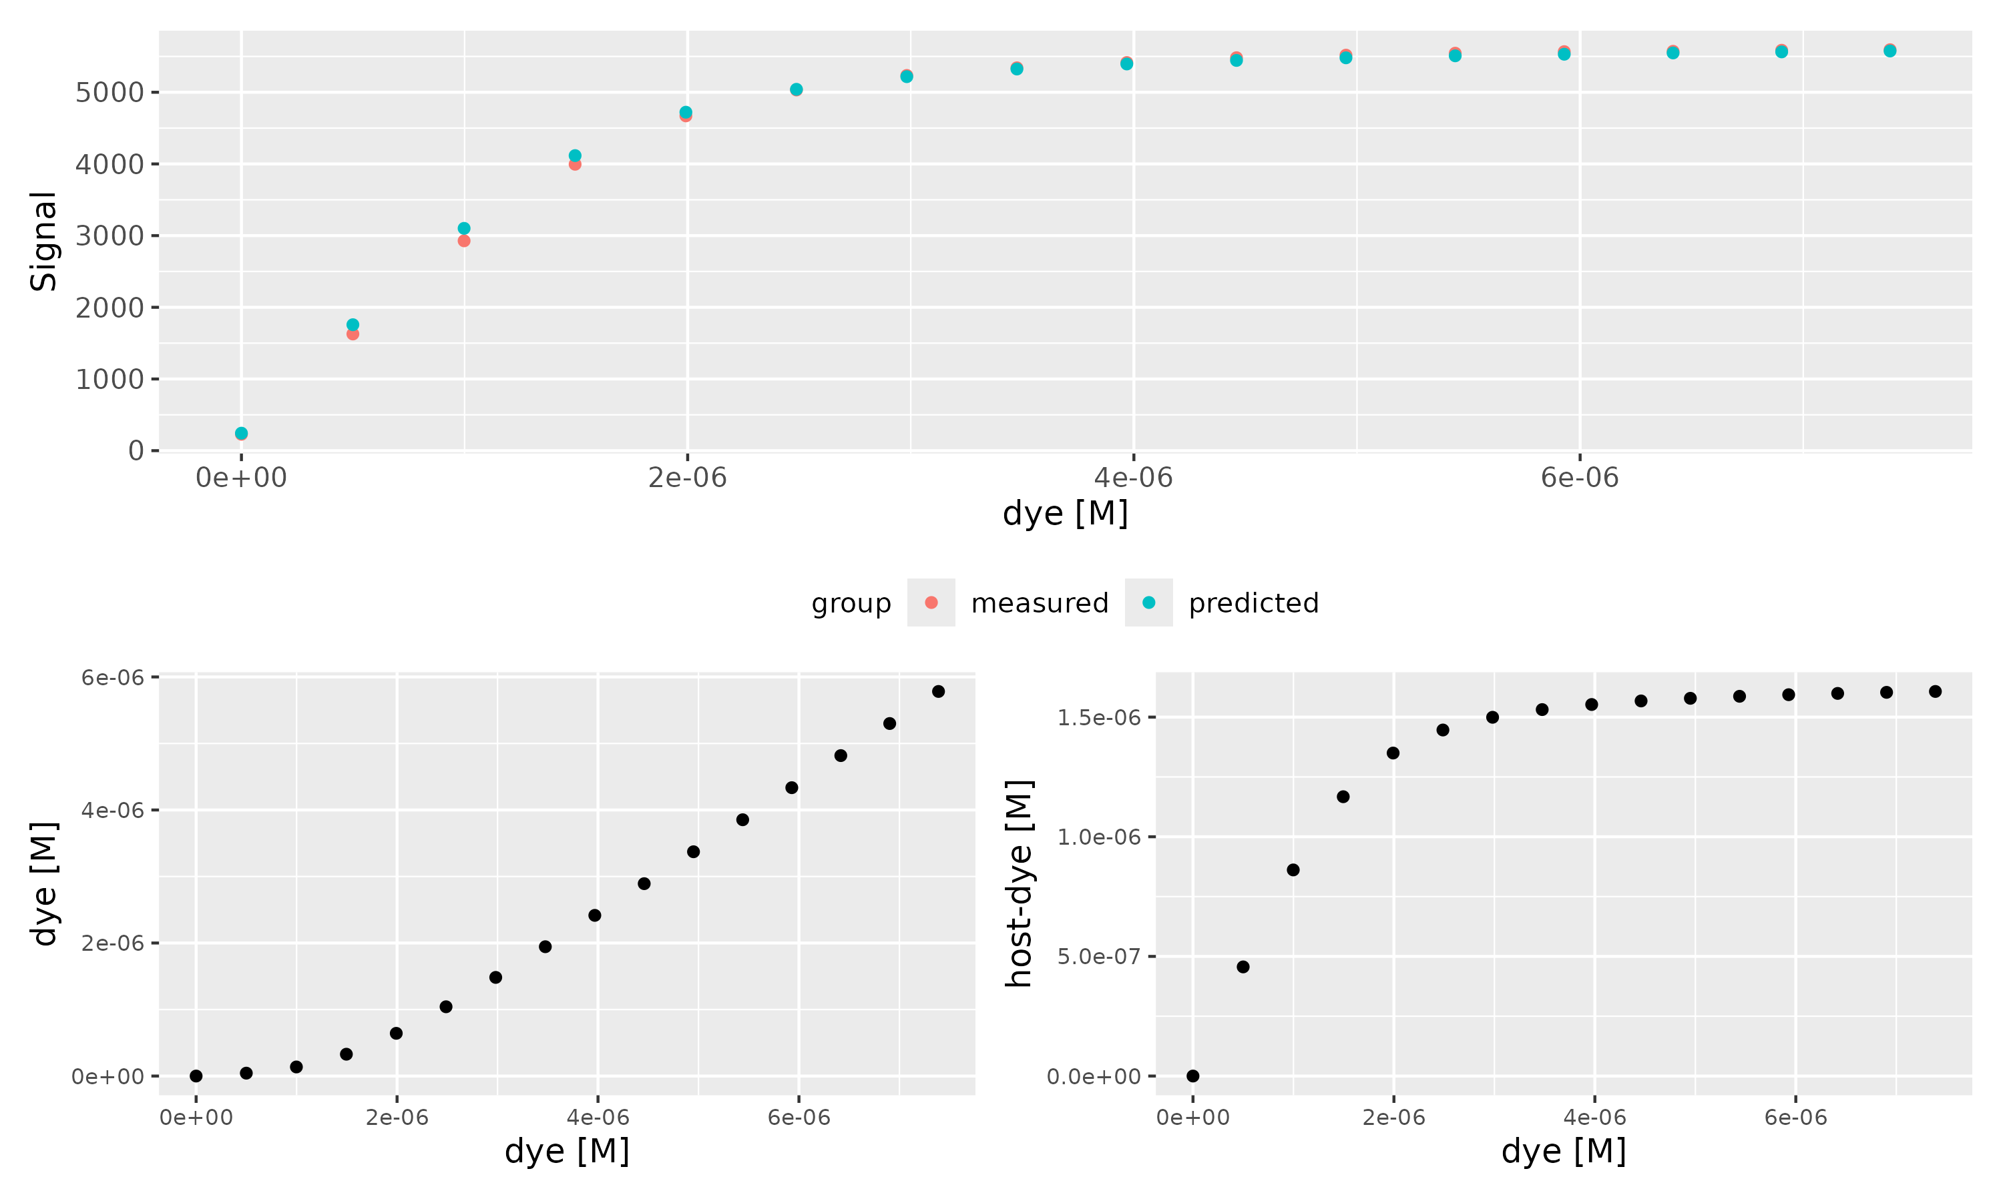

Host [M] | Guest [M] | Ka(HD) [1/M] | npop | ngen | topology | error_threshold | seed
0.00000165 | 0.00000132 | 17000000 | 40 | 300 | random | 0.00001 | 1234

platform | arch | os | system | status | major | minor | year | month | day | svn.rev | language | version.string | nickname
x86_64-pc-linux-gnu | x86_64 | linux-gnu | x86_64, linux-gnu |  | 4 | 4.1 | 2024 | 06 | 14 | 86737 | R | R version 4.4.1 (2024-06-14) | Race for Your Life

tsf version: 0.1

