Results
Model: IDA

total Guest measured [M] | Signal measured | Signal simulated | free Dye simulated [M] | Host-Dye simulated [M]
0 | 0.652593163 | 0.64749371478 | 4.3425854621E-07 | 5.6574145379E-07
0.0000001 | 0.625830834 | 0.62183915037 | 4.6483685696E-07 | 5.3516314304E-07
0.0000002 | 0.59760106 | 0.5953993149 | 4.9635115174E-07 | 5.0364884826E-07
0.0000003 | 0.568336413 | 0.56862717407 | 5.2826152952E-07 | 4.7173847048E-07
0.0000004 | 0.538605992 | 0.54201751179 | 5.5997824507E-07 | 4.4002175493E-07
0.0000005 | 0.509076212 | 0.51605709428 | 5.9092110972E-07 | 4.0907889028E-07
0.0000006 | 0.480442809 | 0.49117547637 | 6.205781264E-07 | 3.794218736E-07
0.0000007 | 0.453345361 | 0.46770795392 | 6.4854964767E-07 | 3.5145035233E-07
0.0000008 | 0.428286524 | 0.44587765986 | 6.7456971587E-07 | 3.2543028413E-07
0.0000009 | 0.40558051 | 0.42579714196 | 6.9850418253E-07 | 3.0149581747E-07
0.000001 | 0.385344585 | 0.40748435208 | 7.2033165037E-07 | 2.7966834963E-07
0.0000011 | 0.367529159 | 0.39088581133 | 7.4011586223E-07 | 2.5988413777E-07
0.0000012 | 0.351968717 | 0.37590056433 | 7.5797714929E-07 | 2.4202285071E-07
0.0000013 | 0.338434288 | 0.36240088253 | 7.7406775439E-07 | 2.2593224561E-07
0.0000014 | 0.3266753 | 0.35024805001 | 7.8855301649E-07 | 2.1144698351E-07
0.0000015 | 0.316447156 | 0.33930321518 | 8.0159843622E-07 | 1.9840156378E-07
0.0000016 | 0.307526286 | 0.32943412405 | 8.1336165038E-07 | 1.8663834962E-07
0.0000017 | 0.299716359 | 0.32051878947 | 8.2398805849E-07 | 1.7601194151E-07
0.0000018 | 0.292849146 | 0.31244706902 | 8.3360894202E-07 | 1.6639105798E-07
0.0000019 | 0.286782597 | 0.30512091994 | 8.4234116057E-07 | 1.5765883943E-07
0.000002 | 0.281397733 | 0.29845388256 | 8.5028776755E-07 | 1.4971223245E-07
0.0000021 | 0.276595271 | 0.29237016244 | 8.5753910426E-07 | 1.4246089574E-07
0.0000022 | 0.272292426 | 0.28680354526 | 8.6417409316E-07 | 1.3582590684E-07
0.0000023 | 0.268420086 | 0.28169628449 | 8.7026156377E-07 | 1.2973843623E-07
0.0000024 | 0.264920412 | 0.27699803973 | 8.7586151806E-07 | 1.2413848194E-07
0.0000025 | 0.261744829 | 0.27266490446 | 8.8102628932E-07 | 1.1897371068E-07
0.0000026 | 0.258852387 | 0.2686585384 | 8.8580157625E-07 | 1.1419842375E-07
0.0000027 | 0.256208419 | 0.26494540603 | 8.9022735071E-07 | 1.0977264929E-07
0.0000028 | 0.253783444 | 0.26149611552 | 8.9433864549E-07 | 1.0566135451E-07
0.0000029 | 0.251552283 | 0.25828484902 | 8.9816623358E-07 | 1.0183376642E-07
0.000003 | 0.249493336 | 0.2552888736 | 9.0173721089E-07 | 9.8262789109E-08
0.0000031 | 0.24758799 | 0.25248812277 | 9.0507549517E-07 | 9.4924504833E-08
0.0000032 | 0.245820143 | 0.24986483868 | 9.0820225246E-07 | 9.1797747542E-08
0.0000033 | 0.244175803 | 0.2474032662 | 9.1113626166E-07 | 8.8863738338E-08
0.0000034 | 0.242642769 | 0.24508939146 | 9.1389422628E-07 | 8.6105773725E-08
0.0000035 | 0.241210354 | 0.24291071787 | 9.1649104129E-07 | 8.3508958711E-08
0.0000036 | 0.23986917 | 0.24085607418 | 9.1894002201E-07 | 8.1059977995E-08
0.0000037 | 0.238610935 | 0.23891544956 | 9.2125310055E-07 | 7.8746899447E-08
0.0000038 | 0.237428323 | 0.23707985179 | 9.23440995E-07 | 7.6559004997E-08
0.0000039 | 0.236314829 | 0.23534118484 | 9.255133552E-07 | 7.4486644801E-08
0.000004 | 0.235264662 | 0.23369214319 | 9.2747888879E-07 | 7.2521111207E-08
0.0000041 | 0.23427265 | 0.23212612017 | 9.2934547042E-07 | 7.0654529582E-08
0.0000042 | 0.23333416 | 0.23063712849 | 9.3112023648E-07 | 6.8879763515E-08
0.0000043 | 0.232445033 | 0.22921973099 | 9.3280966767E-07 | 6.7190332331E-08
0.0000044 | 0.231601522 | 0.2278689803 | 9.3441966087E-07 | 6.5580339132E-08
0.0000045 | 0.230800248 | 0.22658036605 | 9.3595559212E-07 | 6.4044407883E-08
0.0000046 | 0.230038151 | 0.22534976858 | 9.3742237172E-07 | 6.257762828E-08
0.0000047 | 0.229312458 | 0.22417341837 | 9.3882449267E-07 | 6.117550733E-08
0.0000048 | 0.228620648 | 0.22304786024 | 9.4016607328E-07 | 5.9833926721E-08
0.0000049 | 0.227960426 | 0.22196992183 | 9.4145089478E-07 | 5.8549105219E-08
0.000005 | 0.227329698 | 0.22093668565 | 9.4268243457E-07 | 5.7317565427E-08

info | Ka(HG) [1/M] | I(0) | I(HD) [1/M] | I(D) [1/M]
Opti. results | 11161490.815 | 1E-15 | 1011827.57 | 172848.44474
lower boundaries | 10 | 0 | 0 | 0
upper boundaries | 100000000 | 100000000 | 100000000 | 100000000

MeanSquareError | RootMeanSquareError | MeanAbsoluteError | R2 | R2 adjusted
0.00015329321326 | 0.012381163647 | 0.0096482269192 | 0.99279632246 | 0.99264930864

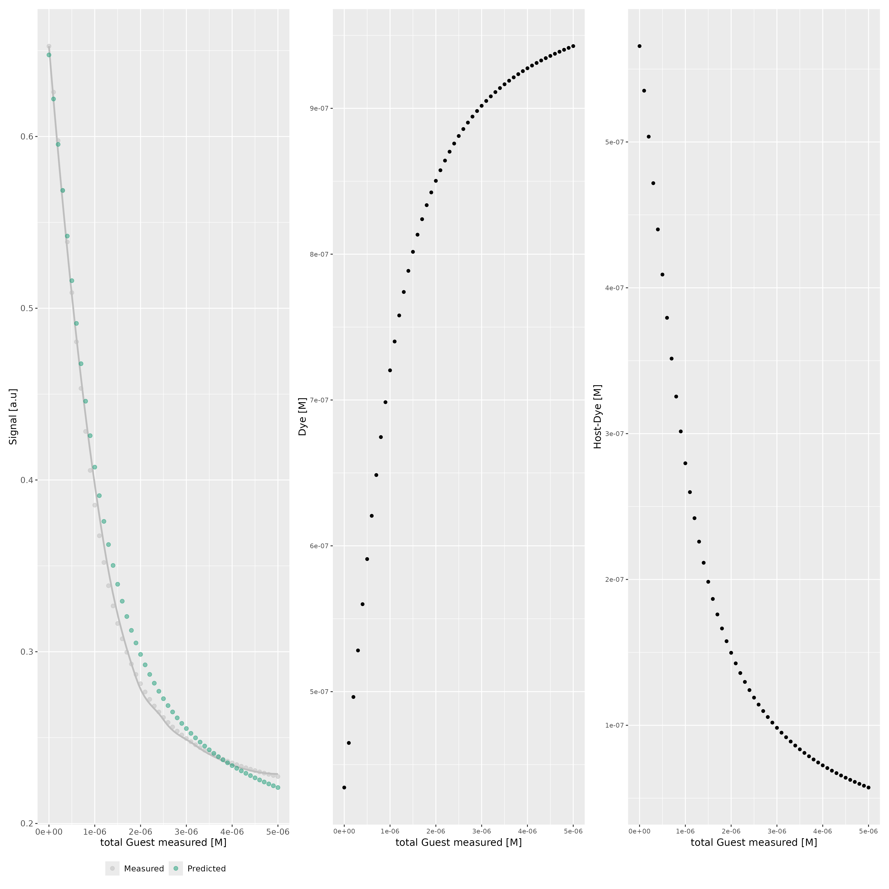

Host..M. | Dye..M. | Ka.HD...1.M. | npop | ngen | topology | seed
0.000001 | 0.000001 | 3000000 | 40 | 10000 | random | 1234

platform | arch | os | system | status | major | minor | year | month | day | svn.rev | language | version.string | nickname
x86_64-pc-linux-gnu | x86_64 | linux-gnu | x86_64, linux-gnu |  | 4 | 4.1 | 2024 | 06 | 14 | 86737 | R | R version 4.4.1 (2024-06-14) | Race for Your Life

tsf version: 0.1

