Results
Model: IDA

total Guest measured [M] | Signal measured | Signal simulated | free Dye simulated [M] | Host-Dye simulated [M] | repetition | dataset
0 | 0.652593163 | 0.65889022502 | 4.3425854624E-07 | 5.6574145376E-07 | 1 | 1
0.0000001 | 0.625830834 | 0.6317527199 | 4.6784049287E-07 | 5.3215950713E-07 | 1 | 1
0.0000002 | 0.59760106 | 0.60309421719 | 5.0330463387E-07 | 4.9669536613E-07 | 1 | 1
0.0000003 | 0.568336413 | 0.57334808255 | 5.401146907E-07 | 4.598853093E-07 | 1 | 1
0.0000004 | 0.538605992 | 0.54309052451 | 5.775576205E-07 | 4.224423795E-07 | 1 | 1
0.0000005 | 0.509076212 | 0.51300297076 | 6.1479017447E-07 | 3.8520982553E-07 | 1 | 1
0.0000006 | 0.480442809 | 0.48380381315 | 6.5092336165E-07 | 3.4907663835E-07 | 1 | 1
0.0000007 | 0.453345361 | 0.45615992939 | 6.8513193848E-07 | 3.1486806152E-07 | 1 | 1
0.0000008 | 0.428286524 | 0.43060054519 | 7.1676100211E-07 | 2.8323899789E-07 | 1 | 1
0.0000009 | 0.40558051 | 0.40746002429 | 7.4539678621E-07 | 2.5460321379E-07 | 1 | 1
0.000001 | 0.385344585 | 0.38686591071 | 7.7088145843E-07 | 2.2911854157E-07 | 1 | 1
0.0000011 | 0.367529159 | 0.36876900653 | 7.9327589991E-07 | 2.0672410009E-07 | 1 | 1
0.0000012 | 0.351968717 | 0.35299691168 | 8.1279345117E-07 | 1.8720654883E-07 | 1 | 1
0.0000013 | 0.338434288 | 0.33930995064 | 8.2973070436E-07 | 1.7026929564E-07 | 1 | 1
0.0000014 | 0.3266753 | 0.3274459116 | 8.4441213966E-07 | 1.5558786034E-07 | 1 | 1
0.0000015 | 0.316447156 | 0.31714941027 | 8.5715378841E-07 | 1.4284621159E-07 | 1 | 1
0.0000016 | 0.307526286 | 0.30818775257 | 8.6824360338E-07 | 1.3175639662E-07 | 1 | 1
0.0000017 | 0.299716359 | 0.30035731524 | 8.7793356298E-07 | 1.2206643702E-07 | 1 | 1
0.0000018 | 0.292849146 | 0.29348424978 | 8.8643880016E-07 | 1.1356119984E-07 | 1 | 1
0.0000019 | 0.286782597 | 0.28742227349 | 8.9394033589E-07 | 1.0605966411E-07 | 1 | 1
0.000002 | 0.281397733 | 0.28204926991 | 9.0058928606E-07 | 9.9410713939E-08 | 1 | 1
0.0000021 | 0.276595271 | 0.27726365233 | 9.0651136157E-07 | 9.3488638435E-08 | 1 | 1
0.0000022 | 0.272292426 | 0.2729809573 | 9.1181108368E-07 | 8.8188916325E-08 | 1 | 1
0.0000023 | 0.268420086 | 0.26913085685 | 9.165754814E-07 | 8.3424518599E-08 | 1 | 1
0.0000024 | 0.264920412 | 0.26565463173 | 9.2087721827E-07 | 7.9122781726E-08 | 1 | 1
0.0000025 | 0.261744829 | 0.26250307912 | 9.2477718148E-07 | 7.5222818518E-08 | 1 | 1
0.0000026 | 0.258852387 | 0.2596348009 | 9.283266001E-07 | 7.1673399899E-08 | 1 | 1
0.0000027 | 0.256208419 | 0.25701481223 | 9.3156876697E-07 | 6.8431233032E-08 | 1 | 1
0.0000028 | 0.253783444 | 0.25461341357 | 9.3454043445E-07 | 6.545956555E-08 | 1 | 1
0.0000029 | 0.251552283 | 0.2524052768 | 9.3727294544E-07 | 6.2727054559E-08 | 1 | 1
0.000003 | 0.249493336 | 0.25036870367 | 9.3979315096E-07 | 6.0206849038E-08 | 1 | 1
0.0000031 | 0.24758799 | 0.24848502277 | 9.4212415638E-07 | 5.7875843623E-08 | 1 | 1
0.0000032 | 0.245820143 | 0.24673809767 | 9.4428593011E-07 | 5.5714069893E-08 | 1 | 1
0.0000033 | 0.244175803 | 0.24511392418 | 9.4629580194E-07 | 5.3704198059E-08 | 1 | 1
0.0000034 | 0.242642769 | 0.24360029949 | 9.4816887256E-07 | 5.1831127437E-08 | 1 | 1
0.0000035 | 0.241210354 | 0.24218654902 | 9.4991835147E-07 | 5.0081648532E-08 | 1 | 1
0.0000036 | 0.23986917 | 0.24086330023 | 9.5155583694E-07 | 4.8444163055E-08 | 1 | 1
0.0000037 | 0.238610935 | 0.23962229431 | 9.5309154903E-07 | 4.6908450972E-08 | 1 | 1
0.0000038 | 0.237428323 | 0.23845622897 | 9.5453452412E-07 | 4.5465475883E-08 | 1 | 1
0.0000039 | 0.236314829 | 0.23735862648 | 9.5589277824E-07 | 4.410722176E-08 | 1 | 1
0.000004 | 0.235264662 | 0.23632372254 | 9.5717344456E-07 | 4.2826555441E-08 | 1 | 1
0.0000041 | 0.23427265 | 0.23534637235 | 9.5838288964E-07 | 4.1617110363E-08 | 1 | 1
0.0000042 | 0.23333416 | 0.23442197084 | 9.5952681212E-07 | 4.0473187881E-08 | 1 | 1
0.0000043 | 0.232445033 | 0.23354638476 | 9.606103268E-07 | 3.9389673201E-08 | 1 | 1
0.0000044 | 0.231601522 | 0.23271589457 | 9.6163803649E-07 | 3.8361963509E-08 | 1 | 1
0.0000045 | 0.230800248 | 0.23192714466 | 9.626140937E-07 | 3.7385906304E-08 | 1 | 1
0.0000046 | 0.230038151 | 0.2311771004 | 9.6354225368E-07 | 3.6457746325E-08 | 1 | 1
0.0000047 | 0.229312458 | 0.23046301115 | 9.6442592029E-07 | 3.557407971E-08 | 1 | 1
0.0000048 | 0.228620648 | 0.22978237812 | 9.6526818571E-07 | 3.4731814289E-08 | 1 | 1
0.0000049 | 0.227960426 | 0.22913292652 | 9.6607186492E-07 | 3.3928135077E-08 | 1 | 1
0.000006 | 0.227329698 | 0.22356051005 | 9.7296758329E-07 | 2.7032416712E-08 | 1 | 1

Ka(HG) [1/M] | I(0) | I(HD) [1/M] | I(D) [1/M] | repetition | dataset
20661815.024 | 0.01217017098 | 997643.5325 | 189545.49621 | 1 | 1

Ka(HG) [1/M] | I(0) | I(HD) [1/M] | I(D) [1/M] | info
10 | 0 | 0 | 0 | Lower bounds
100000000 | 100000000 | 100000000 | 100000000 | Upper bounds

MeanSquareError | RootMeanSquareError | MeanAbsoluteError | R2 | R2 adjusted | repetition | dataset
4.7798337796E-06 | 0.0021862830969 | 0.0016136914678 | 0.99995375596 | 0.9999528122 | 1 | 1

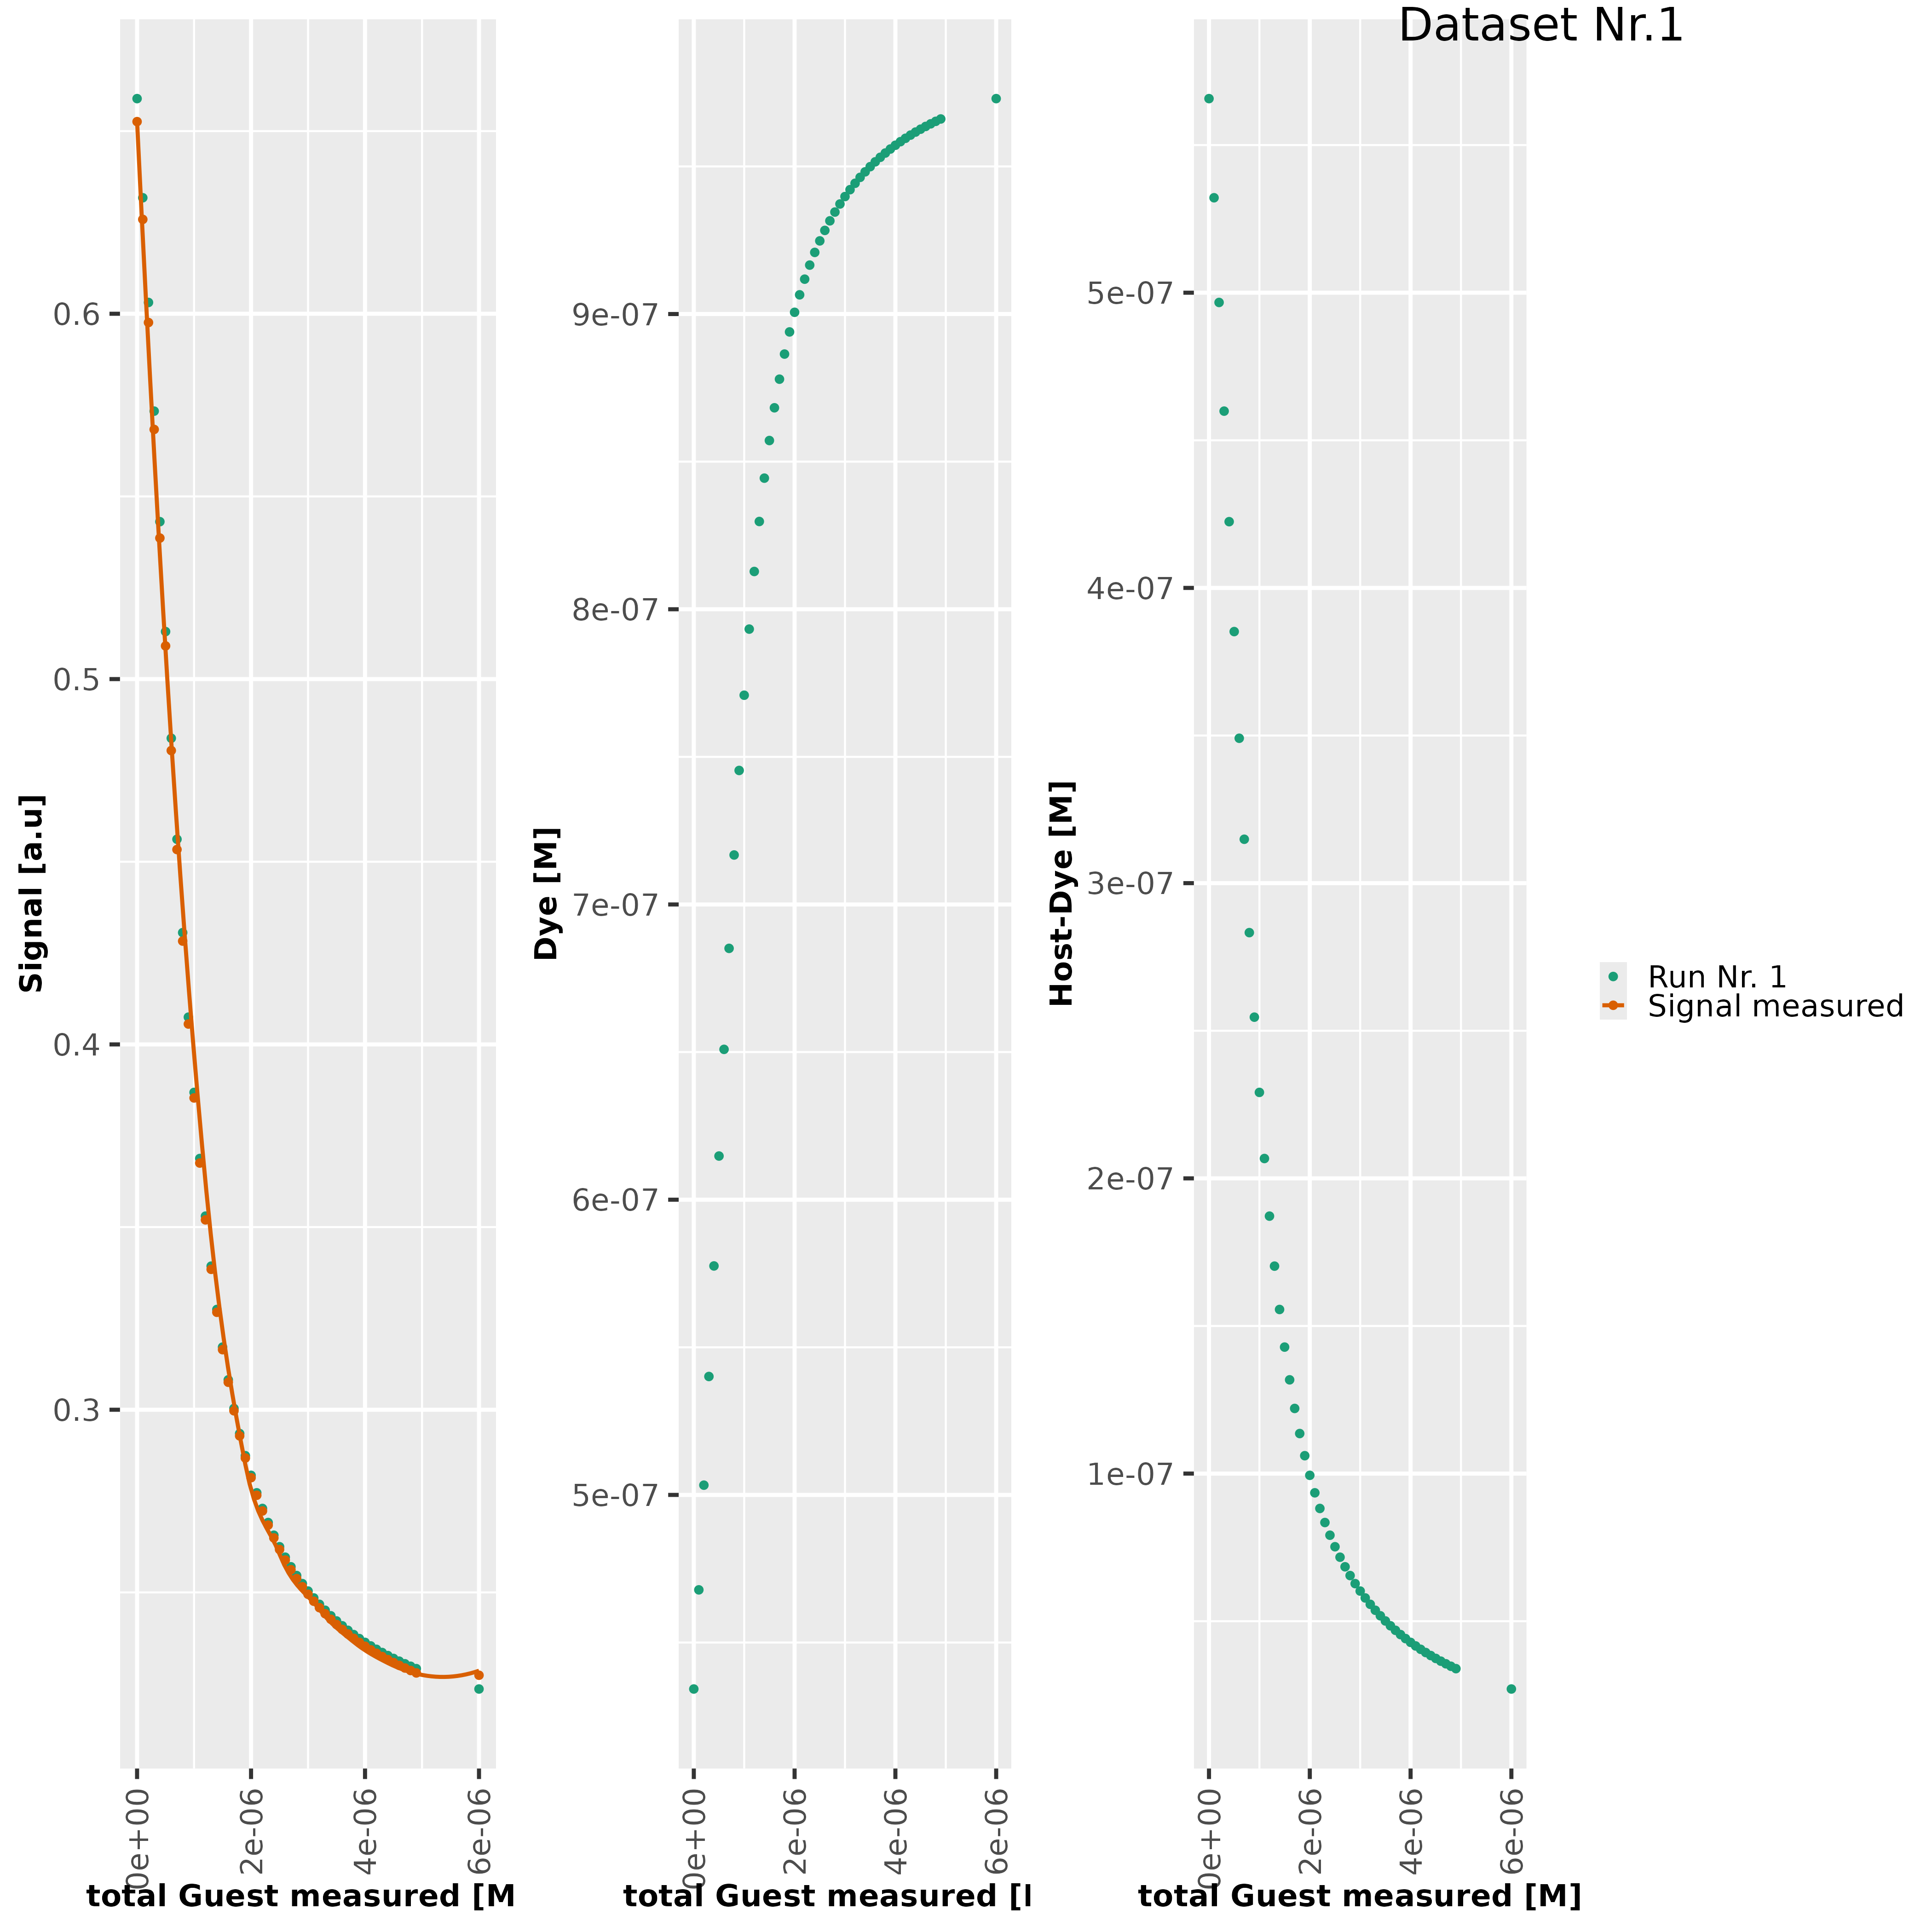

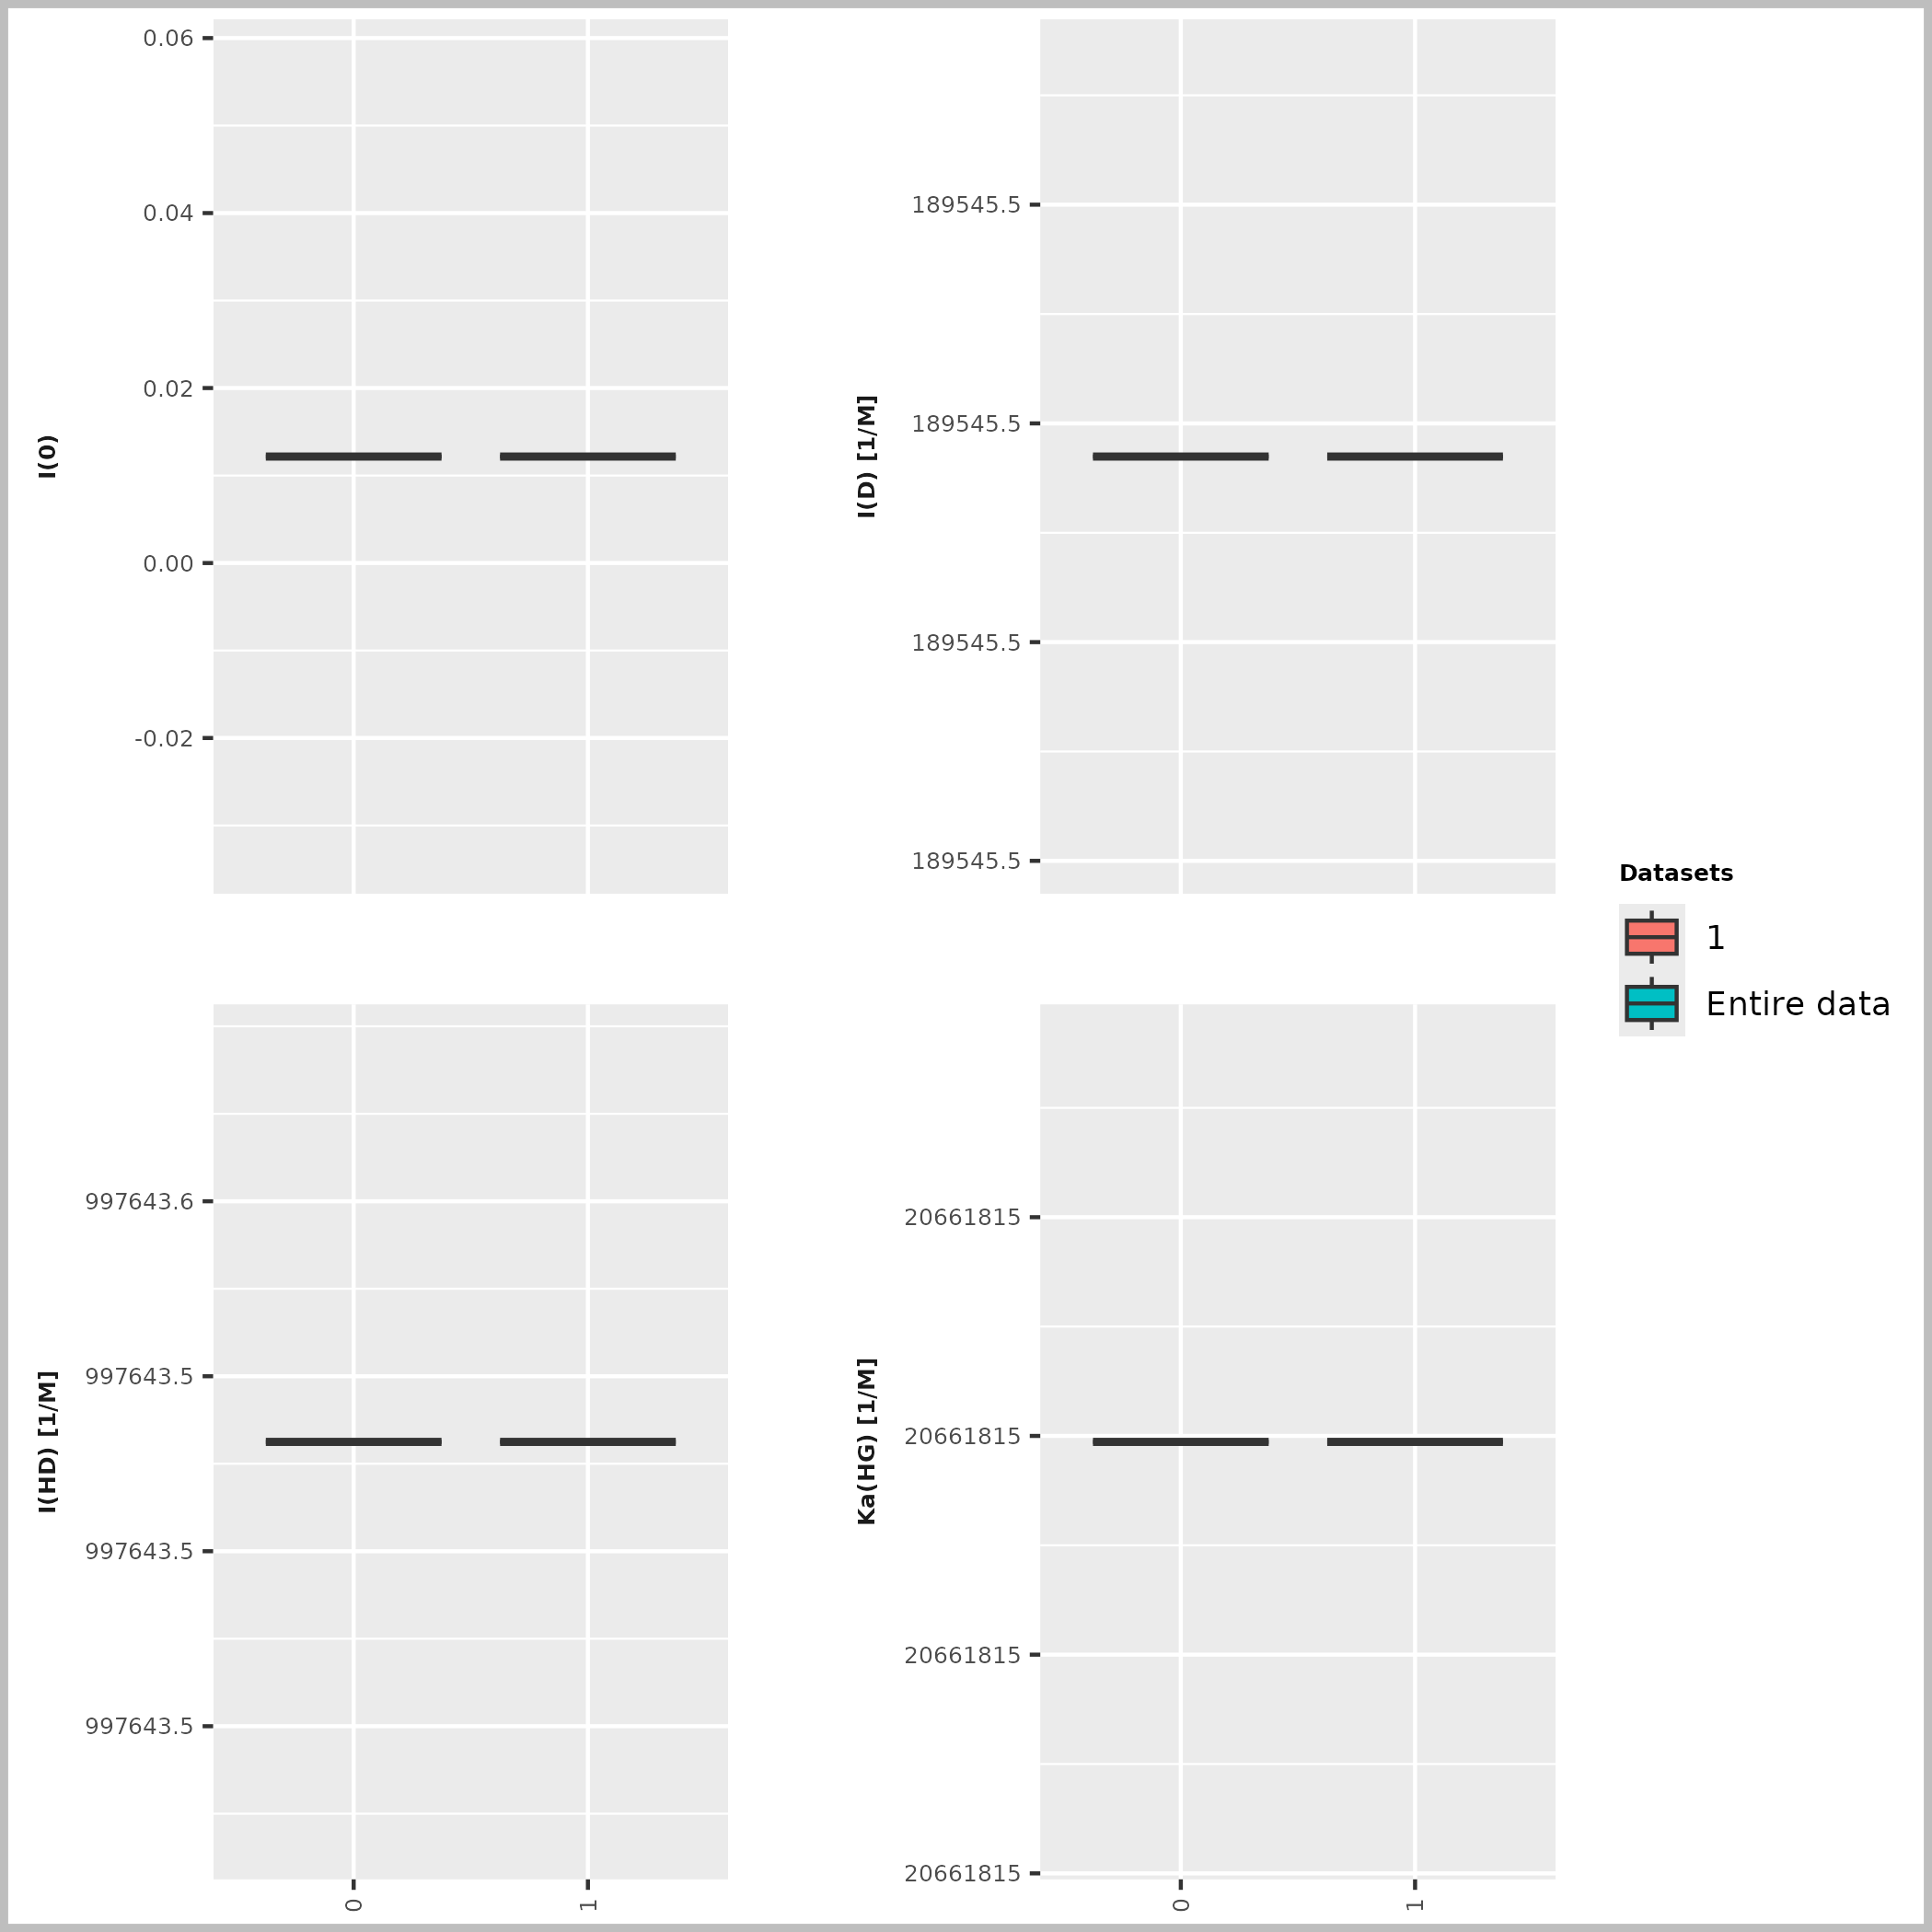

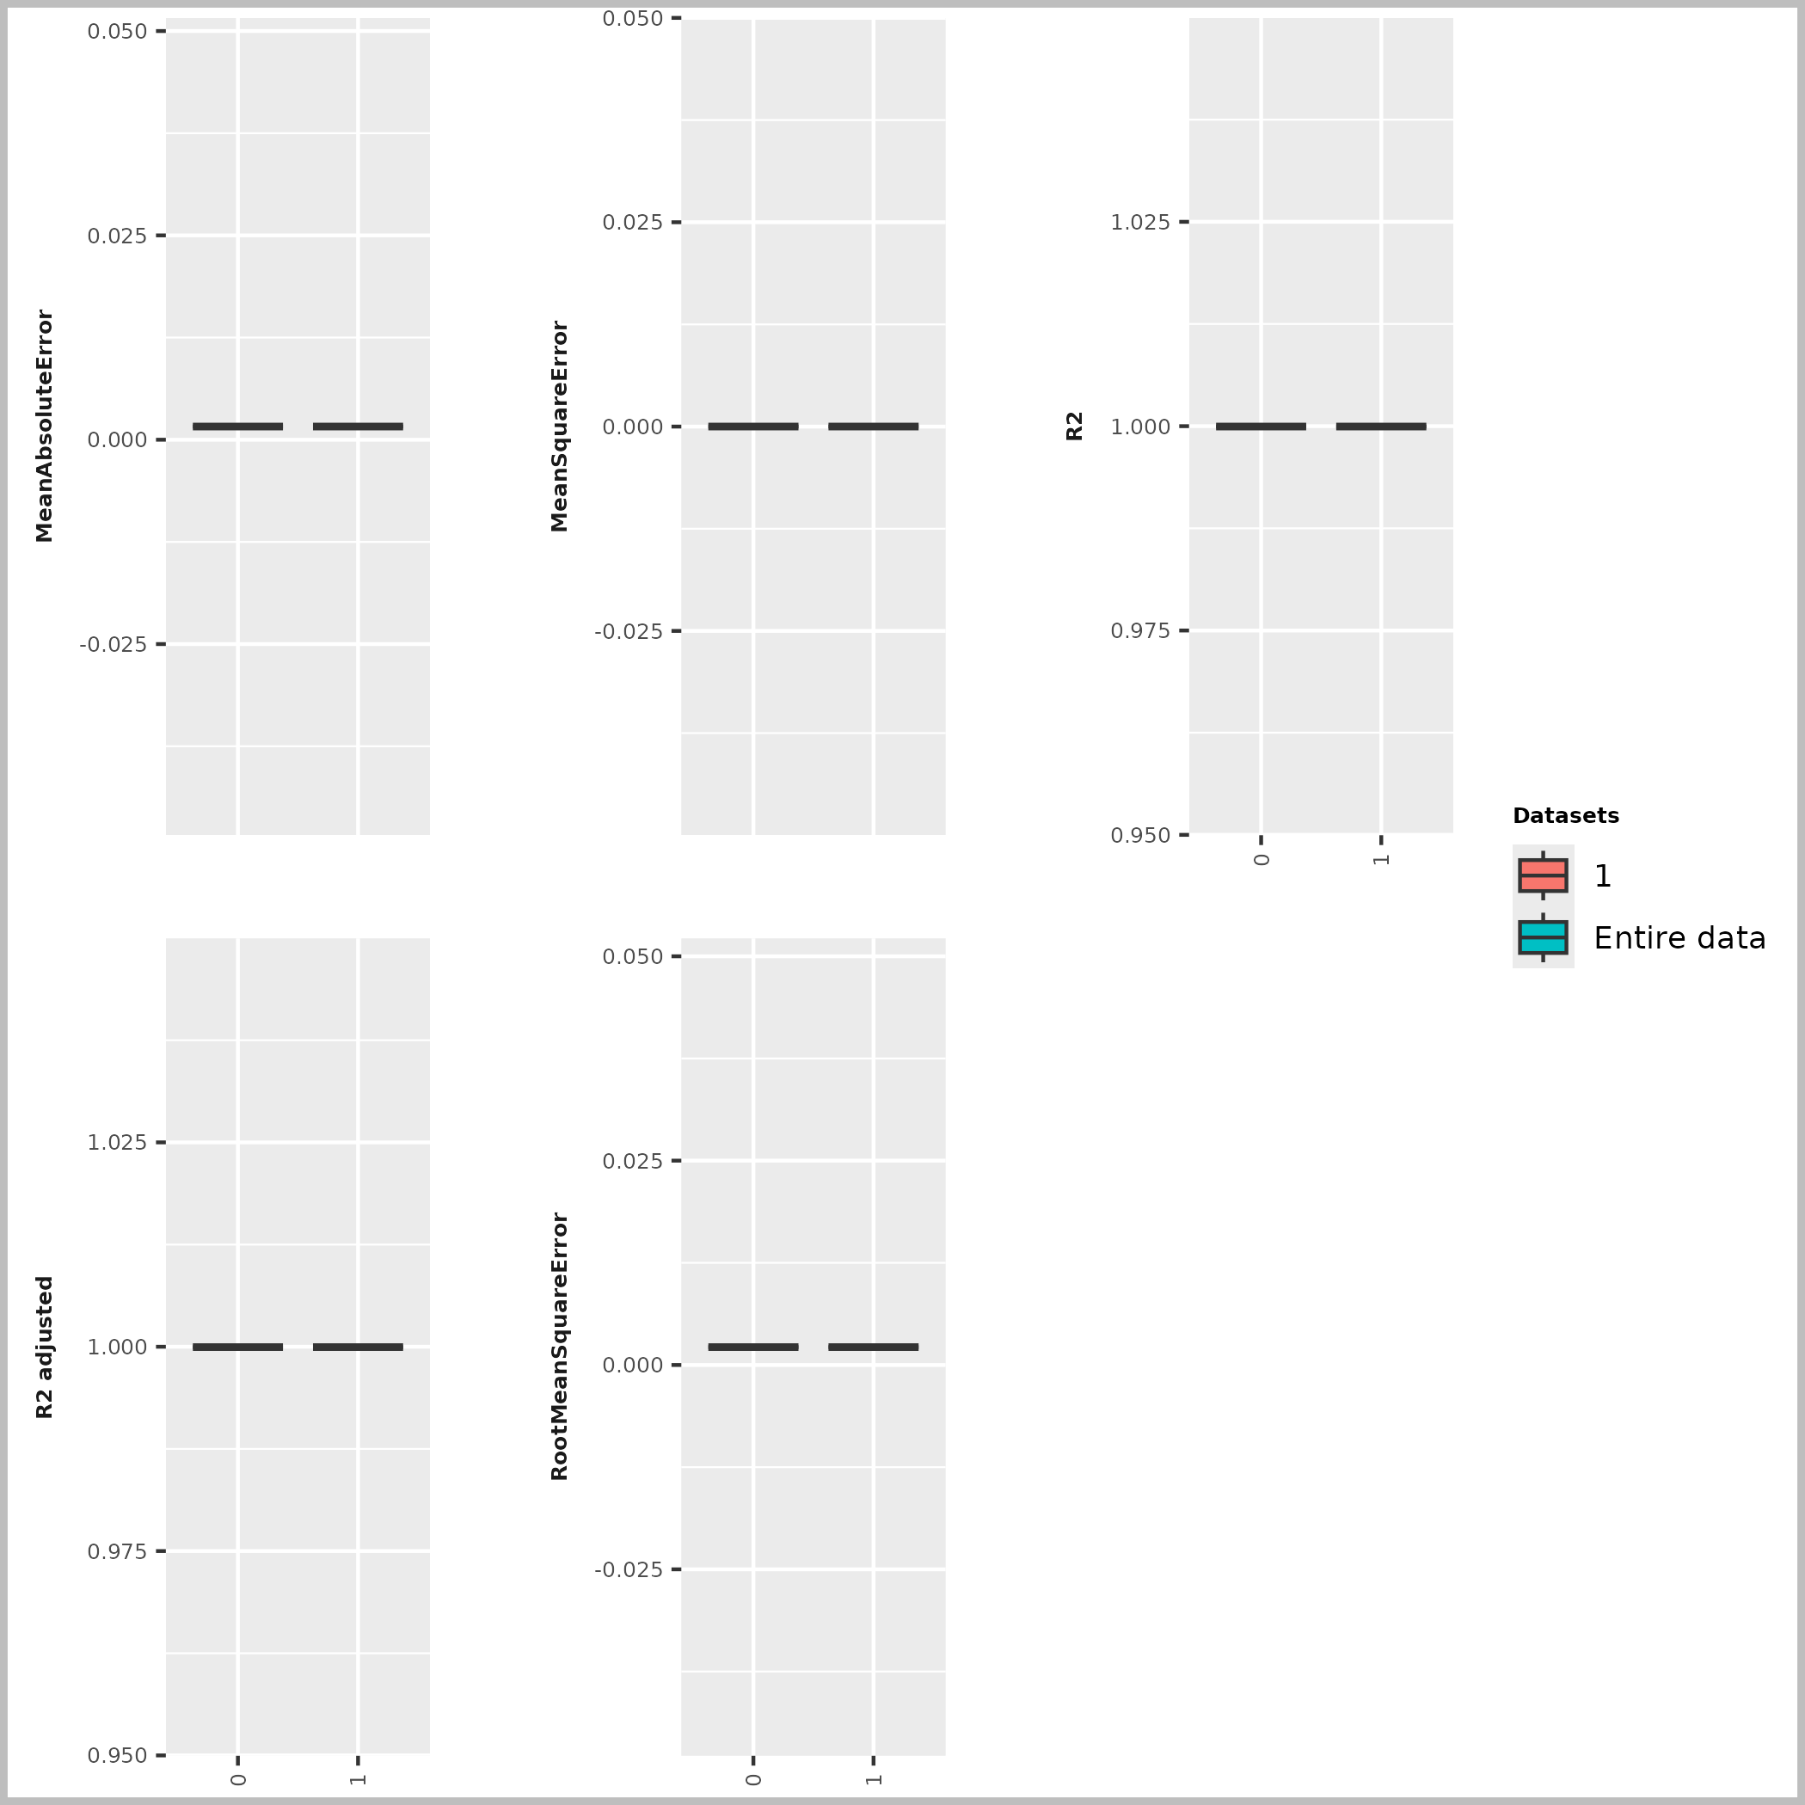

Host [M] | Dye [M] | Ka(HD) [1/M] | npop | ngen | Topology
0.000001 | 0.000001 | 3000000 | 40 | 10000 | random

Seeds
1234

platform | arch | os | system | status | major | minor | year | month | day | svn.rev | language | version.string | nickname
x86_64-pc-linux-gnu | x86_64 | linux-gnu | x86_64, linux-gnu |  | 4 | 4.1 | 2024 | 06 | 14 | 86737 | R | R version 4.4.1 (2024-06-14) | Race for Your Life

tsf version: 0.1

