Results
Model: DBA dye const

Host measured [M] | Signal measured | Signal simulated | Dye simulated [M] | Host-Dye simulated [M]
0 | 191.617 | 140.6533097 | 0.000151 | 2.58604762E-16
0.0000299 | 329.377 | 280.94217978 | 0.00014355405251 | 7.4459474916E-06
0.0000596 | 456.502 | 410.14053035 | 0.00013669674349 | 1.4303256513E-05
0.0000892 | 563.799 | 529.60163628 | 0.00013035624676 | 2.0643753243E-05
0.0001186 | 660.444 | 639.78034065 | 0.00012450842115 | 2.6491578855E-05
0.0001478 | 757.396 | 741.51369941 | 0.00011910883922 | 3.1891160782E-05
0.0001768 | 848.741 | 835.5691973 | 0.00011411676609 | 3.688323391E-05
0.0002057 | 930.98 | 922.93861402 | 0.00010947956223 | 4.1520437766E-05
0.0002344 | 1002.76 | 1003.9269858 | 0.0001051810376 | 4.5818962396E-05
0.0002629 | 1068.74 | 1079.1143691 | 0.00010119040522 | 4.9809594782E-05
0.0002913 | 1134.67 | 1149.2634955 | 9.7467182474E-05 | 5.3532817526E-05
0.0003195 | 1197.17 | 1214.5778403 | 9.4000569751E-05 | 5.6999430249E-05
0.0003475 | 1258.28 | 1275.4860915 | 9.0767814081E-05 | 6.0232185919E-05
0.0003754 | 1305.8 | 1332.5724872 | 8.7737906545E-05 | 6.3262093455E-05
0.0004031 | 1350.94 | 1385.9628504 | 8.4904168981E-05 | 6.6095831019E-05
0.0004306 | 1399.46 | 1435.9722632 | 8.2249878148E-05 | 6.8750121852E-05
0.000458 | 1443.99 | 1483.0514492 | 7.9751111519E-05 | 7.1248888481E-05
0.0004853 | 1481.91 | 1527.4293187 | 7.7395719492E-05 | 7.3604280508E-05
0.0005123 | 1517.06 | 1569.0138392 | 7.5188586766E-05 | 7.5811413234E-05
0.0005393 | 1552.84 | 1608.466607 | 7.3094598575E-05 | 7.7905401425E-05
0.000566 | 1587.67 | 1645.5290062 | 7.1127481168E-05 | 7.9872518832E-05
0.0005927 | 1620.74 | 1680.7816474 | 6.9256418157E-05 | 8.1743581843E-05
0.0006191 | 1650.94 | 1713.9766685 | 6.7494565034E-05 | 8.3505434966E-05
0.0006455 | 1678.48 | 1745.6270202 | 6.5814696508E-05 | 8.5185303492E-05
0.0006716 | 1707.31 | 1775.4959047 | 6.422938083E-05 | 8.677061917E-05
0.0006977 | 1732.3 | 1804.0394461 | 6.271440883E-05 | 8.828559117E-05
0.0007236 | 1757.55 | 1831.1342905 | 6.1276327615E-05 | 8.9723672385E-05
0.0007493 | 1785.77 | 1856.8814959 | 5.9909773447E-05 | 9.1090226553E-05
0.0007749 | 1808.87 | 1881.467377 | 5.8604857528E-05 | 9.2395142472E-05
0.0008004 | 1829.44 | 1904.9650092 | 5.7357701319E-05 | 9.3642298681E-05
0.0008257 | 1853.23 | 1927.3549903 | 5.6169334607E-05 | 9.4830665393E-05

info | Ka(DBA) [M] | I(0) | I(HD) [1/M] | I(D) [1/M]
Opti. results | 2309.9882898 | 1E-15 | 19772448.438 | 931478.87217
lower boundaries | 10 | 0 | 0 | 0
upper boundaries | 100000000 | 100000000 | 100000000 | 100000000

MeanSquareError | RootMeanSquareError | MeanAbsoluteError | R2 | R2 adjusted
2417.4076054 | 49.167139487 | 43.351191783 | 0.99992731134 | 0.99992480483

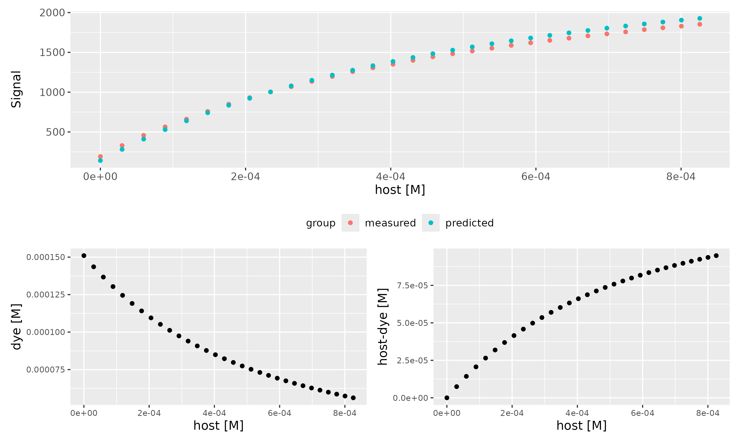

Dye [M] | npop | ngen | topology | error_threshold | seed
0.000151 | 40 | 300 | random | 0.00001 | 1234

platform | arch | os | system | status | major | minor | year | month | day | svn.rev | language | version.string | nickname
x86_64-pc-linux-gnu | x86_64 | linux-gnu | x86_64, linux-gnu |  | 4 | 4.1 | 2024 | 06 | 14 | 86737 | R | R version 4.4.1 (2024-06-14) | Race for Your Life

tsf version: 0.1

