Results
Model: DBA host const

total Dye measured [M] | Signal measured | Signal simulated | free Dye simulated [M] | Host-Dye simulated [M]
0 | 191.617 | 185.57844705 | 2.0698400231E-19 | 9.99793016E-16
0.0000299 | 329.377 | 327.23658668 | 7.7159768393E-09 | 2.9892284023E-05
0.0000596 | 456.502 | 467.93129256 | 2.037316104E-08 | 5.9579626839E-05
0.0000892 | 563.799 | 608.11384628 | 4.5065475801E-08 | 8.9154934524E-05
0.0001186 | 660.444 | 747.20815966 | 1.1392043124E-07 | 0.00011848607957
0.0001478 | 757.396 | 882.52084618 | 1.0733555107E-06 | 0.00014672664449
0.0001768 | 848.741 | 940.67870203 | 2.5981465762E-05 | 0.00015081853424
0.0002057 | 930.98 | 985.96352971 | 5.4786111739E-05 | 0.00015091388826
0.0002344 | 1002.76 | 1030.7277408 | 8.3456540228E-05 | 0.00015094345977
0.0002629 | 1068.74 | 1075.1323324 | 0.00011194215661 | 0.00015095784339
0.0002913 | 1134.67 | 1119.3626427 | 0.00014033362963 | 0.00015096637037
0.0003195 | 1197.17 | 1163.272429 | 0.00016852800451 | 0.00015097199549
0.0003475 | 1258.28 | 1206.8657182 | 0.00019652401573 | 0.00015097598427
0.0003754 | 1305.8 | 1250.3001681 | 0.00022442103084 | 0.00015097896916
0.0004031 | 1350.94 | 1293.4211808 | 0.00025211872068 | 0.00015098127932
0.0004306 | 1399.46 | 1336.2294102 | 0.00027961687985 | 0.00015098312015
0.000458 | 1443.99 | 1378.8809298 | 0.00030701537362 | 0.00015098462638
0.0004853 | 1481.91 | 1421.3760058 | 0.00033431411839 | 0.00015098588161
0.0005123 | 1517.06 | 1463.4035093 | 0.00036131306349 | 0.00015098693651
0.0005393 | 1552.84 | 1505.430546 | 0.00038831215527 | 0.00015098784473
0.000566 | 1587.67 | 1546.990246 | 0.00041501137334 | 0.00015098862666
0.0005927 | 1620.74 | 1588.5496451 | 0.00044171068592 | 0.00015098931408
0.0006191 | 1650.94 | 1629.6418395 | 0.00046811008332 | 0.00015098991668
0.0006455 | 1678.48 | 1670.7338291 | 0.00049450954506 | 0.00015099045494
0.0006716 | 1707.31 | 1711.3586935 | 0.00052060906656 | 0.00015099093344
0.0006977 | 1732.3 | 1751.9834125 | 0.00054670863376 | 0.00015099136624
0.0007236 | 1757.55 | 1792.296707 | 0.00057260824327 | 0.00015099175673
0.0007493 | 1785.77 | 1832.2985955 | 0.0005983078892 | 0.0001509921108
0.0007749 | 1808.87 | 1872.1447424 | 0.00062390756552 | 0.00015099243448
0.0008004 | 1829.44 | 1911.8351595 | 0.00064940726846 | 0.00015099273154
0.0008257 | 1853.23 | 1951.2142087 | 0.00067470699593 | 0.00015099300407

info | Ka(HD) [M] | I(0) | I(HD) [1/M] | I(D) [1/M]
Opti. results | 31988683.799 | 185.57844705 | 4738551.5937 | 1556449.8781
lower boundaries | 10 | 0 | 0 | 0
upper boundaries | 100000000 | 100000000 | 100000000 | 100000000

MeanSquareError | RootMeanSquareError | MeanAbsoluteError | R2 | R2 adjusted
2981.8256312 | 54.606095184 | 45.524091465 | 0.98678100025 | 0.98632517268

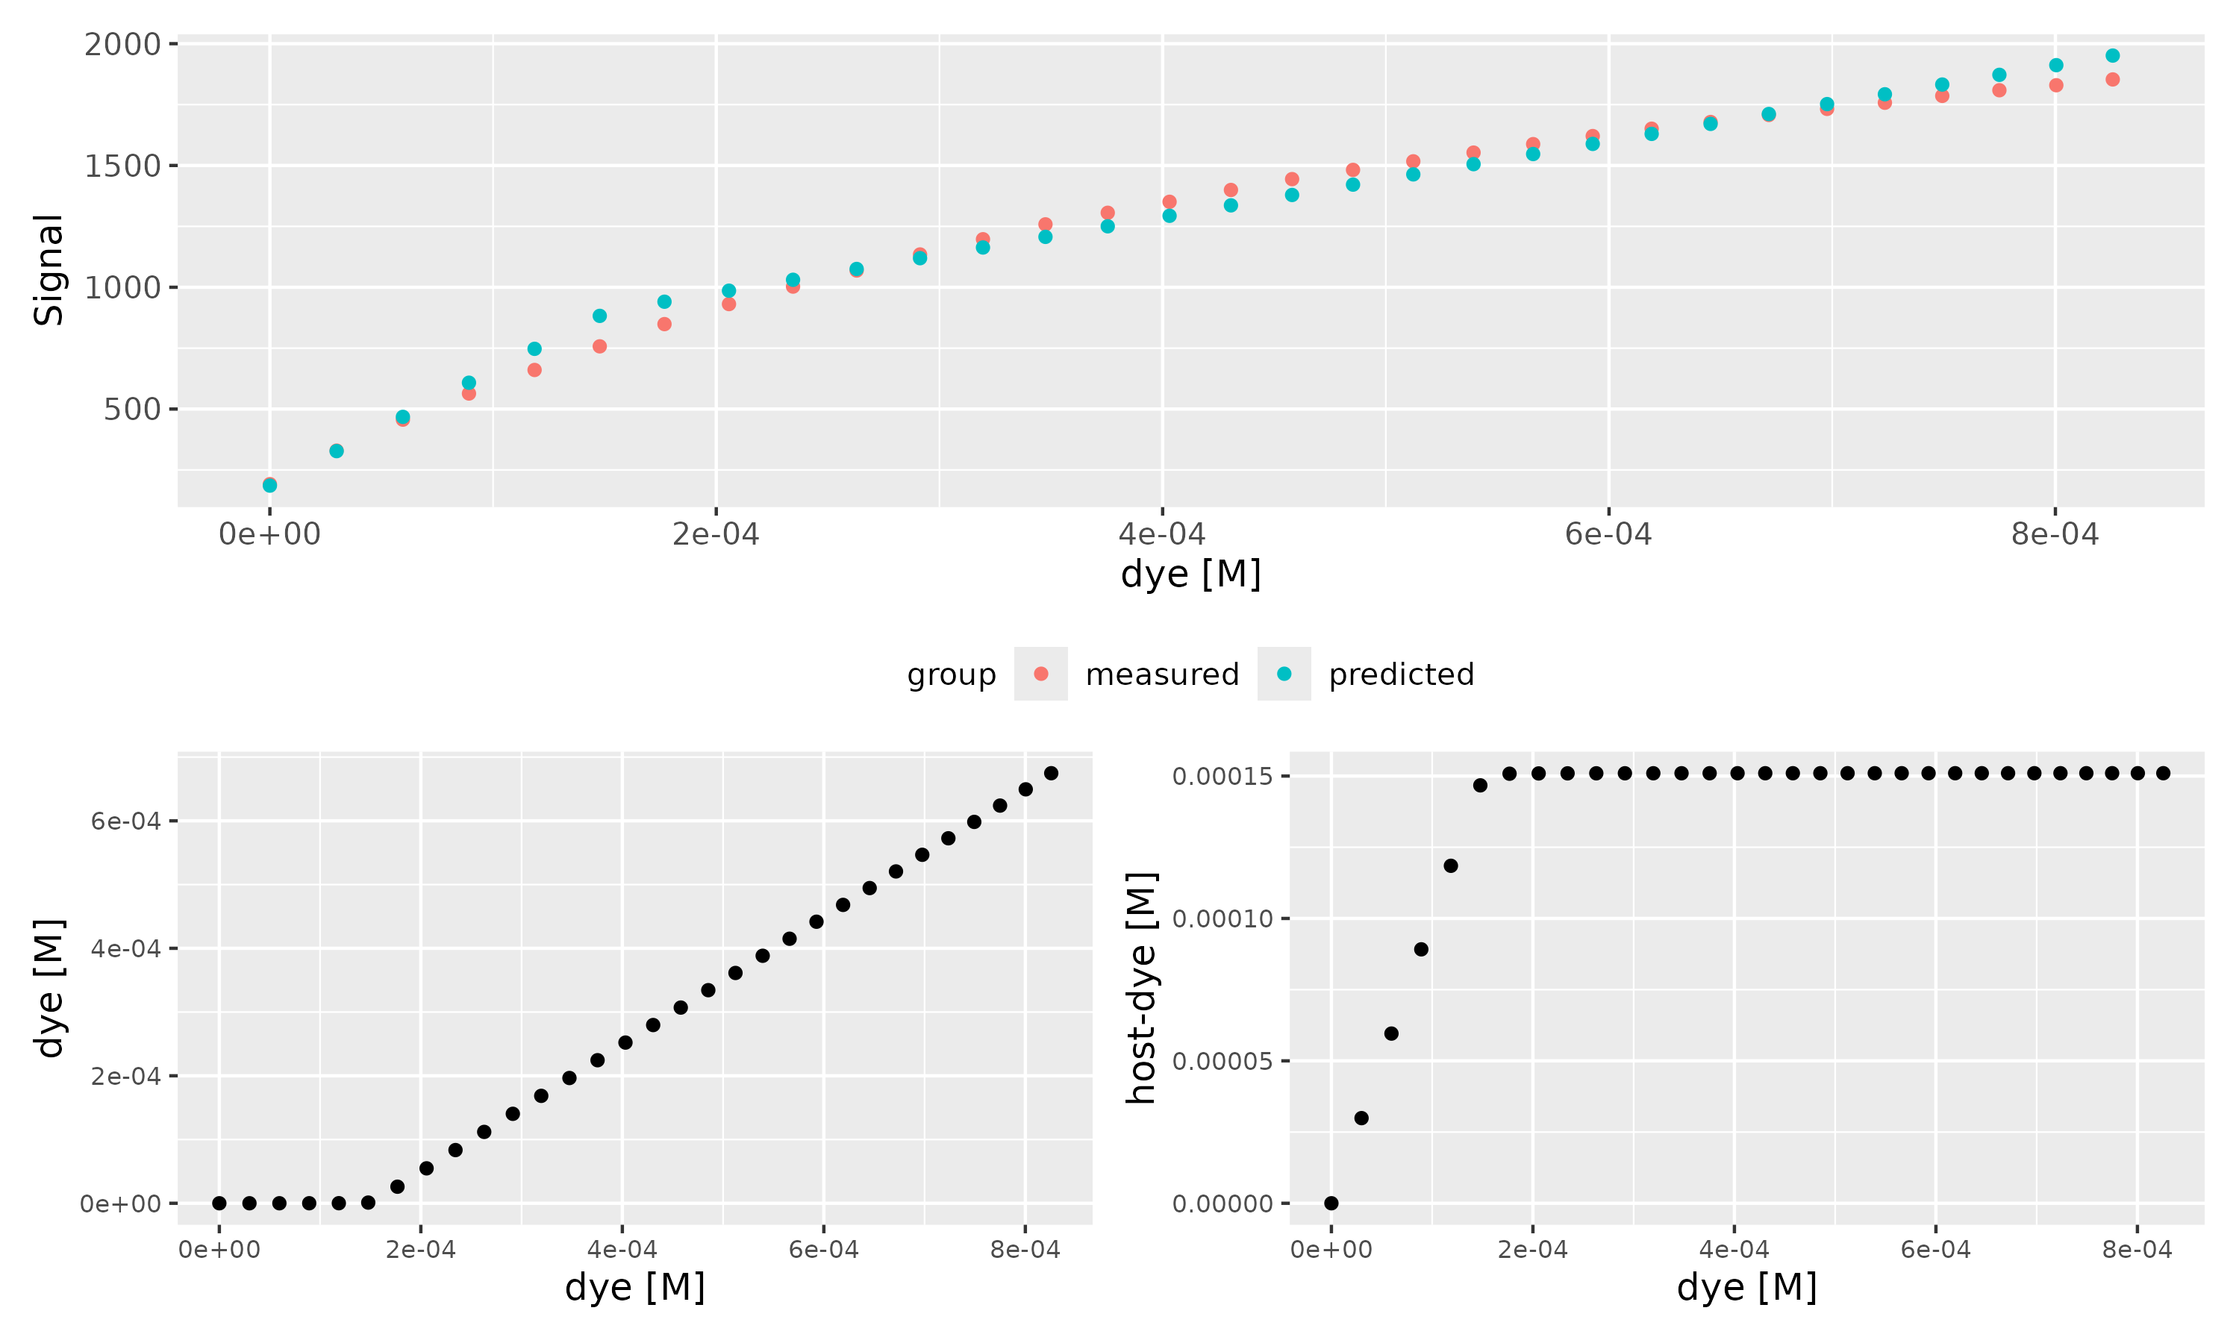

Host [M] | npop | ngen | topology | error_threshold | seed
0.000151 | 40 | 300 | random | 0.00001 | 1234

platform | arch | os | system | status | major | minor | year | month | day | svn.rev | language | version.string | nickname
x86_64-pc-linux-gnu | x86_64 | linux-gnu | x86_64, linux-gnu |  | 4 | 4.1 | 2024 | 06 | 14 | 86737 | R | R version 4.4.1 (2024-06-14) | Race for Your Life

tsf version: 0.1

