Results
Model: IDA

total Guest measured [M] | Signal measured | Signal simulated | free Dye simulated [M] | Host-Dye simulated [M]
0 | 0.652593163 | 0.63096732726 | 4.3425854623E-07 | 5.6574145377E-07
0.0000001 | 0.625830834 | 0.60571239998 | 4.6669619627E-07 | 5.3330380373E-07
0.0000002 | 0.59760106 | 0.57930407922 | 5.0061527499E-07 | 4.9938472501E-07
0.0000003 | 0.568336413 | 0.55217802021 | 5.3545622303E-07 | 4.6454377697E-07
0.0000004 | 0.538605992 | 0.52486593324 | 5.7053610701E-07 | 4.2946389299E-07
0.0000005 | 0.509076212 | 0.49794817711 | 6.05109509E-07 | 3.94890491E-07
0.0000006 | 0.480442809 | 0.47199030654 | 6.3845002557E-07 | 3.6154997443E-07
0.0000007 | 0.453345361 | 0.44747816134 | 6.6993363978E-07 | 3.3006636022E-07
0.0000008 | 0.428286524 | 0.4247686323 | 6.9910195799E-07 | 3.0089804201E-07
0.0000009 | 0.40558051 | 0.40406807866 | 7.256899306E-07 | 2.743100694E-07
0.000001 | 0.385344585 | 0.38543982585 | 7.4961622184E-07 | 2.5038377816E-07
0.0000011 | 0.367529159 | 0.36883241623 | 7.7094692437E-07 | 2.2905307563E-07
0.0000012 | 0.351968717 | 0.35411627866 | 7.8984846049E-07 | 2.1015153951E-07
0.0000013 | 0.338434288 | 0.34111845079 | 8.0654298458E-07 | 1.9345701542E-07
0.0000014 | 0.3266753 | 0.32964973251 | 8.2127350689E-07 | 1.7872649311E-07
0.0000015 | 0.316447156 | 0.3195229691 | 8.3428041061E-07 | 1.6571958939E-07
0.0000016 | 0.307526286 | 0.31056368263 | 8.4578779671E-07 | 1.5421220329E-07
0.0000017 | 0.299716359 | 0.30261513666 | 8.5599697885E-07 | 1.4400302115E-07
0.0000018 | 0.292849146 | 0.29553982107 | 8.6508457622E-07 | 1.3491542378E-07
0.0000019 | 0.286782597 | 0.28921887836 | 8.7320325046E-07 | 1.2679674954E-07
0.000002 | 0.281397733 | 0.28355049697 | 8.8048376922E-07 | 1.1951623078E-07
0.0000021 | 0.276595271 | 0.27844790138 | 8.8703758774E-07 | 1.1296241226E-07
0.0000022 | 0.272292426 | 0.27383729405 | 8.9295949221E-07 | 1.0704050779E-07
0.0000023 | 0.268420086 | 0.26965593047 | 8.9833007226E-07 | 1.0166992774E-07
0.0000024 | 0.264920412 | 0.26585040515 | 9.0321792235E-07 | 9.6782077654E-08
0.0000025 | 0.261744829 | 0.26237516948 | 9.0768154552E-07 | 9.2318454479E-08
0.0000026 | 0.258852387 | 0.25919127257 | 9.1177097063E-07 | 8.8229029372E-08
0.0000027 | 0.256208419 | 0.25626530333 | 9.1552911117E-07 | 8.4470888827E-08
0.0000028 | 0.253783444 | 0.25356850712 | 9.1899289987E-07 | 8.1007100131E-08
0.0000029 | 0.251552283 | 0.25107605076 | 9.2219423267E-07 | 7.7805767331E-08
0.000003 | 0.249493336 | 0.24876641176 | 9.2516075326E-07 | 7.4839246744E-08
0.0000031 | 0.24758799 | 0.24662087069 | 9.2791650502E-07 | 7.2083494977E-08
0.0000032 | 0.245820143 | 0.24462308881 | 9.3048247358E-07 | 6.9517526419E-08
0.0000033 | 0.244175803 | 0.242758756 | 9.3287703899E-07 | 6.712296101E-08
0.0000034 | 0.242642769 | 0.2410152965 | 9.3511635366E-07 | 6.488364634E-08
0.0000035 | 0.241210354 | 0.23938162241 | 9.3721465898E-07 | 6.278534102E-08
0.0000036 | 0.23986917 | 0.23784792654 | 9.391845514E-07 | 6.0815448597E-08
0.0000037 | 0.238610935 | 0.23640550775 | 9.4103720675E-07 | 5.8962793254E-08
0.0000038 | 0.237428323 | 0.23504662328 | 9.4278256987E-07 | 5.7217430129E-08
0.0000039 | 0.236314829 | 0.23376436347 | 9.4442951561E-07 | 5.5570484388E-08
0.000004 | 0.235264662 | 0.23255254511 | 9.4598598574E-07 | 5.4014014257E-08
0.0000041 | 0.23427265 | 0.23140562038 | 9.4745910592E-07 | 5.2540894076E-08
0.0000042 | 0.23333416 | 0.23031859887 | 9.4885528589E-07 | 5.1144714113E-08
0.0000043 | 0.232445033 | 0.22928698054 | 9.5018030551E-07 | 4.9819694493E-08
0.0000044 | 0.231601522 | 0.228306698 | 9.51439389E-07 | 4.8560611003E-08
0.0000045 | 0.230800248 | 0.22737406653 | 9.5263726903E-07 | 4.7362730968E-08
0.0000046 | 0.230038151 | 0.22648574083 | 9.5377824236E-07 | 4.6221757644E-08
0.0000047 | 0.229312458 | 0.22563867735 | 9.5486621812E-07 | 4.5133781883E-08
0.0000048 | 0.228620648 | 0.22483010151 | 9.5590476001E-07 | 4.409523999E-08
0.0000049 | 0.227960426 | 0.22405747902 | 9.5689712312E-07 | 4.3102876882E-08
0.000005 | 0.227329698 | 0.2233184907 | 9.578462862E-07 | 4.21537138E-08

info | Ka(HG) [M] | I(0) | I(HD) [1/M] | I(D) [1/M]
Opti. results | 15848500.801 | 1E-15 | 969067.28191 | 190498.9438
lower boundaries | 10 | 0 | 0 | 0
upper boundaries | 100000000 | 100000000 | 100000000 | 100000000

MeanSquareError | RootMeanSquareError | MeanAbsoluteError | R2 | R2 adjusted
4.1937137491E-05 | 0.0064758889344 | 0.0040690702441 | 0.99887494856 | 0.99885198833

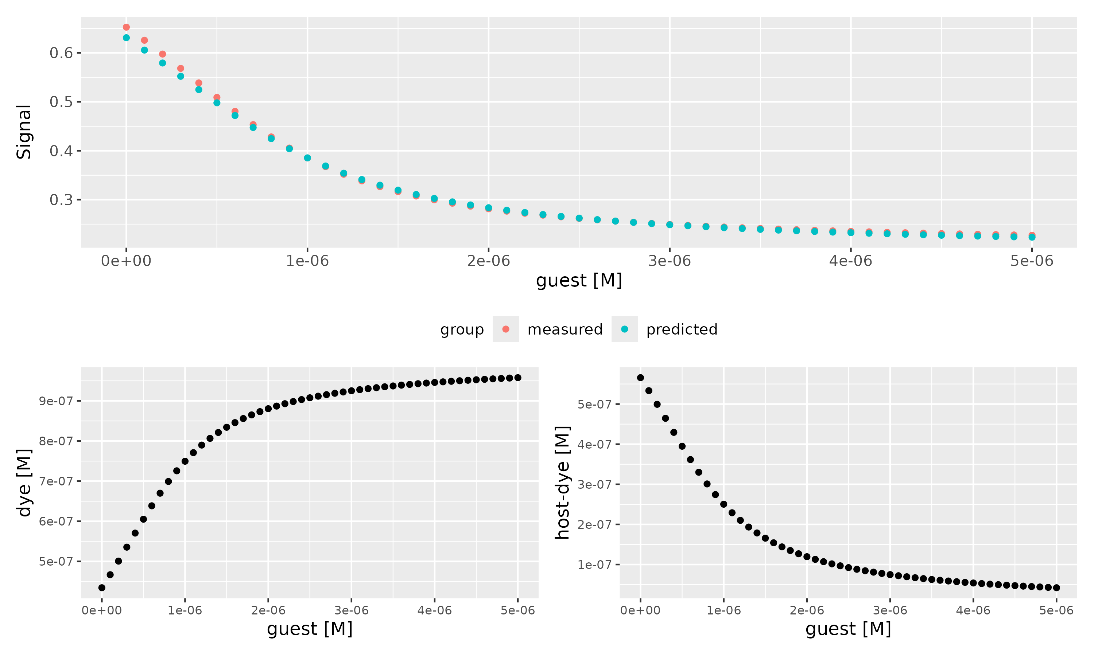

Host [M] | Dye [M] | Ka(HD) [1/M] | npop | ngen | topology | error_threshold | seed
0.000001 | 0.000001 | 3000000 | 40 | 300 | random | 0.00001 | 1234

platform | arch | os | system | status | major | minor | year | month | day | svn.rev | language | version.string | nickname
x86_64-pc-linux-gnu | x86_64 | linux-gnu | x86_64, linux-gnu |  | 4 | 4.1 | 2024 | 06 | 14 | 86737 | R | R version 4.4.1 (2024-06-14) | Race for Your Life

tsf version: 0.1

