Results
Model: DBA (Dye constant)

total Host measured [M] | Signal measured | Signal simulated | free Dye simulated [M] | Host-Dye simulated [M] | repetition | dataset
0 | 191.617 | 141.36360876 | 0.000151 | 1.977329079E-16 | 1 | 1
0.0000299 | 329.377 | 268.77099206 | 0.00014526916283 | 5.7308371683E-06 | 1 | 1
0.0000596 | 456.502 | 387.71205524 | 0.00013991914427 | 1.1080855731E-05 | 1 | 1
0.0000892 | 563.799 | 499.22731663 | 0.00013490314136 | 1.6096858636E-05 | 1 | 1
0.0001186 | 660.444 | 603.5307345 | 0.00013021153018 | 2.0788469816E-05 | 1 | 1
0.0001478 | 757.396 | 701.19790362 | 0.00012581842024 | 2.5181579763E-05 | 1 | 1
0.0001768 | 848.741 | 792.75612125 | 0.00012170009347 | 2.9299906527E-05 | 1 | 1
0.0002057 | 930.98 | 878.9777599 | 0.00011782180825 | 3.3178191746E-05 | 1 | 1
0.0002344 | 1002.76 | 959.98237101 | 0.00011417818711 | 3.6821812893E-05 | 1 | 1
0.0002629 | 1068.74 | 1036.1755619 | 0.00011075098564 | 4.0249014355E-05 | 1 | 1
0.0002913 | 1134.67 | 1108.1743065 | 0.00010751245212 | 4.3487547878E-05 | 1 | 1
0.0003195 | 1197.17 | 1176.0444817 | 0.00010445962338 | 4.6540376625E-05 | 1 | 1
0.0003475 | 1258.28 | 1240.0966353 | 0.00010157853083 | 4.9421469171E-05 | 1 | 1
0.0003754 | 1305.8 | 1300.8264797 | 9.884687713E-05 | 5.215312287E-05 | 1 | 1
0.0004031 | 1350.94 | 1358.2603365 | 9.626347833E-05 | 5.473652167E-05 | 1 | 1
0.0004306 | 1399.46 | 1412.6364381 | 9.3817618633E-05 | 5.7182381367E-05 | 1 | 1
0.000458 | 1443.99 | 1464.3569584 | 9.1491208086E-05 | 5.9508791914E-05 | 1 | 1
0.0004853 | 1481.91 | 1513.5966946 | 8.9276384242E-05 | 6.1723615758E-05 | 1 | 1
0.0005123 | 1517.06 | 1560.1791929 | 8.7181084066E-05 | 6.3818915934E-05 | 1 | 1
0.0005393 | 1552.84 | 1604.7806355 | 8.5174892601E-05 | 6.5825107399E-05 | 1 | 1
0.000566 | 1587.67 | 1647.0504289 | 8.3273579689E-05 | 6.7726420311E-05 | 1 | 1
0.0005927 | 1620.74 | 1687.5978201 | 8.1449741144E-05 | 6.9550258856E-05 | 1 | 1
0.0006191 | 1650.94 | 1726.0902189 | 7.9718337014E-05 | 7.1281662986E-05 | 1 | 1
0.0006455 | 1678.48 | 1763.0792057 | 7.8054556981E-05 | 7.2945443019E-05 | 1 | 1
0.0006716 | 1707.31 | 1798.2492103 | 7.6472595526E-05 | 7.4527404474E-05 | 1 | 1
0.0006977 | 1732.3 | 1832.1019195 | 7.4949886566E-05 | 7.6050113434E-05 | 1 | 1
0.0007236 | 1757.55 | 1864.4604583 | 7.3494386013E-05 | 7.7505613987E-05 | 1 | 1
0.0007493 | 1785.77 | 1895.4151947 | 7.2102029075E-05 | 7.8897970925E-05 | 1 | 1
0.0007749 | 1808.87 | 1925.1638076 | 7.0763924074E-05 | 8.0236075926E-05 | 1 | 1
0.0008004 | 1829.44 | 1953.771872 | 6.9477121425E-05 | 8.1522878575E-05 | 1 | 1
0.0008257 | 1853.23 | 1981.1939573 | 6.8243664604E-05 | 8.2756335396E-05 | 1 | 1
0 | 191.617 | 34.939749829 | 0.000151 | 8.3302284169E-16 | 1 | 2
0.0000299 | 329.377 | 275.32199914 | 0.00012685966098 | 2.4140339016E-05 | 1 | 2
0.0000596 | 456.502 | 495.38530723 | 0.00010475984755 | 4.6240152447E-05 | 1 | 2
0.0000892 | 563.799 | 690.30527397 | 8.5185049117E-05 | 6.5814950883E-05 | 1 | 2
0.0001186 | 660.444 | 854.6639779 | 6.8679359348E-05 | 8.2320640652E-05 | 1 | 2
0.0001478 | 757.396 | 986.77331774 | 5.5412305479E-05 | 9.5587694521E-05 | 1 | 2
0.0001768 | 848.741 | 1088.9332636 | 4.5152913476E-05 | 0.00010584708652 | 1 | 2
0.0002057 | 930.98 | 1166.5176993 | 3.7361512136E-05 | 0.00011363848786 | 1 | 2
0.0002344 | 1002.76 | 1225.0189865 | 3.1486532136E-05 | 0.00011951346786 | 1 | 2
0.0002629 | 1068.74 | 1269.5486108 | 2.7014653573E-05 | 0.00012398534643 | 1 | 2
0.0002913 | 1134.67 | 1304.0975291 | 2.3545085411E-05 | 0.00012745491459 | 1 | 2
0.0003195 | 1197.17 | 1331.291691 | 2.0814117169E-05 | 0.00013018588283 | 1 | 2
0.0003475 | 1258.28 | 1353.0916853 | 1.8624857129E-05 | 0.00013237514287 | 1 | 2
0.0003754 | 1305.8 | 1370.9265264 | 1.6833796799E-05 | 0.0001341662032 | 1 | 2
0.0004031 | 1350.94 | 1385.6879225 | 1.5351386574E-05 | 0.00013564861343 | 1 | 2
0.0004306 | 1399.46 | 1398.0765145 | 1.4107264713E-05 | 0.00013689273529 | 1 | 2
0.000458 | 1443.99 | 1408.6385729 | 1.3046572121E-05 | 0.00013795342788 | 1 | 2
0.0004853 | 1481.91 | 1417.7384496 | 1.2132718839E-05 | 0.00013886728116 | 1 | 2
0.0005123 | 1517.06 | 1425.5978081 | 1.1343444343E-05 | 0.00013965655566 | 1 | 2
0.0005393 | 1552.84 | 1432.5203155 | 1.0648252931E-05 | 0.00014035174707 | 1 | 2
0.000566 | 1587.67 | 1438.5961469 | 1.0038088781E-05 | 0.00014096191122 | 1 | 2
0.0005927 | 1620.74 | 1444.0261391 | 9.492782906E-06 | 0.00014150721709 | 1 | 2
0.0006191 | 1650.94 | 1448.8542436 | 9.0079214889E-06 | 0.00014199207851 | 1 | 2
0.0006455 | 1678.48 | 1453.2205276 | 8.5694382873E-06 | 0.00014243056171 | 1 | 2
0.0006716 | 1707.31 | 1457.144266 | 8.1753976544E-06 | 0.00014282460235 | 1 | 2
0.0006977 | 1732.3 | 1460.727574 | 7.8155446702E-06 | 0.00014318445533 | 1 | 2
0.0007236 | 1757.55 | 1463.9882623 | 7.4880906971E-06 | 0.0001435119093 | 1 | 2
0.0007493 | 1785.77 | 1466.9673765 | 7.1889137619E-06 | 0.00014381108624 | 1 | 2
0.0007749 | 1808.87 | 1469.7096471 | 6.9135217804E-06 | 0.00014408647822 | 1 | 2
0.0008004 | 1829.44 | 1472.2419448 | 6.6592162945E-06 | 0.00014434078371 | 1 | 2
0.0008257 | 1853.23 | 1474.5783447 | 6.4245838063E-06 | 0.00014457541619 | 1 | 2
0 | 191.617 | 11.186542018 | 0.000151 | 6.1489421481E-16 | 1 | 3
0.0000299 | 329.377 | 226.40851132 | 0.00013349828324 | 1.7501716764E-05 | 1 | 3
0.0000596 | 456.502 | 417.91795754 | 0.00011792485411 | 3.307514589E-05 | 1 | 3
0.0000892 | 563.799 | 586.29600132 | 0.00010423245625 | 4.6767543748E-05 | 1 | 3
0.0001186 | 660.444 | 731.90940375 | 9.2391264879E-05 | 5.8608735121E-05 | 1 | 3
0.0001478 | 757.396 | 856.62459634 | 8.2249502939E-05 | 6.8750497061E-05 | 1 | 3
0.0001768 | 848.741 | 962.80850179 | 7.3614693751E-05 | 7.7385306249E-05 | 1 | 3
0.0002057 | 930.98 | 1053.289372 | 6.6256845631E-05 | 8.4743154369E-05 | 1 | 3
0.0002344 | 1002.76 | 1130.1512184 | 6.0006488054E-05 | 9.0993511946E-05 | 1 | 3
0.0002629 | 1068.74 | 1195.6343486 | 5.4681440614E-05 | 9.6318559386E-05 | 1 | 3
0.0002913 | 1134.67 | 1251.8578506 | 5.0109380378E-05 | 0.00010089061962 | 1 | 3
0.0003195 | 1197.17 | 1300.2135578 | 4.6177124322E-05 | 0.00010482287568 | 1 | 3
0.0003475 | 1258.28 | 1342.0525693 | 4.2774801916E-05 | 0.00010822519808 | 1 | 3
0.0003754 | 1305.8 | 1378.6002996 | 3.9802763209E-05 | 0.00011119723679 | 1 | 3
0.0004031 | 1350.94 | 1410.6015709 | 3.7200439712E-05 | 0.00011379956029 | 1 | 3
0.0004306 | 1399.46 | 1438.7905931 | 3.490812595E-05 | 0.00011609187405 | 1 | 3
0.000458 | 1443.99 | 1463.8509412 | 3.2870234023E-05 | 0.00011812976598 | 1 | 3
0.0004853 | 1481.91 | 1486.2437895 | 3.1049261518E-05 | 0.00011995073848 | 1 | 3
0.0005123 | 1517.06 | 1506.2093027 | 2.9425678391E-05 | 0.00012157432161 | 1 | 3
0.0005393 | 1552.84 | 1524.2935424 | 2.7955079262E-05 | 0.00012304492074 | 1 | 3
0.000566 | 1587.67 | 1540.5631593 | 2.6632044127E-05 | 0.00012436795587 | 1 | 3
0.0005927 | 1620.74 | 1555.4260597 | 2.5423402308E-05 | 0.00012557659769 | 1 | 3
0.0006191 | 1650.94 | 1568.903055 | 2.4327461431E-05 | 0.00012667253857 | 1 | 3
0.0006455 | 1678.48 | 1581.3070124 | 2.3318779322E-05 | 0.00012768122068 | 1 | 3
0.0006716 | 1707.31 | 1592.6316636 | 2.2397865722E-05 | 0.00012860213428 | 1 | 3
0.0006977 | 1732.3 | 1603.1229156 | 2.154472363E-05 | 0.00012945527637 | 1 | 3
0.0007236 | 1757.55 | 1612.7947841 | 2.0758213298E-05 | 0.0001302417867 | 1 | 3
0.0007493 | 1785.77 | 1621.736775 | 2.0031056158E-05 | 0.00013096894384 | 1 | 3
0.0007749 | 1808.87 | 1630.0575346 | 1.9354417162E-05 | 0.00013164558284 | 1 | 3
0.0008004 | 1829.44 | 1637.8180858 | 1.872333396E-05 | 0.00013227666604 | 1 | 3
0.0008257 | 1853.23 | 1645.0441982 | 1.8135710994E-05 | 0.00013286428901 | 1 | 3

Ka(HD) [1/M] | I(0) | I(HD) [1/M] | I(D) [1/M] | repetition | dataset
1632.2362829 | 1E-15 | 23168080.129 | 936182.83944 | 1 | 1
33038.69593 | 2.6233242094 | 10171715.877 | 214016.06365 | 1 | 2
10574.10009 | 9.1119441142 | 12310930.941 | 13739.058915 | 1 | 3

Ka(HD) [1/M] | I(0) | I(HD) [1/M] | I(D) [1/M] | info
10 | 0 | 0 | 0 | Lower bounds
100000000 | 100000000 | 100000000 | 100000000 | Upper bounds

MeanSquareError | RootMeanSquareError | MeanAbsoluteError | R2 | R2 adjusted | repetition | dataset
4702.3691794 | 68.573822843 | 59.384645841 | 0.99769372083 | 0.99761419396 | 1 | 1
41378.553923 | 203.41719181 | 176.50599707 | 0.84301319543 | 0.83759985734 | 1 | 2
12126.431511 | 110.12007769 | 95.745790801 | 0.94920861343 | 0.94745718631 | 1 | 3

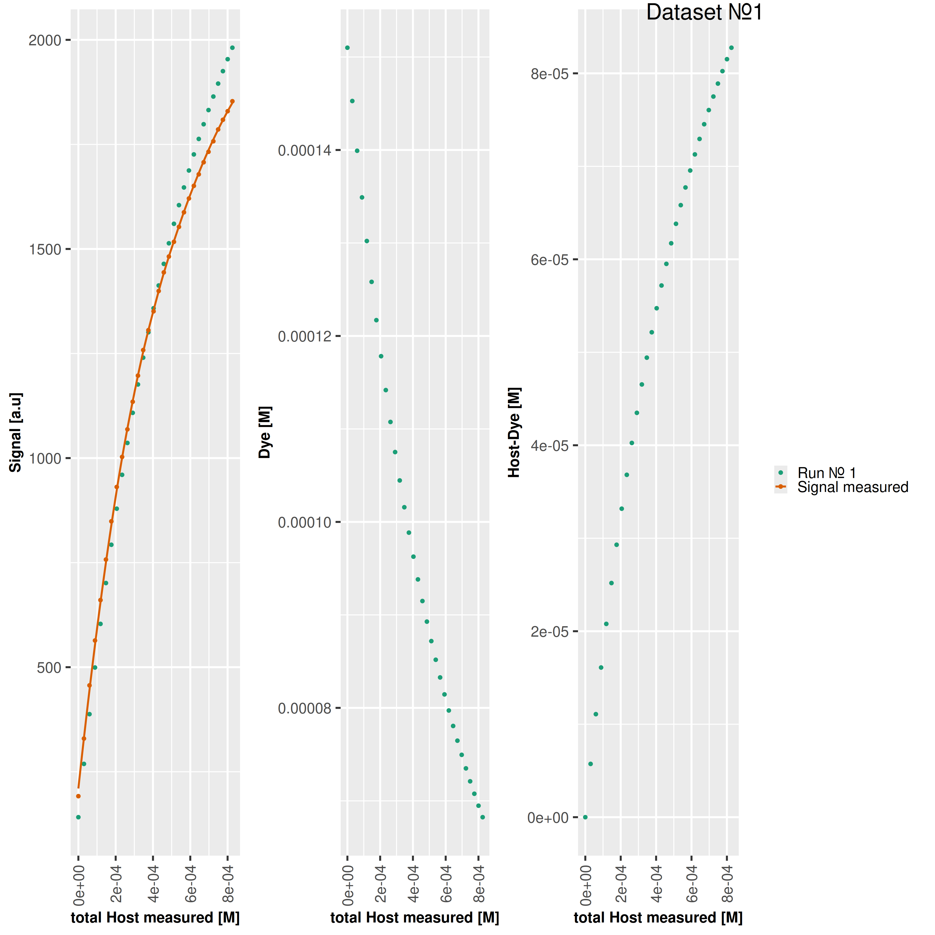

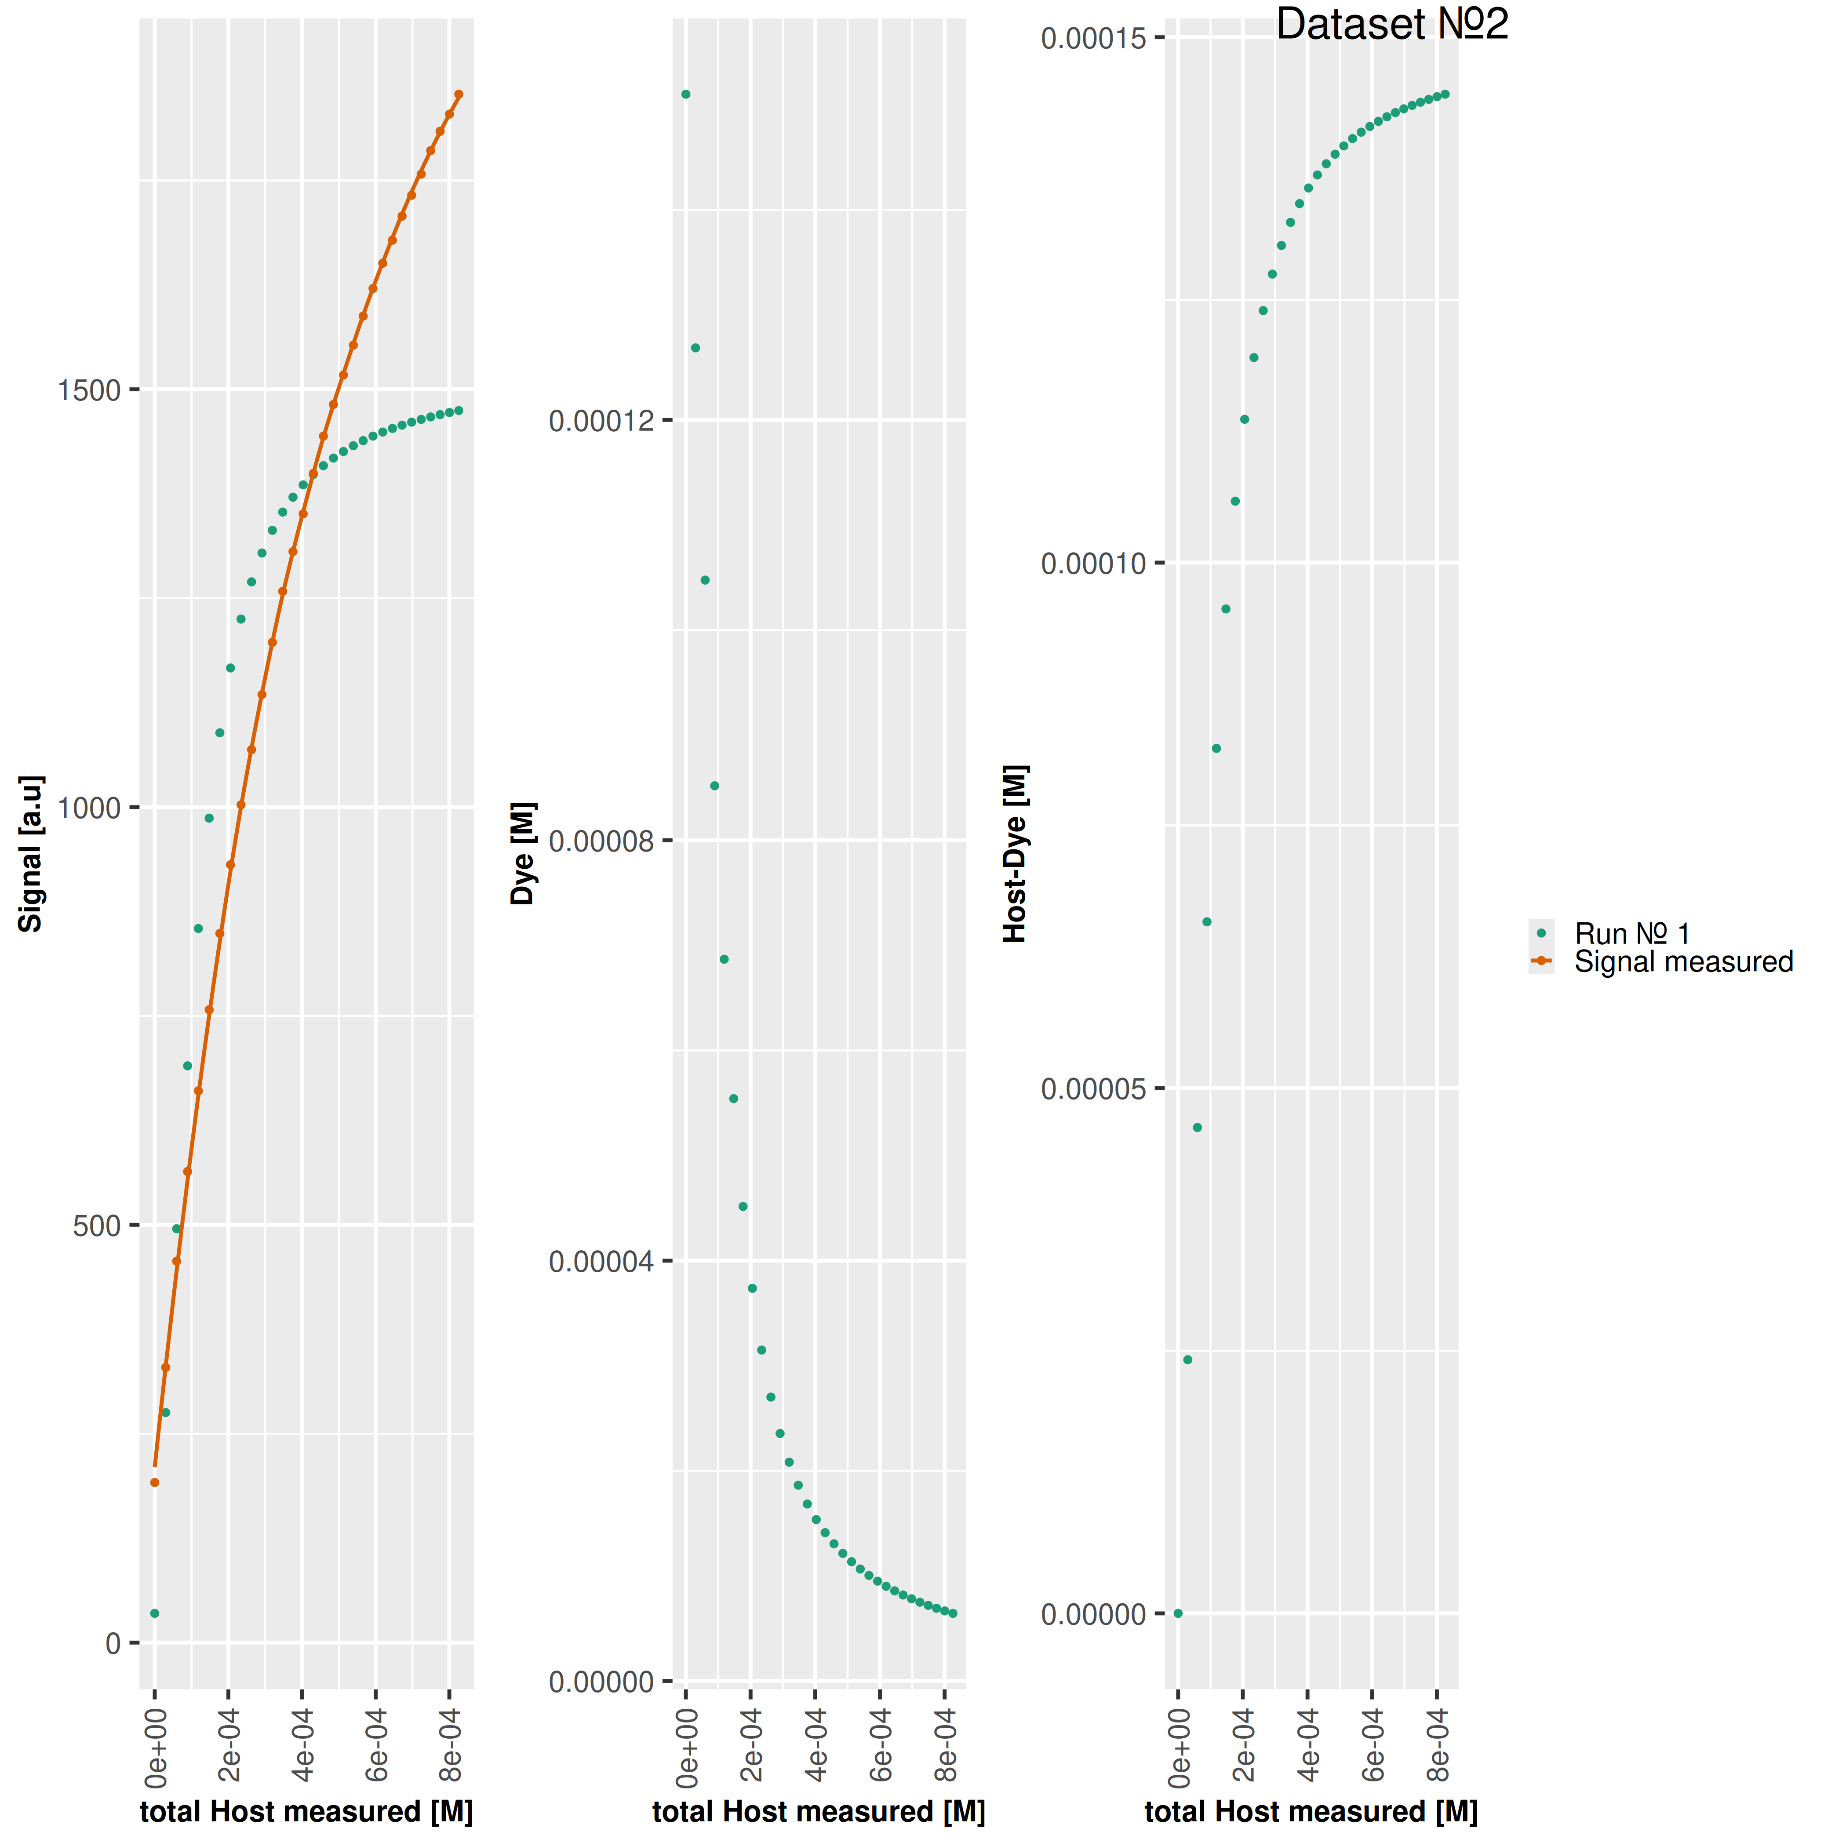

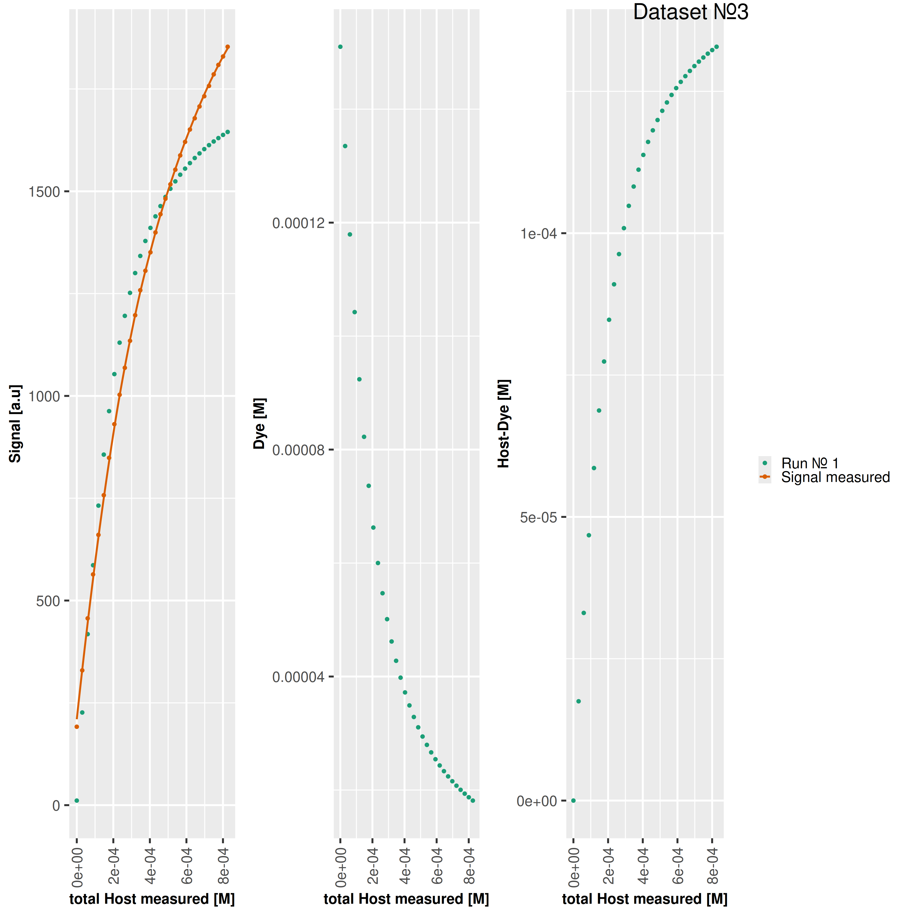

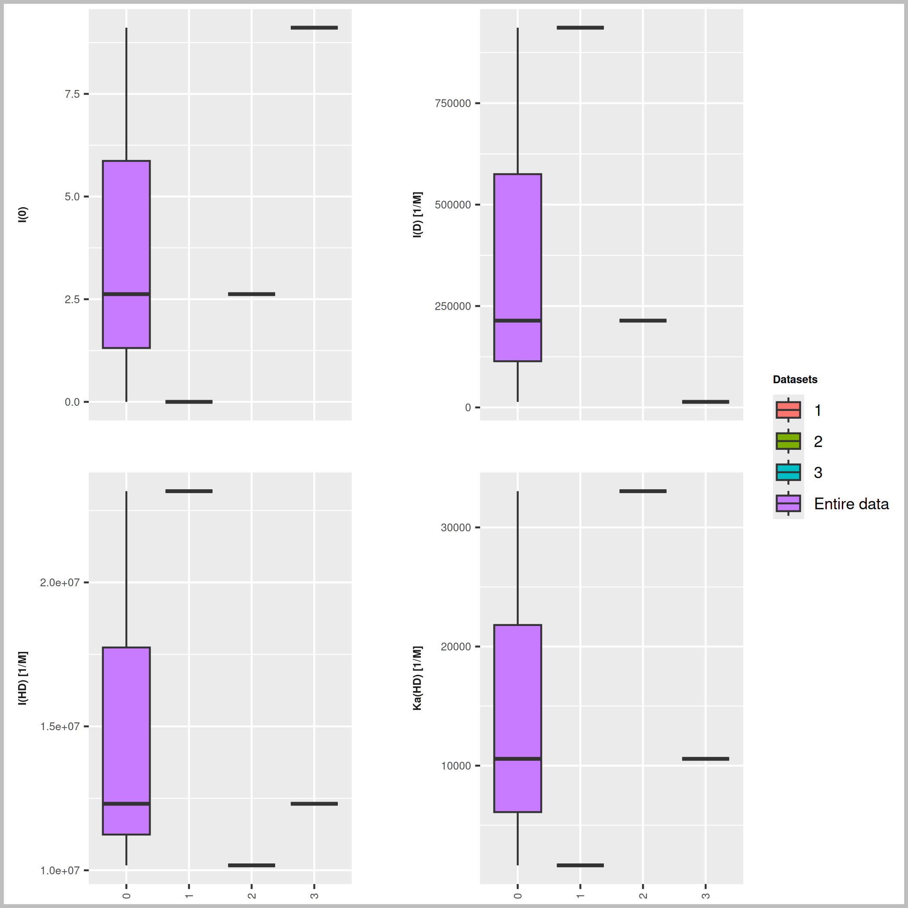

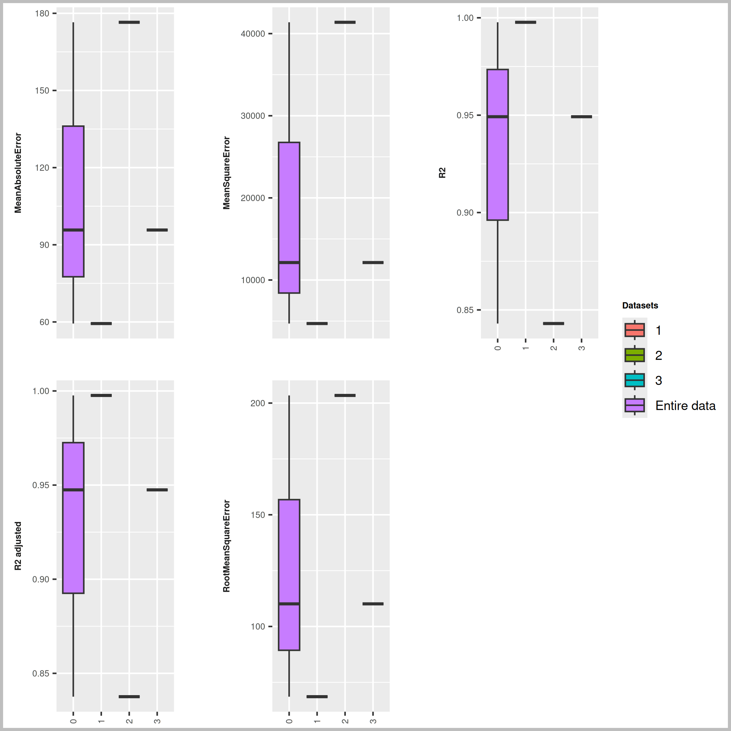

Dye [M] | npop | ngen | Topology
0.000151 | 40 | 1000 | random

Seeds
249376
535644
633837

platform | arch | os | system | status | major | minor | year | month | day | svn.rev | language | version.string | nickname
x86_64-pc-linux-gnu | x86_64 | linux-gnu | x86_64, linux-gnu |  | 4 | 3.3 | 2024 | 02 | 29 | 86002 | R | R version 4.3.3 (2024-02-29) | Angel Food Cake

tsf version: 0.1

