Results
Model: DBA (Host constant

total Dye measured [M] | Signal measured | Signal simulated | free Dye simulated [M] | Host-Dye simulated [M] | repetition | dataset
0 | 191.617 | 197.96175861 | 1.2543503718E-18 | 9.9874564963E-16 | 1 | 1
0.0000299 | 329.377 | 324.78796803 | 4.6732721482E-08 | 2.9853267279E-05 | 1 | 1
0.0000596 | 456.502 | 450.68757569 | 1.2324145251E-07 | 5.9476758547E-05 | 1 | 1
0.0000892 | 563.799 | 575.97545815 | 2.7169852294E-07 | 8.8928301477E-05 | 1 | 1
0.0001186 | 660.444 | 699.74836462 | 6.7612656617E-07 | 0.00011792387343 | 1 | 1
0.0001478 | 757.396 | 815.43154336 | 3.8641273711E-06 | 0.00014393587263 | 1 | 1
0.0001768 | 848.741 | 878.7450533 | 2.685870997E-05 | 0.00014994129003 | 1 | 1
0.0002057 | 930.98 | 927.68242336 | 5.5216841346E-05 | 0.00015048315865 | 1 | 1
0.0002344 | 1002.76 | 975.33828305 | 8.3741190016E-05 | 0.00015065880998 | 1 | 1
0.0002629 | 1068.74 | 1022.4327912 | 0.00011215489768 | 0.00015074510232 | 1 | 1
0.0002913 | 1134.67 | 1069.2719776 | 0.00014050353767 | 0.00015079646233 | 1 | 1
0.0003195 | 1197.17 | 1115.7369662 | 0.00016866958719 | 0.00015083041281 | 1 | 1
0.0003475 | 1258.28 | 1161.8474275 | 0.000196645484 | 0.000150854516 | 1 | 1
0.0003754 | 1305.8 | 1207.7776898 | 0.00022452743296 | 0.00015087256704 | 1 | 1
0.0004031 | 1350.94 | 1253.3684449 | 0.00025221345488 | 0.00015088654512 | 1 | 1
0.0004306 | 1399.46 | 1298.6229121 | 0.0002797023122 | 0.0001508976878 | 1 | 1
0.000458 | 1443.99 | 1343.7076616 | 0.0003070931922 | 0.0001509068078 | 1 | 1
0.0004853 | 1481.91 | 1388.6240062 | 0.0003343855902 | 0.0001509144098 | 1 | 1
0.0005123 | 1517.06 | 1433.043829 | 0.00036137920031 | 0.00015092079969 | 1 | 1
0.0005393 | 1552.84 | 1477.4613429 | 0.00038837369806 | 0.00015092630194 | 1 | 1
0.000566 | 1587.67 | 1521.3834993 | 0.00041506896031 | 0.00015093103969 | 1 | 1
0.0005927 | 1620.74 | 1565.3041671 | 0.00044176479483 | 0.00015093520517 | 1 | 1
0.0006191 | 1650.94 | 1608.7301299 | 0.00046816114298 | 0.00015093885702 | 1 | 1
0.0006455 | 1678.48 | 1652.1550792 | 0.00049455788076 | 0.00015094211924 | 1 | 1
0.0006716 | 1707.31 | 1695.0857178 | 0.00052065498062 | 0.00015094501938 | 1 | 1
0.0006977 | 1732.3 | 1738.0156366 | 0.00054675235722 | 0.00015094764278 | 1 | 1
0.0007236 | 1757.55 | 1780.6159759 | 0.00057264999019 | 0.00015095000981 | 1 | 1
0.0007493 | 1785.77 | 1822.8868284 | 0.00059834784389 | 0.00015095215611 | 1 | 1
0.0007749 | 1808.87 | 1864.9927458 | 0.00062394588164 | 0.00015095411836 | 1 | 1
0.0008004 | 1829.44 | 1906.9337872 | 0.00064944408078 | 0.00015095591922 | 1 | 1
0.0008257 | 1853.23 | 1948.5455295 | 0.00067474242851 | 0.00015095757149 | 1 | 1
0 | 191.617 | 199.97109879 | 8.5644287106E-20 | 9.9991435571E-16 | 1 | 2
0.0000299 | 329.377 | 332.14002244 | 3.1928738405E-09 | 2.9896807126E-05 | 1 | 2
0.0000596 | 456.502 | 463.41926626 | 8.431621463E-09 | 5.9591568379E-05 | 1 | 2
0.0000892 | 563.799 | 594.24291683 | 1.8658080904E-08 | 8.9181341919E-05 | 1 | 2
0.0001186 | 660.444 | 724.13261226 | 4.7254829186E-08 | 0.00011855274517 | 1 | 2
0.0001478 | 757.396 | 851.95243933 | 5.1303584667E-07 | 0.00014728696415 | 1 | 2
0.0001768 | 848.741 | 911.3631694 | 2.5875437064E-05 | 0.00015092456294 | 1 | 2
0.0002057 | 930.98 | 960.84496227 | 5.4735671095E-05 | 0.00015096432891 | 1 | 2
0.0002344 | 1002.76 | 1009.9104777 | 8.342340638E-05 | 0.00015097659362 | 1 | 2
0.0002629 | 1068.74 | 1058.6172013 | 0.00011191744783 | 0.00015098255217 | 1 | 2
0.0002913 | 1134.67 | 1107.146496 | 0.0001403139171 | 0.0001509860829 | 1 | 2
0.0003195 | 1197.17 | 1155.3308422 | 0.00016851158848 | 0.00015098841152 | 1 | 2
0.0003475 | 1258.28 | 1203.1716624 | 0.00019650993748 | 0.00015099006252 | 1 | 2
0.0003754 | 1305.8 | 1250.8405112 | 0.00022440870211 | 0.00015099129789 | 1 | 2
0.0004031 | 1350.94 | 1298.1669143 | 0.00025210774606 | 0.00015099225394 | 1 | 2
0.0004306 | 1399.46 | 1345.1511024 | 0.00027960698428 | 0.00015099301572 | 1 | 2
0.000458 | 1443.99 | 1391.9640708 | 0.00030700636098 | 0.00015099363902 | 1 | 2
0.0004853 | 1481.91 | 1438.6059133 | 0.00033430584156 | 0.00015099415844 | 1 | 2
0.0005123 | 1517.06 | 1484.7349987 | 0.00036130540505 | 0.00015099459495 | 1 | 2
0.0005393 | 1552.84 | 1530.8639195 | 0.00038830502924 | 0.00015099497076 | 1 | 2
0.000566 | 1587.67 | 1576.4801664 | 0.00041500470569 | 0.00015099529431 | 1 | 2
0.0005927 | 1620.74 | 1622.0963071 | 0.00044170442125 | 0.00015099557875 | 1 | 2
0.0006191 | 1650.94 | 1667.1998204 | 0.00046810417191 | 0.00015099582809 | 1 | 2
0.0006455 | 1678.48 | 1712.3032615 | 0.00049450394919 | 0.00015099605081 | 1 | 2
0.0006716 | 1707.31 | 1756.8941033 | 0.00052060375121 | 0.00015099624879 | 1 | 2
0.0006977 | 1732.3 | 1801.4848938 | 0.00054670357213 | 0.00015099642787 | 1 | 2
0.0007236 | 1757.55 | 1845.7339487 | 0.00057260341056 | 0.00015099658944 | 1 | 2
0.0007493 | 1785.77 | 1889.6412745 | 0.00059830326406 | 0.00015099673594 | 1 | 2
0.0007749 | 1808.87 | 1933.3777222 | 0.00062390313014 | 0.00015099686986 | 1 | 2
0.0008004 | 1829.44 | 1976.9432958 | 0.00064940300723 | 0.00015099699277 | 1 | 2
0.0008257 | 1853.23 | 2020.1671538 | 0.00067470289447 | 0.00015099710553 | 1 | 2
0 | 191.617 | 203.87592706 | 4.7782879213E-19 | 9.9952217121E-16 | 1 | 3
0.0000299 | 329.377 | 338.12368013 | 1.7809890352E-08 | 2.988219011E-05 | 1 | 3
0.0000596 | 456.502 | 471.44077835 | 4.7010069215E-08 | 5.9552989931E-05 | 1 | 3
0.0000892 | 563.799 | 604.23011614 | 1.0389569793E-07 | 8.9096104302E-05 | 1 | 3
0.0001186 | 660.444 | 735.83505843 | 2.6154474898E-07 | 0.00011833845525 | 1 | 3
0.0001478 | 757.396 | 862.00497979 | 2.0171226347E-06 | 0.00014578287737 | 1 | 3
0.0001768 | 848.741 | 923.56126253 | 2.6214662954E-05 | 0.00015058533705 | 1 | 3
0.0002057 | 930.98 | 971.93186445 | 5.4898291575E-05 | 0.00015080170842 | 1 | 3
0.0002344 | 1002.76 | 1019.5504757 | 8.3530380956E-05 | 0.00015086961904 | 1 | 3
0.0002629 | 1068.74 | 1066.7398139 | 0.00011199726275 | 0.00015090273725 | 1 | 3
0.0002913 | 1134.67 | 1113.7256779 | 0.0001403776091 | 0.0001509223909 | 1 | 3
0.0003195 | 1197.17 | 1160.3620788 | 0.00016856463703 | 0.00015093536297 | 1 | 3
0.0003475 | 1258.28 | 1206.6572807 | 0.00019655543566 | 0.00015094456434 | 1 | 3
0.0003754 | 1305.8 | 1252.7806652 | 0.00022444854867 | 0.00015095145133 | 1 | 3
0.0004031 | 1350.94 | 1298.5691384 | 0.00025214321775 | 0.00015095678225 | 1 | 3
0.0004306 | 1399.46 | 1344.0240446 | 0.00027963896942 | 0.00015096103058 | 1 | 3
0.000458 | 1443.99 | 1389.3115125 | 0.00030703549303 | 0.00015096450697 | 1 | 3
0.0004853 | 1481.91 | 1434.4320894 | 0.00033433259577 | 0.00015096740423 | 1 | 3
0.0005123 | 1517.06 | 1479.0556137 | 0.0003613301608 | 0.0001509698392 | 1 | 3
0.0005393 | 1552.84 | 1523.678177 | 0.0003883280643 | 0.0001509719357 | 1 | 3
0.000566 | 1587.67 | 1567.8041727 | 0.00041502625927 | 0.00015097374073 | 1 | 3
0.0005927 | 1620.74 | 1611.9295491 | 0.00044172467239 | 0.00015097532761 | 1 | 3
0.0006191 | 1650.94 | 1655.5586296 | 0.00046812328126 | 0.00015097671874 | 1 | 3
0.0006455 | 1678.48 | 1699.1872884 | 0.00049452203864 | 0.00015097796136 | 1 | 3
0.0006716 | 1707.31 | 1742.3198154 | 0.00052062093399 | 0.00015097906601 | 1 | 3
0.0006977 | 1732.3 | 1785.4520431 | 0.00054671993478 | 0.00015098006522 | 1 | 3
0.0007236 | 1757.55 | 1828.2534999 | 0.00057261903326 | 0.00015098096674 | 1 | 3
0.0007493 | 1785.77 | 1870.7242246 | 0.00059831821584 | 0.00015098178416 | 1 | 3
0.0007749 | 1808.87 | 1913.0295036 | 0.00062391746853 | 0.00015098253147 | 1 | 3
0.0008004 | 1829.44 | 1955.1693612 | 0.00064941678271 | 0.00015098321729 | 1 | 3
0.0008257 | 1853.23 | 1996.9785648 | 0.00067471615348 | 0.00015098384652 | 1 | 3

Ka(HD) [1/M] | I(0) | I(HD) [1/M] | I(D) [1/M] | repetition | dataset
5273016.016 | 197.9617586 | 4245744.8072 | 1644563.0195 | 1 | 1
77319218.822 | 199.97109878 | 4420654.9637 | 1708440.7973 | 1 | 2
13852978.8 | 203.87592705 | 4491582.522 | 1652467.0794 | 1 | 3

Ka(HD) [1/M] | I(0) | I(HD) [1/M] | I(D) [1/M] | info
10 | 0 | 0 | 0 | Lower bounds
100000000 | 100000000 | 100000000 | 100000000 | Upper bounds

MeanSquareError | RootMeanSquareError | MeanAbsoluteError | R2 | R2 adjusted | repetition | dataset
3878.743284 | 62.279557513 | 52.36338029 | 0.98520074274 | 0.98469042352 | 1 | 1
4254.8302937 | 65.229060193 | 50.484804773 | 0.98497604354 | 0.98445797608 | 1 | 2
3593.7616238 | 59.94799099 | 48.449072878 | 0.98593500274 | 0.98545000283 | 1 | 3

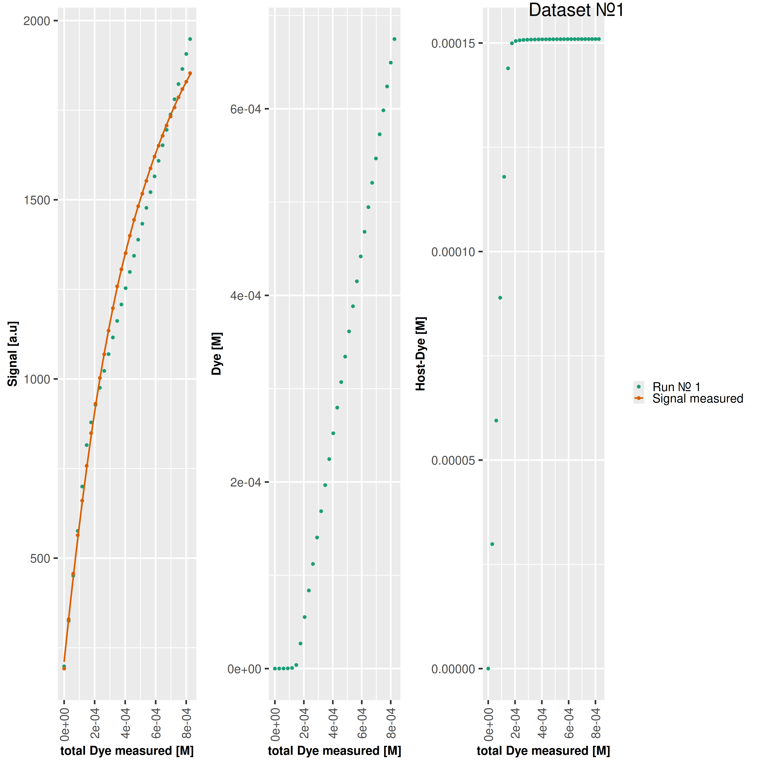

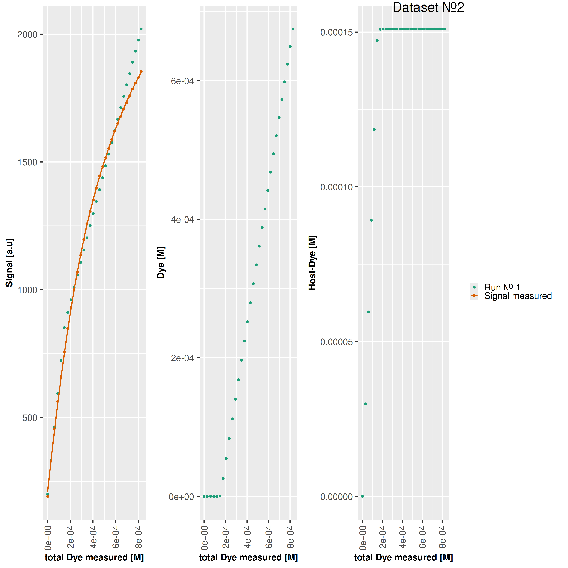



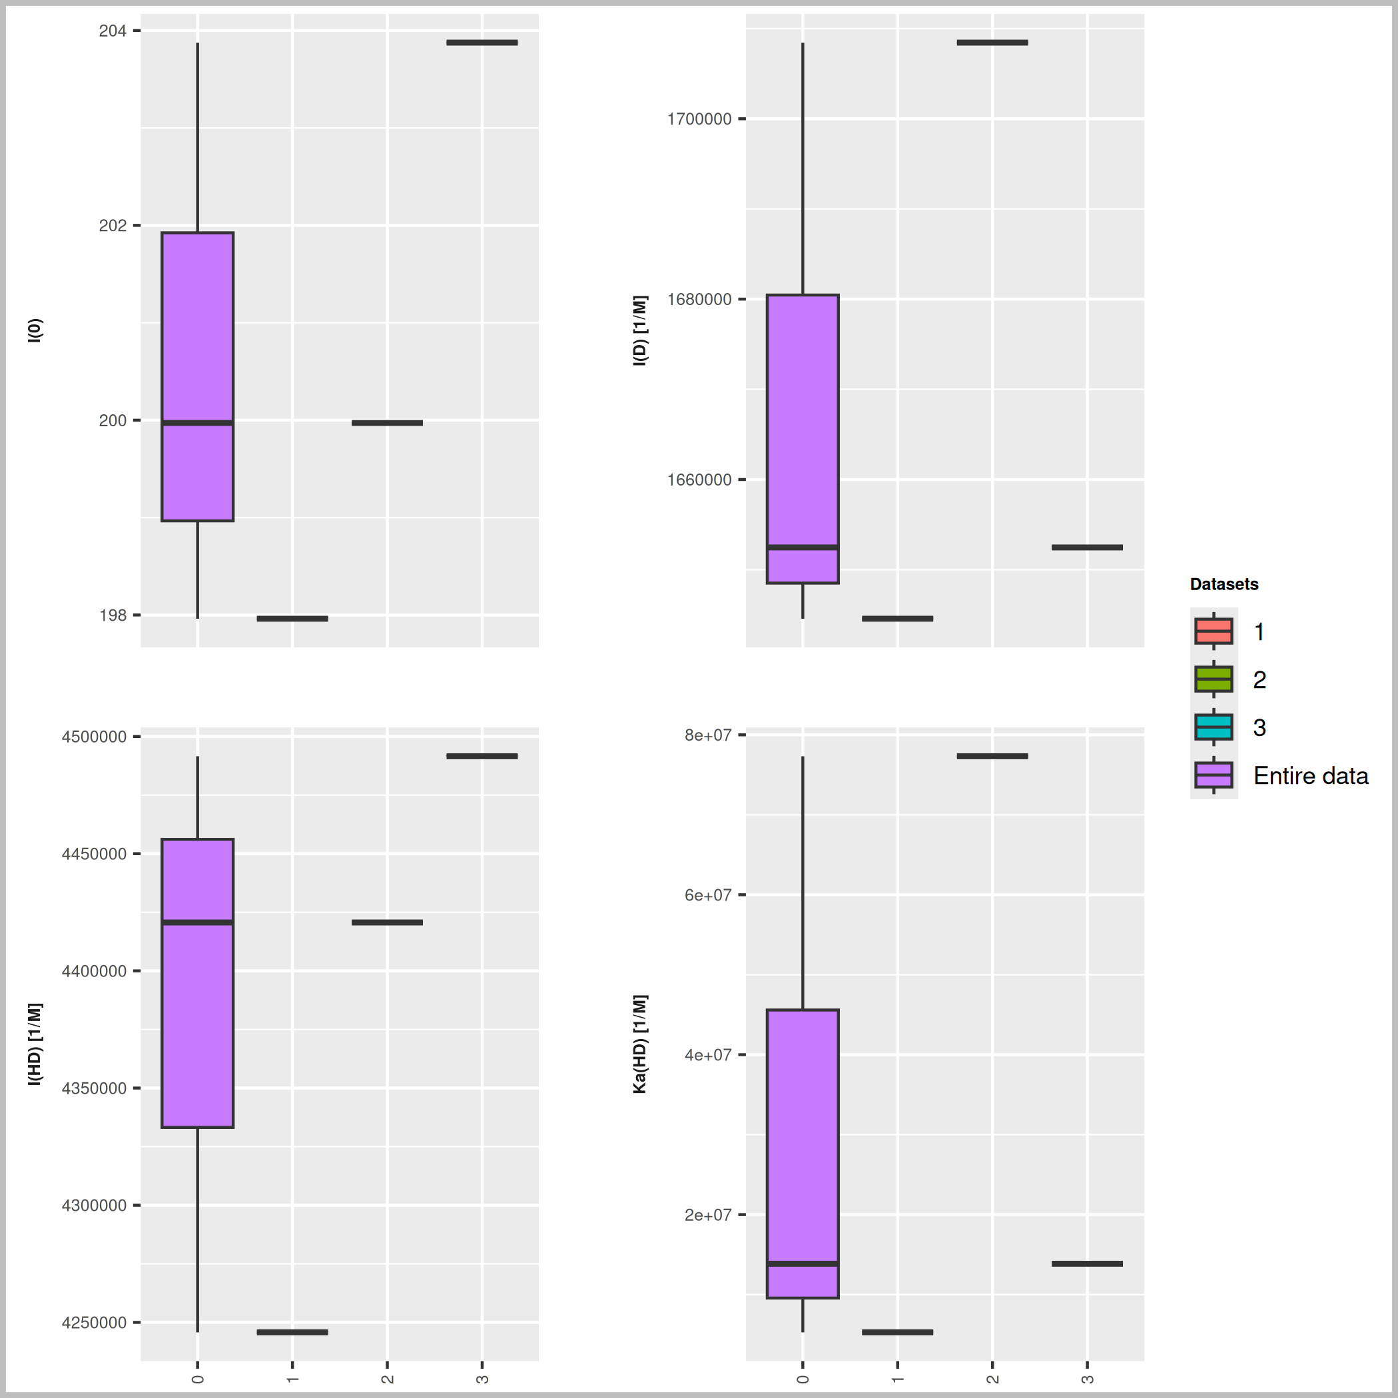

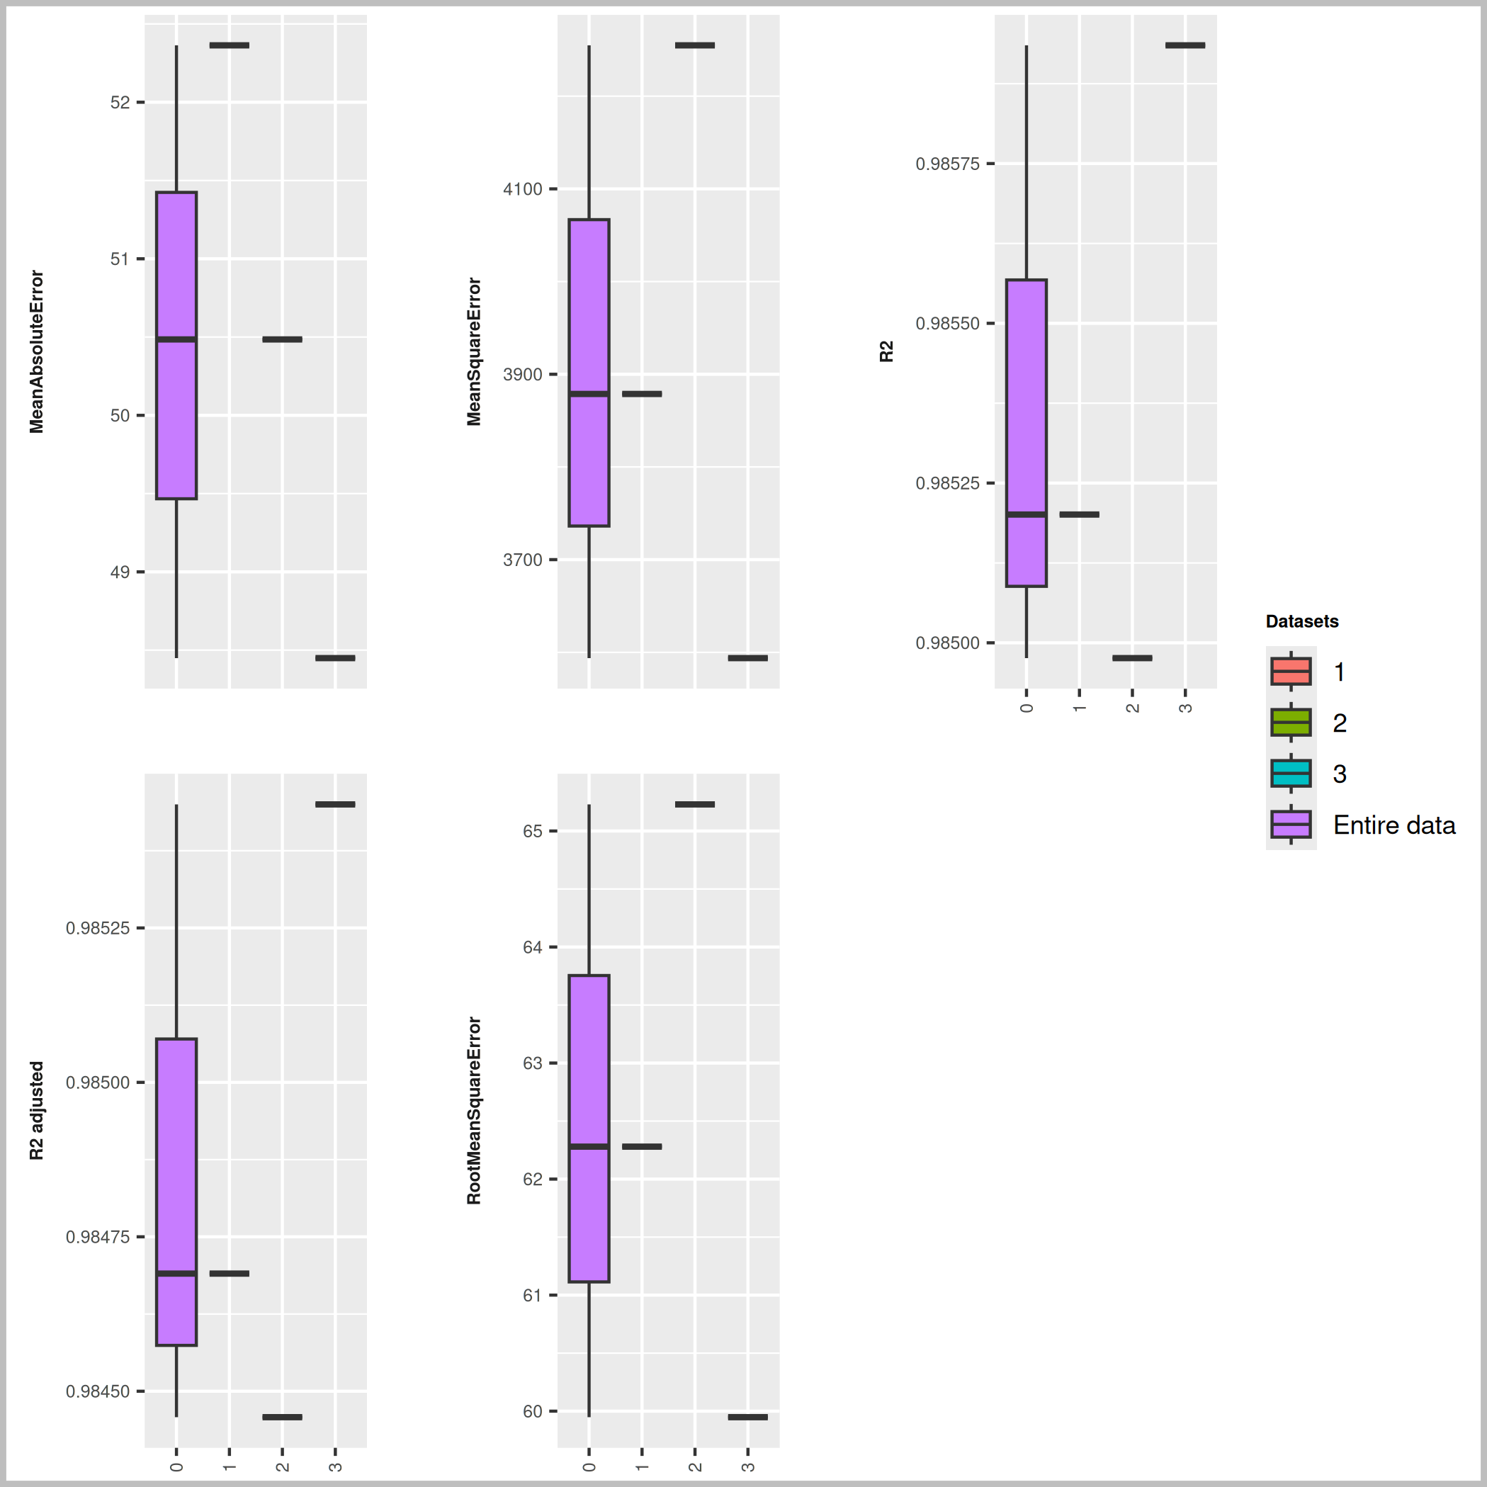

Host [M] | npop | ngen | Topology
0.000151 | 40 | 1000 | random

Seeds
996902
207053
107807

platform | arch | os | system | status | major | minor | year | month | day | svn.rev | language | version.string | nickname
x86_64-pc-linux-gnu | x86_64 | linux-gnu | x86_64, linux-gnu |  | 4 | 3.3 | 2024 | 02 | 29 | 86002 | R | R version 4.3.3 (2024-02-29) | Angel Food Cake

tsf version: 0.1

