Results
Model: GDA

total Dye measured [M] | Signal measured | Signal simulated | free Dye simulated [M] | Host-Dye simulated [M] | repetition | dataset
0 | 228.443 | 3.2957429163E-06 | 6.1908776472E-17 | 9.3809122353E-16 | 1 | 1
4.995E-07 | 1627.786921 | 1593.0950737 | 4.6045787918E-08 | 4.5345421208E-07 | 1 | 1
9.98004E-07 | 2927.513933 | 2994.9319014 | 1.4553479837E-07 | 8.5246920163E-07 | 1 | 1
1.495513E-06 | 3995.442539 | 4042.9837535 | 3.447291939E-07 | 1.1507838061E-06 | 1 | 1
1.992032E-06 | 4670.517169 | 4675.2571951 | 6.6127961573E-07 | 1.3307523843E-06 | 1 | 1
2.487562E-06 | 5031.619607 | 5019.7358609 | 1.0587581532E-06 | 1.4288038468E-06 | 1 | 1
2.982107E-06 | 5234.693753 | 5215.3165197 | 1.4976336109E-06 | 1.4844733891E-06 | 1 | 1
3.47567E-06 | 5341.393112 | 5336.1698401 | 1.9567972533E-06 | 1.5188727467E-06 | 1 | 1
3.968254E-06 | 5415.192247 | 5416.799898 | 2.4264309347E-06 | 1.5418230653E-06 | 1 | 1
4.459861E-06 | 5482.162607 | 5473.9422244 | 2.9017730997E-06 | 1.5580879003E-06 | 1 | 1
4.950495E-06 | 5517.788764 | 5516.3708095 | 3.3803303436E-06 | 1.5701646564E-06 | 1 | 1
5.440158E-06 | 5544.915978 | 5549.0405841 | 3.8606943086E-06 | 1.5794636914E-06 | 1 | 1
5.928854E-06 | 5566.789281 | 5574.9331385 | 4.3420203229E-06 | 1.5868336771E-06 | 1 | 1
6.416584E-06 | 5571.692629 | 5595.9394535 | 4.823771143E-06 | 1.592812857E-06 | 1 | 1
6.903353E-06 | 5586.171506 | 5613.3126978 | 5.3055950704E-06 | 1.5977579296E-06 | 1 | 1
7.389163E-06 | 5593.866011 | 5627.9140989 | 5.7872489677E-06 | 1.6019140323E-06 | 1 | 1
0 | 228.443 | 227.41236111 | 3.4423846677E-17 | 9.6557615332E-16 | 1 | 2
4.995E-07 | 1627.786921 | 1649.8287319 | 2.382735372E-08 | 4.7567264628E-07 | 1 | 2
9.98004E-07 | 2927.513933 | 2990.9487727 | 7.4733159661E-08 | 9.2327084034E-07 | 1 | 2
1.495513E-06 | 3995.442539 | 4089.3140049 | 2.0853943342E-07 | 1.2869735666E-06 | 1 | 2
1.992032E-06 | 4670.517169 | 4693.860403 | 5.1205161557E-07 | 1.4799803844E-06 | 1 | 2
2.487562E-06 | 5031.619607 | 4949.3995116 | 9.3520509269E-07 | 1.5523569073E-06 | 1 | 2
2.982107E-06 | 5234.693753 | 5085.3143892 | 1.3986994676E-06 | 1.5834075324E-06 | 1 | 2
3.47567E-06 | 5341.393112 | 5178.8296705 | 1.8758389906E-06 | 1.5998310094E-06 | 1 | 2
3.968254E-06 | 5415.192247 | 5253.7192628 | 2.3584074135E-06 | 1.6098465865E-06 | 1 | 2
4.459861E-06 | 5482.162607 | 5318.9536449 | 2.8433054402E-06 | 1.6165555598E-06 | 1 | 2
4.950495E-06 | 5517.788764 | 5378.564077 | 3.3291434734E-06 | 1.6213515266E-06 | 1 | 2
5.440158E-06 | 5544.915978 | 5434.6087505 | 3.8152119998E-06 | 1.6249460002E-06 | 1 | 2
5.928854E-06 | 5566.789281 | 5488.2427603 | 4.3011157977E-06 | 1.6277382023E-06 | 1 | 2
6.416584E-06 | 5571.692629 | 5540.162232 | 4.7866152281E-06 | 1.6299687719E-06 | 1 | 2
6.903353E-06 | 5586.171506 | 5590.8115024 | 5.2715618318E-06 | 1.6317911682E-06 | 1 | 2
7.389163E-06 | 5593.866011 | 5640.4868139 | 5.7558552534E-06 | 1.6333077466E-06 | 1 | 2
0 | 228.443 | 186.63039824 | 3.4423846677E-17 | 9.6557615332E-16 | 1 | 3
4.995E-07 | 1627.786921 | 1651.9758887 | 2.382735372E-08 | 4.7567264628E-07 | 1 | 3
9.98004E-07 | 2927.513933 | 3033.9108858 | 7.4733159661E-08 | 9.2327084034E-07 | 1 | 3
1.495513E-06 | 3995.442539 | 4166.8024585 | 2.0853943342E-07 | 1.2869735666E-06 | 1 | 3
1.992032E-06 | 4670.517169 | 4793.0954507 | 5.1205161557E-07 | 1.4799803844E-06 | 1 | 3
2.487562E-06 | 5031.619607 | 5061.3454826 | 9.3520509269E-07 | 1.5523569073E-06 | 1 | 3
2.982107E-06 | 5234.693753 | 5206.8662982 | 1.3986994676E-06 | 1.5834075324E-06 | 1 | 3
3.47567E-06 | 5341.393112 | 5308.8791911 | 1.8758389906E-06 | 1.5998310094E-06 | 1 | 3
3.968254E-06 | 5415.192247 | 5391.7727733 | 2.3584074135E-06 | 1.6098465865E-06 | 1 | 3
4.459861E-06 | 5482.162607 | 5464.7494775 | 2.8433054402E-06 | 1.6165555598E-06 | 1 | 3
4.950495E-06 | 5517.788764 | 5531.9448407 | 3.3291434734E-06 | 1.6213515266E-06 | 1 | 3
5.440158E-06 | 5544.915978 | 5595.4702925 | 3.8152119998E-06 | 1.6249460002E-06 | 1 | 3
5.928854E-06 | 5566.789281 | 5656.5108417 | 4.3011157977E-06 | 1.6277382023E-06 | 1 | 3
6.416584E-06 | 5571.692629 | 5715.7806248 | 4.7866152281E-06 | 1.6299687719E-06 | 1 | 3
6.903353E-06 | 5586.171506 | 5773.735528 | 5.2715618318E-06 | 1.6317911682E-06 | 1 | 3
7.389163E-06 | 5593.866011 | 5830.6794777 | 5.7558552534E-06 | 1.6333077466E-06 | 1 | 3

Ka(HG) [1/M] | I(0) | I(HD) [1/M] | I(D) [1/M] | repetition | dataset
1516267.3702 | 1E-15 | 3513243523.3 | 1E-15 | 1 | 1
10 | 227.41235823 | 2985656470.3 | 93223090.299 | 1 | 2
10 | 186.63039527 | 3075167987 | 107951531.06 | 1 | 3

Ka(HG) [1/M] | I(0) | I(HD) [1/M] | I(D) [1/M] | info
10 | 0 | 0 | 0 | Lower bounds
10000000000 | 10000000000 | 10000000000 | 10000000000 | Upper bounds

MeanSquareError | RootMeanSquareError | MeanAbsoluteError | R2 | R2 adjusted | repetition | dataset
3962.5535783 | 62.948817132 | 33.016803762 | 0.99912867645 | 0.99906643905 | 1 | 1
10186.843165 | 100.92989233 | 83.339779235 | 0.99752389694 | 0.99734703243 | 1 | 2
11527.408117 | 107.3657679 | 82.508375894 | 0.99724517948 | 0.99704840659 | 1 | 3

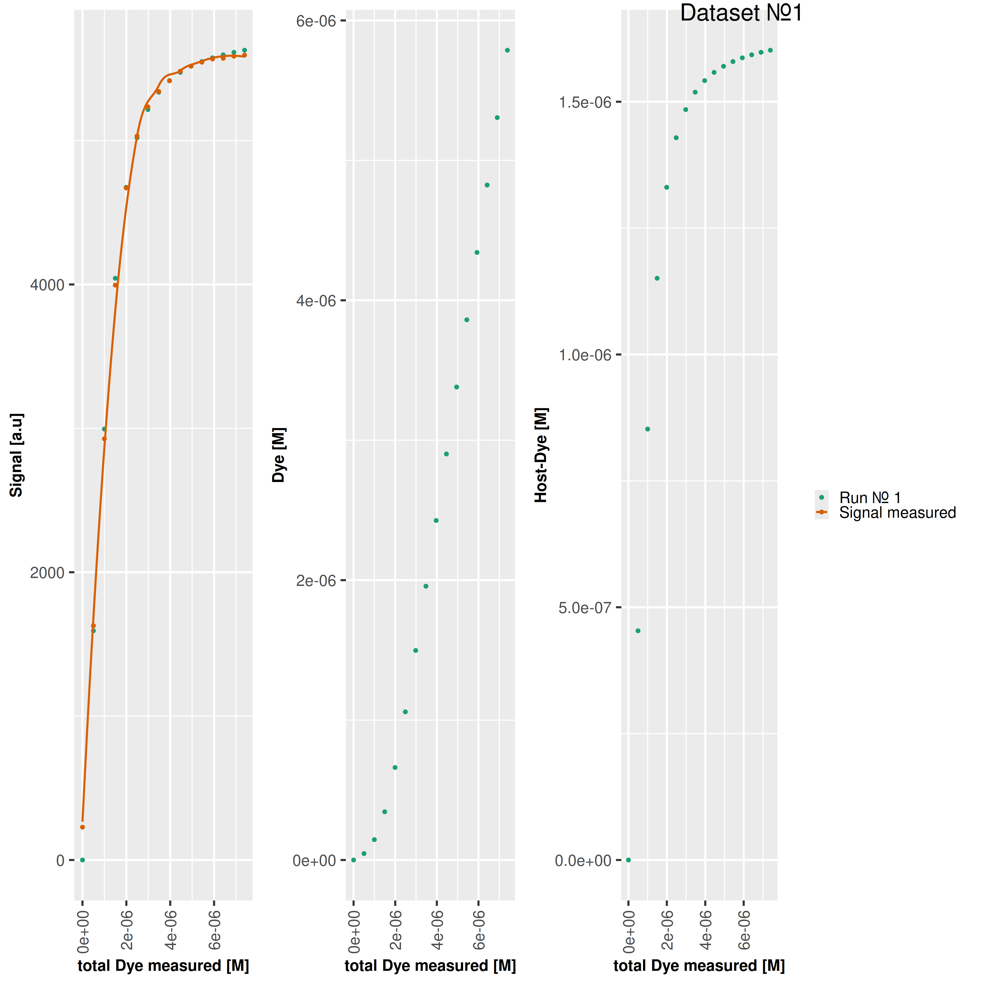

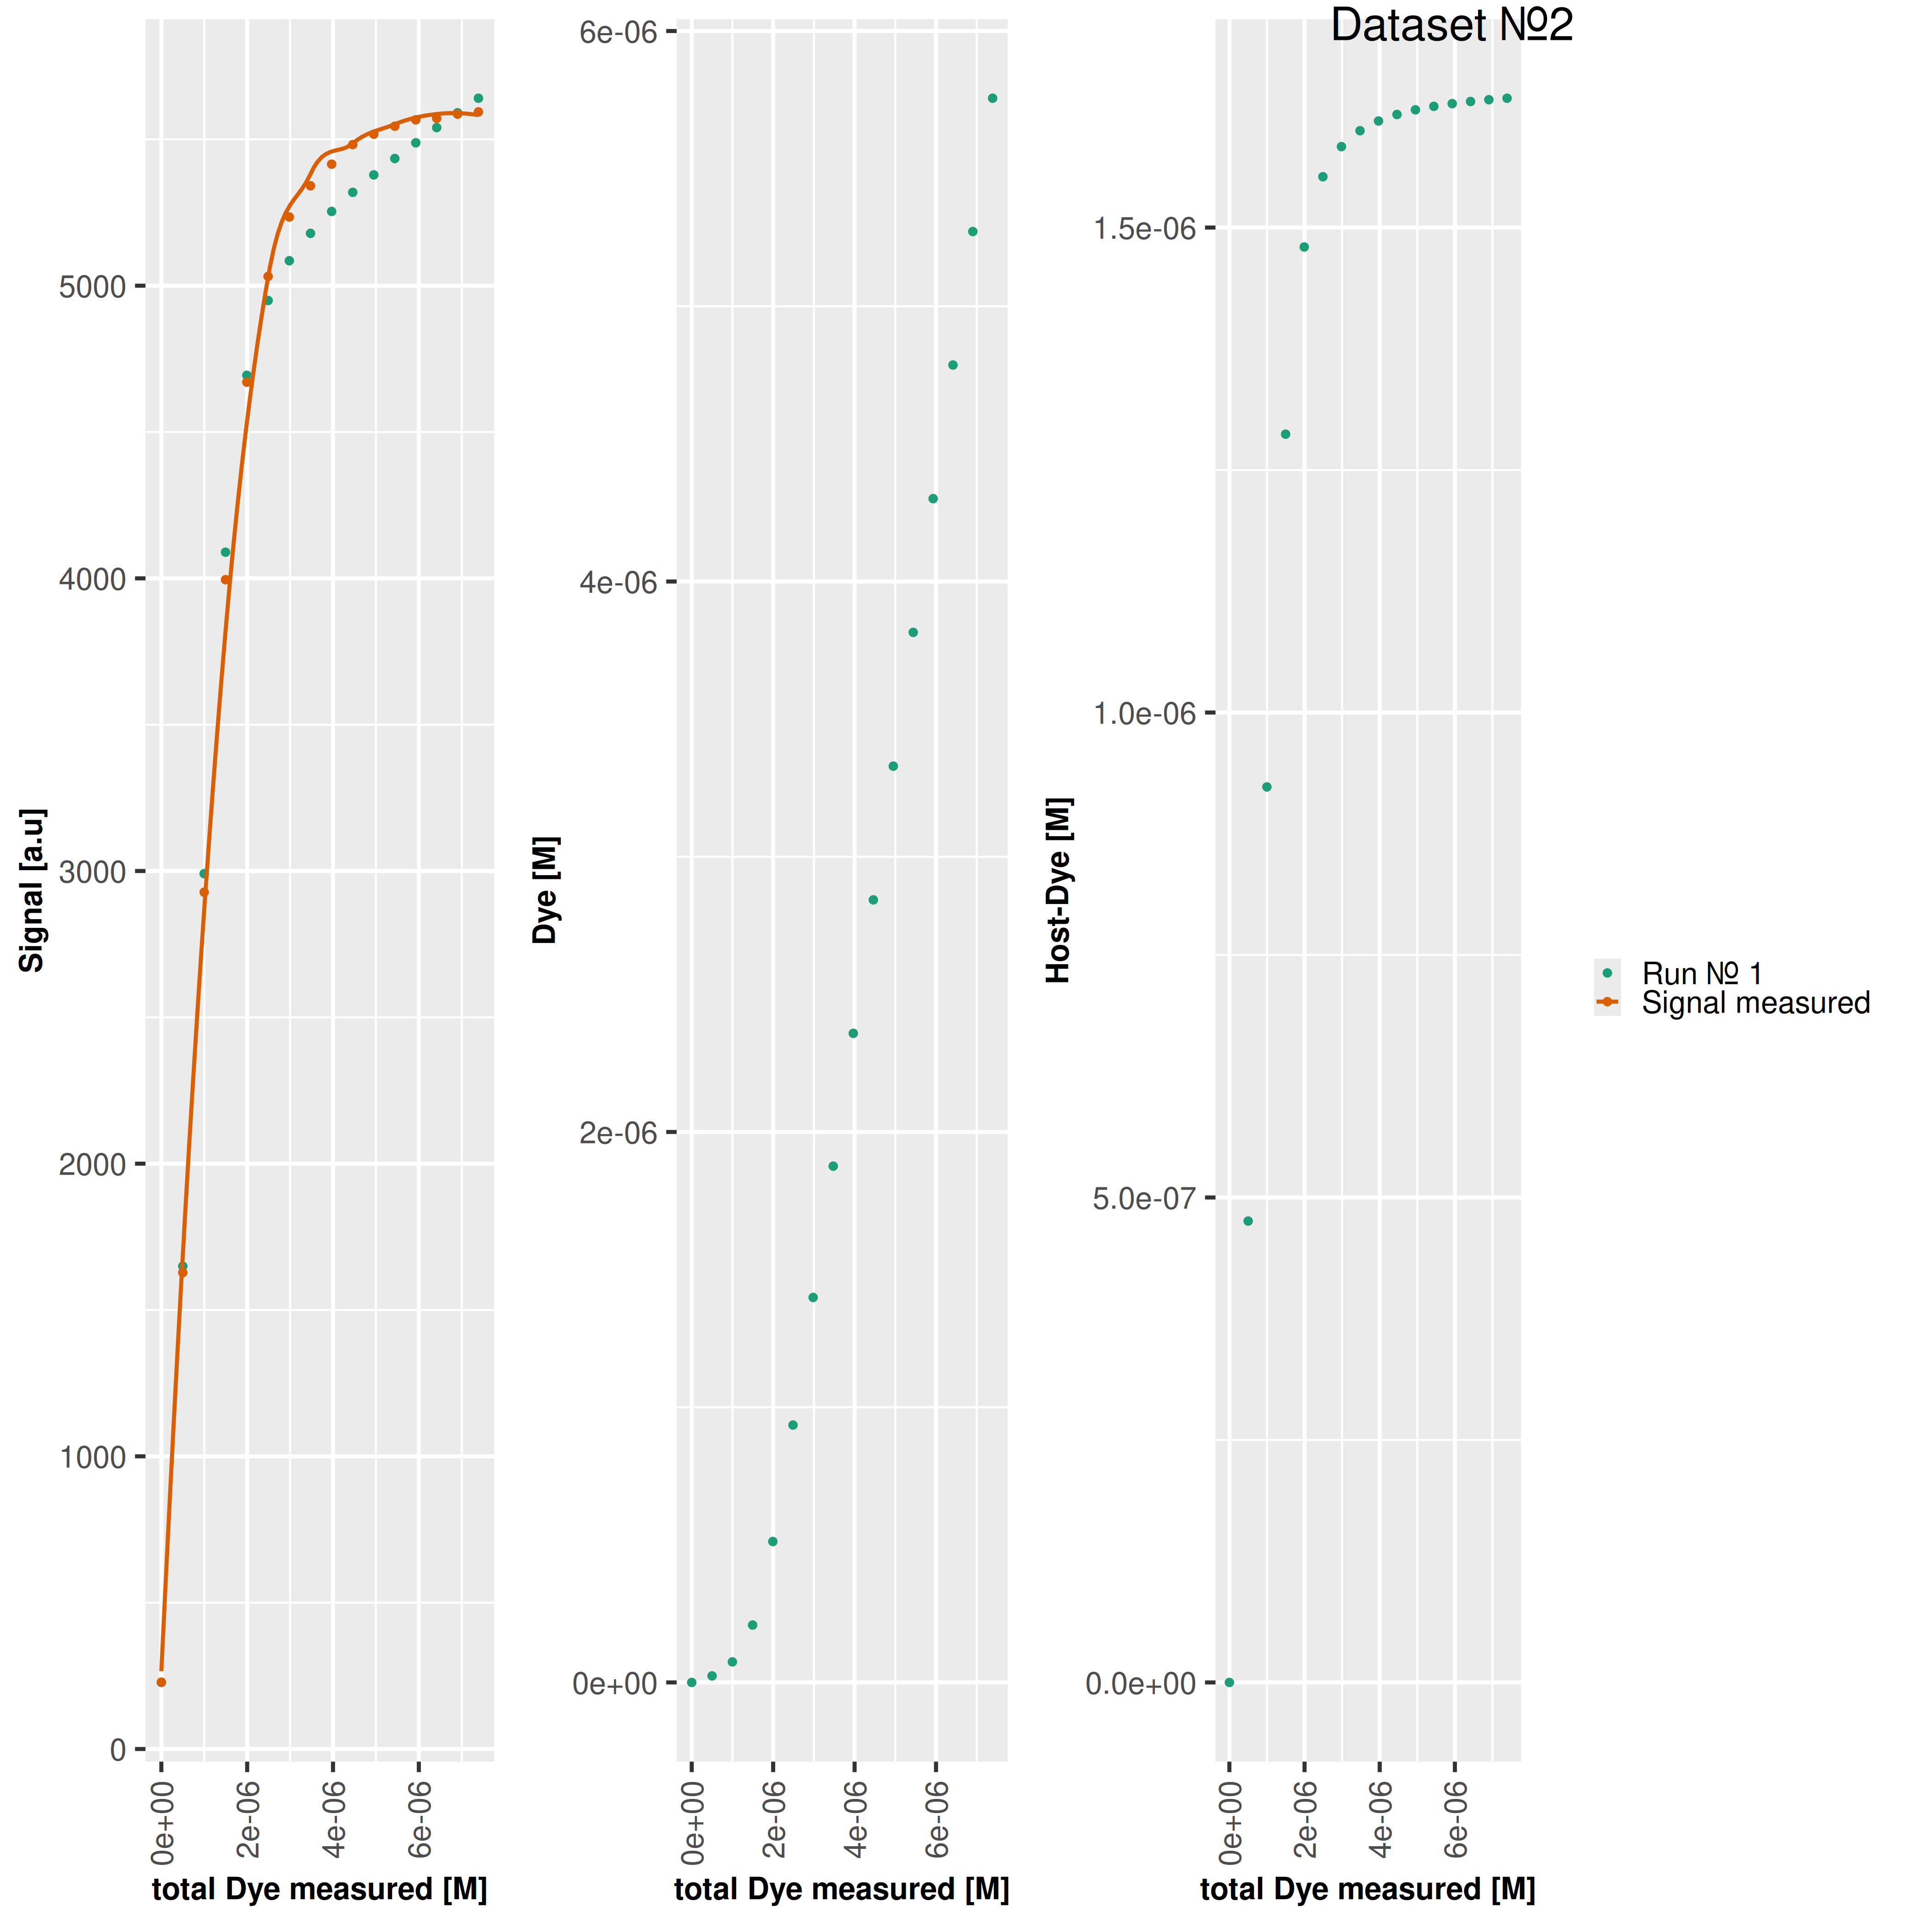



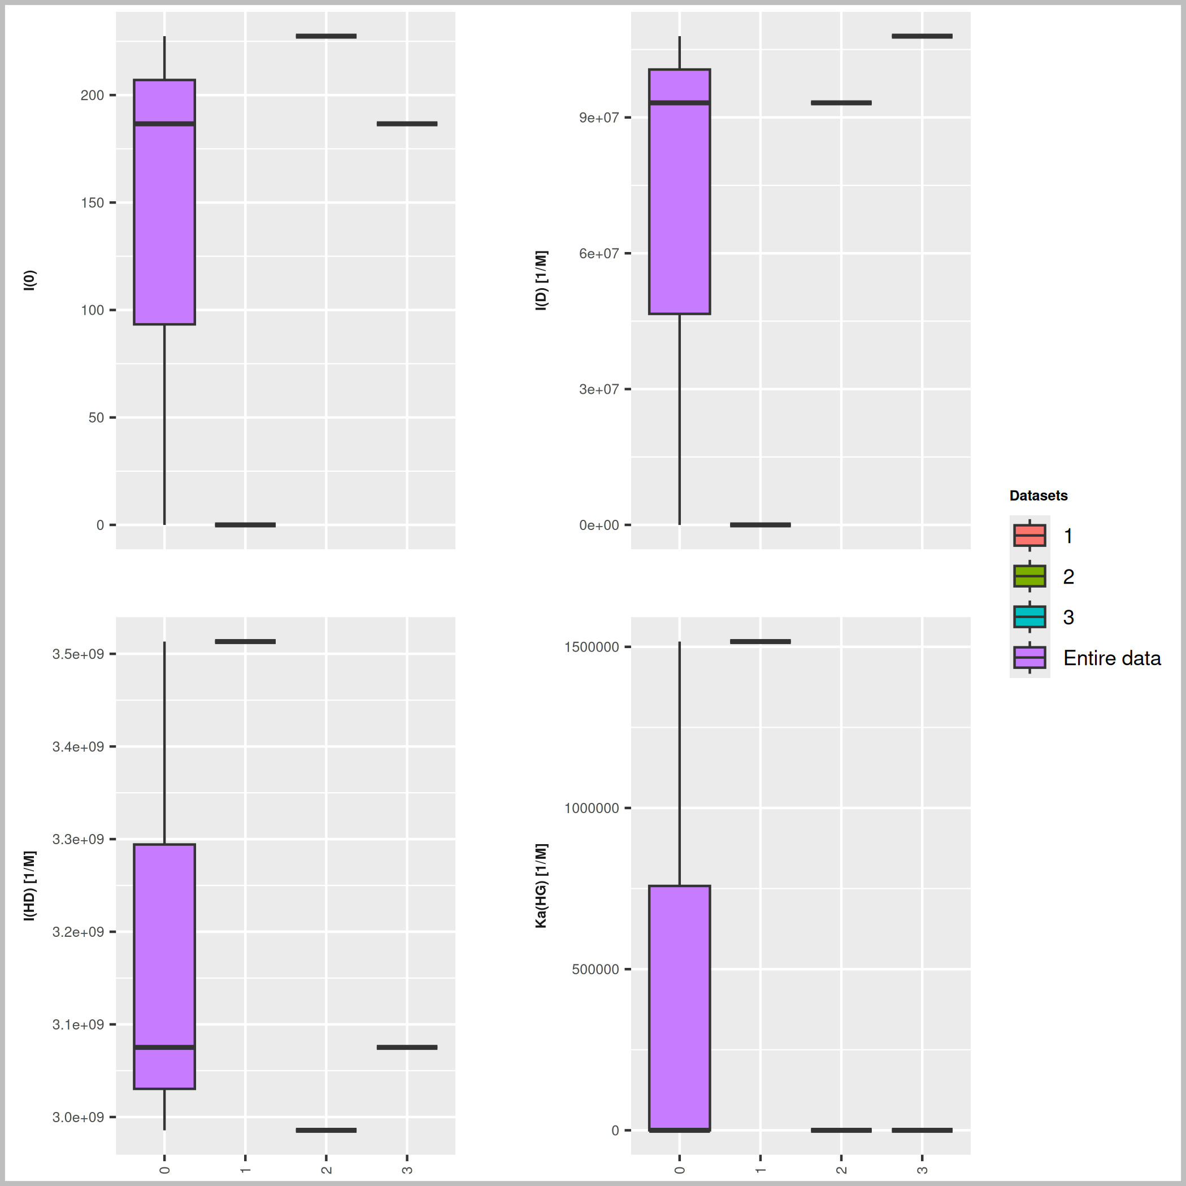

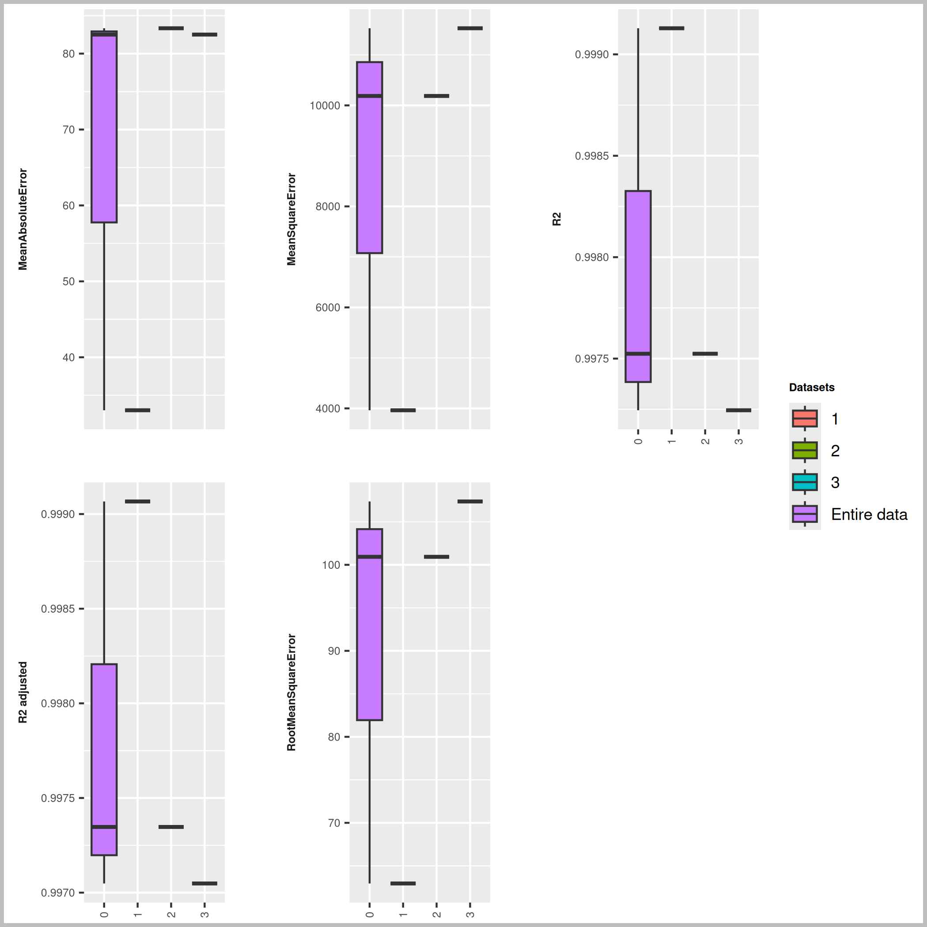

Host [M] | Guest [M] | Ka(HD) [1/M] | npop | ngen | Topology
0.00000165 | 0.00000132 | 17000000 | 40 | 1000 | random

Seeds
888193
319806
546833

platform | arch | os | system | status | major | minor | year | month | day | svn.rev | language | version.string | nickname
x86_64-pc-linux-gnu | x86_64 | linux-gnu | x86_64, linux-gnu |  | 4 | 3.3 | 2024 | 02 | 29 | 86002 | R | R version 4.3.3 (2024-02-29) | Angel Food Cake

tsf version: 0.1

