Results
Model: IDA

total Guest measured [M] | Signal measured | Signal simulated | free Dye simulated [M] | Host-Dye simulated [M] | repetition | dataset
0 | 0.652593163 | 0.52717281395 | 4.3425854621E-07 | 5.6574145379E-07 | 1 | 1
0.0000001 | 0.625830834 | 0.50951429997 | 4.64477821E-07 | 5.35522179E-07 | 1 | 1
0.0000002 | 0.59760106 | 0.4913624002 | 4.9554143418E-07 | 5.0445856582E-07 | 1 | 1
0.0000003 | 0.568336413 | 0.47302715615 | 5.2691880711E-07 | 4.7308119289E-07 | 1 | 1
0.0000004 | 0.538605992 | 0.45484098778 | 5.5804106464E-07 | 4.4195893536E-07 | 1 | 1
0.0000005 | 0.509076212 | 0.4371253218 | 5.883581445E-07 | 4.116418555E-07 | 1 | 1
0.0000006 | 0.480442809 | 0.42015922907 | 6.1739246863E-07 | 3.8260753137E-07 | 1 | 1
0.0000007 | 0.453345361 | 0.40415714118 | 6.447770771E-07 | 3.552229229E-07 | 1 | 1
0.0000008 | 0.428286524 | 0.38925933014 | 6.7027192033E-07 | 3.2972807967E-07 | 1 | 1
0.0000009 | 0.40558051 | 0.37553457699 | 6.9375929235E-07 | 3.0624070765E-07 | 1 | 1
0.000001 | 0.385344585 | 0.36299138097 | 7.1522464825E-07 | 2.8477535175E-07 | 1 | 1
0.0000011 | 0.367529159 | 0.35159310138 | 7.3473069184E-07 | 2.6526930816E-07 | 1 | 1
0.0000012 | 0.351968717 | 0.34127319498 | 7.5239129951E-07 | 2.4760870049E-07 | 1 | 1
0.0000013 | 0.338434288 | 0.331948226 | 7.6834925614E-07 | 2.3165074386E-07 | 1 | 1
0.0000014 | 0.3266753 | 0.32352774966 | 7.8275934119E-07 | 2.1724065881E-07 | 1 | 1
0.0000015 | 0.316447156 | 0.31592112395 | 7.957766717E-07 | 2.042233283E-07 | 1 | 1
0.0000016 | 0.307526286 | 0.30904177197 | 8.0754940796E-07 | 1.9245059204E-07 | 1 | 1
0.0000017 | 0.299716359 | 0.30280954399 | 8.182147114E-07 | 1.817852886E-07 | 1 | 1
0.0000018 | 0.292849146 | 0.29715177294 | 8.2789693825E-07 | 1.7210306175E-07 | 1 | 1
0.0000019 | 0.286782597 | 0.29200349327 | 8.3670726501E-07 | 1.6329273499E-07 | 1 | 1
0.000002 | 0.281397733 | 0.28730716318 | 8.4474416379E-07 | 1.5525583621E-07 | 1 | 1
0.0000021 | 0.276595271 | 0.2830121207 | 8.5209433319E-07 | 1.4790566681E-07 | 1 | 1
0.0000022 | 0.272292426 | 0.27907392154 | 8.5883383135E-07 | 1.4116616865E-07 | 1 | 1
0.0000023 | 0.268420086 | 0.275453649 | 8.6502925702E-07 | 1.3497074298E-07 | 1 | 1
0.0000024 | 0.264920412 | 0.27211724723 | 8.7073889046E-07 | 1.2926110954E-07 | 1 | 1
0.0000025 | 0.261744829 | 0.26903490482 | 8.7601374837E-07 | 1.2398625163E-07 | 1 | 1
0.0000026 | 0.258852387 | 0.26618050014 | 8.8089853312E-07 | 1.1910146688E-07 | 1 | 1
0.0000027 | 0.256208419 | 0.26353111091 | 8.8543247189E-07 | 1.1456752811E-07 | 1 | 1
0.0000028 | 0.253783444 | 0.26106658582 | 8.8965004993E-07 | 1.1034995007E-07 | 1 | 1
0.0000029 | 0.251552283 | 0.25876917299 | 8.9358164631E-07 | 1.0641835369E-07 | 1 | 1
0.000003 | 0.249493336 | 0.25662319943 | 8.9725408245E-07 | 1.0274591755E-07 | 1 | 1
0.0000031 | 0.24758799 | 0.25461479528 | 9.0069109401E-07 | 9.930890599E-08 | 1 | 1
0.0000032 | 0.245820143 | 0.25273165703 | 9.0391373622E-07 | 9.6086263784E-08 | 1 | 1
0.0000033 | 0.244175803 | 0.25096284414 | 9.0694073173E-07 | 9.3059268269E-08 | 1 | 1
0.0000034 | 0.242642769 | 0.24929860457 | 9.0978876941E-07 | 9.0211230593E-08 | 1 | 1
0.0000035 | 0.241210354 | 0.24773022469 | 9.1247276097E-07 | 8.7527239028E-08 | 1 | 1
0.0000036 | 0.23986917 | 0.2462499003 | 9.1500606188E-07 | 8.4993938122E-08 | 1 | 1
0.0000037 | 0.238610935 | 0.2448506254 | 9.174006616E-07 | 8.25993384E-08 | 1 | 1
0.0000038 | 0.237428323 | 0.24352609621 | 9.1966734789E-07 | 8.033265211E-08 | 1 | 1
0.0000039 | 0.236314829 | 0.24227062816 | 9.2181584884E-07 | 7.8184151161E-08 | 1 | 1
0.000004 | 0.235264662 | 0.24107908395 | 9.2385495599E-07 | 7.6145044013E-08 | 1 | 1
0.0000041 | 0.23427265 | 0.23994681106 | 9.2579263124E-07 | 7.4207368763E-08 | 1 | 1
0.0000042 | 0.23333416 | 0.23886958742 | 9.2763609991E-07 | 7.2363900092E-08 | 1 | 1
0.0000043 | 0.232445033 | 0.23784357392 | 9.293919319E-07 | 7.0608068097E-08 | 1 | 1
0.0000044 | 0.231601522 | 0.236865273 | 9.3106611266E-07 | 6.8933887337E-08 | 1 | 1
0.0000045 | 0.230800248 | 0.23593149229 | 9.3266410533E-07 | 6.7335894667E-08 | 1 | 1
0.0000046 | 0.230038151 | 0.23503931273 | 9.3419090535E-07 | 6.5809094652E-08 | 1 | 1
0.0000047 | 0.229312458 | 0.23418606049 | 9.3565108846E-07 | 6.4348911541E-08 | 1 | 1
0.0000048 | 0.228620648 | 0.23336928224 | 9.3704885309E-07 | 6.2951146907E-08 | 1 | 1
0.0000049 | 0.227960426 | 0.23258672327 | 9.3838805778E-07 | 6.1611942223E-08 | 1 | 1
0.000006 | 0.227329698 | 0.22574222437 | 9.5010114946E-07 | 4.9898850543E-08 | 1 | 1
0 | 0.652593163 | 0.62595941451 | 4.3425854623E-07 | 5.6574145377E-07 | 1 | 2
0.0000001 | 0.625830834 | 0.60091982518 | 4.6712745085E-07 | 5.3287254915E-07 | 1 | 2
0.0000002 | 0.59760106 | 0.57464135657 | 5.0162260438E-07 | 4.9837739562E-07 | 1 | 2
0.0000003 | 0.568336413 | 0.54754664554 | 5.3718922094E-07 | 4.6281077906E-07 | 1 | 2
0.0000004 | 0.538605992 | 0.52016736363 | 5.7312938728E-07 | 4.2687061272E-07 | 1 | 2
0.0000005 | 0.509076212 | 0.49310055753 | 6.0865937366E-07 | 3.9134062634E-07 | 1 | 2
0.0000006 | 0.480442809 | 0.46694436725 | 6.4299401519E-07 | 3.5700598481E-07 | 1 | 2
0.0000007 | 0.453345361 | 0.44222670281 | 6.7544033625E-07 | 3.2455966375E-07 | 1 | 2
0.0000008 | 0.428286524 | 0.41934597091 | 7.0547535738E-07 | 2.9452464262E-07 | 1 | 2
0.0000009 | 0.40558051 | 0.39854005927 | 7.3278680869E-07 | 2.6721319131E-07 | 1 | 2
0.000001 | 0.385344585 | 0.37988879665 | 7.5726990081E-07 | 2.4273009919E-07 | 1 | 2
0.0000011 | 0.367529159 | 0.36334255353 | 7.7898978127E-07 | 2.2101021873E-07 | 1 | 2
0.0000012 | 0.351968717 | 0.34876290764 | 7.9812815385E-07 | 2.0187184615E-07 | 1 | 2
0.0000013 | 0.338434288 | 0.33596238292 | 8.1493111419E-07 | 1.8506888581E-07 | 1 | 2
0.0000014 | 0.3266753 | 0.3247357688 | 8.2966803753E-07 | 1.7033196247E-07 | 1 | 2
0.0000015 | 0.316447156 | 0.31488104335 | 8.4260411354E-07 | 1.5739588646E-07 | 1 | 2
0.0000016 | 0.307526286 | 0.30621126088 | 8.5398474161E-07 | 1.4601525839E-07 | 1 | 2
0.0000017 | 0.299716359 | 0.29855993354 | 8.6402846658E-07 | 1.3597153342E-07 | 1 | 2
0.0000018 | 0.292849146 | 0.2917823209 | 8.7292528594E-07 | 1.2707471406E-07 | 1 | 2
0.0000019 | 0.286782597 | 0.2857544483 | 8.8083793846E-07 | 1.1916206154E-07 | 1 | 2
0.000002 | 0.281397733 | 0.28037105113 | 8.8790460261E-07 | 1.1209539739E-07 | 1 | 2
0.0000021 | 0.276595271 | 0.27554315715 | 8.9424207024E-07 | 1.0575792976E-07 | 1 | 2
0.0000022 | 0.272292426 | 0.27119569128 | 8.9994889071E-07 | 1.0005110929E-07 | 1 | 2
0.0000023 | 0.268420086 | 0.26726528678 | 9.0510824411E-07 | 9.4891755885E-08 | 1 | 2
0.0000024 | 0.264920412 | 0.2636983719 | 9.097904529E-07 | 9.0209547105E-08 | 1 | 2
0.0000025 | 0.261744829 | 0.26044954065 | 9.1405512047E-07 | 8.5944879535E-08 | 1 | 2
0.0000026 | 0.258852387 | 0.25748018723 | 9.1795292378E-07 | 8.2047076224E-08 | 1 | 2
0.0000027 | 0.256208419 | 0.25475737208 | 9.2152710186E-07 | 7.847289814E-08 | 1 | 2
0.0000028 | 0.253783444 | 0.25225288502 | 9.2481468559E-07 | 7.5185314408E-08 | 1 | 2
0.0000029 | 0.251552283 | 0.24994247308 | 9.2784751128E-07 | 7.2152488724E-08 | 1 | 2
0.000003 | 0.249493336 | 0.24780520439 | 9.3065305571E-07 | 6.9346944288E-08 | 1 | 2
0.0000031 | 0.24758799 | 0.24582294357 | 9.3325512482E-07 | 6.6744875181E-08 | 1 | 2
0.0000032 | 0.245820143 | 0.24397991833 | 9.3567442252E-07 | 6.4325577477E-08 | 1 | 2
0.0000033 | 0.244175803 | 0.24226236056 | 9.3792902189E-07 | 6.2070978105E-08 | 1 | 2
0.0000034 | 0.242642769 | 0.24065820826 | 9.4003475647E-07 | 5.9965243531E-08 | 1 | 2
0.0000035 | 0.241210354 | 0.2391568571 | 9.420055463E-07 | 5.7994453697E-08 | 1 | 2
0.0000036 | 0.23986917 | 0.23774895278 | 9.4385367057E-07 | 5.6146329429E-08 | 1 | 2
0.0000037 | 0.238610935 | 0.23642621682 | 9.4558999627E-07 | 5.4410003735E-08 | 1 | 2
0.0000038 | 0.237428323 | 0.23518129983 | 9.4722417074E-07 | 5.2775829263E-08 | 1 | 2
0.0000039 | 0.236314829 | 0.23400765765 | 9.4876478437E-07 | 5.1235215627E-08 | 1 | 2
0.000004 | 0.235264662 | 0.23289944624 | 9.5021950853E-07 | 4.9780491473E-08 | 1 | 2
0.0000041 | 0.23427265 | 0.23185143225 | 9.5159521286E-07 | 4.8404787136E-08 | 1 | 2
0.0000042 | 0.23333416 | 0.23085891679 | 9.5289806554E-07 | 4.7101934459E-08 | 1 | 2
0.0000043 | 0.232445033 | 0.22991766999 | 9.5413361901E-07 | 4.5866380987E-08 | 1 | 2
0.0000044 | 0.231601522 | 0.22902387483 | 9.5530688377E-07 | 4.4693116234E-08 | 1 | 2
0.0000045 | 0.230800248 | 0.22817407879 | 9.5642239188E-07 | 4.3577608122E-08 | 1 | 2
0.0000046 | 0.230038151 | 0.2273651519 | 9.5748425198E-07 | 4.2515748018E-08 | 1 | 2
0.0000047 | 0.229312458 | 0.22659425046 | 9.5849619693E-07 | 4.1503803074E-08 | 1 | 2
0.0000048 | 0.228620648 | 0.22585878548 | 9.5946162523E-07 | 4.0538374769E-08 | 1 | 2
0.0000049 | 0.227960426 | 0.2251563951 | 9.6038363725E-07 | 3.961636275E-08 | 1 | 2
0.000005 | 0.227329698 | 0.22448492053 | 9.6126506679E-07 | 3.8734933211E-08 | 1 | 2

Ka(HG) [1/M] | I(0) | I(HD) [1/M] | I(D) [1/M] | repetition | dataset
10512544.037 | 1E-15 | 780930.08175 | 196584.02796 | 1 | 1
17414305.966 | 1E-15 | 956778.33857 | 194976.5803 | 1 | 2

Ka(HG) [1/M] | I(0) | I(HD) [1/M] | I(D) [1/M] | info
10 | 0 | 0 | 0 | Lower bounds
100000000 | 100000000 | 100000000 | 100000000 | Upper bounds

MeanSquareError | RootMeanSquareError | MeanAbsoluteError | R2 | R2 adjusted | repetition | dataset
0.0014211441889 | 0.037698066117 | 0.02039139154 | 0.99078021897 | 0.99059206017 | 1 | 1
6.9180421619E-05 | 0.0083174768782 | 0.0050080163004 | 0.99960497667 | 0.99959691497 | 1 | 2

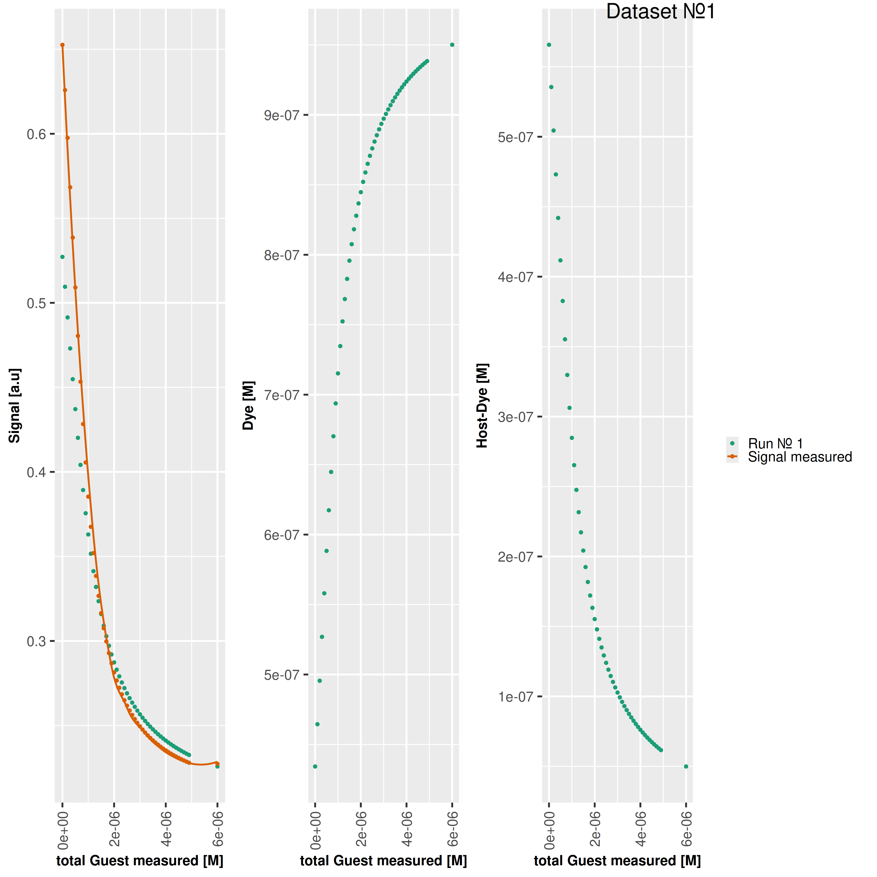

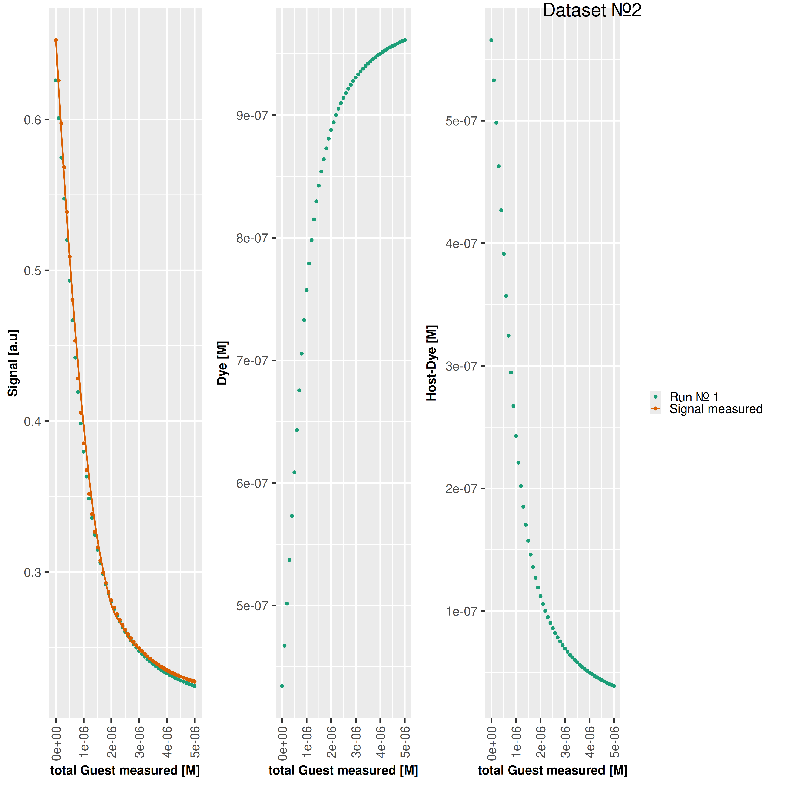

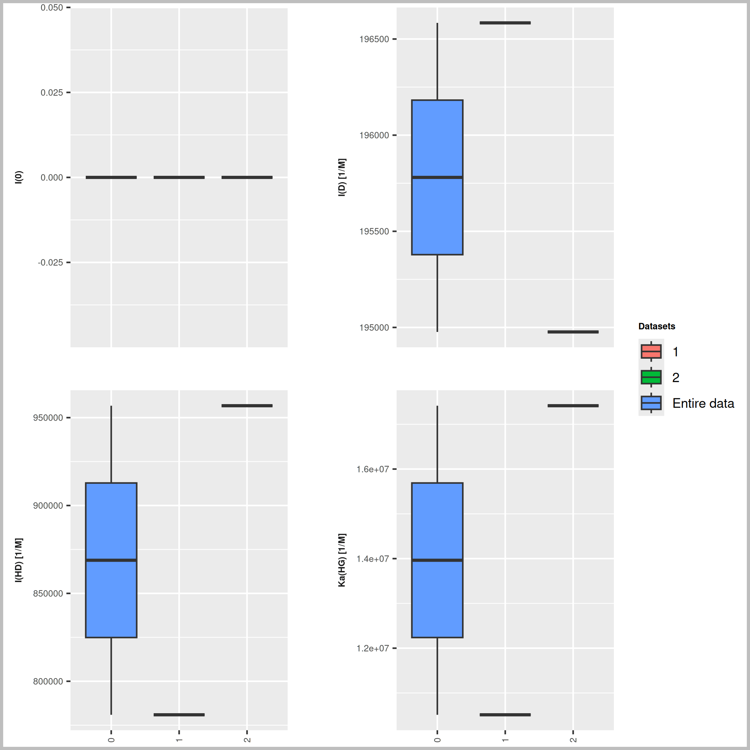

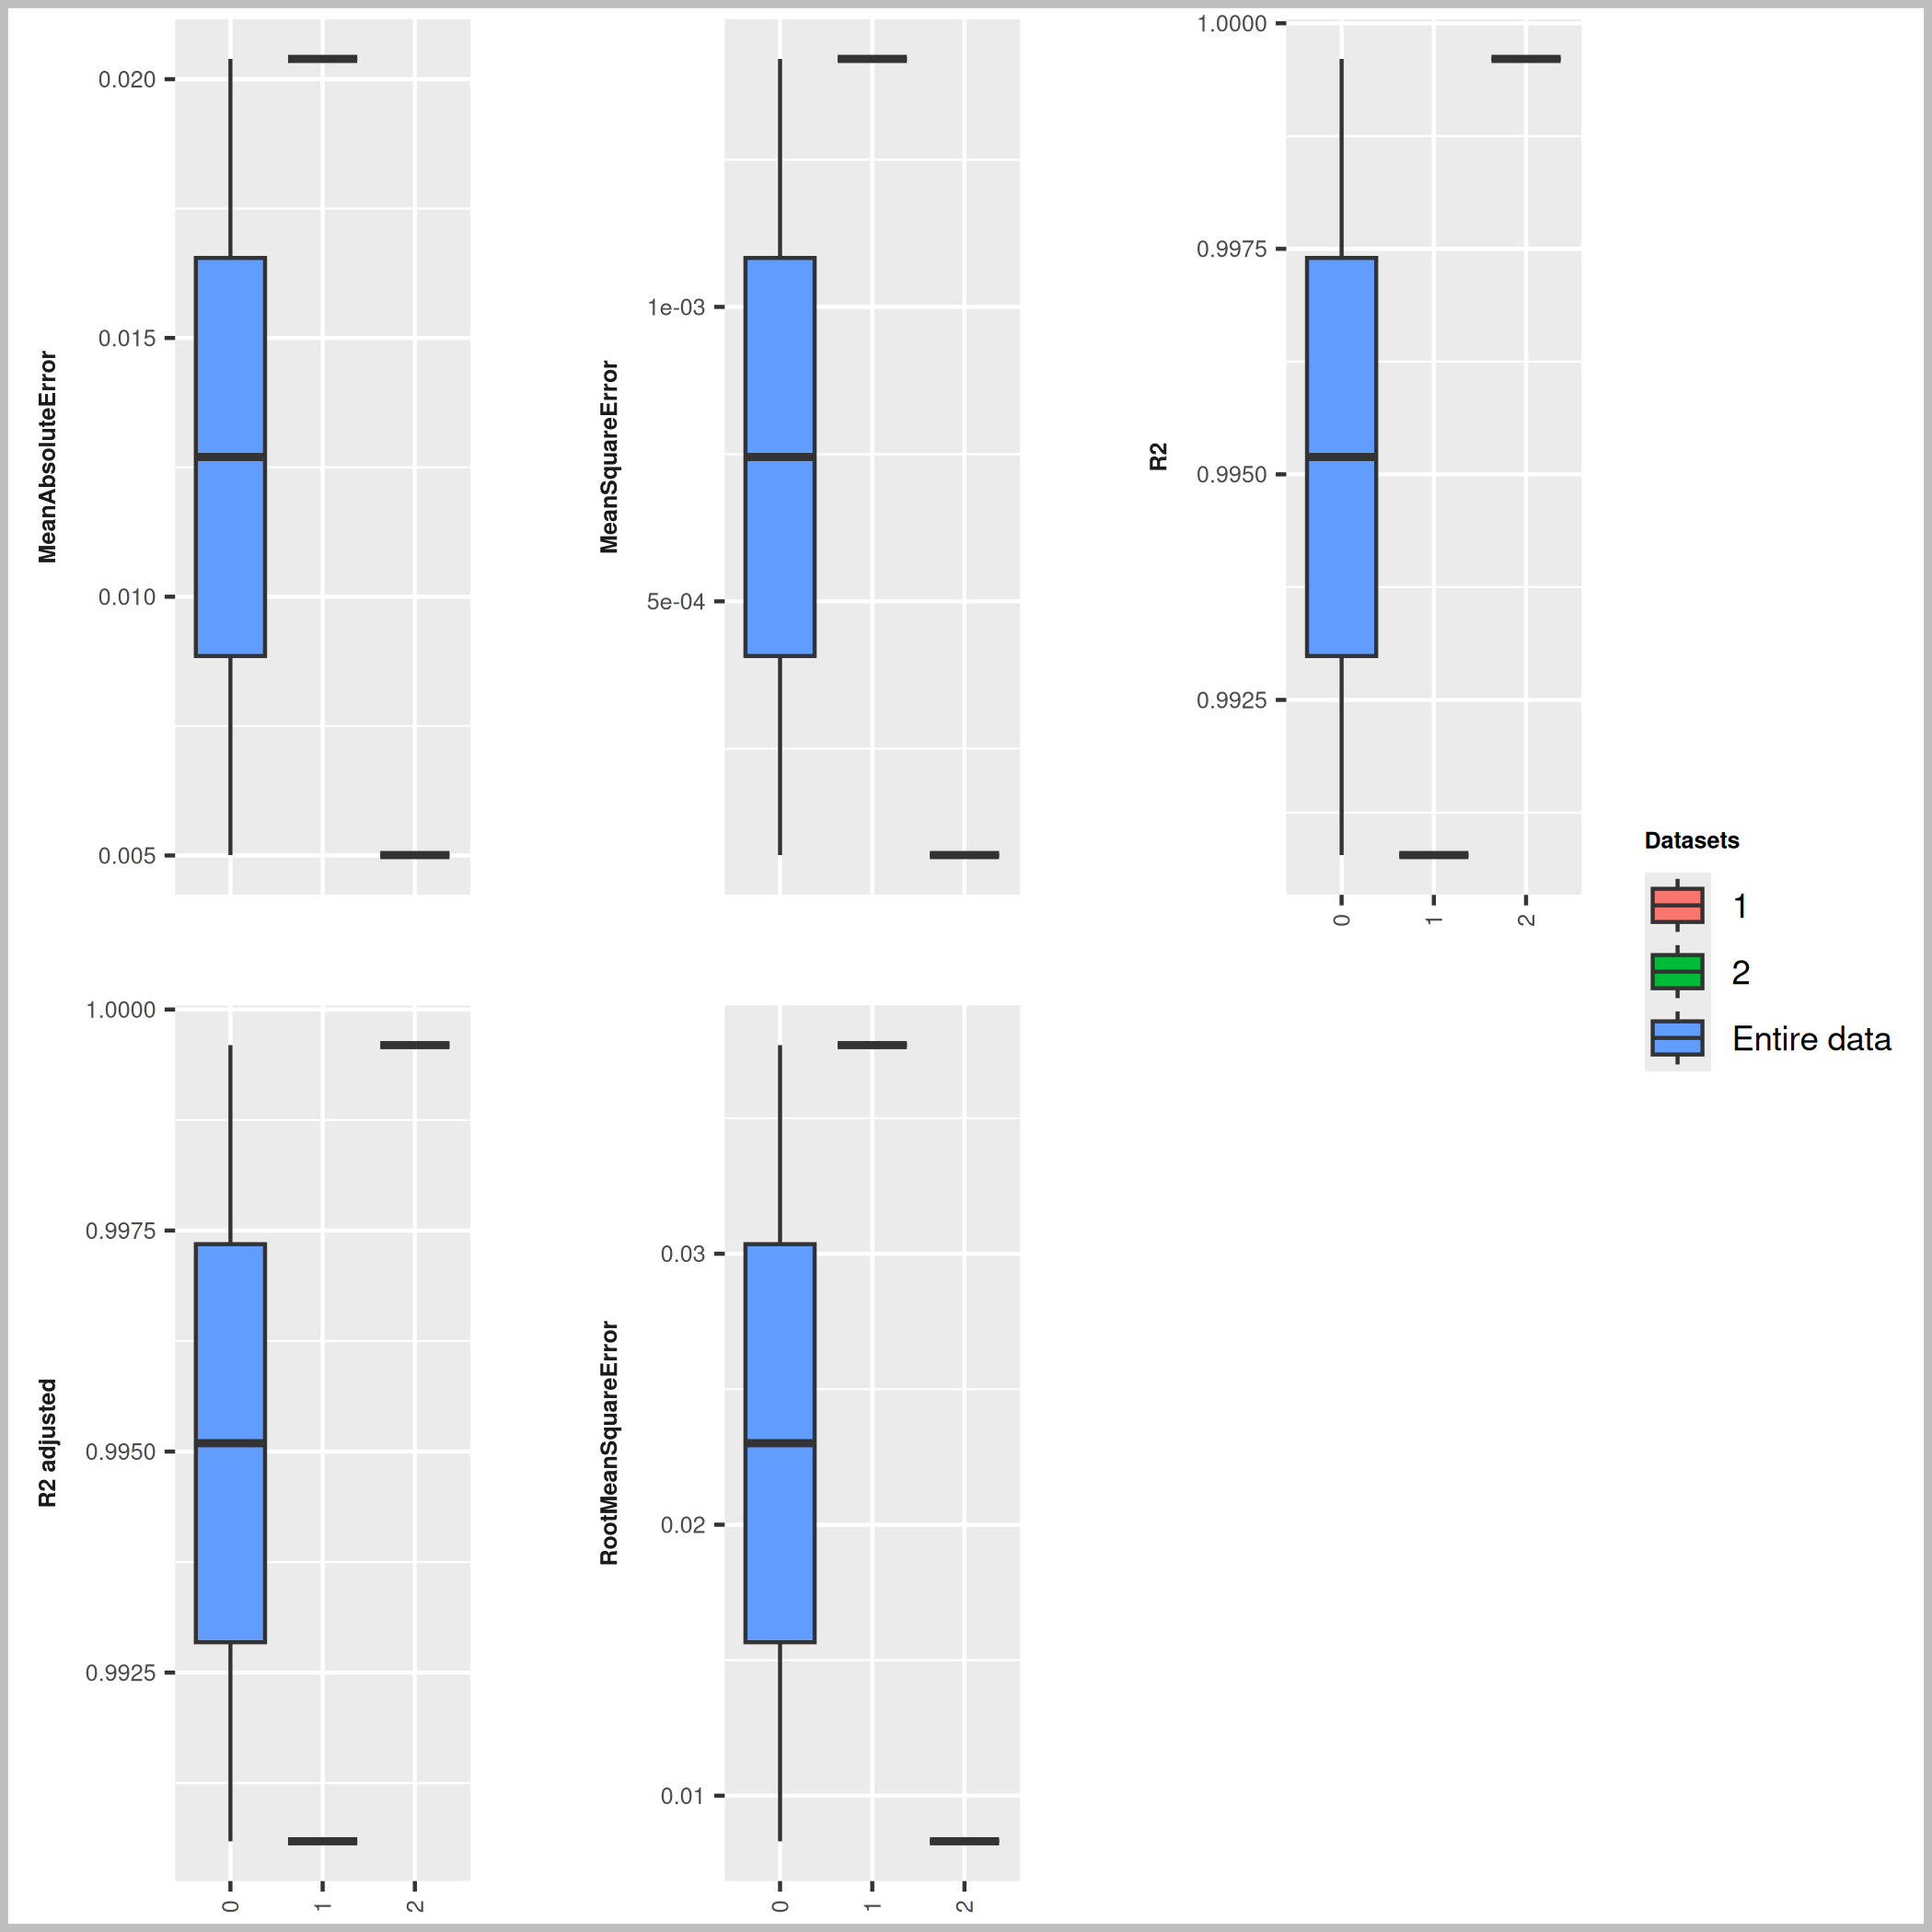

Host [M] | Dye [M] | Ka(HD) [1/M] | npop | ngen | Topology
0.000001 | 0.000001 | 3000000 | 40 | 1000 | random

Seeds
324384
877063

platform | arch | os | system | status | major | minor | year | month | day | svn.rev | language | version.string | nickname
x86_64-pc-linux-gnu | x86_64 | linux-gnu | x86_64, linux-gnu |  | 4 | 3.3 | 2024 | 02 | 29 | 86002 | R | R version 4.3.3 (2024-02-29) | Angel Food Cake

tsf version: 0.1

