Sheet1
E-Vent gear stress and fatigue analysis
Purpose: This spreadsheet is designed to calculate the maximum bending stress experienced by gear teeth. This should be compared to stress – fatigue curves for a given candidate material.
Calculations: Design equations from Shigley & Mischke, Chapter 13 Calculations are for the pinion (small gear) which has smaller tooth faces and must transmit torque for both arms. This spreadsheet focuses on conservative values.
Updated 14 April 2020

Input loads
tau_in | 7.5 | Nm | Input torque per finger required to drive bag | Constants
 |  |  | This will later be multiplied since there are two fingers | 25.4 | mm/inch
 |  |  |  | 6.895 | MPa/kpsi
48T
30T
48T
$$Γ_{in}=7.5 Nm$$
$$Γ_{in}=7.5 Nm$$
$$F$$
$$F$$
$$F_{in}$$
$$F_{in}$$
$$Γ_{motor}$$
Gear description inputs
P | 16 | TPI | Diametral pitch for gear set
P.A. | 14.5 | deg | Pressure angle, not used in this spreadsheet

FW | 0.250 | in | Gear face width
 | 6.35 | mm | Gear face width, metric

n_finger | 48 | teeth | Finger gear - number of teeth
n_pinion | 30 | teeth | Drive pinion - number of teeth

d_finger | 3.000 | in | Finger gear pitch diameter
 | 76.20 | mm | Finger gear pitch diameter, metric
d_pinion | 1.875 | in | Pinion pitch diameter
 | 47.63 | mm | Pinion pitch diameter, metric

Intermediate gear geometry calculations (AGMA standard)
Calculate tooth thickness (base at width of tooth)
Need to know the circular pitch
p | 0.196 | in | circular pitch (distance between teeth)
 | 4.99 | mm | circular pitch, metric
t | 0.098 | in | tooth thickness, found at the pitch line
 | 2.49 | mm | tooth thickness, metric

How long is each tooth? Add dedendum to addendum
a | 0.063 | in | addendum
b | 0.078 | in | dedendum
L | 0.141 | in | tooth length (addendum+dedendum)
 | 3.57 | mm | tooth length (metric)
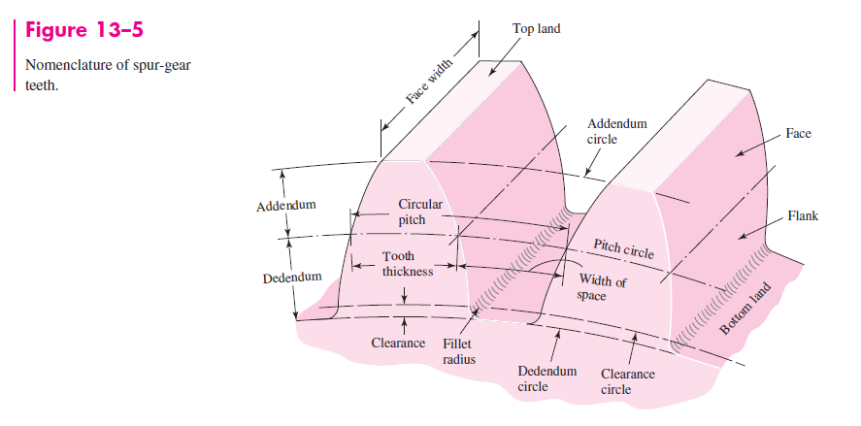
Force required to produce required torque
The pinion must drive the finger with double the torque of a single finger
How much load does the gear tooth experience?
WORST CASE - Assume all load on a single tooth at the tip
tau_finger | 15 | Nm | Driving torque on finger
 | 15000 | Nmm | (convert to N-mm)
r_finger | 38.10 | mm | Finger gear radius (half of gear diameter)
F_tip | 394 | N | Force at pinion tooth tip

What stress does this force cause at the gear root?
Use beam bending calculations
M_max | 1406.25 | N mm | Bending moment on tooth
I_tooth | 8.205 | mm^4 | Area moment of inertia of tooth "beam"
y_max | 1.25 | mm | Location along beam height of max bending stress

sigma_bend | 213.7 | MPa | Max bending stress on beam

There's a fillet at the tooth root - what stress concentration does this entail?
r_f | 0.019 | in | Full-depth tooth root fillet (assumes 20 deg P.A.)
 | 0.48 | mm | Metric
r_f/t | 0.191 |  | Ratio of root fillet, to tooth thickness - needed for stress conc lookup
 | 1.5 |  | Stress concentration factor - from Chart 3.7 in Peterson's Stress Concentration Factors (3rd ed.)

sigma_net | 320.5 | MPa | Max bending stress, with stress concentration factor
 | 46.5 | kpsi | Same, in pound units

Fatigue considerations
First consider aluminum
Aluminium does not have an endurance limit, it will always fatigue, so we have to consult test data

UTS_Al | 310 | MPa | UTS of 6061-T6 Al (measured)
 | 0.4 |  | Endurance limit derating for 500 million cycles (adjusts the alternating stress to reach 500 million cycles)
max. allow | 124 | MPa | Allowable stress to reach 500 million cycles, this is an approximation for infinite life
 | 18.0 | kpsi | Same, in pound units

To use the plot below, find applied stress on the y-axis and read the life from the x-axis or, as an alternative, use the max. allowable stress for "infinite" life and stay below this level
For example, for the 7.5 N-m input (15 N-m total) the stress is 320 MPa. Life can be estimated as 10K cycles.
Since the load is not alternating (no significant load on out stroke), the life can be doubled to 20K cycles.
At 40 breaths per minute, damage would be expected to show up in under a day of cycles.
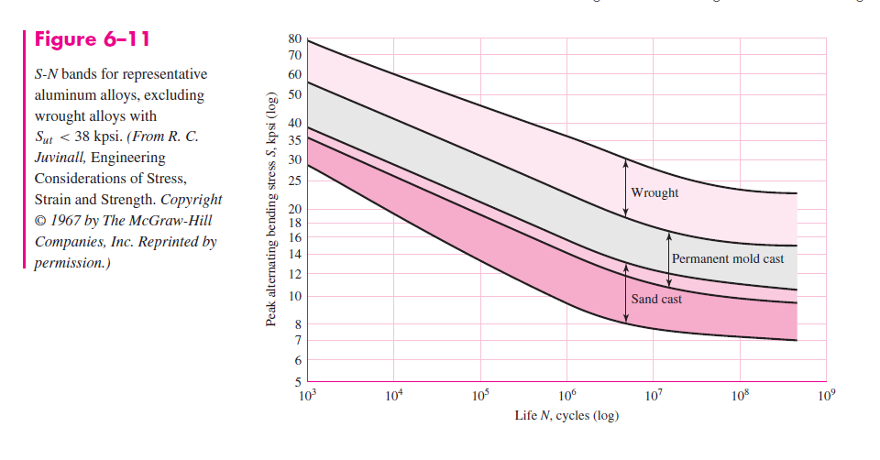
In conclusion, although this is a highly conservative estimate, Aluminium will not survive.
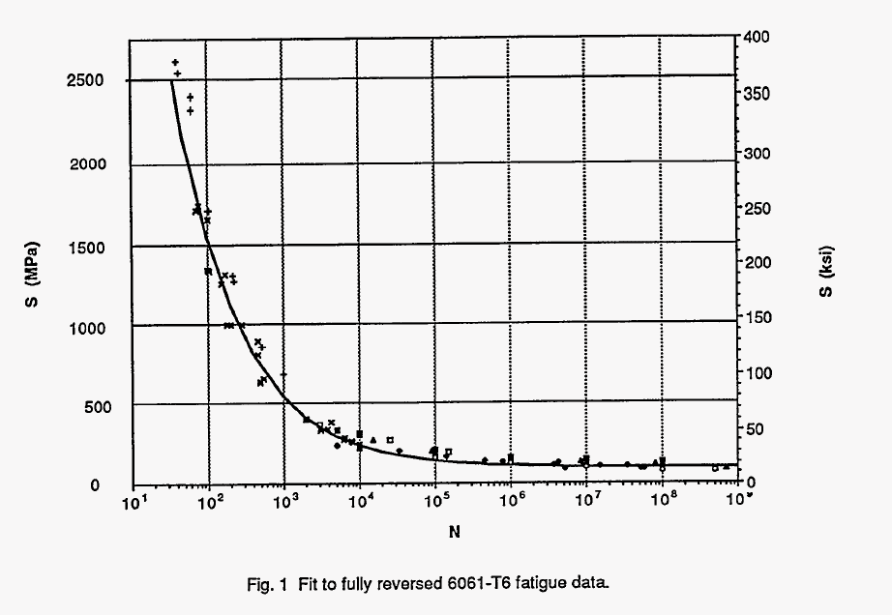

Fatigue data from G.T. Yahr, "Fatigue Design Curves for 6061-T6 Aluminum", Oak Ridge National Laboratory 1993

Next consider steel
The plot below shows fatigue limits for two different types of steel; stress values below these curves are unlikely to cause fatigue.
The alternating stress for non-reversed loads is half the peak stress. (If you imagine the load as a sinusoid - it's the amplitude of the load.)
Half of the peak stress is 160 MPa, which is at the endurance limit of A36 steel, so steel will probably serve in this application.

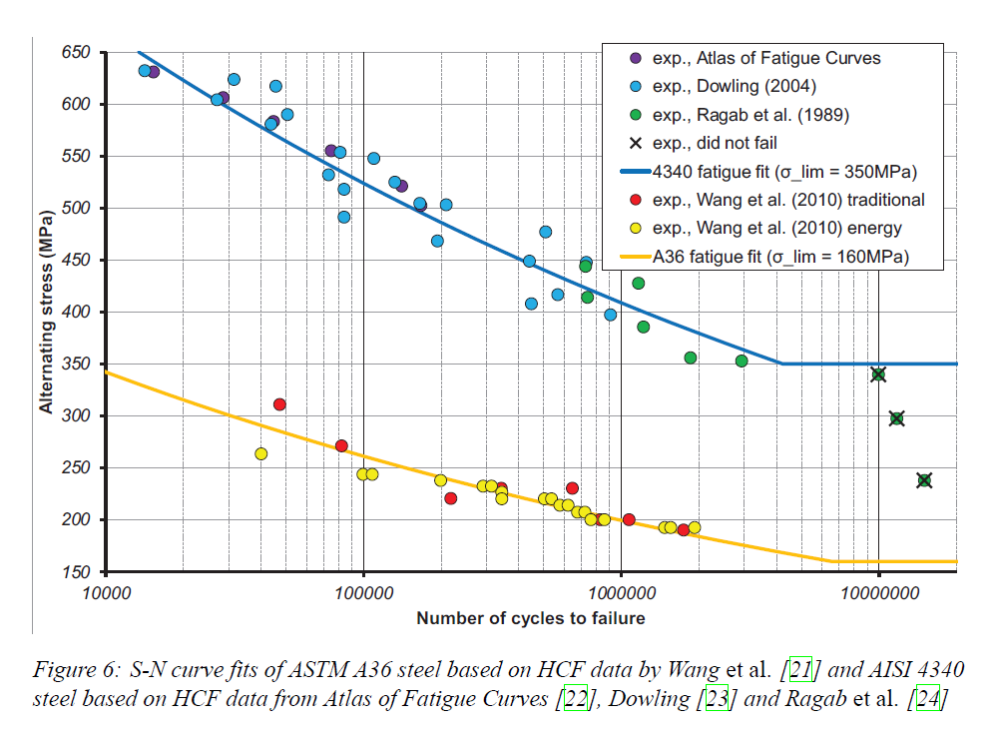

Gorash, Y., & MacKenzie, D. (2017). On cyclic yield strength in definition of limits for characterisation of fatigue and creep behaviour. Open Engineering, 7(1), 126-140.

