Sheet1
E-Vent torque and speed calculations
Purpose: This spreadsheet outputs the torque and speed required by the driven arm (in case the arm is driven directly) and the pinion. The radial load from the pinion on the gearbox shaft is also calculated. This also causes bending.
Updated 14 April 2020

Inputs
System physical parameters |  |  |  | Constants
pres | 40 | cm H2O | Pressure in bag | 25.4 | mm/inch
 | 3922.4 | Pa |  | 98.06 | Pa/cmH2O
area_x | 90 | mm | contact area dim. X | 1000 | mm/m
area_y | 115 | mm | contact area dim. Y
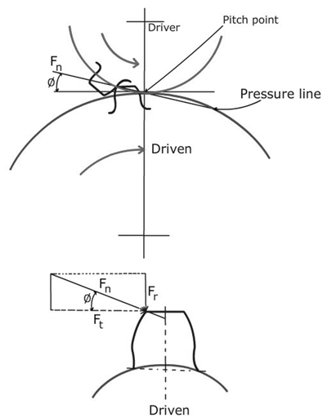
area | 0.01035 | m^2 | Contact area on bag
lever_arm | 120.00 | mm | Pressure force is located in center of contact area
 | 4.724 | in
48T
30T
48T
$$Γ_{in}=7.5 Nm$$
$$Γ_{in}=7.5 Nm$$
$$F$$
$$F_{t}$$
$$F_{t}$$
$$F_{t}$$
$$Γ_{motor}$$
n_finger | 48 | teeth | Finger gear - number of teeth
n_pinion | 30 | teeth | Drive pinion - number of teeth
P | 16 | TPI | Diametral pitch for gear set
P.A. | 14.5 | deg | Pressure angle
eta_pres | 2 |  | Assumed pressure transmission efficiency
TV_max | 800 | mL | The maximum tidal volume possible
sweep | 27 | deg | The angle that one arm must sweep for max tidal volume
 | 0.47123889804 | rad

Patient parameters
T_V | 600 | mL | Tidal Volume
I:E | 3 |  | 1:X - inspiration:expiration ratio
rate | 30 | BPM | Breaths per minute
We could also model compliance, which would result in increasing pressure
as a function of volume delivered, for simplicity we focus on the end condition,
when the arm is completing it's transit to maximum compression.

Outputs
tau_in | 4.87 | Nm | Input torque per finger required to drive bag
tau_finger | 9.74 | Nm | Driving torque on finger
ratio | 1.6 |  | Gear ratio finger/pinion
tau_total | 19.49 | Nm | Torque applied to the driven arm (individual arm x 2)
d_finger | 3 | in | Finger gear pitch diameter
 | 76.20 | mm | Finger gear pitch diameter, metric
d_pinion | 1.875 | in | Pinion pitch diameter |  |  | https://www.engineersedge.com/gears/force_analysis_spur_gears_13977.htm
 | 47.63 | mm | Pinion pitch diameter, metric

What torque must the motor + gearbox supply to the pinion?
tau_pinion | 12.18 | Nm | Torque that must be supplied by gearbox to pinion

What is the radial loading on the gearbox shaft?
F_t | 511.46 | N | Force tangential to the pinion, function of torque and dia.
F_r | 132.27 | N | Gear seperation force
F_n | 528.28 | N | Total radial force on the gearbox shaft

What is maximum speed that is required of the gearbox?
I_time | 0.50 | s | Inspiration time
arm_sp | 0.71 | rad/s | Speed arm must move to achive selected tidal volume
 | 6.75 | RPM
pinion_sp | 1.13 | rad/s | Pinion speed during this move
 | 10.80 | RPM | Speed that must be supplied by gearbox

