Лист1
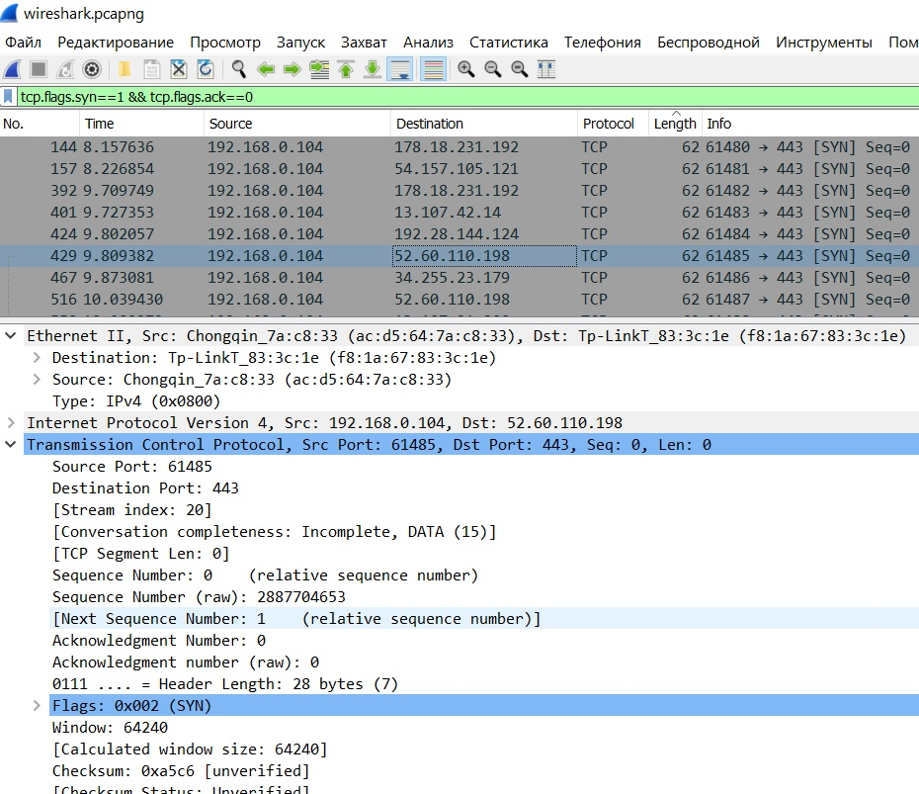
1. Determine the size of the smallest and largest packet

Smallest | 46
Largest | 1494

2. Determine which packet length is the most
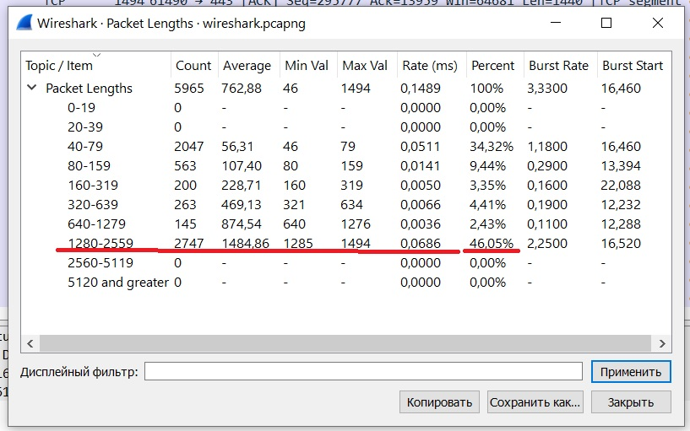

3. To which public IP address was the most IP traffic transmitted?

18.16.112.57

4. From which public IP address was the most IP traffic received?

18.66.112.57

5. Determine the percentage of TCP, UDP, and ICMP packets

6. Find in the header of one of them the MAC addresses of the source and destination, the IP addresses of the source and destination.

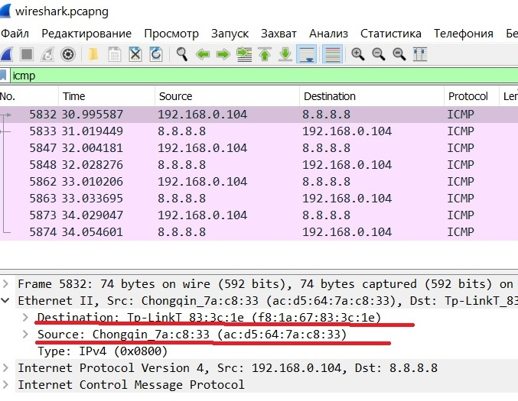

7. Find a pair of Echo Request and Echo Reply packets, find the value of the TTL field in them, and explain why it has a different value.

16.Change filter, new filtering condition – TCP segments with SYN flag.
17.In one of the segments, find the source and destination ports, the size of the window, the sequence number, and the acknowledgment number. Explain the purpose of these fields.

