Arkusz1
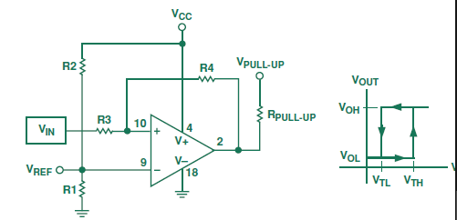
R3/R4 | 0.20
Vcc | 9
R1 | 47000
R2
R3 | 2000
R4 | 8000
Vref | #VALUE!
Voh | 9
Vol | 0.7
Vth | #VALUE!
Vtl | #VALUE!

Resonators load
 | CL | Cparast. | C1 | C2 | Check
Y401 | 9E-12 | 2.5E-12 | 1.30E-11 | 1.30E-11 | 1
Y102 | 1.25E-11 | 2.5E-12 | 2.00E-11 | 2.00E-11 | 1
Y101 | 1.8E-11 | 2.5E-12 | 3.21E-11 | 3.00E-11 | 1

Y101 (16MHz) | 9.00E-12 | 2.50E-12 | 1.30E-11 | 1.30E-11
Y102 (32kHz) | 1.25E-11 | 2.50E-12 | 2.00E-11 | 2.00E-11

