Arkusz1
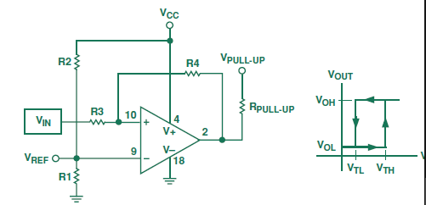
R3/R4 | 0.20
Vcc | 9
R1 | 80000
R2 | 80000
R3 | 2000
R4 | 8000
Vref | 4.5
Voh | 9
Vol | 0.7
Vth | 5.45
Vtl | 3.375

Resonators load
 | CL | Cparast. | C1 | C2 | Check
Y401 | 9E-12 | 2.5E-12 | 1.30E-11 | 1.30E-11 | 1
Y102 | 1.25E-11 | 2.5E-12 | 2.00E-11 | 2.00E-11 | 1
Y101 | 1.8E-11 | 2.5E-12 | 3.21E-11 | 3.00E-11 | 1

