Athena-A2ET-V1.62-6S
 |  |  |  |  |  |  |  | Standard Gravity | 9.80665

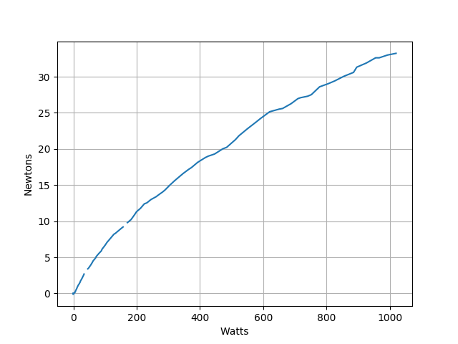
Efficiency Thrust vs Power - Athena-A-2ET-V1.64 (6S) |  |  |  |  |  | 6S Data
 |  |  |  |  |  |  | Athena-A-2ET-V1.62 - Thrust - Newton thrust vs Watt Elec
Watt elec. | Newton | N/Kwe | Kgf | Kgf/kWe | Lbf | Lbf/kWe
200 | 11.31 | 56.55 | 1.15 | 5.77 | 2.54 | 12.71 |  | 2.5426011
300 | 15.00 | 50.00 | 1.53 | 5.10 | 3.37 | 11.24
400 | 18.29 | 45.72 | 1.87 | 4.66 | 4.11 | 10.28
500 | 20.92 | 41.84 | 2.13 | 4.27 | 4.70 | 9.41
600 | 24.47 | 40.78 | 2.50 | 4.16 | 5.50 | 9.17
700 | 26.71 | 38.16 | 2.72 | 3.89 | 6.00 | 8.58
800 | 28.68 | 35.85 | 2.92 | 3.66 | 6.45 | 8.06
900 | 31.58 | 35.09 | 3.22 | 3.58 | 7.10 | 7.89
1020 | 33.29 | 32.64 | 3.39 | 3.33 | 7.48 | 7.34
1118 | 36.40 | 32.56 | 3.71 | 3.32 | 8.18 | 7.32
1230 | 39.98 | 32.50 | 4.08 | 3.31 | 8.99 | 7.31
Athena-A-2ET-V1.64 - Thrust Kgf vs Watt

Athena-A-2ET-V1.64 - Thrust Efficiency Kgf/KWe vs Watt elec

Watt | Kgf/Kw
200 | 5.77
300 | 5.10
400 | 4.66
500 | 4.27
600 | 4.16
700 | 3.89
800 | 3.66
900 | 3.58
1000 | 3.33
1118 | 3.32
1230 | 3.31

Athena-A2ET-V1.53-4S
 |  |  |  |  |  |  | Standard Gravity | 9.80665

Efficiency Thrust vs Power - Athena-A-2ET-V1.53 (4S) |  |  |  |  |  | 4S Data
Athena-A-2ET-V1.53 - Thrust - Newton thrust vs Watt Elec
Watt elec. | Newton | N/Kwe | Kgf | Kgf/kWe | Lbf | Lbf/kWe
9.6 | 1.29 | 134.67 | 0.13 | 13.73 | 0.29 | 30.27 | 0.29063609486
33.6 | 3.22 | 95.75 | 0.33 | 9.76 | 0.72 | 21.53
70.4 | 5.53 | 78.50 | 0.56 | 8.00 | 1.24 | 17.65
126.4 | 8.19 | 64.80 | 0.84 | 6.61 | 1.84 | 14.57
193.6 | 11.05 | 57.09 | 1.13 | 5.82 | 2.48 | 12.83
288 | 14.21 | 49.34 | 1.45 | 5.03 | 3.19 | 11.09
432 | 18.21 | 42.15 | 1.86 | 4.30 | 4.09 | 9.48
548.8 | 20.77 | 37.85 | 2.12 | 3.86 | 4.67 | 8.51
675.2 | 23.98 | 35.52 | 2.45 | 3.62 | 5.39 | 7.98
Athena-A-2ET-V1.53 - Thrust Kgf vs Watt

Athena-A-2ET-V1.53 - Thrust Efficiency Kgf/KWe vs Watt elec

Watt | Kgf/Kw
9.6 | 13.73
33.6 | 9.76
70.4 | 8.00
126.4 | 6.61
193.6 | 5.82
288 | 5.03
432 | 4.30
548.8 | 3.86
675.2 | 3.62

