CYC-K-002
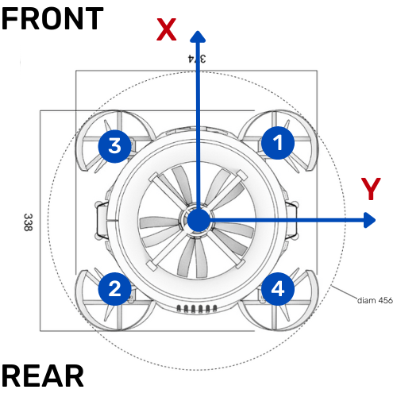
CONFIDENTIAL - NEVA AEROSPACE
Mass & Balance Check List - Feuille de centrage Cyclope MKII.2

Equipement Non Amovible - Non Removable Equipment

Description | Poids (gr) | X (cm) | Y(cm) | Z(cm) | Moment X | Moment Y | Moment Z
Tmotor 475kv MN4010 OUTLET + HUB + STA + BLA | 207 | 0 | 0 | 6.5 | 0 | 0 | 1345.5
Tmotor MN4010 475kv INLET + HUB + STA + BLA | 213 | 0 | 0 | 12.5 | 0 | 0 | 2662.5
Aux1 (Mot XNOVA 2207 1700kv) + Support + Carenage | 75 | 11 | 12 | 12.5 | 825 | 900 | 937.5
Aux2 (Mot XNOVA 2207 1700kv) + Support + Carenage | 75 | -11 | -12 | 12.5 | -825 | -900 | 937.5
Aux3 (Mot XNOVA 2207 1700kv) + Support + Carenage | 75 | 11 | -12 | 12.5 | 825 | -900 | 937.5
Aux4 (Mot XNOVA 2207 1700kv) + Support + Carenage | 75 | -11 | 12 | 12.5 | -825 | 900 | 937.5
Batt 1 (right) + connector | 645 | 0 | 11.5 | 8.5 | 0 | 7417.5 | 5482.5
Batt 2 (left) + connector | 645 | 0 | -11.5 | 8.5 | 0 | -7417.5 | 5482.5

Equipement Amovible - Removable Equipment

Description | Poids (gr) | X (cm) | Y(cm) | Z(cm) | Moment X | Moment Y | Moment Z
Pixhawk Cube Orange + Mini Carrier Board | 53 | -12.5 | 0 | 14 | -662.5 | 0 | 742
Power distribution Board + Wire (estimation 40gr) | 60 | -10 | 0 | 4.5 | -600 | 0 | 270
Support 3D print Pixhawk + Caisse | 50 | -12.5 | 0 | 11 | -625 | 0 | 550
Telemetry RX + Antenna | 23 | -12.5 | -2 | 12 | -287.5 | -46 | 276
BEC Castle 2,0 + Wire | 23 | -12.5 | 2 | 12 | -287.5 | 46 | 276
FPV TX + Antenna | 20.5 | -12.5 | 0 | 12 | -256.25 | 0 | 246
TBS Nano RX radio SBUS | 4 | -12.5 | 0 | 12 | -50 | 0 | 48
MAUCH HS-200-HV | 30 | -10 | 0 | 4.5 | -300 | 0 | 135 |  | Date | 20220707
LED Voltage adapter | 18.5 | 10.5 | 0 | 6 | 194.25 | 0 | 111 |  | DRONE: | CYC-K-002
BEWARE -
The Equipment List MUST reflect the one on the Bill or Material and the REALITY of the load on the Drone.
ANY CHANGE ON THE DRONE MUST BE RECALCULATED
AND THE Bill of Material UPDATED
ESC Castle Turbine – INLET | 28 | -7 | 7 | 2 | -196 | 196 | 56
ESC Castle Turbine – OUTLET | 28 | -7 | -7 | 2 | -196 | -196 | 56
ESC TMOTOR F35A – 1 | 10 | 6 | 10 | 10.5 | 60 | 100 | 105
ESC TMOTOR F35A – 2 | 10 | 6 | -10 | 10.5 | 60 | -100 | 105
ESC TMOTOR F35A – 3 | 10 | 6 | -10 | 10.5 | 60 | -100 | 105
ESC TMOTOR F35A – 4 | 10 | 6 | 10 | 10.5 | 60 | 100 | 105
INSTA 360 Camera + screw (solo =154gr) | 166 | 13 | 0 | 10.5 | 2158 | 0 | 1743
Platine support gopro | 32 | 10 | 0 | 9.5 | 320 | 0 | 304
Led eclairage | 15 | 10.5 | 0 | 15 | 157.5 | 0 | 225
FPV Camera | 12 | 12.5 | 0 |  | 150 | 0 | 0
Contrepoids (vs 170gr) - Counterweight | 22 | 10.5 |  |  | 231 | 0 | 0
Resultat
 |  |  |  |  |  |  |  | Diam exte turbine = 190mm
 | X (cm) |  | Y (cm) |  | Z (cm)
BARYCENTRE | 0.00 |  | 0.00 |  | 9.25 |  |  | Z ideal ≤ 9,4cm (centre de poussée)

