KLUZO_BOM_PROTO
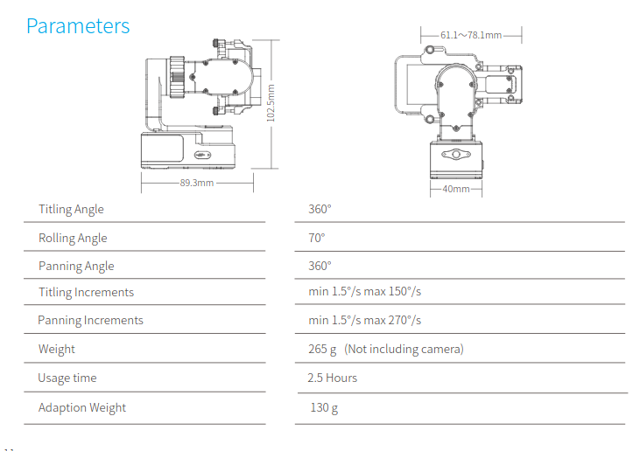
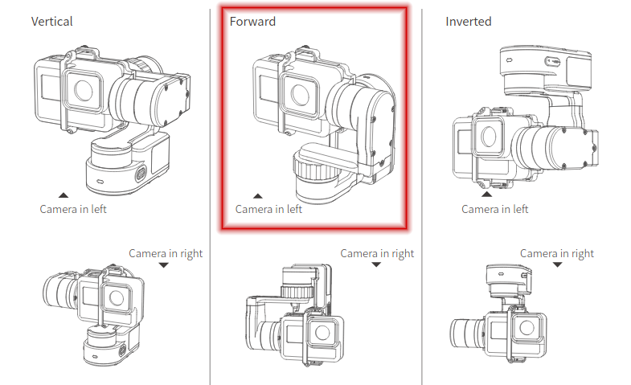
Cyclope Kluzo BOM

Last Edited by |  |  | NEVA VB – 19/01/2021

0 – General Specifications

Reserved for Neva
MTOW (gr) |  | 3400
Available Payload (gr) |  | 631
Autonomy (min) |  | 11
 |  |  |  |  |  | CODAGE à mettrre en place
1 – Ready-to-fly Kluzo (without inspection equipment)
 |  |  |  |  |  | NAL | PAY | FPV | 1
Reserved for Neva
Item Name | Units | Makes | Details | Total Weight (gr)
I – Main Body
SHO | 2 | NEVA |  | 750
STA | 2 | NEVA
ROT | 2 | NEVA
BLA | 10 | NEVA
CAP | 2 | NEVA
AUX_SHO | 4 | NEVA |  | 100
AUX_STA | 2 | NEVA | Carbon tube + motor adapter | 20
AUX_BLA | 4 | HQPROP | HQ 3x4x3 V1S | 8
II – Electronics
MOT | 2 | TMOTOR |  | 275
ESC | 2 | CASTLE |  | 40
AUX_MOT | 4 | TMOTOR | TMOTOR F1507 kv2700 | 60
AUX_ESC | 1 | TMOTOR | ESC Tmotor 4in1 V45A 6s 32 BIT | 20
III – Flight Control
PIX_MINI 4 | 1 | HOLYBRO |  | 16
SONARS | 3 | MAXBOTIXS |  | 25
RC_CONTOL | 1 | TBS | 868 MHz crossfire RX (https://www.studiosport.fr/recepteur-tbs-crossfire-nano-rx-se-a16057.html) | 5
TELEM | 1 | TBD | 433MHz telemetry | 30
IV – Power System
BAT | 2 | SLS | For 11min Flight : SLS4500mAh 6S 30/60C | 1300
BEC | 1 | CASTLE | Castle 6S – 5v – 10a (1xfor Pixhawk, 1xfor Accessories) | 15
HARNESS | 1 | NEVA | Power harness : 16awg+ xt90 connectors | 80
PWR_MODULE | 1 | TBD | Power module for pixhawk | 25
 |  |  | Total RTF weight (gr) | 2769

2 – Inspection Equipment

To be completed by Pilgrim
Item Name | Units | Makes | Details (please provide internet links) | Total Weight (gr) | Remaining Payload (gr)
Equipement de Base
Led lights | 4 | E44 electronique | 1W led light cold white(6000K) 3-3,6V (1Gr/led) http://www.e44.com/composants/composants-actifs/optoelectronique/led/leds-cms/led-haute-puissance-1w-blanc-froid-LED1WCMS-BLANC.html | 4 | 558.2 |  |  | ATTENTION : Température max : 125°C – Polycarbonate en impression obligatoire – Mettre les radiateurs dans le flux des moteurs aux
Heat dissipator led lights | 4 | RS component | https://fr.rs-online.com/web/p/dissipateurs-de-chaleur/7226827/?cm_mmc=FR-PLA-DS3A-_-google-_-PLA_FR_FR_Chauffage_%26_ventilation_et_air_conditionn%C3%A9_Whoop-_-(FR:Whoop%21)+Dissipateurs+thermiques+(2)-_-7226827&matchtype=&pla-303373399821&gclid=CjwKCAiAudD_BRBXEiwAudakXwnwPFEienLcVSAzTALON7aTJuzoko11kgdGWHc0vafdB0ZxpuTZphoCTIQQAvD_BwE&gclsrc=aw.ds | 40
FPV camera | 1 | Foxeer | 1 foxeer t-rex micro 1500tvl camera used for navigation https://www.foxeer.com/foxeer-t-rex-micro-1500tvl-6ms-latency-super-wdr-fpv-camera-g-308 | 8.6
FPV transmitter | 1 | TBS | Pro32Hv 25-1000mW 5,8Ghz https://www.studiosport.fr/emetteur-video-unify-pro32-hv-mmcx-team-black-sheep/?gclid=CjwKCAiAudD_BRBXEiwAudakXxWLR4M_fRJ6ZNAwYQ64RrzJp9ApIASs5o-01m9gg1vCYeeTE1_B0hoCu9AQAvD_BwE | 8.7
FPV Antenna | 1 | Foxeer | Foxeer pagoda Pro RPSMA RHCP | 11.5
Config 1 : camera 360°
SUPPORT CAMERA | 1 | Neva | NEW CAP INLET avec support camera | 50 | 378.2
360° camera | 1 | Insta360 | Camera Insta ONE R | 130 |  |  |  | DIMENSIONS : long 72 x hauteur 48 x profondeur 43
Config 2 : camera thermique
Gimbal/Stabilisateur Feiyu WG2 | 1 | FEIYUTECH | https://www.feiyu-tech.com/wg2/ | 238 | 210.2
FLIR Vue Pro | 1 | FLIR | https://www.flir.fr/products/vue-pro/ | 110

PixHawk Ecosystem
