Speeds
FOR DRONE : WB5-0001 | MISSION TURBO-DRONE SPEEDS
 | TO RESPECT ACCORDING TO WIND GUST

Max speed (m/s) | 12
Commercial Speed (m/s) | 5 to 8

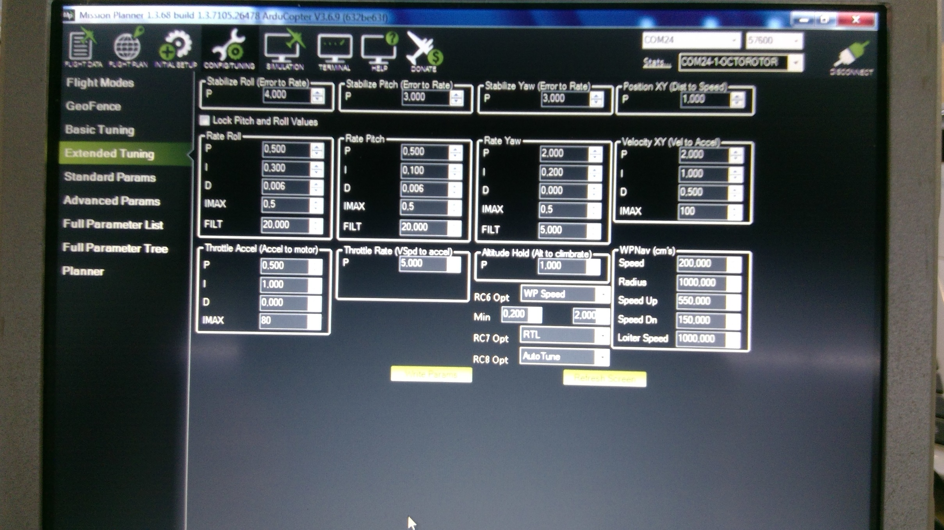
Wind Speed (m/s) | 0-3 | 4-6 | 7-9 | 10-12 | PID (PYAW=2) |  | WB5-0001/V1.645 - 20190811
Wind Speed(Knot) | 0-6 | 8-12 | 13-17 | 19-23
Drone misison speed with payload (m/s) | 10 | 8 | 6 | 5
Yaw Speed (ATC_SLEW __YAW) and (cdg/s) with payload | 2000 | 1600 | 1300 | 1000
ATC_ACCEL_Y_MAX) (cdeg/s/s) | never EVER exceed 9000 - Use 4000 as standard
Drone mission speed without payload (m/) | 12 | 10 | 8 | 6
Yaw Speed (ATC_SLEW__YAW) (cdg/s) without payload (Zero payload) | 3000 | 2500 | 2000 | 1600 | ATC_INPUT_TC | 0.2 | (ou 0,5)

NO FLY BEYOND WIND GUST 23 KNOT ( 12m/s)

CHECK METAR BEFORE MISSION FLIGHT

