marker genes
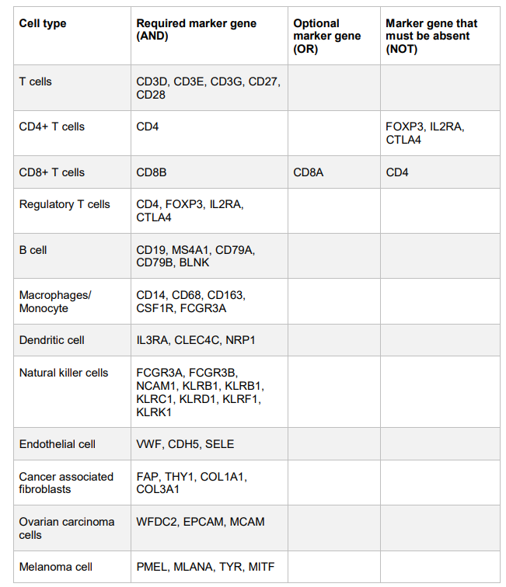
 |  | CIBERSORT, gini=.8, max_rank=3
 | Schelker et al (2017)
NANOSTRING |  | $`B cells naive`
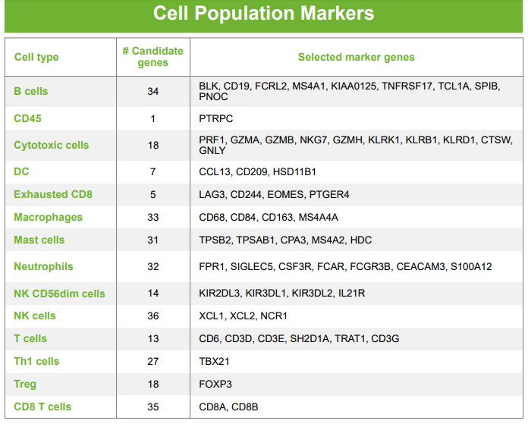
 |  | [1] "BANK1" "BLK" "CD1B" "CD1C" "CD72" "CXCL9" "FCRL2" "GUSBP11" "IGHD"
 |  | [10] "IGHM" "IGKC" "IGLL3P" "IL9" "KIAA0226L" "MS4A1" "TCL1A" "TPSAB1"

 |  | $`B cells memory`
 |  | [1] "BANK1" "BLK" "CD1C" "CD72" "FCRL2" "GUSBP11" "IGHD"
 |  | [8] "IGHE" "IGHM" "IGKC" "IGLL3P" "KIAA0226L" "LOC100130100" "MS4A1"
 |  | [15] "MZB1" "TCL1A" "TNFRSF17"

 |  | $`Plasma cells`
 |  | [1] "CCL19" "FCRL2" "GUSBP11" "IGHD" "IGHE" "IGHM" "IGKC"
 |  | [8] "IGLL3P" "LOC100130100" "MZB1" "NTRK1" "SPAG4" "TCL1A" "TNFRSF17"
 |  | [15] "ZNF165"

 |  | $`T cells CD8`
 |  | [1] "BLK" "CD8B" "CTSW" "GZMH" "GZMK" "LOC100130100"

 |  | $`T cells CD4 naive`
 |  | [1] "CD8B" "ICOS" "MZB1"

 |  | $`T cells CD4 memory resting`
 |  | [1] "GZMK" "IL9" "ST8SIA1"

 |  | $`T cells CD4 memory activated`
 |  | [1] "CCL20" "CTLA4" "CXCL13" "GZMB" "ICOS" "IL3" "IL9" "LTA" "PMCH" "SPAG4" "ZNF165"

 |  | $`T cells follicular helper`
 |  | [1] "CD8B" "CTLA4" "CXCL13" "FOSB" "ICOS" "LTA" "ST8SIA1"

 |  | $`T cells regulatory (Tregs)`
 |  | [1] "CCR3" "CTLA4" "PMCH" "TNFRSF17"

 |  | $`T cells gamma delta`
 |  | [1] "FCGR3B" "FCN1" "GNLY" "GZMH" "GZMK" "KLRF1" "NKG7" "TRDC" "VNN2"

 |  | $`NK cells resting`
 |  | [1] "CTSW" "CXCR2" "ELANE" "FCGR3B" "GNLY" "GZMB" "GZMH" "KLRF1" "MGAM" "NKG7" "TRDC"

 |  | $`NK cells activated`
 |  | [1] "CCL1" "CTSW" "CXCL10" "CXCL11" "GNLY" "GZMB" "KLRF1" "LTA" "NKG7" "OSM" "TRDC"

 |  | $Monocytes
 |  | [1] "CDA" "CSF3R" "FCN1" "FOSB" "MARCO" "P2RY13" "PLA1A" "VNN2"

 |  | $`Macrophages M0`
 |  | [1] "CCL18" "CCL22" "CDA" "CHI3L1" "CXCL3" "CXCL5" "CYP27A1" "MARCO" "TREM2"

 |  | $`Macrophages M1`
 |  | [1] "CCL19" "CHI3L1" "CSF3R" "CXCL10" "CXCL11" "CXCL13" "CXCL3" "CXCL9" "EBI3" "FFAR2" "HESX1"
 |  | [12] "IDO1" "LAMP3" "PLA1A" "PRG2" "TNFAIP6"

 |  | $`Macrophages M2`
 |  | [1] "ALOX15" "CCL17" "CCL18" "CD1E" "CD72" "CLIC2" "EBI3" "HESX1" "MARCO" "P2RY13" "TREM2"

 |  | $`Dendritic cells resting`
 |  | [1] "ALOX15" "CCL17" "CCL22" "CD1B" "CD1C" "CD1E" "CLIC2" "LAMP3" "MMP12" "TREM2"

 |  | $`Dendritic cells activated`
 |  | [1] "CCL1" "CCL17" "CCL18" "CCL19" "CCL20" "CCL22" "CD1B" "CD1E" "CLIC2" "CXCL10" "CXCL11"
 |  | [12] "CXCL5" "CXCL9" "CYP27A1" "EBI3" "HESX1" "IDO1" "LAMP3" "MMP12" "PLA1A" "TNFAIP6"

 |  | $`Mast cells resting`
 |  | [1] "CLC" "CPA3" "ELANE" "HDC" "HPGDS" "IGHE" "NTRK1" "PRG2" "RGS13" "ST8SIA1" "TPSAB1"

 |  | $`Mast cells activated`
 |  | [1] "CCL1" "CCL20" "CPA3" "CXCL3" "CXCL5" "CYP27A1" "ELANE" "HDC" "HPGDS" "IL3" "MMP12"
 |  | [12] "NTRK1" "PMCH" "PRG2" "RGS13" "SPAG4" "TPSAB1"

 |  | $Eosinophils
 |  | [1] "ALOX15" "BANK1" "CCR3" "CLC" "CPA3" "CXCR2" "FFAR2" "FOSB" "HDC" "HPGDS" "IDO1" "IL3"
 |  | [13] "MGAM" "MS4A1" "OSM" "RGS13" "ZNF165"

 |  | $Neutrophils
 |  | [1] "CCR3" "CDA" "CHI3L1" "CLC" "CSF3R" "CXCR2" "FCGR3B" "FCN1" "FFAR2"
 |  | [10] "KIAA0226L" "MGAM" "OSM" "P2RY13" "TNFAIP6" "VNN2"

