readme
 | NOTES ON PROPOSED STRUCTURE FOR CDNO Dietary role Class
 | Graham King, Liliana Andres-Hernandez, May 2021

 | Given the flux of nutritional evidence, each role claimed ideally requires: |  | 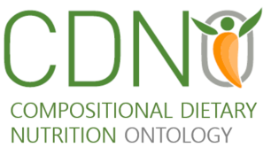
 | Physiological interaction type | ?
 | Evidence type | in vitro
 |  | in vivo
 | Evidence source | doi

 | note added by Graham King 13th May: included additional sheet with overview of potential additional major classes
 | it may be easier to manage with an objective 'functional attributes' class distinct from an additional more subjective/evidence informed 'dietary function/role' class
potential reuse from other ontologies
NCIT |  | Pharmacologic substance
ONS |  | food bioactive |  | ONS:0000076
ONE | ontology for nutritional studies | nutrient |  | ONS:0000077
OBI | biomedical investigations
FoodOn | dietary supplement | Plant used for dietary supplements as food source |  | FOODON:03414168

RO | has function | A relation between an independent continuant (the bearer) and a function, in which the function specifically depends on the bearer for its existence |  | RO:0000085
functional role | action

 | See next sheet for potential subclassifications and example nutritional components that would be described by such roles

class interaction
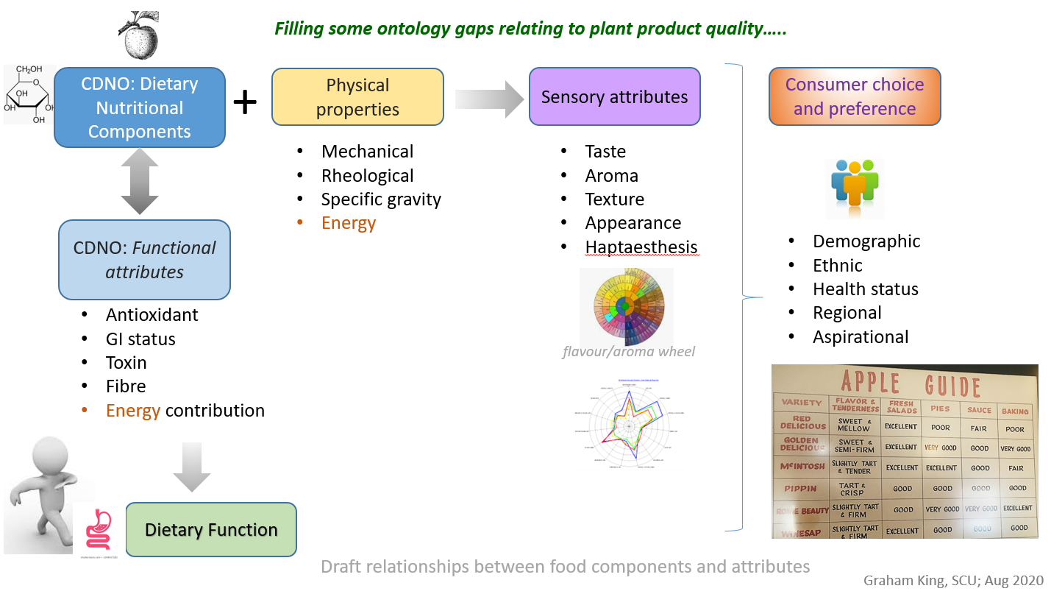

it may be easier to manage with theobjective 'functional attributes' class distinct from an additional more subjective/evidence informed 'dietary function/role' class

