sql
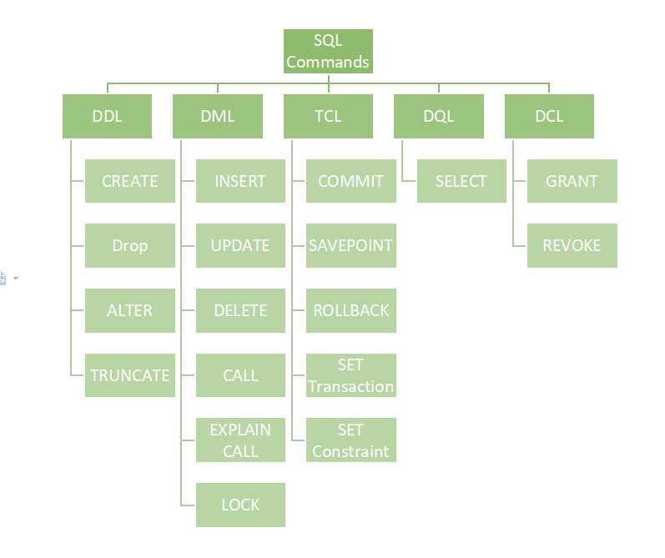
Data Definition Language (DDL)
CREATE TABLE table_name (column1 datatype, column2 datatype, ….); | CREATE TABLE EMPLOYEE(Name VARCHAR2(20), DOB DATE);
DROP TABLE table_name; | DROP TABLE EMPLOYEE;
ALTER TABLE table_name MODIFY(column_definitions....); | ALTER TABLE EMP_DETAILS MODIFY (NAME VARCHAR2(20));
ALTER TABLE table_name ADD column_name COLUMN-definition; | ALTER TABLE EMP_DETAILS ADD(ADDRESS VARCHAR2(20));
ALTER TABLE table_name DROP COLUMN column_name; | ALTER TABLE EMP_DETAILS DROP COLUMN age;
TRUNCATE TABLE table_name; | TRUNCATE TABLE EMPLOYEE;
COMMENT ON TABLE table_name IS 'This is a comment.'; | COMMENT ON TABLE employees IS 'This table stores information about company employees.';
RENAME TABLE old_table_name TO new_table_name; | RENAME TABLE sales_data TO monthly_sales;
Data Query Language (DQL)
SELECT column1, column2, ... FROM table_name; | SELECT first_name, salary FROM employees;
SELECT column1, column2, … FROM table_name WHERE condition; | SELECT product_name, price FROM products WHERE category = ‘Electronics’;
SELECT column1, column2 FROM table_name ORDER BY column1 [ASC|DESC], column2 [ASC|DESC]; | SELECT first_name, last_name FROM students ORDER BY age ASC, last_name DESC;
SELECT column1, aggregate_function(column2) FROM table_name GROUP BY column1; | SELECT region, SUM(amount) FROM sales GROUP BY region;
SELECT columns FROM table1 [JOIN TYPE] JOIN table2 ON table1.column_name = table2.column_name; | SELECT employees.first_name, employees.last_name, departments.department_name FROM employees INNER JOIN departments;
Data Manipulation Language
INSERT INTO table_name (column1, column2, column3, ...) VALUES (value1, value2, value3, ...);
UPDATE table_name SET column1 = value1, column2 = value2, ... WHERE condition; | UPDATE employees SET salary = 60000 WHERE employee_id = 101;
DELETE FROM table_name WHERE condition; | DELETE FROM employees WHERE department_id = 5;
LOCK TABLE table_name [ IN lock_mode ]; | LOCK TABLE employees IN ROW EXCLUSIVE;
CALL procedure_name(argument1, argument2, ...); | CALL get_employee_info(123);
EXPLAIN <sql_statement>; | EXPLAIN SELECT * FROM employees WHERE department_id = 10;
Data Control Language
GRANT permission_type ON object_type::object_name TO user_role; | GRANT SELECT ON TABLE employees TO user_john;
REVOKE permission_type ON object_type::object_name FROM user_role; | REVOKE SELECT ON TABLE employees FROM user_john;
Transaction Control Language
BEGIN [TRANSACTION]; | BEGIN TRANSACTION; -- Update the "Status" column of the "Orders" table UPDATE Orders SET Status = 'Shipped' WHERE OrderID = 123; COMMIT;
COMMIT; | BEGIN; UPDATE employees SET salary = salary * 1.1 WHERE department_id = 10; COMMIT;
ROLLBACK; | BEGIN; UPDATE employees SET salary = salary * 1.1 WHERE department_id = 10; -- Something went wrong, let's rollback the changes ROLLBACK;
SAVEPOINT savepoint_name; | BEGIN; -- Make some updates UPDATE employees SET salary = salary * 1.1 WHERE department_id = 10; -- Create a savepoint after the first update SAVEPOINT update1; -- Make another set of updates UPDATE employees SET salary = salary * 1.05 WHERE department_id = 20; -- Oops, something went wrong, let's roll back to the first update ROLLBACK TO SAVEPOINT update1; -- Continue with other operations if needed -- Commit the transaction COMMIT;
ROLLBACK TO SAVEPOINT savepoint_name;
SET TRANSACTION [ transaction_characteristics ]; | SET TRANSACTION ISOLATION LEVEL SERIALIZABLE;

